Notes
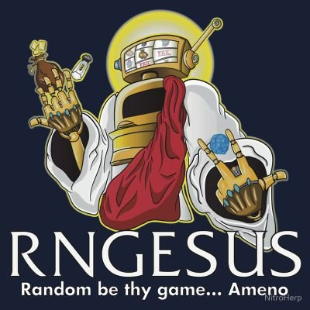
np.sort(np.random.permutation(np.arange(2,62))[:3])

Halloween Special
Movie Name |  | Rules | 1) Has monsters, dark fantasy, supernatural, or spooky creatures
The Nightmare Before Christmas |  |  | 2) Is explicitly on halloween
GYO: Tokyo Fish Attack |  |  | 3) Is a horror movie (not thriller)
Halloween | x |  | 4) The characters put on costumes (not jut disguises)
Coraline |  |  | 5) AND Must take place in a universe with the Earth in it
Scooby Doo on Zombie Island
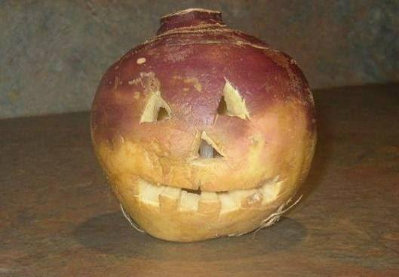
Tumbbad
The Book of Life
The Thing
Ghostbusters
Wicked City
Trollhunter
Edward Scissorhands
Sweeny Todd
One Cut of the Dead
Planet Terror
Bodies Bodies Bodies
The Blair Witch Project
Jennifer's Body | x
Us | x
The Thing
The Shining | x
The Wailing
Gonjiam: Haunted Asylum
Angel's Egg
Beettlejuice
Corpse Bride
Rocky Horror | x
Harry Potter
Batman the Long Halloween
Love Death + Robots Season 1 Ep 1-9
Black Mirror (Playtest + White Bear)
Hocus Pocus | x
Ghost Stories The Dub
4 episodes of The Addams Family
4 episodes of The Twilight Zone
4 episodes of The X-Files
Hamlet
Summer Ghost | x
Halloween Town
Sinners
Ring (1998) | xring
Under the Shadow

