Notes
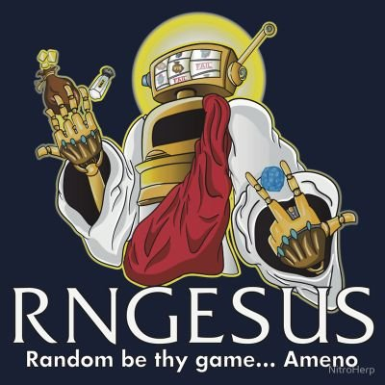
np.sort(np.random.permutation(np.arange(2,62))[:3])

Halloween Special
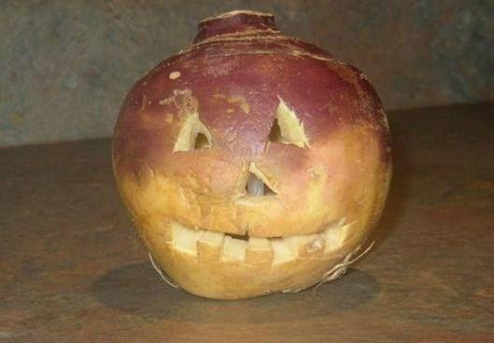
Movie Name
The Nightmare Before Christmas
GYO: Tokyo Fish Attack
Halloween | x
Over the Garden Wall
Coraline
Scooby Doo on Zombie Island
Tumbbad
Coco
The Book of Life
The Thing | x
Ghostbusters
Wicked City
Trollhunter
Edward Scissorhands
Sweeny Todd | x
One Cut of the Dead | x
Monster House | x
They Live | x
Planet Terror | x
Bodies Bodies Bodies
The Blair Witch Project
Jennifer's Body
Us | x
The Thing
I Saw the TV Glow
The Shining
The Wailing
Gonjiam: Haunted Asylum | x
Cloverfield | x
Angel's Egg
Beettlejuice
Corpse Bride | x
Rocky Horror
Joe's Presentation Today

