Guidance
Guidelines on the use and reporting of data on suicide registrations

Inaccurate use and reporting of data on suicide can have damaging consequences such as causing unnecessary or inappropriate concerns. We have compiled the following information to provide users with a better understanding of our suicide registrations data, including where the data come from and some advice on use. For further information on the data reported in this document please contact Health.Data@ons.gov.uk.

(A) Information for the media, including best practise when it comes to reporting suicide
If you are a journalist covering a suicide-related issue, please consider following the Samaritans' media guidelines for reporting suicide. The guidelines contain information on best practice, including appropriate terminology and links to sources of support for anyone affected by the themes in the article. Samaritans' media guidelines were produced following consultation with journalists and editors throughout the industry.

Samaritans' Media Guidelines for Reporting Suicide

(B) Interpretation of suicide registrations statistics
The length of time it takes to have an inquest creates what is known as a 'registration delay.' For suicides registered in 2019, the median delay between the date of death and the date of death registration was 166 days in England and 165 days in Wales.
Suicide registrations: where do the data come from?
In England and Wales, when somebody dies unexpectedly, a Coroner investigates the circumstances to establish the cause of death. The investigation, referred to as an 'inquest,' is a process that can take months, and in some cases, years. When an inquest has concluded, the death is officially registered. For suicides that occurred in England and Wales, the Office for National Statistics then assigns each death with an 'underlying cause,' based on the information provided by the Coroner.

In England and Wales, data on suicide concern all deaths that were assigned underlying cause of intentional self-harm (for those aged 10 years and above). We also include deaths caused by injury or poisoning of undetermined intent (for those aged 15 years and above), based on the assumption that the majority of these deaths will be suicide. This is referred to as the National Statistics definition of suicide (see Box 1).

Box 1. The National Statistics definition of suicide based on codes from the International Classification of Diseases (ICD), England and Wales.

Codes | Description | Notes

(1) For deaths that were registered between 1979 and 2000, deaths were coded using ICD 9th edition (ICD-9)

E950-E959 | Intentional self-harm | Persons aged 10 years and above

E980-E989 | Injury/poisoning of undetermined intent | Persons aged 15 years and above; excludes E988.8

(2) For deaths registered since 2001, deaths have been coded using ICD 10th edition (ICD-10)

X60-X84 | Intentional self-harm | Persons aged 10 years and above

Y10-Y34 | Injury/poisoning of undetermined intent | Persons aged 15 years and above; excludes Y33.9 where the coroner's verdict was pending for the years 2001-2006

Suicide registrations: advice on appropriate use
To help with the interpretation of suicide registrations data, here we provide information on common aspects of our published datasets.

Data aspect | Advice to take
Numbers of deaths versus rates | When findings are reported based on the number of deaths alone, it is important to bear in mind that differences in numbers of deaths (e.g., over time; between geographical areas) could be explained by differences in the underlying population structure such as different proportions of people of different ages. When available, rates, such as age-standardised mortality rates, should be quoted, as these are adjusted to take into account population size and structure. If rates are unavailable, we recommend looking at a longer time series of deaths.

Groups with small numbers | Care must be taken when looking at groups with small numbers of deaths. Findings based on small numbers of deaths are prone to random fluctuation and will typically produce volatile patterns such as large year-to-year increases or decreases. Age-standardised rates require at least 20 deaths to be statistically reliable, whereas age-specific rates require at least 3 deaths.

Differences over time and/or differences between groups | When available, rates should be used when trying to understand whether differences (e.g., change over time; between groups) are statistically meaningful. Rates are presented with their corresponding lower and upper confidence limits. These form a confidence interval (at the 95% level), which is a measure of the statistical precision of an estimate and shows the range of uncertainty around the estimated figure. As a general rule, if the confidence interval around one figure overlaps with the interval around another, we cannot say with certainty that there is more than a chance difference between the two figures.

Occupation (also includes students) | Occupation is reported at the time of death registration by the informant. The recorded occupation likely reflects the deceased's main lifetime occupation at the time of death. It is also possible that, when they died, the deceased was retired, unemployed, or in a different job altogether. Numbers of deaths alone cannot be used to ascertain the risk of suicide among occupation groups. Year-to-year differences in numbers of deaths may merely reflect differences in the population of a given occupation as opposed to changes in the risk of suicide. In 2017, we published a comprehensive analysis of suicide for different occupation groups in England (see below); this analysis reports registrations for the period 2011 to 2015, as this is the only period for which we have suitable populations to provide the occupation population at risk. Our report also detailed that for around a third of suicides, occupation was unavailable due to this not being provided at the time of death registration.

Geography | When a table is for England and Wales combined, the figures include deaths of non-usual residents. For all other geographies (including separate figures for England and Wales, English region, and local authority area etc.) unless specified, these are based on the postcode of residence as opposed to the postcode of the place of death.

Registrations | Unless specified, it is likely that the data in this document are based on the date a death was registered (i.e., registrations) as opposed to the date of death (i.e., occurrences). Coroners' inquests can take months, and in some cases, years. As such, only a proportion of deaths registered in a given year would have occurred in the same year. For example, in England and Wales, 56% of suicides registered in 2017 also occurred in 2017; the vast majority of the remaining suicides (41%) occurred in 2016. Data based on either registrations or occurrences will generally follow the same pattern of peaks and troughs across time.

England and Wales | The Office for National Statistics holds suicides registrations data for England and Wales. Data for Northern Ireland and Scotland can be obtained from the Northern Ireland Research and Statistics Agency (NISRA) and the National Records of Scotland (NRS), respectively. Our annual release on suicide registrations data in the UK compiles data from all three organisations.

(C ) Further information

Suicide registrations in the UK
The latest figures from the Office for National Statistics (ONS) on suicides in the UK. Figures are presented by sex, age and region of usual residence. Additional figures on narrative verdicts are also presented.

Suicide registrations in Northern Ireland
The latest figures from the Northern Ireland Research and Statistics Agency (NISRA) on suicides in Northern Ireland.

Suicide registrations in Scotland
The latest figures from the National Records of Scotland (NRS) on suicides in Scotland.

Suicide by occupation, England: 2011 to 2015
Analysis of deaths from suicide in different occupational groups for people aged 20 to 64 years, based on deaths registered between 2011 and 2015.

Estimating suicide among higher education students, England and Wales: Experimental Statistics
Estimates of suicides among higher education students by sex, age, and ethnicity. Analysis based on mortality records linked to Higher Education Statistics Agency (HESA) student records.

Coroners Statistics for England and Wales
The latest statistics from the Ministry of Justice on the workload of coroners in England and Wales.

Table Interpretation
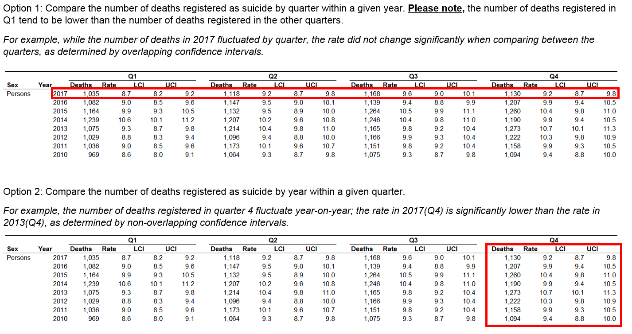
 | Contents
The data included in this release can be interpreted in two main ways:

