method2-1
TCGA-BR-7707 | 0.88070175439 | TCGA-3M-AB46 | 0.028818443804
TCGA-BR-8284 | 0.72866817156 | TCGA-BR-6454 | 0.54309449637
TCGA-BR-8363 | 0.45211581292 | TCGA-BR-6455 | 0.49220623501
TCGA-BR-8487 | 0.87171052632 | TCGA-BR-6707 | 0.51960784314
TCGA-CD-A4MG | 0.1012145749 | TCGA-BR-7196 | 0.39053254438
TCGA-CD-A4MI | 0.28058727569 | TCGA-BR-7197 | 0.6036036036
TCGA-CD-A4MJ | 0.42142857143 | TCGA-BR-7716 | 0.3869407497
TCGA-CG-4306 | 0.5369928401 | TCGA-BR-7722 | 0.35768261965
TCGA-CG-4442 | 0.9921875 | TCGA-BR-7958 | 0.85014245014
TCGA-D7-A4YY | 0.35439137134 | TCGA-BR-8289 | 0.09565807327
TCGA-D7-A6EY | 0.18372379778 | TCGA-BR-8367 | 0.33333333333
TCGA-F1-6177 | 0.70880943605 | TCGA-BR-8369 | 0.02027027027
TCGA-F1-A448 | 0.05702364395 | TCGA-BR-8384 | 0.13095238095
TCGA-HJ-7597 | 0.63565891473 | TCGA-BR-8588 | 0.78787878788
TCGA-HU-A4G8 | 0.056166056166 | TCGA-BR-8589 | 0.48540706605
TCGA-HU-A4GN | 0.92857142857 | TCGA-BR-8680 | 0.75
TCGA-HU-A4GT | 0.65078442766 | TCGA-BR-8682 | 0.22272727273
TCGA-HU-A4GU | 0.70186335404 | TCGA-BR-8687 | 0.44784580499
TCGA-HU-A4H8 | 0.982421875 | TCGA-BR-A4CS | 0.041512915129
TCGA-RD-A8NB | 0.013875123885 | TCGA-BR-A4IU | 0.0056497175141
TCGA-SW-A7EA | 0.035483870968 | TCGA-BR-A4J6 | 0.18152866242
TCGA-VQ-A8E3 | 0.52293031566 | TCGA-BR-A4J7 | 0.0087976539589
TCGA-VQ-A8PB | 0.51047904192 | TCGA-BR-A4PF | 0.13573700954
TCGA-VQ-A8PO | 0.8422306959 | TCGA-CD-5799 | 0
TCGA-VQ-A91K | 0.47217720151 | TCGA-CD-8526 | 0.02157164869
mean | 0.5168879033 | TCGA-CD-8529 | 0.044247787611
checkpoint-14 | 进行shuffle | TCGA-CD-8530 | 0.1038961039
right_num(total_num) | 14(25) | TCGA-CD-A48C | 0.0051282051282
MSI_images | 14440 | TCGA-CG-4301 | 0.2
MSS_images | 13464 | TCGA-CG-4441 | 0.97037037037
acc_image_level | 0.517 | TCGA-CG-4444 | 0.98214285714
 |  | TCGA-CG-4474 | 0.056818181818
 |  | TCGA-D7-6519 | 0.15573248408
 |  | TCGA-D7-8570 | 0.17231548939
 |  | TCGA-D7-8575 | 0.29681201905
 |  | TCGA-D7-8579 | 0.089436163318
 |  | TCGA-D7-A4Z0 | 0.052159739201
 |  | TCGA-D7-A748 | 0.37587006961
 |  | TCGA-F1-A72C | 0.089086859688
 |  | TCGA-FP-7829 | 0.57116104869
 |  | TCGA-FP-8631 | 0.08832807571
 |  | TCGA-HF-7133 | 0.44765045342
 |  | TCGA-HU-8604 | 0.09052532833
 |  | TCGA-HU-8610 | 0.84433962264
 |  | TCGA-HU-A4G6 | 0.23235477826
 |  | TCGA-HU-A4GD | 0.050847457627
 |  | TCGA-HU-A4GH | 0.34405144695
 |  | TCGA-HU-A4GY | 0.41714285714
 |  | TCGA-HU-A4H0 | 0.0030518819939
 |  | TCGA-KB-A6F7 | 0.070895522388
 |  | TCGA-MX-A663 | 0.15178571429
 |  | TCGA-MX-A666 | 0.046875
image level |  | TCGA-R5-A7O7 | 0.024096385542
accuracy in MSIMUT | 0.517(14440/27904) | TCGA-R5-A7ZR | 0.66433566434
accuracy in MSS | 0.805(72543/90104) | TCGA-RD-A8MV | 0.50856423174
accuracy(image level) | 0.737 | TCGA-RD-A8N1 | 0.0061500615006
 |  | TCGA-RD-A8N6 | 0.016229116945
patient level |  | TCGA-VQ-A8DT | 0.016116035455
accuracy in MSIMUT | 0.560(14/25) | TCGA-VQ-A8PC | 0.10782865583
accuracy in MSS | 0.838(62/74) | TCGA-VQ-A8PD | 0.19921363041
accuracy(patient level) | 0.768 | TCGA-VQ-A8PE | 0.11452184179
 |  | TCGA-VQ-A8PF | 0.24972816238
average vote score(MSIMUT) | 0.517 | TCGA-VQ-A8PJ | 0.12887112887
average vote score(MSS) | 0.234 | TCGA-VQ-A91A | 0.053406998158
 |  | TCGA-VQ-A91V | 0.017872711421
AUC | 0.75621621622 | TCGA-VQ-A91Z | 0.059917355372
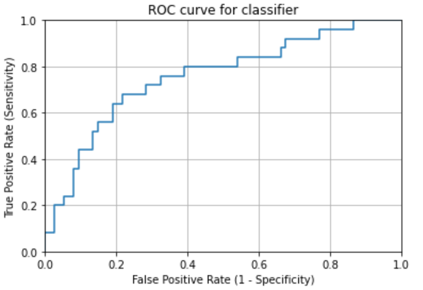
 |  | TCGA-VQ-A923 | 0.053544494721
 |  | TCGA-VQ-A925 | 0.011527377522
 |  | TCGA-VQ-A927 | 0.0099320439101
 |  | TCGA-VQ-A94U | 0.0025389916576
 |  | TCGA-VQ-AA68 | 0.090003214401
 |  | TCGA-VQ-AA69 | 0.058940397351
 |  | TCGA-VQ-AA6A | 0.0063938618926
 |  | TCGA-VQ-AA6G | 0.14817749604
 |  | mean | 0.23435722916
 |  | checkpoint-14 | 进行shuffle
 |  | right_num(total_num) | 62(74)
 |  | MSI_images | 17561
 |  | MSS_images | 72543
 |  | acc_image_level | 0.805

method2-2
TCGA-BR-7707 | 0.95087719298 | TCGA-3M-AB46 | 0.037463976945
TCGA-BR-8284 | 0.73408577878 | TCGA-BR-6454 | 0.74800969193
TCGA-BR-8363 | 0.55456570156 | TCGA-BR-6455 | 0.33872901679
TCGA-BR-8487 | 0.75986842105 | TCGA-BR-6707 | 0.60026737968
TCGA-CD-A4MG | 0.076923076923 | TCGA-BR-7196 | 0.46153846154
TCGA-CD-A4MI | 0.52854812398 | TCGA-BR-7197 | 0.6966966967
TCGA-CD-A4MJ | 0.64642857143 | TCGA-BR-7716 | 0.45042321644
TCGA-CG-4306 | 0.50119331742 | TCGA-BR-7722 | 0.56255247691
TCGA-CG-4442 | 0.9765625 | TCGA-BR-7958 | 0.86552706553
TCGA-D7-A4YY | 0.23163841808 | TCGA-BR-8289 | 0.17028493894
TCGA-D7-A6EY | 0.25606247431 | TCGA-BR-8367 | 0.5
TCGA-F1-6177 | 0.70512347954 | TCGA-BR-8369 | 0.013513513514
TCGA-F1-A448 | 0.030598052851 | TCGA-BR-8384 | 0.4880952381
TCGA-HJ-7597 | 0.59689922481 | TCGA-BR-8588 | 0.86868686869
TCGA-HU-A4G8 | 0.14041514042 | TCGA-BR-8589 | 0.52841781874
TCGA-HU-A4GN | 0.89428571429 | TCGA-BR-8680 | 0.66105769231
TCGA-HU-A4GT | 0.69029633934 | TCGA-BR-8682 | 0.38181818182
TCGA-HU-A4GU | 0.59627329193 | TCGA-BR-8687 | 0.59183673469
TCGA-HU-A4H8 | 0.98828125 | TCGA-BR-A4CS | 0.15498154982
TCGA-RD-A8NB | 0.046580773043 | TCGA-BR-A4IU | 0.028248587571
TCGA-SW-A7EA | 0.2 | TCGA-BR-A4J6 | 0.45222929936
TCGA-VQ-A8E3 | 0.30315664086 | TCGA-BR-A4J7 | 0.08504398827
TCGA-VQ-A8PB | 0.75399201597 | TCGA-BR-A4PF | 0.12990455992
TCGA-VQ-A8PO | 0.89513822688 | TCGA-CD-5799 | 0
TCGA-VQ-A91K | 0.61642355484 | TCGA-CD-8526 | 0.020030816641
mean | 0.54696869125 | TCGA-CD-8529 | 0.053097345133
checkpoint-14 | 进行shuffle | TCGA-CD-8530 | 0.16883116883
right_num(total_num) | 17(25) | TCGA-CD-A48C | 0.008547008547
MSI_images | 15231 | TCGA-CG-4301 | 0.2
MSS_images | 12673 | TCGA-CG-4441 | 0.95555555556
acc_image_level | 0.546 | TCGA-CG-4444 | 0.76785714286
 |  | TCGA-CG-4474 | 0.073863636364
 |  | TCGA-D7-6519 | 0.12993630573
 |  | TCGA-D7-8570 | 0.33576179918
 |  | TCGA-D7-8575 | 0.26969585929
 |  | TCGA-D7-8579 | 0.12832145172
 |  | TCGA-D7-A4Z0 | 0.049714751426
 |  | TCGA-D7-A748 | 0.30858468677
 |  | TCGA-F1-A72C | 0.19042316258
 |  | TCGA-FP-7829 | 0.68352059925
 |  | TCGA-FP-8631 | 0.33123028391
 |  | TCGA-HF-7133 | 0.5943940643
 |  | TCGA-HU-8604 | 0.1660412758
 |  | TCGA-HU-8610 | 0.89622641509
 |  | TCGA-HU-A4G6 | 0.27108057464
 |  | TCGA-HU-A4GD | 0.042372881356
 |  | TCGA-HU-A4GH | 0.30225080386
 |  | TCGA-HU-A4GY | 0.38857142857
 |  | TCGA-HU-A4H0 | 0.010512037979
 |  | TCGA-KB-A6F7 | 0.086753731343
 |  | TCGA-MX-A663 | 0.25
 |  | TCGA-MX-A666 | 0.015625
image level |  | TCGA-R5-A7O7 | 0
accuracy in MSIMUT | 0.546(15231/27904) | TCGA-R5-A7ZR | 0.62937062937
accuracy in MSS | 0.772(69591/90104) | TCGA-RD-A8MV | 0.57153652393
accuracy(image level) | 0.719 | TCGA-RD-A8N1 | 0.018450184502
 |  | TCGA-RD-A8N6 | 0.021957040573
patient level |  | TCGA-VQ-A8DT | 0.027397260274
accuracy in MSIMUT | 0.680(17/25) | TCGA-VQ-A8PC | 0.16543574594
accuracy in MSS | 0.770(57/74) | TCGA-VQ-A8PD | 0.21756225426
accuracy(patient level) | 0.747 | TCGA-VQ-A8PE | 0.053719008264
 |  | TCGA-VQ-A8PF | 0.25226531352
average vote score(MSIMUT) | 0.547 | TCGA-VQ-A8PJ | 0.043956043956
average vote score(MSS) | 0.273 | TCGA-VQ-A91A | 0.025782688766
 |  | TCGA-VQ-A91V | 0.027898866609
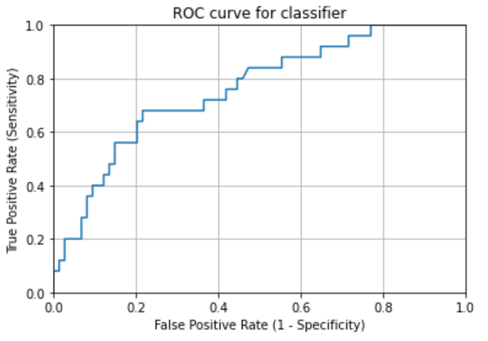
AUC | 0.75918918919 | TCGA-VQ-A91Z | 0.13085399449
 |  | TCGA-VQ-A923 | 0.042609351433
 |  | TCGA-VQ-A925 | 0.013128402177
 |  | TCGA-VQ-A927 | 0.025091479352
 |  | TCGA-VQ-A94U | 0.0039898440334
 |  | TCGA-VQ-AA68 | 0.062037929926
 |  | TCGA-VQ-AA69 | 0.087417218543
 |  | TCGA-VQ-AA6A | 0.011508951407
 |  | TCGA-VQ-AA6G | 0.27337559429
 |  | mean | 0.27323609549
 |  | checkpoint-14 | 进行shuffle
 |  | right_num(total_num) | 57(74)
 |  | MSI_images | 20513
 |  | MSS_images | 69591
 |  | acc_image_level | 0.772

