method2-1
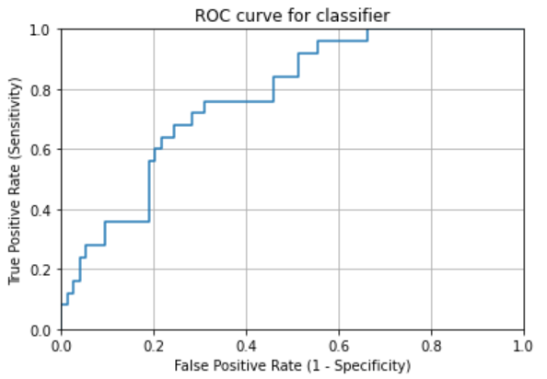
TCGA-BR-7707 | 0.9350877193 | TCGA-3M-AB46 | 0.041498559078
TCGA-BR-8284 | 0.84108352144 | TCGA-BR-6454 | 0.32848736587
TCGA-BR-8363 | 0.89309576837 | TCGA-BR-6455 | 0.43225419664
TCGA-BR-8487 | 0.55263157895 | TCGA-BR-6707 | 0.49286987522
TCGA-CD-A4MG | 0.15114709852 | TCGA-BR-7196 | 0.34911242604
TCGA-CD-A4MI | 0.4176182708 | TCGA-BR-7197 | 0.64264264264
TCGA-CD-A4MJ | 0.86428571429 | TCGA-BR-7716 | 0.37243047158
TCGA-CG-4306 | 0.44391408115 | TCGA-BR-7722 | 0.4080604534
TCGA-CG-4442 | 0.8203125 | TCGA-BR-7958 | 0.83076923077
TCGA-D7-A4YY | 0.22752953261 | TCGA-BR-8289 | 0.097693351425
TCGA-D7-A6EY | 0.23304562269 | TCGA-BR-8367 | 0.66666666667
TCGA-F1-6177 | 0.33505344637 | TCGA-BR-8369 | 0.02027027027
TCGA-F1-A448 | 0.093184979138 | TCGA-BR-8384 | 0.38095238095
TCGA-HJ-7597 | 0.53798449612 | TCGA-BR-8588 | 0.91919191919
TCGA-HU-A4G8 | 0.1684981685 | TCGA-BR-8589 | 0.66820276498
TCGA-HU-A4GN | 0.91142857143 | TCGA-BR-8680 | 0.78125
TCGA-HU-A4GT | 0.54793724579 | TCGA-BR-8682 | 0.13636363636
TCGA-HU-A4GU | 0.75776397516 | TCGA-BR-8687 | 0.65759637188
TCGA-HU-A4H8 | 0.931640625 | TCGA-BR-A4CS | 0.09778597786
TCGA-RD-A8NB | 0.12091179386 | TCGA-BR-A4IU | 0.045197740113
TCGA-SW-A7EA | 0.38387096774 | TCGA-BR-A4J6 | 0.22292993631
TCGA-VQ-A8E3 | 0.3537820131 | TCGA-BR-A4J7 | 0.014662756598
TCGA-VQ-A8PB | 0.60179640719 | TCGA-BR-A4PF | 0.33191940615
TCGA-VQ-A8PO | 0.76167778837 | TCGA-CD-5799 | 0.026315789474
TCGA-VQ-A91K | 0.50081037277 | TCGA-CD-8526 | 0.01155624037
mean | 0.53544369035 | TCGA-CD-8529 | 0.097345132743
checkpoint-14 | 进行shuffle | TCGA-CD-8530 | 0.23376623377
right_num(total_num) | 14(25) | TCGA-CD-A48C | 0.0034188034188
MSI_images | 13786 | TCGA-CG-4301 | 0.066666666667
MSS_images | 14119 | TCGA-CG-4441 | 0.80740740741
acc_image_level | 0.494 | TCGA-CG-4444 | 0.875
 |  | TCGA-CG-4474 | 0.0056818181818
 |  | TCGA-D7-6519 | 0.11815286624
 |  | TCGA-D7-8570 | 0.34399746595
 |  | TCGA-D7-8575 | 0.25870282155
 |  | TCGA-D7-8579 | 0.24821775762
 |  | TCGA-D7-A4Z0 | 0.066014669927
 |  | TCGA-D7-A748 | 0.25754060325
 |  | TCGA-F1-A72C | 0.29175946548
 |  | TCGA-FP-7829 | 0.60486891386
 |  | TCGA-FP-8631 | 0.32492113565
 |  | TCGA-HF-7133 | 0.60923330585
 |  | TCGA-HU-8604 | 0.2490619137
 |  | TCGA-HU-8610 | 0.90566037736
 |  | TCGA-HU-A4G6 | 0.41723922548
 |  | TCGA-HU-A4GD | 0.10169491525
 |  | TCGA-HU-A4GH | 0.67524115756
 |  | TCGA-HU-A4GY | 0.17714285714
 |  | TCGA-HU-A4H0 | 0.023058663954
 |  | TCGA-KB-A6F7 | 0.25186567164
 |  | TCGA-MX-A663 | 0.22321428571
 |  | TCGA-MX-A666 | 0.015625
 |  | TCGA-R5-A7O7 | 0.0060240963855
 |  | TCGA-R5-A7ZR | 0.37762237762
 |  | TCGA-RD-A8MV | 0.78539042821
 |  | TCGA-RD-A8N1 | 0.036900369004
 |  | TCGA-RD-A8N6 | 0.029594272076
 |  | TCGA-VQ-A8DT | 0.034649476229
 |  | TCGA-VQ-A8PC | 0.12850812408
 |  | TCGA-VQ-A8PD | 0.19266055046
 |  | TCGA-VQ-A8PE | 0.055489964581
 |  | TCGA-VQ-A8PF | 0.26313881841
 |  | TCGA-VQ-A8PJ | 0.02997002997
 |  | TCGA-VQ-A91A | 0.014732965009
 |  | TCGA-VQ-A91V | 0.06887532694
 |  | TCGA-VQ-A91Z | 0.10055096419
image level |  | TCGA-VQ-A923 | 0.065233785822
accuracy in MSIMUT | 0.494(13786/27904) | TCGA-VQ-A925 | 0.0096061479347
accuracy in MSS | 0.763(68778/90104) | TCGA-VQ-A927 | 0.0094093047569
accuracy(image level) | 0.700 | TCGA-VQ-A94U | 0.0021762785637
 |  | TCGA-VQ-AA68 | 0.10768241723
patient level |  | TCGA-VQ-AA69 | 0.11125827815
accuracy in MSIMUT | 0.560(14/25) | TCGA-VQ-AA6A | 0.019820971867
accuracy in MSS | 0.811(60/74) | TCGA-VQ-AA6G | 0.14738510301
accuracy(patient level) | 0.747 | mean | 0.26791702183
 |  | mobilenetv2-checkpoint-4-shuffle | 进行shuffle
average vote score(MSIMUT) | 0.535 | right_num(total_num) | 60(74)
average vote score(MSS) | 0.268 | MSI_images | 21326
 |  | MSS_images | 68778
AUC | 0.77081081081 | acc_image_level | 0.763

method2-2
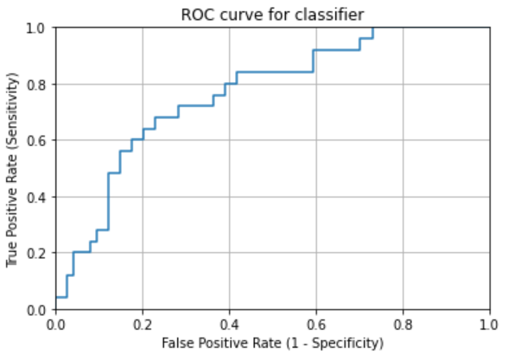
TCGA-BR-7707 | 0.91842105263 | TCGA-3M-AB46 | 0.019020172911
TCGA-BR-8284 | 0.70112866817 | TCGA-BR-6454 | 0.36102457598
TCGA-BR-8363 | 0.62138084633 | TCGA-BR-6455 | 0.42086330935
TCGA-BR-8487 | 0.70723684211 | TCGA-BR-6707 | 0.50490196078
TCGA-CD-A4MG | 0.044534412955 | TCGA-BR-7196 | 0.40828402367
TCGA-CD-A4MI | 0.3735725938 | TCGA-BR-7197 | 0.63663663664
TCGA-CD-A4MJ | 0.88928571429 | TCGA-BR-7716 | 0.34340991536
TCGA-CG-4306 | 0.73269689737 | TCGA-BR-7722 | 0.63308144416
TCGA-CG-4442 | 0.875 | TCGA-BR-7958 | 0.8433048433
TCGA-D7-A4YY | 0.28608115049 | TCGA-BR-8289 | 0.081411126187
TCGA-D7-A6EY | 0.32470201397 | TCGA-BR-8367 | 0.83333333333
TCGA-F1-6177 | 0.51935127165 | TCGA-BR-8369 | 0.013513513514
TCGA-F1-A448 | 0.058414464534 | TCGA-BR-8384 | 0.36904761905
TCGA-HJ-7597 | 0.5023255814 | TCGA-BR-8588 | 0.82828282828
TCGA-HU-A4G8 | 0.22832722833 | TCGA-BR-8589 | 0.59293394777
TCGA-HU-A4GN | 0.87142857143 | TCGA-BR-8680 | 0.8125
TCGA-HU-A4GT | 0.65427077281 | TCGA-BR-8682 | 0.19545454545
TCGA-HU-A4GU | 0.79751552795 | TCGA-BR-8687 | 0.56009070295
TCGA-HU-A4H8 | 0.994140625 | TCGA-BR-A4CS | 0.04704797048
TCGA-RD-A8NB | 0.12091179386 | TCGA-BR-A4IU | 0.028248587571
TCGA-SW-A7EA | 0.1064516129 | TCGA-BR-A4J6 | 0.30573248408
TCGA-VQ-A8E3 | 0.61882072662 | TCGA-BR-A4J7 | 0.041055718475
TCGA-VQ-A8PB | 0.65768463074 | TCGA-BR-A4PF | 0.3769883351
TCGA-VQ-A8PO | 0.81267874166 | TCGA-CD-5799 | 0.013157894737
TCGA-VQ-A91K | 0.57914640735 | TCGA-CD-8526 | 0.0053929121726
mean | 0.55982032593 | TCGA-CD-8529 | 0.15486725664
checkpoint-14 | 进行shuffle | TCGA-CD-8530 | 0.16883116883
right_num(total_num) | 17(25) | TCGA-CD-A48C | 0.0017094017094
MSI_images | 15204 | TCGA-CG-4301 | 0.16666666667
MSS_images | 12700 | TCGA-CG-4441 | 0.98518518519
acc_image_level | 0.545 | TCGA-CG-4444 | 0.98214285714
 |  | TCGA-CG-4474 | 0.028409090909
 |  | TCGA-D7-6519 | 0.12611464968
 |  | TCGA-D7-8570 | 0.35159961989
 |  | TCGA-D7-8575 | 0.19457676805
 |  | TCGA-D7-8579 | 0.1555411536
 |  | TCGA-D7-A4Z0 | 0.074164629177
 |  | TCGA-D7-A748 | 0.12374323279
 |  | TCGA-F1-A72C | 0.18040089087
 |  | TCGA-FP-7829 | 0.58426966292
 |  | TCGA-FP-8631 | 0.18927444795
 |  | TCGA-HF-7133 | 0.36273701566
 |  | TCGA-HU-8604 | 0.26031894934
 |  | TCGA-HU-8610 | 0.87735849057
 |  | TCGA-HU-A4G6 | 0.44971892567
 |  | TCGA-HU-A4GD | 0.22881355932
 |  | TCGA-HU-A4GH | 0.76848874598
 |  | TCGA-HU-A4GY | 0.34857142857
 |  | TCGA-HU-A4H0 | 0.017972193964
 |  | TCGA-KB-A6F7 | 0.32182835821
 |  | TCGA-MX-A663 | 0.16964285714
 |  | TCGA-MX-A666 | 0.015625
 |  | TCGA-R5-A7O7 | 0.012048192771
 |  | TCGA-R5-A7ZR | 0.55244755245
 |  | TCGA-RD-A8MV | 0.77481108312
 |  | TCGA-RD-A8N1 | 0.047355473555
 |  | TCGA-RD-A8N6 | 0.010978520286
 |  | TCGA-VQ-A8DT | 0.02900886382
 |  | TCGA-VQ-A8PC | 0.16395864106
 |  | TCGA-VQ-A8PD | 0.1874180865
 |  | TCGA-VQ-A8PE | 0.066115702479
 |  | TCGA-VQ-A8PF | 0.50308082639
 |  | TCGA-VQ-A8PJ | 0.061938061938
 |  | TCGA-VQ-A91A | 0.020257826888
 |  | TCGA-VQ-A91V | 0.028334786399
 |  | TCGA-VQ-A91Z | 0.078512396694
image level |  | TCGA-VQ-A923 | 0.042232277526
accuracy in MSIMUT | 0.545(15204/27904) | TCGA-VQ-A925 | 0.013448607109
accuracy in MSS | 0.764(68842/90104) | TCGA-VQ-A927 | 0.013591217982
accuracy(image level) | 0.712 | TCGA-VQ-A94U | 0.0050779833152
 |  | TCGA-VQ-AA68 | 0.08325297332
patient level |  | TCGA-VQ-AA69 | 0.088741721854
accuracy in MSIMUT | 0.680(17/25) | TCGA-VQ-AA6A | 0.021099744246
accuracy in MSS | 0.770(57/74) | TCGA-VQ-AA6G | 0.10538827258
accuracy(patient level) | 0.747 | mean | 0.27665391108
 |  | mobilenetv2-checkpoint-4-shuffle | 进行shuffle
average vote score(MSIMUT) | 0.560 | right_num(total_num) | 57(74)
average vote score(MSS) | 0.277 | MSI_images | 21262
 |  | MSS_images | 68842
AUC | 0.76378378378 | acc_image_level | 0.764

