method2-1
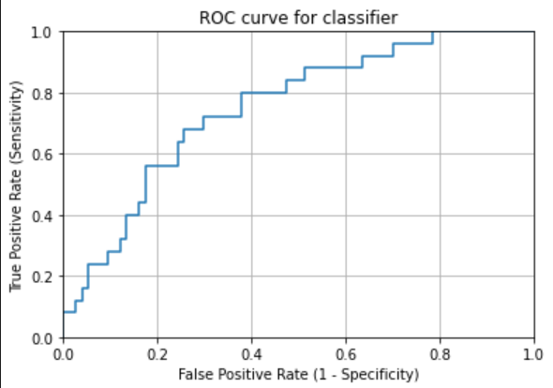
TCGA-BR-7707 | 0.95087719298 | TCGA-3M-AB46 | 0.075504322767
TCGA-BR-8284 | 0.88261851016 | TCGA-BR-6454 | 0.26652821045
TCGA-BR-8363 | 0.98886414254 | TCGA-BR-6455 | 0.61690647482
TCGA-BR-8487 | 0.64802631579 | TCGA-BR-6707 | 0.67557932264
TCGA-CD-A4MG | 0.091767881242 | TCGA-BR-7196 | 0.46153846154
TCGA-CD-A4MI | 0.55954323002 | TCGA-BR-7197 | 0.84984984985
TCGA-CD-A4MJ | 0.82857142857 | TCGA-BR-7716 | 0.46553808948
TCGA-CG-4306 | 0.68257756563 | TCGA-BR-7722 | 0.73131821998
TCGA-CG-4442 | 0.65625 | TCGA-BR-7958 | 0.89686609687
TCGA-D7-A4YY | 0.3374422188 | TCGA-BR-8289 | 0.21438263229
TCGA-D7-A6EY | 0.46485819975 | TCGA-BR-8367 | 0.83333333333
TCGA-F1-6177 | 0.32952451161 | TCGA-BR-8369 | 0.15540540541
TCGA-F1-A448 | 0.062586926287 | TCGA-BR-8384 | 0.41666666667
TCGA-HJ-7597 | 0.51782945736 | TCGA-BR-8588 | 0.94949494949
TCGA-HU-A4G8 | 0.23443223443 | TCGA-BR-8589 | 0.69892473118
TCGA-HU-A4GN | 0.92 | TCGA-BR-8680 | 0.84134615385
TCGA-HU-A4GT | 0.75595583963 | TCGA-BR-8682 | 0.35454545455
TCGA-HU-A4GU | 0.77391304348 | TCGA-BR-8687 | 0.78684807256
TCGA-HU-A4H8 | 0.98828125 | TCGA-BR-A4CS | 0.31457564576
TCGA-RD-A8NB | 0.038652130823 | TCGA-BR-A4IU | 0.028248587571
TCGA-SW-A7EA | 0.73548387097 | TCGA-BR-A4J6 | 0.12101910828
TCGA-VQ-A8E3 | 0.20488385944 | TCGA-BR-A4J7 | 0.052785923754
TCGA-VQ-A8PB | 0.67315369261 | TCGA-BR-A4PF | 0.12327677625
TCGA-VQ-A8PO | 0.85319351764 | TCGA-CD-5799 | 0.026315789474
TCGA-VQ-A91K | 0.53808752026 | TCGA-CD-8526 | 0.0084745762712
mean | 0.5886949816 | TCGA-CD-8529 | 0.048672566372
checkpoint-14 | 进行shuffle | TCGA-CD-8530 | 0.14285714286
right_num(total_num) | 17(25) | TCGA-CD-A48C | 0.0034188034188
MSI_images | 15444 | TCGA-CG-4301 | 0
MSS_images | 12460 | TCGA-CG-4441 | 0.95555555556
acc_image_level | 0.553 | TCGA-CG-4444 | 0.46428571429
 |  | TCGA-CG-4474 | 0.022727272727
 |  | TCGA-D7-6519 | 0.11592356688
 |  | TCGA-D7-8570 | 0.31802343997
 |  | TCGA-D7-8575 | 0.26126786369
 |  | TCGA-D7-8579 | 0.26441996111
 |  | TCGA-D7-A4Z0 | 0.1434392828
 |  | TCGA-D7-A748 | 0.50270688322
 |  | TCGA-F1-A72C | 0.077394209354
 |  | TCGA-FP-7829 | 0.77153558052
 |  | TCGA-FP-8631 | 0.56782334385
 |  | TCGA-HF-7133 | 0.57873042045
 |  | TCGA-HU-8604 | 0.27204502814
 |  | TCGA-HU-8610 | 0.97641509434
 |  | TCGA-HU-A4G6 | 0.57713928795
 |  | TCGA-HU-A4GD | 0.47457627119
 |  | TCGA-HU-A4GH | 0.78778135048
 |  | TCGA-HU-A4GY | 0.43428571429
 |  | TCGA-HU-A4H0 | 0.044421837911
 |  | TCGA-KB-A6F7 | 0.2322761194
 |  | TCGA-MX-A663 | 0.35714285714
 |  | TCGA-MX-A666 | 0.088541666667
 |  | TCGA-R5-A7O7 | 0.05421686747
 |  | TCGA-R5-A7ZR | 0.53146853147
 |  | TCGA-RD-A8MV | 0.62518891688
 |  | TCGA-RD-A8N1 | 0.015990159902
 |  | TCGA-RD-A8N6 | 0.030548926014
 |  | TCGA-VQ-A8DT | 0.033843674456
 |  | TCGA-VQ-A8PC | 0.16248153619
 |  | TCGA-VQ-A8PD | 0.26343381389
 |  | TCGA-VQ-A8PE | 0.053128689492
 |  | TCGA-VQ-A8PF | 0.095686843059
 |  | TCGA-VQ-A8PJ | 0.012987012987
 |  | TCGA-VQ-A91A | 0.011049723757
 |  | TCGA-VQ-A91V | 0.04577157803
 |  | TCGA-VQ-A91Z | 0.068870523416
image level |  | TCGA-VQ-A923 | 0.03544494721
accuracy in MSIMUT | 0.553(15444/27904) | TCGA-VQ-A925 | 0.016330451489
accuracy in MSS | 0.756(68135/90104) | TCGA-VQ-A927 | 0.010454783063
accuracy(image level) | 0.708 | TCGA-VQ-A94U | 0.0036271309394
 |  | TCGA-VQ-AA68 | 0.11828993893
patient level |  | TCGA-VQ-AA69 | 0.072847682119
accuracy in MSIMUT | 0.680(17/25) | TCGA-VQ-AA6A | 0.016624040921
accuracy in MSS | 0.730(54/74) | TCGA-VQ-AA6G | 0.23296354992
accuracy(patient level) | 0.717 | mean | 0.31026931096
 |  | checkpoint-14 | 进行shuffle
average vote score(MSIMUT) | 0.589 | right_num(total_num) | 54(74)
average vote score(MSS) | 0.310 | MSI_images | 21969
 |  | MSS_images | 68135
AUC | 0.750 | acc_image_level | 0.756

method2-2
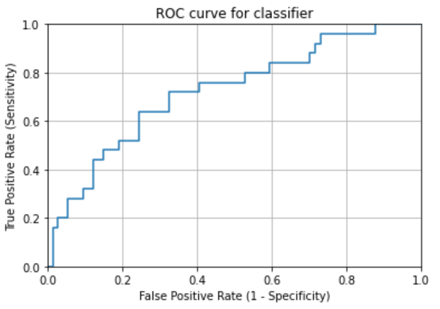
TCGA-BR-7707 | 0.93245614035 | TCGA-3M-AB46 | 0.11066282421
TCGA-BR-8284 | 0.81534988713 | TCGA-BR-6454 | 0.47386638975
TCGA-BR-8363 | 0.81959910913 | TCGA-BR-6455 | 0.61690647482
TCGA-BR-8487 | 0.71710526316 | TCGA-BR-6707 | 0.57664884135
TCGA-CD-A4MG | 0.08367071525 | TCGA-BR-7196 | 0.2426035503
TCGA-CD-A4MI | 0.51386623165 | TCGA-BR-7197 | 0.82582582583
TCGA-CD-A4MJ | 0.75357142857 | TCGA-BR-7716 | 0.50423216445
TCGA-CG-4306 | 0.41527446301 | TCGA-BR-7722 | 0.49958018472
TCGA-CG-4442 | 0.8984375 | TCGA-BR-7958 | 0.83760683761
TCGA-D7-A4YY | 0.50898818695 | TCGA-BR-8289 | 0.26322930801
TCGA-D7-A6EY | 0.16605014386 | TCGA-BR-8367 | 0.66666666667
TCGA-F1-6177 | 0.26133431626 | TCGA-BR-8369 | 0.087837837838
TCGA-F1-A448 | 0.090403337969 | TCGA-BR-8384 | 0.41666666667
TCGA-HJ-7597 | 0.65891472868 | TCGA-BR-8588 | 0.75757575758
TCGA-HU-A4G8 | 0.095238095238 | TCGA-BR-8589 | 0.60368663594
TCGA-HU-A4GN | 0.88285714286 | TCGA-BR-8680 | 0.77884615385
TCGA-HU-A4GT | 0.61127251598 | TCGA-BR-8682 | 0.29090909091
TCGA-HU-A4GU | 0.71677018634 | TCGA-BR-8687 | 0.69501133787
TCGA-HU-A4H8 | 0.986328125 | TCGA-BR-A4CS | 0.19833948339
TCGA-RD-A8NB | 0.026759167493 | TCGA-BR-A4IU | 0.045197740113
TCGA-SW-A7EA | 0.14838709677 | TCGA-BR-A4J6 | 0.34713375796
TCGA-VQ-A8E3 | 0.41512805241 | TCGA-BR-A4J7 | 0.041055718475
TCGA-VQ-A8PB | 0.51497005988 | TCGA-BR-A4PF | 0.21633085896
TCGA-VQ-A8PO | 0.85795996187 | TCGA-CD-5799 | 0.026315789474
TCGA-VQ-A91K | 0.69529983793 | TCGA-CD-8526 | 0.020030816641
mean | 0.54343966775 | TCGA-CD-8529 | 0.11061946903
checkpoint-14 | 进行shuffle | TCGA-CD-8530 | 0.15584415584
right_num(total_num) | 16(25) | TCGA-CD-A48C | 0.0068376068376
MSI_images | 14336 | TCGA-CG-4301 | 0.033333333333
MSS_images | 13568 | TCGA-CG-4441 | 0.86666666667
acc_image_level | 0.514 | TCGA-CG-4444 | 1
 |  | TCGA-CG-4474 | 0.011363636364
 |  | TCGA-D7-6519 | 0.10732484076
 |  | TCGA-D7-8570 | 0.23059866962
 |  | TCGA-D7-8575 | 0.23635031147
 |  | TCGA-D7-8579 | 0.10239792612
 |  | TCGA-D7-A4Z0 | 0.13202933985
 |  | TCGA-D7-A748 | 0.29930394432
 |  | TCGA-F1-A72C | 0.1653674833
 |  | TCGA-FP-7829 | 0.7265917603
 |  | TCGA-FP-8631 | 0.22082018927
 |  | TCGA-HF-7133 | 0.62819455894
 |  | TCGA-HU-8604 | 0.16463414634
 |  | TCGA-HU-8610 | 0.77830188679
 |  | TCGA-HU-A4G6 | 0.51530293567
 |  | TCGA-HU-A4GD | 0.16101694915
 |  | TCGA-HU-A4GH | 0.59807073955
 |  | TCGA-HU-A4GY | 0.41714285714
 |  | TCGA-HU-A4H0 | 0.012885723974
 |  | TCGA-KB-A6F7 | 0.23880597015
 |  | TCGA-MX-A663 | 0.41964285714
 |  | TCGA-MX-A666 | 0.09375
 |  | TCGA-R5-A7O7 | 0.066265060241
 |  | TCGA-R5-A7ZR | 0.61538461538
 |  | TCGA-RD-A8MV | 0.73803526448
 |  | TCGA-RD-A8N1 | 0.16236162362
 |  | TCGA-RD-A8N6 | 0.020525059666
 |  | TCGA-VQ-A8DT | 0.067687348912
 |  | TCGA-VQ-A8PC | 0.25258493353
 |  | TCGA-VQ-A8PD | 0.31323722149
 |  | TCGA-VQ-A8PE | 0.11097992916
 |  | TCGA-VQ-A8PF | 0.28669807901
 |  | TCGA-VQ-A8PJ | 0.045954045954
 |  | TCGA-VQ-A91A | 0.020257826888
 |  | TCGA-VQ-A91V | 0.067567567568
 |  | TCGA-VQ-A91Z | 0.070936639118
image level |  | TCGA-VQ-A923 | 0.077677224736
accuracy in MSIMUT | 0.514(14336/27904) | TCGA-VQ-A925 | 0.027857829011
accuracy in MSS | 0.756(67349/90104) | TCGA-VQ-A927 | 0.010977522216
accuracy(image level) | 0.692 | TCGA-VQ-A94U | 0.0083424011607
 |  | TCGA-VQ-AA68 | 0.1337190614
patient level |  | TCGA-VQ-AA69 | 0.13708609272
accuracy in MSIMUT | 0.640(16/25) | TCGA-VQ-AA6A | 0.047953964194
accuracy in MSS | 0.743(55/74) | TCGA-VQ-AA6G | 0.21315372425
accuracy(patient level) | 0.717 | mean | 0.29825956359
 |  | checkpoint-14 | 进行shuffle
average vote score(MSIMUT) | 0.543 | right_num(total_num) | 55(74)
average vote score(MSS) | 0.298 | MSI_images | 22755
 |  | MSS_images | 67349
AUC | 0.723 | acc_image_level | 0.747

method2-3
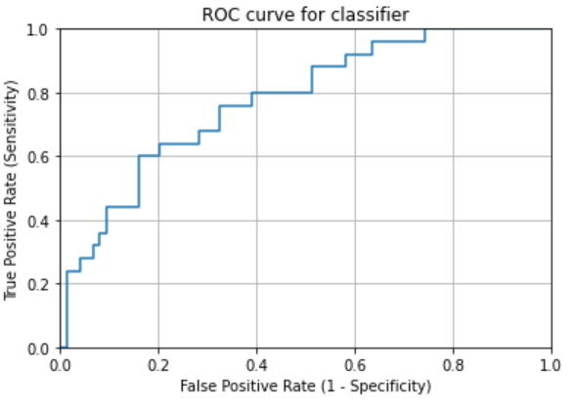
TCGA-BR-7707 | 0.89824561404 | TCGA-3M-AB46 | 0.45014409222
TCGA-BR-8284 | 0.82663656885 | TCGA-BR-6454 | 0.60747663551
TCGA-BR-8363 | 0.8864142539 | TCGA-BR-6455 | 0.76258992806
TCGA-BR-8487 | 0.55921052632 | TCGA-BR-6707 | 0.71345811052
TCGA-CD-A4MG | 0.11875843455 | TCGA-BR-7196 | 0.52071005917
TCGA-CD-A4MI | 0.38662316476 | TCGA-BR-7197 | 0.52852852853
TCGA-CD-A4MJ | 0.82142857143 | TCGA-BR-7716 | 0.52478839178
TCGA-CG-4306 | 0.70883054893 | TCGA-BR-7722 | 0.61796809404
TCGA-CG-4442 | 0.765625 | TCGA-BR-7958 | 0.79202279202
TCGA-D7-A4YY | 0.38058551618 | TCGA-BR-8289 | 0.23677069199
TCGA-D7-A6EY | 0.53596383066 | TCGA-BR-8367 | 0.33333333333
TCGA-F1-6177 | 0.55547364541 | TCGA-BR-8369 | 0.087837837838
TCGA-F1-A448 | 0.15716272601 | TCGA-BR-8384 | 0.42857142857
TCGA-HJ-7597 | 0.66511627907 | TCGA-BR-8588 | 0.89898989899
TCGA-HU-A4G8 | 0.18070818071 | TCGA-BR-8589 | 0.47311827957
TCGA-HU-A4GN | 0.71714285714 | TCGA-BR-8680 | 0.74278846154
TCGA-HU-A4GT | 0.43114468332 | TCGA-BR-8682 | 0.60454545455
TCGA-HU-A4GU | 0.24223602484 | TCGA-BR-8687 | 0.59070294785
TCGA-HU-A4H8 | 0.841796875 | TCGA-BR-A4CS | 0.57933579336
TCGA-RD-A8NB | 0.25074331021 | TCGA-BR-A4IU | 0.32768361582
TCGA-SW-A7EA | 0.83870967742 | TCGA-BR-A4J6 | 0.28025477707
TCGA-VQ-A8E3 | 0.34067897558 | TCGA-BR-A4J7 | 0.39589442815
TCGA-VQ-A8PB | 0.56387225549 | TCGA-BR-A4PF | 0.37195121951
TCGA-VQ-A8PO | 0.62106768351 | TCGA-CD-5799 | 0.092105263158
TCGA-VQ-A91K | 0.52566180443 | TCGA-CD-8526 | 0.19106317411
mean | 0.55279348031 | TCGA-CD-8529 | 0.13274336283
checkpoint-14 | 进行shuffle | TCGA-CD-8530 | 0.090909090909
right_num(total_num) | 16(25) | TCGA-CD-A48C | 0.049572649573
MSI_images | 14725 | TCGA-CG-4301 | 0.033333333333
MSS_images | 13179 | TCGA-CG-4441 | 0.68148148148
acc_image_level | 0.528 | TCGA-CG-4444 | 0.26785714286
 |  | TCGA-CG-4474 | 0.3125
 |  | TCGA-D7-6519 | 0.08025477707
 |  | TCGA-D7-8570 | 0.46151409566
 |  | TCGA-D7-8575 | 0.14437522902
 |  | TCGA-D7-8579 | 0.16785482826
 |  | TCGA-D7-A4Z0 | 0.17440912795
 |  | TCGA-D7-A748 | 0.36349574633
 |  | TCGA-F1-A72C | 0.11469933185
 |  | TCGA-FP-7829 | 0.47565543071
 |  | TCGA-FP-8631 | 0.18296529968
 |  | TCGA-HF-7133 | 0.52844187964
 |  | TCGA-HU-8604 | 0.34240150094
 |  | TCGA-HU-8610 | 0.80188679245
 |  | TCGA-HU-A4G6 | 0.42910680824
 |  | TCGA-HU-A4GD | 0.15254237288
 |  | TCGA-HU-A4GH | 0.53054662379
 |  | TCGA-HU-A4GY | 0.26857142857
 |  | TCGA-HU-A4H0 | 0.079688029841
 |  | TCGA-KB-A6F7 | 0.37873134328
 |  | TCGA-MX-A663 | 0.10714285714
 |  | TCGA-MX-A666 | 0.026041666667
 |  | TCGA-R5-A7O7 | 0.30120481928
 |  | TCGA-R5-A7ZR | 0.16783216783
 |  | TCGA-RD-A8MV | 0.31738035264
 |  | TCGA-RD-A8N1 | 0.18265682657
 |  | TCGA-RD-A8N6 | 0.1661097852
 |  | TCGA-VQ-A8DT | 0.07574536664
 |  | TCGA-VQ-A8PC | 0.1329394387
 |  | TCGA-VQ-A8PD | 0.13499344692
 |  | TCGA-VQ-A8PE | 0.048406139315
 |  | TCGA-VQ-A8PF | 0.34396520478
 |  | TCGA-VQ-A8PJ | 0.012987012987
 |  | TCGA-VQ-A91A | 0.042357274401
 |  | TCGA-VQ-A91V | 0.05754141238
 |  | TCGA-VQ-A91Z | 0.30509641873
image level |  | TCGA-VQ-A923 | 0.12028657617
accuracy in MSIMUT | 0.528(14725/27904) | TCGA-VQ-A925 | 0.069804674992
accuracy in MSS | 0.718(64665/90104) | TCGA-VQ-A927 | 0.11918452692
accuracy(image level) | 0.673 | TCGA-VQ-A94U | 0.012694958288
 |  | TCGA-VQ-AA68 | 0.13307618129
patient level |  | TCGA-VQ-AA69 | 0.072847682119
accuracy in MSIMUT | 0.640(16/25) | TCGA-VQ-AA6A | 0.023017902813
accuracy in MSS | 0.770(57/74) | TCGA-VQ-AA6G | 0.21236133122
accuracy(patient level) | 0.737 | mean | 0.30518709417
 |  | checkpoint-14 | 进行shuffle
average vote score(MSIMUT) | 0.553 | right_num(total_num) | 57(74)
average vote score(MSS) | 0.305 | MSI_images | 25439
 |  | MSS_images | 64665
AUC | 0.775 | acc_image_level | 0.718

