method2
TCGA-A6-2686 | 0.25550660793 | TCGA-A6-2685 | 0.17708333333
TCGA-AA-3833 | 0.47854785479 | TCGA-A6-3807 | 0.31158238173
TCGA-AA-3877 | 0.72123893805 | TCGA-A6-5657 | 0.1821192053
TCGA-AA-3950 | 0.65551181102 | TCGA-A6-5662 | 0.098434004474
TCGA-AA-3966 | 0.8337236534 | TCGA-A6-6137 | 0.12142358688
TCGA-AD-5900 | 0.71745152355 | TCGA-AA-3678 | 0.6171875
TCGA-AD-6964 | 0.64981949458 | TCGA-AA-3679 | 0.34352517986
TCGA-AD-A5EJ | 0.78895463511 | TCGA-AA-3681 | 0.5523255814
TCGA-AY-6197 | 0.87559808612 | TCGA-AA-3814 | 0.17446808511
TCGA-AZ-4615 | 0.68064358849 | TCGA-AA-3818 | 0.086879432624
TCGA-AZ-6598 | 0.32662192394 | TCGA-AA-3837 | 0.16432865731
TCGA-AZ-6601 | 0.24155513066 | TCGA-AA-3848 | 0.23982869379
TCGA-CK-4951 | 0.4375 | TCGA-AA-3851 | 0.32505175983
TCGA-CK-6746 | 0.76661197703 | TCGA-AA-3856 | 0.33072713057
TCGA-CK-6747 | 0.090651558074 | TCGA-AA-3875 | 0.26351351351
TCGA-CM-4743 | 0.45792322835 | TCGA-AA-3968 | 0.40865384615
TCGA-D5-6530 | 0.44315619968 | TCGA-AA-A02F | 0.42034405385
TCGA-D5-6540 | 0.16811594203 | TCGA-AA-A02O | 0.18452380952
TCGA-D5-6928 | 0.6375 | TCGA-AA-A03F | 0.013986013986
TCGA-G4-6302 | 0.63967611336 | TCGA-AY-A71X | 0.61957077159
TCGA-G4-6309 | 0.93333333333 | TCGA-AY-A8YK | 0.32912391476
TCGA-G4-6586 | 0.51506849315 | TCGA-AZ-4315 | 0.10420560748
TCGA-G4-6588 | 0.79732313576 | TCGA-AZ-6599 | 0.080932784636
TCGA-WS-AB45 | 0.28862973761 | TCGA-AZ-6600 | 0.28254847645
TCGA-AG-A02N | 0.18979591837 | TCGA-CA-5255 | 0.020933977456
TCGA-DC-6154 | 0.2032 | TCGA-CA-5256 | 0.021712907117
mean | 0.53052534171 | TCGA-CA-6716 | 0.074157303371
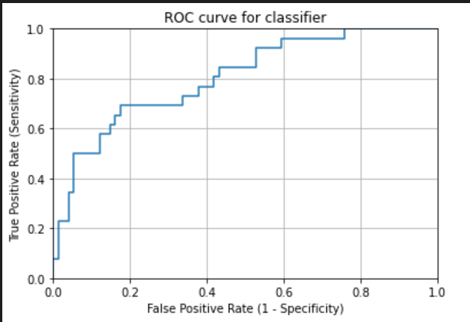
 |  | TCGA-CK-4950 | 0.16240601504
 |  | TCGA-CM-5862 | 0.46974885845
 |  | TCGA-CM-5864 | 0.45633187773
 |  | TCGA-CM-5868 | 0.33367715317
 |  | TCGA-CM-6167 | 0.57733428368
 |  | TCGA-CM-6172 | 0.4393638171
 |  | TCGA-D5-5537 | 0.24787180771
 |  | TCGA-D5-6536 | 0.018771331058
 |  | TCGA-D5-6537 | 0.061930783242
 |  | TCGA-DM-A1D7 | 0.12932330827
 |  | TCGA-DM-A1D9 | 0.33542713568
 |  | TCGA-DM-A28K | 0.16026165168
 |  | TCGA-F4-6460 | 0.041787790698
 |  | TCGA-F4-6809 | 0.2270155587
 |  | TCGA-G4-6306 | 0.35218508997
 |  | TCGA-G4-6311 | 0.35304990758
 |  | TCGA-G4-6315 | 0.064
 |  | TCGA-NH-A50T | 0.058797909408
 |  | TCGA-NH-A6GC | 0.16296296296
 |  | TCGA-AF-2687 | 0.21568627451
 |  | TCGA-AF-4110 | 0.22372372372
 |  | TCGA-AF-6136 | 0.11656441718
 |  | TCGA-AF-6672 | 0.28104575163
 |  | TCGA-AF-A56N | 0.23223570191
 |  | TCGA-AG-3726 | 0.42857142857
 |  | TCGA-AG-3727 | 0.74074074074
 |  | TCGA-AG-3881 | 0.83571428571
 |  | TCGA-AG-3887 | 0.15254237288
 |  | TCGA-AG-3892 | 0.18636363636
 |  | TCGA-AG-3896 | 0.07962962963
 |  | TCGA-AG-3898 | 0.36419753086
 |  | TCGA-AG-3901 | 0.13333333333
 |  | TCGA-AG-4015 | 0.12068965517
 |  | TCGA-AG-A016 | 0.22370936902
 |  | TCGA-AG-A02X | 0.047272727273
AUC | 0.766 | TCGA-AH-6544 | 0.2280431433
 |  | TCGA-AH-6643 | 0.38929889299
 |  | TCGA-CI-6624 | 0.0081300813008
 |  | TCGA-CL-5917 | 0.46365914787
 |  | TCGA-DC-4745 | 0.31176470588
 |  | TCGA-DC-6681 | 0.72156619018
 |  | TCGA-DC-6682 | 0.53432413305
 |  | TCGA-DC-6683 | 0.67212460064
 |  | TCGA-EI-6514 | 0.028892455859
 |  | TCGA-F5-6702 | 0.05585106383
 |  | TCGA-F5-6810 | 0.044662309368
 |  | TCGA-F5-6812 | 0.030805687204
 |  | mean | 0.25773732087

