method1
TCGA-A6-2686 | 0.47642538251 | TCGA-A6-2685 | 0.41370591489
TCGA-AA-3833 | 0.53339744983 | TCGA-A6-3807 | 0.35118115233
TCGA-AA-3877 | 0.65483860019 | TCGA-A6-5657 | 0.2319474974
TCGA-AA-3950 | 0.7368515959 | TCGA-A6-5662 | 0.20691131779
TCGA-AA-3966 | 0.77861539847 | TCGA-A6-6137 | 0.34142539716
TCGA-AD-5900 | 0.72049897342 | TCGA-AA-3678 | 0.60275786149
TCGA-AD-6964 | 0.6957385154 | TCGA-AA-3679 | 0.36200061526
TCGA-AD-A5EJ | 0.84852694328 | TCGA-AA-3681 | 0.64444256129
TCGA-AY-6197 | 0.47787421786 | TCGA-AA-3814 | 0.62009874982
TCGA-AZ-4615 | 0.50035382039 | TCGA-AA-3818 | 0.51439293967
TCGA-AZ-6598 | 0.53845953812 | TCGA-AA-3837 | 0.33165080916
TCGA-AZ-6601 | 0.28710396333 | TCGA-AA-3848 | 0.381802185
TCGA-CK-4951 | 0.34656381747 | TCGA-AA-3851 | 0.37774298789
TCGA-CK-6746 | 0.52180900772 | TCGA-AA-3856 | 0.51443175195
TCGA-CK-6747 | 0.26536647841 | TCGA-AA-3875 | 0.37982036246
TCGA-CM-4743 | 0.68754482367 | TCGA-AA-3968 | 0.64571598212
TCGA-D5-6530 | 0.58580546169 | TCGA-AA-A02F | 0.57869275124
TCGA-D5-6540 | 0.60269421146 | TCGA-AA-A02O | 0.30704286298
TCGA-D5-6928 | 0.59321646132 | TCGA-AA-A03F | 0.31635460379
TCGA-G4-6302 | 0.58054398121 | TCGA-AY-A71X | 0.55196841637
TCGA-G4-6309 | 0.67549023392 | TCGA-AY-A8YK | 0.319427741
TCGA-G4-6586 | 0.33019274039 | TCGA-AZ-4315 | 0.2707513364
TCGA-G4-6588 | 0.60899300349 | TCGA-AZ-6599 | 0.33046388936
TCGA-WS-AB45 | 0.50770538576 | TCGA-AZ-6600 | 0.36629532127
TCGA-AG-A02N | 0.40070490443 | TCGA-CA-5255 | 0.1942251162
TCGA-DC-6154 | 0.27012888656 | TCGA-CA-5256 | 0.13663778445
mean | 0.5471324537 | TCGA-CA-6716 | 0.20389742668
 |  | TCGA-CK-4950 | 0.25393813167
 |  | TCGA-CM-5862 | 0.40618099415
 |  | TCGA-CM-5864 | 0.21420301349
 |  | TCGA-CM-5868 | 0.33441557548
 |  | TCGA-CM-6167 | 0.41969585402
 |  | TCGA-CM-6172 | 0.58492971367
 |  | TCGA-D5-5537 | 0.35303847398
 |  | TCGA-D5-6536 | 0.24101489999
 |  | TCGA-D5-6537 | 0.22867145358
 |  | TCGA-DM-A1D7 | 0.35364456418
 |  | TCGA-DM-A1D9 | 0.50167107161
 |  | TCGA-DM-A28K | 0.35151598287
 |  | TCGA-F4-6460 | 0.32678007056
 |  | TCGA-F4-6809 | 0.32901928602
 |  | TCGA-G4-6306 | 0.36826054682
 |  | TCGA-G4-6311 | 0.37424628184
 |  | TCGA-G4-6315 | 0.33466808116
 |  | TCGA-NH-A50T | 0.23522955064
 |  | TCGA-NH-A6GC | 0.37063061215
 |  | TCGA-AF-2687 | 0.18275202147
 |  | TCGA-AF-4110 | 0.12036494215
 |  | TCGA-AF-6136 | 0.37464093591
 |  | TCGA-AF-6672 | 0.37551874305
 |  | TCGA-AF-A56N | 0.37890959747
 |  | TCGA-AG-3726 | 0.52915665976
 |  | TCGA-AG-3727 | 0.63462402202
 |  | TCGA-AG-3881 | 0.84359479089
 |  | TCGA-AG-3887 | 0.52146409398
 |  | TCGA-AG-3892 | 0.57794272043
 |  | TCGA-AG-3896 | 0.43337113454
 |  | TCGA-AG-3898 | 0.61896387636
 |  | TCGA-AG-3901 | 0.45561139786
 |  | TCGA-AG-4015 | 0.4592967148
 |  | TCGA-AG-A016 | 0.42830998501
 |  | TCGA-AG-A02X | 0.54577777505
AUC | 0.765 | TCGA-AH-6544 | 0.40835125338
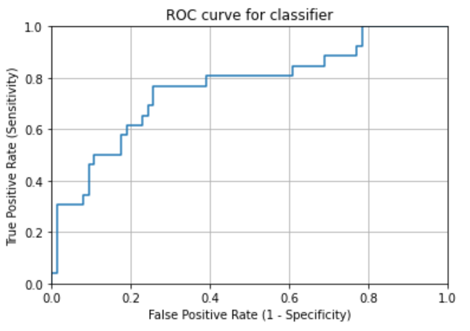
 |  | TCGA-AH-6643 | 0.55796746453
 |  | TCGA-CI-6624 | 0.31308175932
 |  | TCGA-CL-5917 | 0.33103776047
 |  | TCGA-DC-4745 | 0.37650430399
 |  | TCGA-DC-6681 | 0.46451253707
 |  | TCGA-DC-6682 | 0.49220457653
 |  | TCGA-DC-6683 | 0.44469856547
 |  | TCGA-EI-6514 | 0.15954694089
 |  | TCGA-F5-6702 | 0.19224957254
 |  | TCGA-F5-6810 | 0.16333217504
 |  | TCGA-F5-6812 | 0.23844428786
 |  | mean | 0.3878347311

method2
TCGA-A6-2686 | 0.44787077827 | TCGA-A6-2685 | 0.31770833333
TCGA-AA-3833 | 0.56765676568 | TCGA-A6-3807 | 0.28384991843
TCGA-AA-3877 | 0.77876106195 | TCGA-A6-5657 | 0.08940397351
TCGA-AA-3950 | 0.92125984252 | TCGA-A6-5662 | 0.082774049217
TCGA-AA-3966 | 0.92154566745 | TCGA-A6-6137 | 0.25680390789
TCGA-AD-5900 | 0.82825484765 | TCGA-AA-3678 | 0.7265625
TCGA-AD-6964 | 0.82912154031 | TCGA-AA-3679 | 0.25179856115
TCGA-AD-A5EJ | 0.94674556213 | TCGA-AA-3681 | 0.82945736434
TCGA-AY-6197 | 0.44641148325 | TCGA-AA-3814 | 0.75319148936
TCGA-AZ-4615 | 0.51389566065 | TCGA-AA-3818 | 0.55673758865
TCGA-AZ-6598 | 0.58277404922 | TCGA-AA-3837 | 0.2124248497
TCGA-AZ-6601 | 0.18164435946 | TCGA-AA-3848 | 0.27837259101
TCGA-CK-4951 | 0.29166666667 | TCGA-AA-3851 | 0.28778467909
TCGA-CK-6746 | 0.54429860541 | TCGA-AA-3856 | 0.51446442533
TCGA-CK-6747 | 0.16487252125 | TCGA-AA-3875 | 0.29279279279
TCGA-CM-4743 | 0.7718996063 | TCGA-AA-3968 | 0.80528846154
TCGA-D5-6530 | 0.72012882448 | TCGA-AA-A02F | 0.66566940912
TCGA-D5-6540 | 0.70434782609 | TCGA-AA-A02O | 0.17976190476
TCGA-D5-6928 | 0.6875 | TCGA-AA-A03F | 0.14918414918
TCGA-G4-6302 | 0.64372469636 | TCGA-AY-A71X | 0.59504343383
TCGA-G4-6309 | 0.83333333333 | TCGA-AY-A8YK | 0.22573007103
TCGA-G4-6586 | 0.18493150685 | TCGA-AZ-4315 | 0.16355140187
TCGA-G4-6588 | 0.71319311663 | TCGA-AZ-6599 | 0.18381344307
TCGA-WS-AB45 | 0.53352769679 | TCGA-AZ-6600 | 0.26131117267
TCGA-AG-A02N | 0.29183673469 | TCGA-CA-5255 | 0.062801932367
TCGA-DC-6154 | 0.1712 | TCGA-CA-5256 | 0.05066344994
mean | 0.58547702898 | TCGA-CA-6716 | 0.083146067416
 |  | TCGA-CK-4950 | 0.13834586466
 |  | TCGA-CM-5862 | 0.32305936073
 |  | TCGA-CM-5864 | 0.11026200873
 |  | TCGA-CM-5868 | 0.21918514698
 |  | TCGA-CM-6167 | 0.33285816108
 |  | TCGA-CM-6172 | 0.65208747515
 |  | TCGA-D5-5537 | 0.21482223335
 |  | TCGA-D5-6536 | 0.063139931741
 |  | TCGA-D5-6537 | 0.094717668488
 |  | TCGA-DM-A1D7 | 0.23759398496
 |  | TCGA-DM-A1D9 | 0.49309045226
 |  | TCGA-DM-A28K | 0.241210139
 |  | TCGA-F4-6460 | 0.22492732558
 |  | TCGA-F4-6809 | 0.1973125884
 |  | TCGA-G4-6306 | 0.26735218509
 |  | TCGA-G4-6311 | 0.30868761553
 |  | TCGA-G4-6315 | 0.184
 |  | TCGA-NH-A50T | 0.13327526132
 |  | TCGA-NH-A6GC | 0.27407407407
 |  | TCGA-AF-2687 | 0.10196078431
 |  | TCGA-AF-4110 | 0.04954954955
 |  | TCGA-AF-6136 | 0.27607361963
 |  | TCGA-AF-6672 | 0.24183006536
 |  | TCGA-AF-A56N | 0.2547660312
 |  | TCGA-AG-3726 | 0.62857142857
 |  | TCGA-AG-3727 | 0.88888888889
 |  | TCGA-AG-3881 | 0.96428571429
 |  | TCGA-AG-3887 | 0.55084745763
 |  | TCGA-AG-3892 | 0.64545454545
 |  | TCGA-AG-3896 | 0.34259259259
 |  | TCGA-AG-3898 | 0.73765432099
 |  | TCGA-AG-3901 | 0.4
 |  | TCGA-AG-4015 | 0.39655172414
 |  | TCGA-AG-A016 | 0.37284894837
 |  | TCGA-AG-A02X | 0.59636363636
AUC | 0.766 | TCGA-AH-6544 | 0.35130970724
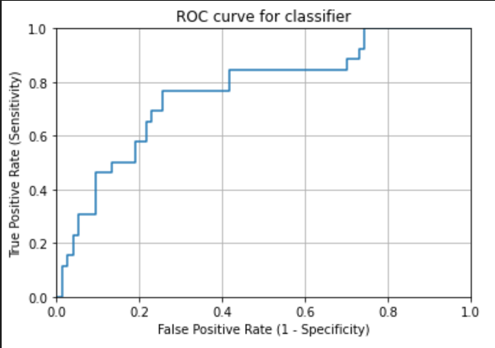
 |  | TCGA-AH-6643 | 0.61070110701
 |  | TCGA-CI-6624 | 0.13821138211
 |  | TCGA-CL-5917 | 0.19381787803
 |  | TCGA-DC-4745 | 0.26911764706
 |  | TCGA-DC-6681 | 0.42573026725
 |  | TCGA-DC-6682 | 0.4805378627
 |  | TCGA-DC-6683 | 0.38698083067
 |  | TCGA-EI-6514 | 0.044943820225
 |  | TCGA-F5-6702 | 0.061170212766
 |  | TCGA-F5-6810 | 0.052287581699
 |  | TCGA-F5-6812 | 0.13902053712
 |  | mean | 0.33070488566

