method2
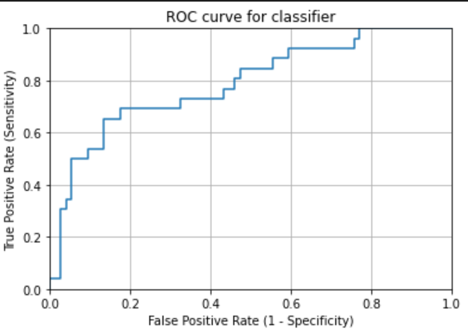
TCGA-A6-2686 | 0.34214390602 | TCGA-A6-2685 | 0.17708333333
TCGA-AA-3833 | 0.41584158416 | TCGA-A6-3807 | 0.14192495922
TCGA-AA-3877 | 0.54646017699 | TCGA-A6-5657 | 0.10927152318
TCGA-AA-3950 | 0.80708661417 | TCGA-A6-5662 | 0.18120805369
TCGA-AA-3966 | 0.96838407494 | TCGA-A6-6137 | 0.10816468946
TCGA-AD-5900 | 0.41274238227 | TCGA-AA-3678 | 0.078125
TCGA-AD-6964 | 0.56317689531 | TCGA-AA-3679 | 0.1618705036
TCGA-AD-A5EJ | 0.67850098619 | TCGA-AA-3681 | 0.25775193798
TCGA-AY-6197 | 0.44210526316 | TCGA-AA-3814 | 0.43404255319
TCGA-AZ-4615 | 0.36177474403 | TCGA-AA-3818 | 0.22872340426
TCGA-AZ-6598 | 0.32997762864 | TCGA-AA-3837 | 0.10420841683
TCGA-AZ-6601 | 0.35818992989 | TCGA-AA-3848 | 0.26124197002
TCGA-CK-4951 | 0.3875 | TCGA-AA-3851 | 0.29606625259
TCGA-CK-6746 | 0.14643150123 | TCGA-AA-3856 | 0.33307271306
TCGA-CK-6747 | 0.096883852691 | TCGA-AA-3875 | 0.23423423423
TCGA-CM-4743 | 0.53026574803 | TCGA-AA-3968 | 0.52644230769
TCGA-D5-6530 | 0.18647342995 | TCGA-AA-A02F | 0.38294689604
TCGA-D5-6540 | 0.42898550725 | TCGA-AA-A02O | 0.022619047619
TCGA-D5-6928 | 0.1625 | TCGA-AA-A03F | 0.009324009324
TCGA-G4-6302 | 0.41700404858 | TCGA-AY-A71X | 0.40291262136
TCGA-G4-6309 | 0.575 | TCGA-AY-A8YK | 0.13022888713
TCGA-G4-6586 | 0.2301369863 | TCGA-AZ-4315 | 0.2238317757
TCGA-G4-6588 | 0.5621414914 | TCGA-AZ-6599 | 0.32853223594
TCGA-WS-AB45 | 0.19533527697 | TCGA-AZ-6600 | 0.20775623269
TCGA-AG-A02N | 0.20612244898 | TCGA-CA-5255 | 0.18357487923
TCGA-DC-6154 | 0.0904 | TCGA-CA-5256 | 0.051869722557
mean | 0.40159863374 | TCGA-CA-6716 | 0.20898876404
mobilenetv2-checkpoint-4-shuffle | mobilenetv2，进行shuffle | TCGA-CK-4950 | 0.094736842105
right_num(total_num) | 8(26) | TCGA-CM-5862 | 0.15525114155
MSI_images | 10308 | TCGA-CM-5864 | 0.1943231441
MSS_images | 18027 | TCGA-CM-5868 | 0.21557503868
acc_image_level | 0.364 | TCGA-CM-6167 | 0.07982893799
 |  | TCGA-CM-6172 | 0.23359840954
 |  | TCGA-D5-5537 | 0.17676514772
 |  | TCGA-D5-6536 | 0.058020477816
 |  | TCGA-D5-6537 | 0.054644808743
 |  | TCGA-DM-A1D7 | 0.16240601504
 |  | TCGA-DM-A1D9 | 0.30527638191
 |  | TCGA-DM-A28K | 0.085036794767
 |  | TCGA-F4-6460 | 0.028706395349
 |  | TCGA-F4-6809 | 0.14568599717
 |  | TCGA-G4-6306 | 0.38174807198
 |  | TCGA-G4-6311 | 0.32902033272
 |  | TCGA-G4-6315 | 0.112
 |  | TCGA-NH-A50T | 0.09712543554
 |  | TCGA-NH-A6GC | 0.11975308642
 |  | TCGA-AF-2687 | 0.12549019608
 |  | TCGA-AF-4110 | 0.055555555556
 |  | TCGA-AF-6136 | 0.25357873211
 |  | TCGA-AF-6672 | 0.22875816993
 |  | TCGA-AF-A56N | 0.19584055459
 |  | TCGA-AG-3726 | 0.4
 |  | TCGA-AG-3727 | 0.85185185185
 |  | TCGA-AG-3881 | 0.84047619048
 |  | TCGA-AG-3887 | 0.22033898305
 |  | TCGA-AG-3892 | 0.16818181818
 |  | TCGA-AG-3896 | 0.10740740741
 |  | TCGA-AG-3898 | 0.33487654321
 |  | TCGA-AG-3901 | 0.053333333333
 |  | TCGA-AG-4015 | 0.16256157635
 |  | TCGA-AG-A016 | 0.19694072658
 |  | TCGA-AG-A02X | 0.098181818182
 |  | TCGA-AH-6544 | 0.2218798151
 |  | TCGA-AH-6643 | 0.28413284133
 |  | TCGA-CI-6624 | 0.016260162602
 |  | TCGA-CL-5917 | 0.34085213033
image level |  | TCGA-DC-4745 | 0.073529411765
accuracy in MSIMUT | 0.364(10308/28335) | TCGA-DC-6681 | 0.39434431324
accuracy in MSS | 0.796(56185/70569) | TCGA-DC-6682 | 0.30644019816
accuracy(image level) | 0.672 | TCGA-DC-6683 | 0.37460063898
 |  | TCGA-EI-6514 | 0.013376136972
patient level |  | TCGA-F5-6702 | 0.070921985816
accuracy in MSIMUT | 0.308(8/26) | TCGA-F5-6810 | 0.041757443718
accuracy in MSS | 0.959(71/74) | TCGA-F5-6812 | 0.022116903633
accuracy(patient level) | 0.79 | mean | 0.20633925435
 |  | mobilenetv2-checkpoint-4-shuffle | mobilenetv2，进行shuffle
average vote score(MSIMUT) | 0.402 | right_num(total_num) | 71(74)
average vote score(MSS) | 0.206 | MSI_images | 14384
 |  | MSS_images | 56185
AUC | 0.78898128898 | acc_image_level | 0.796

