method2
TCGA-A6-2686 | 0.095447870778 | TCGA-A6-2685 | 0.21875
TCGA-AA-3833 | 0.15841584158 | TCGA-A6-3807 | 0.10929853181
TCGA-AA-3877 | 0.71238938053 | TCGA-A6-5657 | 0.05298013245
TCGA-AA-3950 | 0.94881889764 | TCGA-A6-5662 | 0.024608501119
TCGA-AA-3966 | 0.94145199063 | TCGA-A6-6137 | 0.1800418702
TCGA-AD-5900 | 0.6620498615 | TCGA-AA-3678 | 0.64453125
TCGA-AD-6964 | 0.76052948255 | TCGA-AA-3679 | 0.055755395683
TCGA-AD-A5EJ | 0.92307692308 | TCGA-AA-3681 | 0.4515503876
TCGA-AY-6197 | 0.42775119617 | TCGA-AA-3814 | 0.36170212766
TCGA-AZ-4615 | 0.46513895661 | TCGA-AA-3818 | 0.62234042553
TCGA-AZ-6598 | 0.44686800895 | TCGA-AA-3837 | 0.088176352705
TCGA-AZ-6601 | 0.24984066284 | TCGA-AA-3848 | 0.17987152034
TCGA-CK-4951 | 0.45277777778 | TCGA-AA-3851 | 0.31677018634
TCGA-CK-6746 | 0.26620180476 | TCGA-AA-3856 | 0.68725566849
TCGA-CK-6747 | 0.12974504249 | TCGA-AA-3875 | 0.39864864865
TCGA-CM-4743 | 0.63459645669 | TCGA-AA-3968 | 0.91346153846
TCGA-D5-6530 | 0.72657004831 | TCGA-AA-A02F | 0.50710545999
TCGA-D5-6540 | 0.26086956522 | TCGA-AA-A02O | 0.063095238095
TCGA-D5-6928 | 0.4375 | TCGA-AA-A03F | 0.032634032634
TCGA-G4-6302 | 0.81376518219 | TCGA-AY-A71X | 0.50306591722
TCGA-G4-6309 | 0.77916666667 | TCGA-AY-A8YK | 0.19652722968
TCGA-G4-6586 | 0.32876712329 | TCGA-AZ-4315 | 0.18785046729
TCGA-G4-6588 | 0.86806883365 | TCGA-AZ-6599 | 0.14334705075
TCGA-WS-AB45 | 0.7667638484 | TCGA-AZ-6600 | 0.39519852262
TCGA-AG-A02N | 0.040816326531 | TCGA-CA-5255 | 0.25603864734
TCGA-DC-6154 | 0.1 | TCGA-CA-5256 | 0.08082026538
mean | 0.51528414419 | TCGA-CA-6716 | 0.12584269663
 |  | TCGA-CK-4950 | 0.31428571429
 |  | TCGA-CM-5862 | 0.15353881279
 |  | TCGA-CM-5864 | 0.25818777293
 |  | TCGA-CM-5868 | 0.17122227953
 |  | TCGA-CM-6167 | 0.18959372773
 |  | TCGA-CM-6172 | 0.56163021869
 |  | TCGA-D5-5537 | 0.27240861292
 |  | TCGA-D5-6536 | 0.11092150171
 |  | TCGA-D5-6537 | 0.032786885246
 |  | TCGA-DM-A1D7 | 0.16691729323
 |  | TCGA-DM-A1D9 | 0.40829145729
 |  | TCGA-DM-A28K | 0.36713000818
 |  | TCGA-F4-6460 | 0.099563953488
 |  | TCGA-F4-6809 | 0.22206506365
 |  | TCGA-G4-6306 | 0.22879177378
 |  | TCGA-G4-6311 | 0.18299445471
 |  | TCGA-G4-6315 | 0.136
 |  | TCGA-NH-A50T | 0.078397212544
 |  | TCGA-NH-A6GC | 0.37407407407
 |  | TCGA-AF-2687 | 0.10980392157
 |  | TCGA-AF-4110 | 0.13513513514
 |  | TCGA-AF-6136 | 0.1554192229
 |  | TCGA-AF-6672 | 0.12418300654
 |  | TCGA-AF-A56N | 0.40554592721
 |  | TCGA-AG-3726 | 0.2
 |  | TCGA-AG-3727 | 0.85185185185
 |  | TCGA-AG-3881 | 0.98571428571
 |  | TCGA-AG-3887 | 0.77118644068
 |  | TCGA-AG-3892 | 0.56818181818
 |  | TCGA-AG-3896 | 0.2037037037
 |  | TCGA-AG-3898 | 0.84413580247
 |  | TCGA-AG-3901 | 0.83111111111
 |  | TCGA-AG-4015 | 0.27586206897
 |  | TCGA-AG-A016 | 0.20841300191
 |  | TCGA-AG-A02X | 0.85454545455
AUC | 0.766 | TCGA-AH-6544 | 0.24807395994
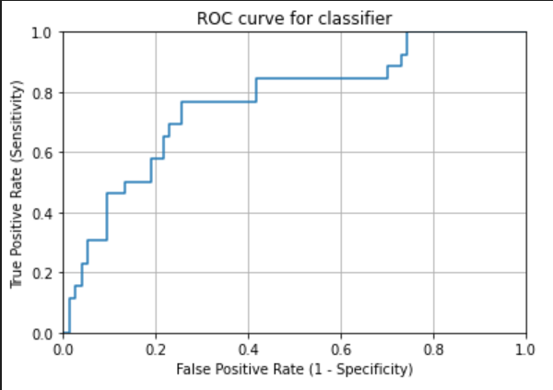
 |  | TCGA-AH-6643 | 0.22509225092
 |  | TCGA-CI-6624 | 0.09756097561
 |  | TCGA-CL-5917 | 0.13784461153
 |  | TCGA-DC-4745 | 0.19117647059
 |  | TCGA-DC-6681 | 0.81292728403
 |  | TCGA-DC-6682 | 0.39702760085
 |  | TCGA-DC-6683 | 0.45407348243
 |  | TCGA-EI-6514 | 0.024612092028
 |  | TCGA-F5-6702 | 0.038120567376
 |  | TCGA-F5-6810 | 0.058460421206
 |  | TCGA-F5-6812 | 0.045813586098
 |  | mean | 0.3024546613

