method1
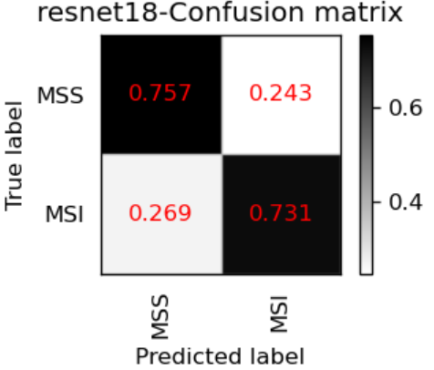
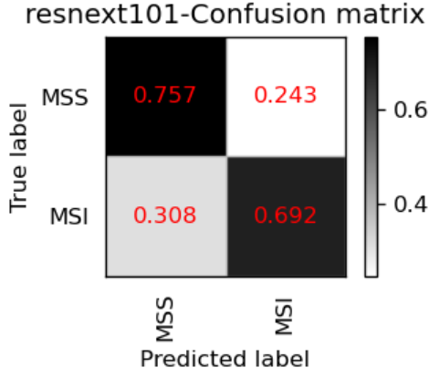
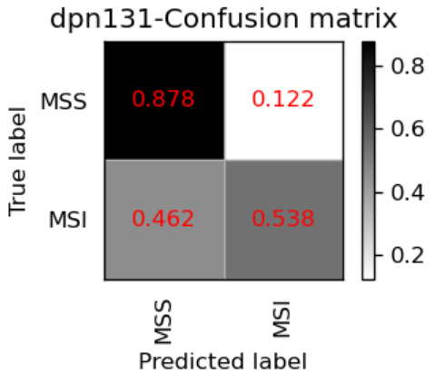
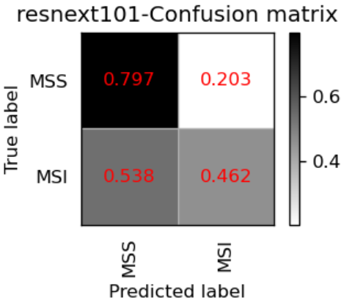
 | Resnet18 | MobilenetV2 | EfficientNet_b4 | dpn131 | resnext101_32x8d
acc on validation set | 0.605 | 0.623 | 0.579 | 0.628 | 0.623
image level
accuracy in MSIMUT | 0.613(17356/28335) | 0.511(14477/28335) | 0.557(15772/28335) | 0.508(14389/28335) | 0.485(13753/28335)
accuracy in MSS | 0.674(47638/70659) | 0.702(49575/70569) | 0.701(49450/70569) | 0.710(50129/70569) | 0.712(50248/70569)
accuracy(image level) | 0.657 | 0.648 | 0.659 | 0.652 | 0.647

patient level
accuracy in MSIMUT | 0.731(19/26) | 0.538(14/26) | 0.692(18/26) | 0.538(14/26) | 0.462(12/26)
accuracy in MSS | 0.757(56/74) | 0.797(59/74) | 0.757(56/74) | 0.878(65/74) | 0.797(59/74)
accuracy(patient level) | 0.75 | 0.73 | 0.74 | 0.79 | 0.71

average vote score(MSIMUT) | 0.581 | 0.52 | 0.547 | 0.531 | 0.515
average vote score(MSS) | 0.421 | 0.396 | 0.387 | 0.258 | 0.302

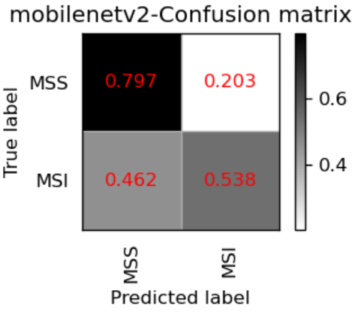
AUC | 0.783 | 0.710 | 0.765 | 0.804 | 0.711

method2
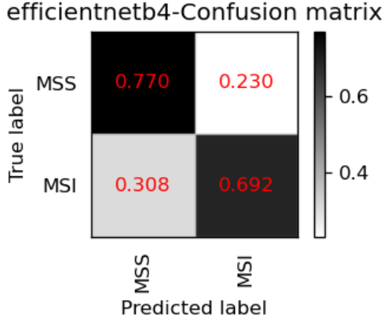
 | Resnet18 | MobilenetV2 | MobilenetV2_0904 | MobilenetV2_0925 | EfficientNet_b4 | dpn131 | resnext101_32x8d
acc on validation set | 0.605 | 0.623 | 0.629 | 0.594 | 0.579 | 0.628 | 0.623
image level
accuracy in MSIMUT | 0.613(17356/28335) | 0.511(14477/28335) | 0.519(14705/28335) | 0.364(10308/28335) | 0.557(15772/28335) | 0.508(14389/28335) | 0.485(13753/28335)
accuracy in MSS | 0.674(47638/70659) | 0.702(49575/70569) | 0.703(49638/70659) | 0.796(56185/70569) | 0.701(49450/70569) | 0.710(50129/70569) | 0.712(50248/70569)
accuracy(image level) | 0.657 | 0.648 | 0.65 | 0.672 | 0.659 | 0.652 | 0.647

patient level
accuracy in MSIMUT | 0.731(19/26) | 0.538(14/26) | 0.577(15/26) | 0.308(8/26) | 0.692(18/26) | 0.538(14/26) | 0.462(12/26)
accuracy in MSS | 0.757(56/74) | 0.797(59/74) | 0.811(60/74) | 0.959(71/74) | 0.770(57/74) | 0.878(65/74) | 0.797(59/74)
accuracy(patient level) | 0.75 | 0.73 | 0.75 | 0.79 | 0.75 | 0.79 | 0.71

average vote score(MSIMUT) | 0.639 | 0.54 | 0.555 | 0.402 | 0.585 | 0.531 | 0.515
average vote score(MSS) | 0.371 | 0.34 | 0.336 | 0.206 | 0.331 | 0.258 | 0.302

AUC | 0.795 | 0.716 | 0.741 | 0.78898128898 | 0.766 | 0.804 | 0.711

