method2-1
TCGA-BR-7707 | 0.94385964912 | TCGA-3M-AB46 | 0.050720461095
TCGA-BR-8284 | 0.6546275395 | TCGA-BR-6454 | 0.56213222568
TCGA-BR-8363 | 0.38307349666 | TCGA-BR-6455 | 0.50239808153
TCGA-BR-8487 | 0.74671052632 | TCGA-BR-6707 | 0.33065953654
TCGA-CD-A4MG | 0.014844804318 | TCGA-BR-7196 | 0.39644970414
TCGA-CD-A4MI | 0.33605220228 | TCGA-BR-7197 | 0.76876876877
TCGA-CD-A4MJ | 0.40714285714 | TCGA-BR-7716 | 0.47762998791
TCGA-CG-4306 | 0.52267303103 | TCGA-BR-7722 | 0.52896725441
TCGA-CG-4442 | 0.9140625 | TCGA-BR-7958 | 0.78689458689
TCGA-D7-A4YY | 0.33487416538 | TCGA-BR-8289 | 0.23066485753
TCGA-D7-A6EY | 0.071927661323 | TCGA-BR-8367 | 0.66666666667
TCGA-F1-6177 | 0.4183560634 | TCGA-BR-8369 | 0.027027027027
TCGA-F1-A448 | 0.094575799722 | TCGA-BR-8384 | 0.17857142857
TCGA-HJ-7597 | 0.3519379845 | TCGA-BR-8588 | 0.70707070707
TCGA-HU-A4G8 | 0.050061050061 | TCGA-BR-8589 | 0.24270353303
TCGA-HU-A4GN | 0.82 | TCGA-BR-8680 | 0.80048076923
TCGA-HU-A4GT | 0.57582800697 | TCGA-BR-8682 | 0.2
TCGA-HU-A4GU | 0.59130434783 | TCGA-BR-8687 | 0.65646258503
TCGA-HU-A4H8 | 0.978515625 | TCGA-BR-A4CS | 0.056273062731
TCGA-RD-A8NB | 0.00396432111 | TCGA-BR-A4IU | 0
TCGA-SW-A7EA | 0.074193548387 | TCGA-BR-A4J6 | 0.070063694268
TCGA-VQ-A8E3 | 0.039309112567 | TCGA-BR-A4J7 | 0.020527859238
TCGA-VQ-A8PB | 0.17964071856 | TCGA-BR-A4PF | 0.062831389183
TCGA-VQ-A8PO | 0.65872259295 | TCGA-CD-5799 | 0.013157894737
TCGA-VQ-A91K | 0.4224743382 | TCGA-CD-8526 | 0.0030816640986
mean | 0.42354927769 | TCGA-CD-8529 | 0.017699115044
checkpoint-14 | 进行shuffle | TCGA-CD-8530 | 0.038961038961
right_num(total_num) | 10(25) | TCGA-CD-A48C | 0.0017094017094
MSI_images | 10762 | TCGA-CG-4301 | 0
MSS_images | 17142 | TCGA-CG-4441 | 0.94814814815
acc_image_level | 0.386 | TCGA-CG-4444 | 1
 |  | TCGA-CG-4474 | 0.10227272727
 |  | TCGA-D7-6519 | 0.1025477707
 |  | TCGA-D7-8570 | 0.066835603421
 |  | TCGA-D7-8575 | 0.13594723342
 |  | TCGA-D7-8579 | 0.053143227479
 |  | TCGA-D7-A4Z0 | 0.1206193969
 |  | TCGA-D7-A748 | 0.42304717711
 |  | TCGA-F1-A72C | 0.034521158129
 |  | TCGA-FP-7829 | 0.7265917603
 |  | TCGA-FP-8631 | 0.17034700315
 |  | TCGA-HF-7133 | 0.56306677659
 |  | TCGA-HU-8604 | 0.056754221388
 |  | TCGA-HU-8610 | 0.91037735849
 |  | TCGA-HU-A4G6 | 0.34166146159
 |  | TCGA-HU-A4GD | 0.14406779661
 |  | TCGA-HU-A4GH | 0.86816720257
 |  | TCGA-HU-A4GY | 0.28
 |  | TCGA-HU-A4H0 | 0.0054255679891
 |  | TCGA-KB-A6F7 | 0.084888059701
 |  | TCGA-MX-A663 | 0.17857142857
 |  | TCGA-MX-A666 | 0.041666666667
 |  | TCGA-R5-A7O7 | 0.084337349398
 |  | TCGA-R5-A7ZR | 0.47552447552
 |  | TCGA-RD-A8MV | 0.28085642317
 |  | TCGA-RD-A8N1 | 0.0018450184502
 |  | TCGA-RD-A8N6 | 0.013365155131
 |  | TCGA-VQ-A8DT | 0.0080580177276
 |  | TCGA-VQ-A8PC | 0.067946824225
 |  | TCGA-VQ-A8PD | 0.11795543906
 |  | TCGA-VQ-A8PE | 0.010035419126
 |  | TCGA-VQ-A8PF | 0.02102210946
 |  | TCGA-VQ-A8PJ | 0.074925074925
 |  | TCGA-VQ-A91A | 0.10128913444
 |  | TCGA-VQ-A91V | 0.053182214473
 |  | TCGA-VQ-A91Z | 0.017906336088
image level |  | TCGA-VQ-A923 | 0.012443438914
accuracy in MSIMUT | 0.386(10762/27904) | TCGA-VQ-A925 | 0.0086455331412
accuracy in MSS | 0.835(75233/90104) | TCGA-VQ-A927 | 0.036069001568
accuracy(image level) | 0.708 | TCGA-VQ-A94U | 0.0032644178455
 |  | TCGA-VQ-AA68 | 0.043072966892
patient level |  | TCGA-VQ-AA69 | 0.027152317881
accuracy in MSIMUT | 0.400(10/25) | TCGA-VQ-AA6A | 0.013427109974
accuracy in MSS | 0.797(59/74) | TCGA-VQ-AA6G | 0.083201267829
accuracy(patient level) | 0.697 | mean | 0.23395629855
 |  | checkpoint-14 | 进行shuffle
average vote score(MSIMUT) | 0.424 | right_num(total_num) | 59(74)
average vote score(MSS) | 0.234 | MSI_images | 14871
 |  | MSS_images | 75233
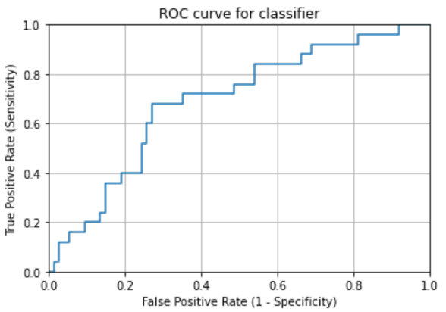
AUC | 0.68918918919 | acc_image_level | 0.835

method2-2
TCGA-BR-7707 | 0.95789473684 | TCGA-3M-AB46 | 0.060518731988
TCGA-BR-8284 | 0.860496614 | TCGA-BR-6454 | 0.33437175493
TCGA-BR-8363 | 0.8285077951 | TCGA-BR-6455 | 0.86091127098
TCGA-BR-8487 | 0.67434210526 | TCGA-BR-6707 | 0.42335115865
TCGA-CD-A4MG | 0.012145748988 | TCGA-BR-7196 | 0.5325443787
TCGA-CD-A4MI | 0.33931484502 | TCGA-BR-7197 | 0.75675675676
TCGA-CD-A4MJ | 0.54285714286 | TCGA-BR-7716 | 0.61668681983
TCGA-CG-4306 | 0.75178997613 | TCGA-BR-7722 | 0.34844668346
TCGA-CG-4442 | 0.8046875 | TCGA-BR-7958 | 0.86666666667
TCGA-D7-A4YY | 0.46584488957 | TCGA-BR-8289 | 0.15535956581
TCGA-D7-A6EY | 0.20961775586 | TCGA-BR-8367 | 0.5
TCGA-F1-6177 | 0.33099889421 | TCGA-BR-8369 | 0.047297297297
TCGA-F1-A448 | 0.022253129346 | TCGA-BR-8384 | 0.14285714286
TCGA-HJ-7597 | 0.75813953488 | TCGA-BR-8588 | 0.86868686869
TCGA-HU-A4G8 | 0.057387057387 | TCGA-BR-8589 | 0.65284178187
TCGA-HU-A4GN | 0.95142857143 | TCGA-BR-8680 | 0.87740384615
TCGA-HU-A4GT | 0.50377687391 | TCGA-BR-8682 | 0.068181818182
TCGA-HU-A4GU | 0.8 | TCGA-BR-8687 | 0.62131519274
TCGA-HU-A4H8 | 0.99609375 | TCGA-BR-A4CS | 0.05258302583
TCGA-RD-A8NB | 0.10009910803 | TCGA-BR-A4IU | 0.0056497175141
TCGA-SW-A7EA | 0.025806451613 | TCGA-BR-A4J6 | 0.1178343949
TCGA-VQ-A8E3 | 0.12269207862 | TCGA-BR-A4J7 | 0.020527859238
TCGA-VQ-A8PB | 0.65219560878 | TCGA-BR-A4PF | 0.10100742312
TCGA-VQ-A8PO | 0.84413727359 | TCGA-CD-5799 | 0
TCGA-VQ-A91K | 0.49864937871 | TCGA-CD-8526 | 0.0061633281972
mean | 0.52444627281 | TCGA-CD-8529 | 0.053097345133
checkpoint-14 | 进行shuffle | TCGA-CD-8530 | 0.077922077922
right_num(total_num) | 14(25) | TCGA-CD-A48C | 0
MSI_images | 13899 | TCGA-CG-4301 | 0.13333333333
MSS_images | 14005 | TCGA-CG-4441 | 0.74074074074
acc_image_level | 0.498 | TCGA-CG-4444 | 0.98214285714
 |  | TCGA-CG-4474 | 0.096590909091
 |  | TCGA-D7-6519 | 0.083121019108
 |  | TCGA-D7-8570 | 0.19860627178
 |  | TCGA-D7-8575 | 0.12238915354
 |  | TCGA-D7-8579 | 0.049902786779
 |  | TCGA-D7-A4Z0 | 0.050529747351
 |  | TCGA-D7-A748 | 0.0781129157
 |  | TCGA-F1-A72C | 0.031180400891
 |  | TCGA-FP-7829 | 0.79400749064
 |  | TCGA-FP-8631 | 0.05047318612
 |  | TCGA-HF-7133 | 0.53009068425
 |  | TCGA-HU-8604 | 0.090994371482
 |  | TCGA-HU-8610 | 0.88679245283
 |  | TCGA-HU-A4G6 | 0.34790755778
 |  | TCGA-HU-A4GD | 0.28813559322
 |  | TCGA-HU-A4GH | 0.63665594855
 |  | TCGA-HU-A4GY | 0.35428571429
 |  | TCGA-HU-A4H0 | 0.0098338419803
 |  | TCGA-KB-A6F7 | 0.13619402985
 |  | TCGA-MX-A663 | 0.16071428571
 |  | TCGA-MX-A666 | 0
 |  | TCGA-R5-A7O7 | 0.018072289157
 |  | TCGA-R5-A7ZR | 0.58041958042
 |  | TCGA-RD-A8MV | 0.40881612091
 |  | TCGA-RD-A8N1 | 0.065190651907
 |  | TCGA-RD-A8N6 | 0.016706443914
 |  | TCGA-VQ-A8DT | 0.0016116035455
 |  | TCGA-VQ-A8PC | 0.10782865583
 |  | TCGA-VQ-A8PD | 0.10091743119
 |  | TCGA-VQ-A8PE | 0.050177095632
 |  | TCGA-VQ-A8PF | 0.14135556361
 |  | TCGA-VQ-A8PJ | 0.11388611389
 |  | TCGA-VQ-A91A | 0.07182320442
 |  | TCGA-VQ-A91V | 0.015693112467
 |  | TCGA-VQ-A91Z | 0.02479338843
image level |  | TCGA-VQ-A923 | 0.012820512821
accuracy in MSIMUT | 0.498(13899/27904) | TCGA-VQ-A925 | 0.0067243035543
accuracy in MSS | 0.818(73735/90104) | TCGA-VQ-A927 | 0.0015682174595
accuracy(image level) | 0.743 | TCGA-VQ-A94U | 0.0032644178455
 |  | TCGA-VQ-AA68 | 0.027965284474
patient level |  | TCGA-VQ-AA69 | 0.076158940397
accuracy in MSIMUT | 0.560(14/25) | TCGA-VQ-AA6A | 0.0083120204604
accuracy in MSS | 0.770(57/74) | TCGA-VQ-AA6G | 0.18066561014
accuracy(patient level) | 0.717 | mean | 0.24400660489
 |  | checkpoint-14 | 进行shuffle
average vote score(MSIMUT) | 0.524 | right_num(total_num) | 57(74)
average vote score(MSS) | 0.244 | MSI_images | 16369
 |  | MSS_images | 73735
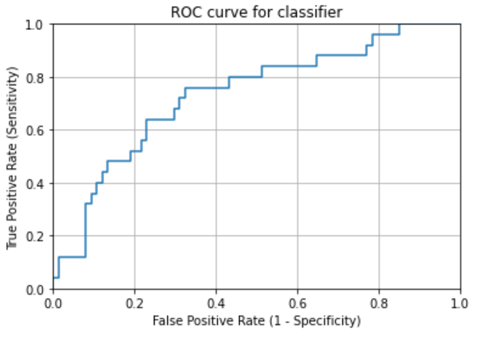
AUC | 0.73243243243 | acc_image_level | 0.818

