method2-1
TCGA-BR-7707 | 0.95964912281 | TCGA-3M-AB46 | 0.0057636887608
TCGA-BR-8284 | 0.87042889391 | TCGA-BR-6454 | 0.22706818969
TCGA-BR-8363 | 0.94432071269 | TCGA-BR-6455 | 0.63669064748
TCGA-BR-8487 | 0.77631578947 | TCGA-BR-6707 | 0.42468805704
TCGA-CD-A4MG | 0.068825910931 | TCGA-BR-7196 | 0.46153846154
TCGA-CD-A4MI | 0.51060358891 | TCGA-BR-7197 | 0.81381381381
TCGA-CD-A4MJ | 0.66428571429 | TCGA-BR-7716 | 0.52357920193
TCGA-CG-4306 | 0.52744630072 | TCGA-BR-7722 | 0.60705289673
TCGA-CG-4442 | 0.65625 | TCGA-BR-7958 | 0.87635327635
TCGA-D7-A4YY | 0.14432460195 | TCGA-BR-8289 | 0.17774762551
TCGA-D7-A6EY | 0.27496917386 | TCGA-BR-8367 | 0.66666666667
TCGA-F1-6177 | 0.2237375599 | TCGA-BR-8369 | 0.027027027027
TCGA-F1-A448 | 0.02364394993 | TCGA-BR-8384 | 0.36904761905
TCGA-HJ-7597 | 0.73178294574 | TCGA-BR-8588 | 0.87878787879
TCGA-HU-A4G8 | 0.13431013431 | TCGA-BR-8589 | 0.64669738863
TCGA-HU-A4GN | 0.89142857143 | TCGA-BR-8680 | 0.84134615385
TCGA-HU-A4GT | 0.61592097618 | TCGA-BR-8682 | 0.22272727273
TCGA-HU-A4GU | 0.73664596273 | TCGA-BR-8687 | 0.66893424036
TCGA-HU-A4H8 | 0.953125 | TCGA-BR-A4CS | 0.036900369004
TCGA-RD-A8NB | 0.054509415263 | TCGA-BR-A4IU | 0.022598870056
TCGA-SW-A7EA | 0.70967741935 | TCGA-BR-A4J6 | 0.089171974522
TCGA-VQ-A8E3 | 0.42823108993 | TCGA-BR-A4J7 | 0.023460410557
TCGA-VQ-A8PB | 0.50249500998 | TCGA-BR-A4PF | 0.15058324496
TCGA-VQ-A8PO | 0.76406101049 | TCGA-CD-5799 | 0.013157894737
TCGA-VQ-A91K | 0.43165856294 | TCGA-CD-8526 | 0.015408320493
mean | 0.54394589671 | TCGA-CD-8529 | 0.097345132743
checkpoint-26 | 只训练最后10层 | TCGA-CD-8530 | 0.16883116883
right_num(total_num) | 16(25) | TCGA-CD-A48C | 0.030769230769
MSI_images | 13549 | TCGA-CG-4301 | 0
MSS_images | 14355 | TCGA-CG-4441 | 0.88148148148
acc_image_level | 0.486 | TCGA-CG-4444 | 0.46428571429
 |  | TCGA-CG-4474 | 0.034090909091
 |  | TCGA-D7-6519 | 0.10350318471
 |  | TCGA-D7-8570 | 0.14285714286
 |  | TCGA-D7-8575 | 0.25577134481
 |  | TCGA-D7-8579 | 0.042125729099
 |  | TCGA-D7-A4Z0 | 0.069274653627
 |  | TCGA-D7-A748 | 0.23201856148
 |  | TCGA-F1-A72C | 0.096325167038
 |  | TCGA-FP-7829 | 0.66666666667
 |  | TCGA-FP-8631 | 0.16719242902
 |  | TCGA-HF-7133 | 0.19620774938
 |  | TCGA-HU-8604 | 0.17026266417
 |  | TCGA-HU-8610 | 0.84433962264
 |  | TCGA-HU-A4G6 | 0.34728294816
 |  | TCGA-HU-A4GD | 0.20338983051
 |  | TCGA-HU-A4GH | 0.45337620579
 |  | TCGA-HU-A4GY | 0.28571428571
 |  | TCGA-HU-A4H0 | 0.014242115972
 |  | TCGA-KB-A6F7 | 0.1875
 |  | TCGA-MX-A663 | 0.1875
 |  | TCGA-MX-A666 | 0.057291666667
 |  | TCGA-R5-A7O7 | 0
 |  | TCGA-R5-A7ZR | 0.53846153846
 |  | TCGA-RD-A8MV | 0.48614609572
 |  | TCGA-RD-A8N1 | 0.026445264453
 |  | TCGA-RD-A8N6 | 0.0095465393795
 |  | TCGA-VQ-A8DT | 0.016116035455
 |  | TCGA-VQ-A8PC | 0.16543574594
 |  | TCGA-VQ-A8PD | 0.19134993447
 |  | TCGA-VQ-A8PE | 0.066706021251
 |  | TCGA-VQ-A8PF | 0.21239579558
 |  | TCGA-VQ-A8PJ | 0.17782217782
 |  | TCGA-VQ-A91A | 0.053406998158
 |  | TCGA-VQ-A91V | 0.013513513514
image level |  | TCGA-VQ-A91Z | 0.042011019284
accuracy in MSIMUT | 0.486(13549/27904) | TCGA-VQ-A923 | 0.018099547511
accuracy in MSS | 0.811(73042/90104) | TCGA-VQ-A925 | 0.0057636887608
accuracy(image level) | 0.734 | TCGA-VQ-A927 | 0.0026136957658
 |  | TCGA-VQ-A94U | 0.0018135654697
patient level |  | TCGA-VQ-AA68 | 0.08325297332
accuracy in MSIMUT | 0.560(16/25) | TCGA-VQ-AA69 | 0.041059602649
accuracy in MSS | 0.811(60/74) | TCGA-VQ-AA6A | 0.0044757033248
accuracy(patient level) | 0.768 | TCGA-VQ-AA6G | 0.1204437401
 |  | mean | 0.24463967557
average vote score(MSIMUT) | 0.544 | checkpoint-2 | 只训练最后10层，进行shuffle
average vote score(MSS) | 0.245 | right_num(total_num) | 60(74)
 |  | MSI_images | 17062
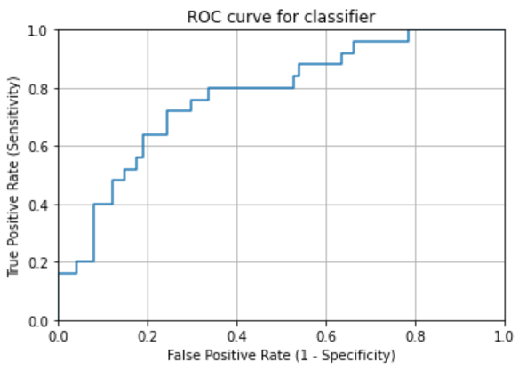
AUC | 0.77351351351 | MSS_images | 73042
 |  | acc_image_level | 0.811

method2-2
TCGA-BR-7707 | 0.88157894737 | TCGA-3M-AB46 | 0.084149855908
TCGA-BR-8284 | 0.76930022573 | TCGA-BR-6454 | 0.49117341641
TCGA-BR-8363 | 0.72605790646 | TCGA-BR-6455 | 0.67805755396
TCGA-BR-8487 | 0.78618421053 | TCGA-BR-6707 | 0.45276292335
TCGA-CD-A4MG | 0.012145748988 | TCGA-BR-7196 | 0.34319526627
TCGA-CD-A4MI | 0.21370309951 | TCGA-BR-7197 | 0.81381381381
TCGA-CD-A4MJ | 0.55357142857 | TCGA-BR-7716 | 0.52781136638
TCGA-CG-4306 | 0.5584725537 | TCGA-BR-7722 | 0.55499580185
TCGA-CG-4442 | 0.890625 | TCGA-BR-7958 | 0.82621082621
TCGA-D7-A4YY | 0.4011299435 | TCGA-BR-8289 | 0.11329715061
TCGA-D7-A6EY | 0.14878750514 | TCGA-BR-8367 | 0.66666666667
TCGA-F1-6177 | 0.19056395135 | TCGA-BR-8369 | 0.054054054054
TCGA-F1-A448 | 0.087621696801 | TCGA-BR-8384 | 0.33333333333
TCGA-HJ-7597 | 0.58139534884 | TCGA-BR-8588 | 0.83838383838
TCGA-HU-A4G8 | 0.029304029304 | TCGA-BR-8589 | 0.74039938556
TCGA-HU-A4GN | 0.90571428571 | TCGA-BR-8680 | 0.80528846154
TCGA-HU-A4GT | 0.48343986055 | TCGA-BR-8682 | 0.21363636364
TCGA-HU-A4GU | 0.6049689441 | TCGA-BR-8687 | 0.61904761905
TCGA-HU-A4H8 | 0.974609375 | TCGA-BR-A4CS | 0.14298892989
TCGA-RD-A8NB | 0.044598612488 | TCGA-BR-A4IU | 0.0056497175141
TCGA-SW-A7EA | 0.29032258065 | TCGA-BR-A4J6 | 0.14968152866
TCGA-VQ-A8E3 | 0.11673615247 | TCGA-BR-A4J7 | 0.043988269795
TCGA-VQ-A8PB | 0.43463073852 | TCGA-BR-A4PF | 0.087751855779
TCGA-VQ-A8PO | 0.81935176358 | TCGA-CD-5799 | 0.052631578947
TCGA-VQ-A91K | 0.39330091842 | TCGA-CD-8526 | 0.0046224961479
mean | 0.47592459309 | TCGA-CD-8529 | 0.057522123894
checkpoint-26 | 只训练最后10层 | TCGA-CD-8530 | 0.14285714286
right_num(total_num) | 12(25) | TCGA-CD-A48C | 0.0017094017094
MSI_images | 11823 | TCGA-CG-4301 | 0.43333333333
MSS_images | 16081 | TCGA-CG-4441 | 0.91111111111
acc_image_level | 0.424 | TCGA-CG-4444 | 1
 |  | TCGA-CG-4474 | 0.056818181818
 |  | TCGA-D7-6519 | 0.095859872611
 |  | TCGA-D7-8570 | 0.19733924612
 |  | TCGA-D7-8575 | 0.12861854159
 |  | TCGA-D7-8579 | 0.050550874919
 |  | TCGA-D7-A4Z0 | 0.048084759576
 |  | TCGA-D7-A748 | 0.43310131477
 |  | TCGA-F1-A72C | 0.087416481069
 |  | TCGA-FP-7829 | 0.61423220974
 |  | TCGA-FP-8631 | 0.18296529968
 |  | TCGA-HF-7133 | 0.47238252267
 |  | TCGA-HU-8604 | 0.031894934334
 |  | TCGA-HU-8610 | 0.94811320755
 |  | TCGA-HU-A4G6 | 0.16801998751
 |  | TCGA-HU-A4GD | 0.28813559322
 |  | TCGA-HU-A4GH | 0.73954983923
 |  | TCGA-HU-A4GY | 0.35428571429
 |  | TCGA-HU-A4H0 | 0.0064428619871
 |  | TCGA-KB-A6F7 | 0.1828358209
 |  | TCGA-MX-A663 | 0.16964285714
 |  | TCGA-MX-A666 | 0.083333333333
 |  | TCGA-R5-A7O7 | 0.036144578313
 |  | TCGA-R5-A7ZR | 0.56643356643
 |  | TCGA-RD-A8MV | 0.45516372796
 |  | TCGA-RD-A8N1 | 0.047355473555
 |  | TCGA-RD-A8N6 | 0.036754176611
 |  | TCGA-VQ-A8DT | 0.015310233683
 |  | TCGA-VQ-A8PC | 0.13589364845
 |  | TCGA-VQ-A8PD | 0.20707732634
 |  | TCGA-VQ-A8PE | 0.070247933884
 |  | TCGA-VQ-A8PF | 0.10221094599
 |  | TCGA-VQ-A8PJ | 0.12487512488
 |  | TCGA-VQ-A91A | 0.064456721915
 |  | TCGA-VQ-A91V | 0.044027898867
image level |  | TCGA-VQ-A91Z | 0.051652892562
accuracy in MSIMUT | 0.424(11823/27904) | TCGA-VQ-A923 | 0.015460030166
accuracy in MSS | 0.809(72936/90104) | TCGA-VQ-A925 | 0.01665065642
accuracy(image level) | 0.734 | TCGA-VQ-A927 | 0.0088865656038
 |  | TCGA-VQ-A94U | 0.00036271309394
patient level |  | TCGA-VQ-AA68 | 0.039215686275
accuracy in MSIMUT | 0.480(12/25) | TCGA-VQ-AA69 | 0.024503311258
accuracy in MSS | 0.784(58/74) | TCGA-VQ-AA6A | 0.024936061381
accuracy(patient level) | 0.707 | TCGA-VQ-AA6G | 0.072900158479
 |  | mean | 0.26608470369
average vote score(MSIMUT) | 0.476 | checkpoint-2 | 只训练最后10层，进行shuffle
average vote score(MSS) | 0.266 | right_num(total_num) | 58(74)
 |  | MSI_images | 17168
AUC | 0.69837837838 | MSS_images | 72936
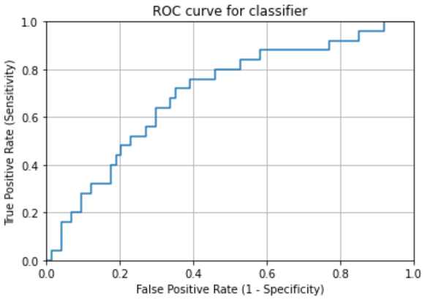
 |  | acc_image_level | 0.809

