rf_model_v1_demo_loc
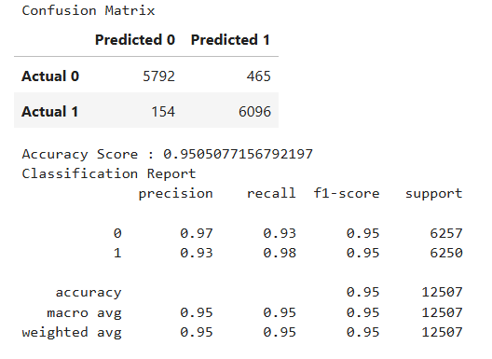
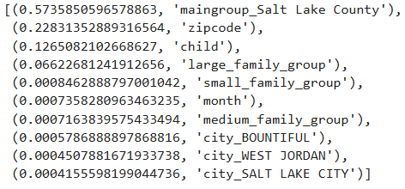
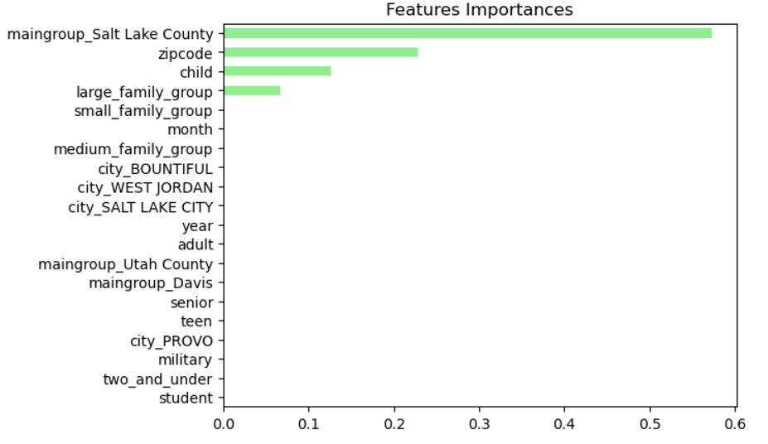
n_samples | n_estimators | max_depth | min_samples_split | min_samples_leaf | model_fit_time_seconds | accuracy_score
50000 | 5 | 5 | 4 | 5 | 0.6 | 0.891
50000 | 10 | 5 | 4 | 5 | 1.02 | 0.925
50000 | 15 | 5 | 4 | 5 | 1.37 | 0.925
50000 | 20 | 5 | 4 | 5 | 2.32 | 0.907
50000 | 25 | 5 | 4 | 5 | 3.06 | 0.928
50000 | 30 | 5 | 4 | 5 | 3.01 | 0.916
50000 | 35 | 5 | 4 | 5 | 3.66 | 0.925
50000 | 40 | 5 | 4 | 5 | 3.93 | 0.916
50000 | 45 | 5 | 4 | 5 | 6.75 | 0.955
50000 | 50 | 5 | 4 | 5 | 5.49 | 0.89
50000 | 45 | 2 | 4 | 5 | 2.24 | 0.907
50000 | 45 | 4 | 4 | 5 | 4.05 | 0.968
50000 | 30 | 4 | 6 | 5 | 3.52 | 0.951
50000 | 30 | 4 | 8 | 5 | 2.63 | 0.951

rf_model_v2_condensed
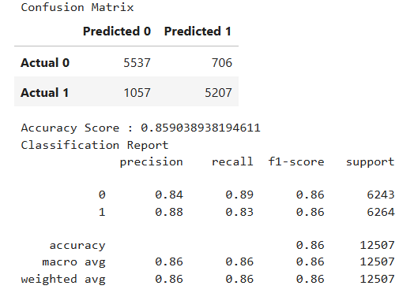
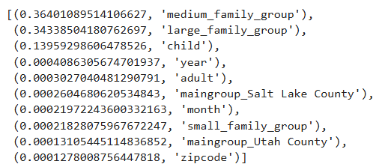
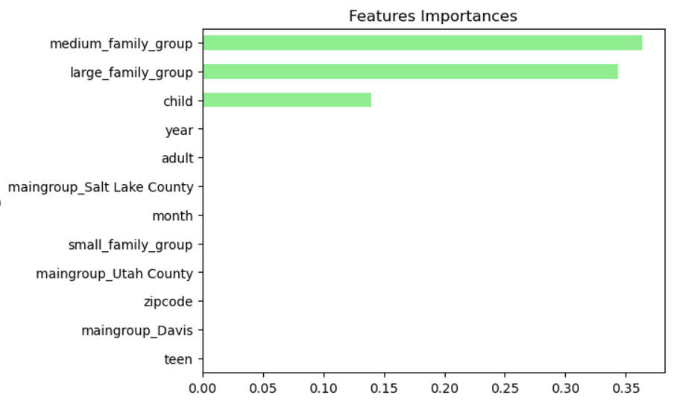
n_samples | n_estimators | max_depth | min_samples_split | min_samples_leaf | model_fit_time_seconds | accuracy_score
50000 | 2 | 5 | 4 | 5 | 0.28 | 0.847
50000 | 4 | 5 | 4 | 5 | 0.52 | 0.844
50000 | 6 | 5 | 4 | 5 | 0.634 | 0.859
50000 | 8 | 5 | 4 | 5 | 0.968 | 0.859
50000 | 10 | 5 | 4 | 5 | 1.08 | 0.856
50000 | 12 | 5 | 4 | 5 | 1.34 | 0.859
50000 | 14 | 5 | 4 | 5 | 1.69 | 0.859
50000 | 12 | 2 | 4 | 5 | 0.604 | 0.844
50000 | 12 | 3 | 4 | 5 | 0.83 | 0.857
50000 | 12 | 4 | 4 | 5 | 1.01 | 0.854
50000 | 14 | 2 | 4 | 5 | 0.707 | 0.846
50000 | 12 | 3 | 8 | 5 | 0.83 | 0.852

