Normalizations
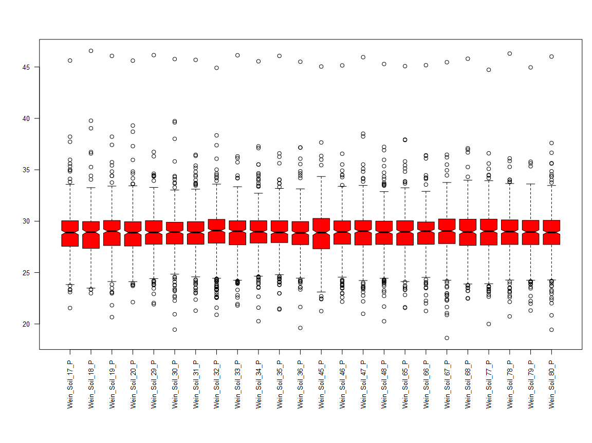
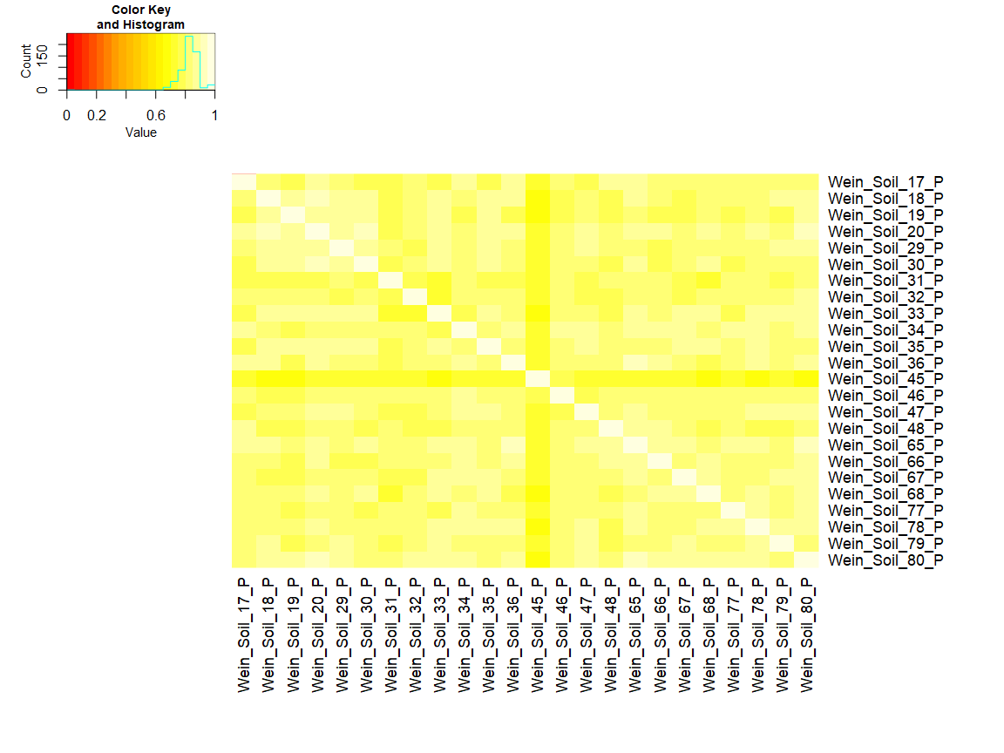
Box plot of peptide log(2) abundances | Box plots of mean central tendency normalized log(2) abundances | Correlation plot of all data (mean central tendency normalized log(2) abundances)
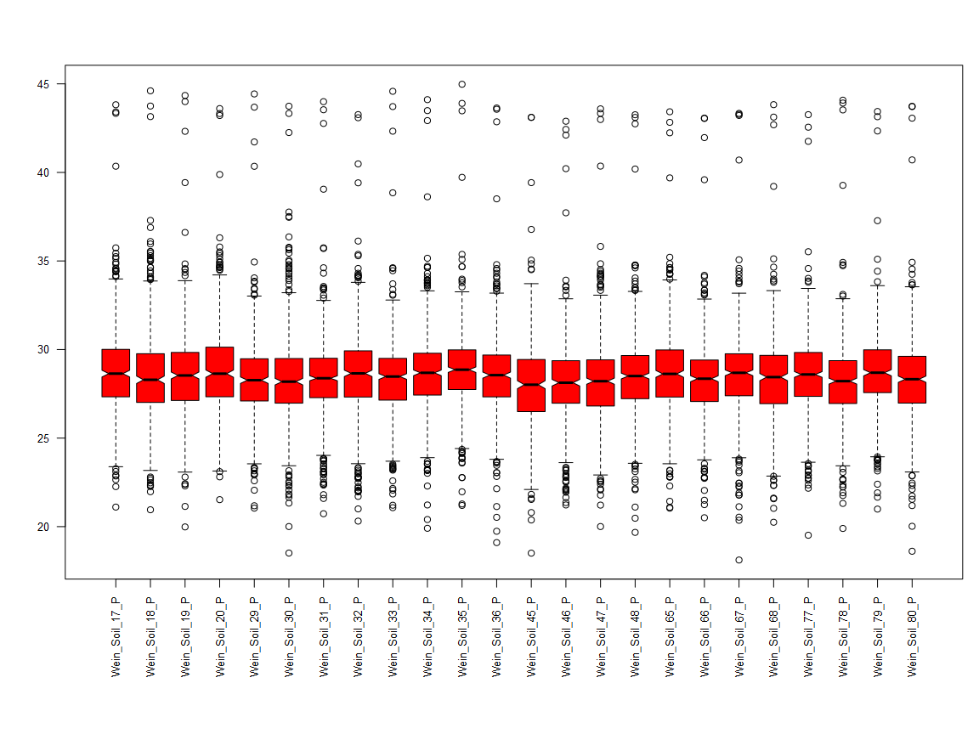
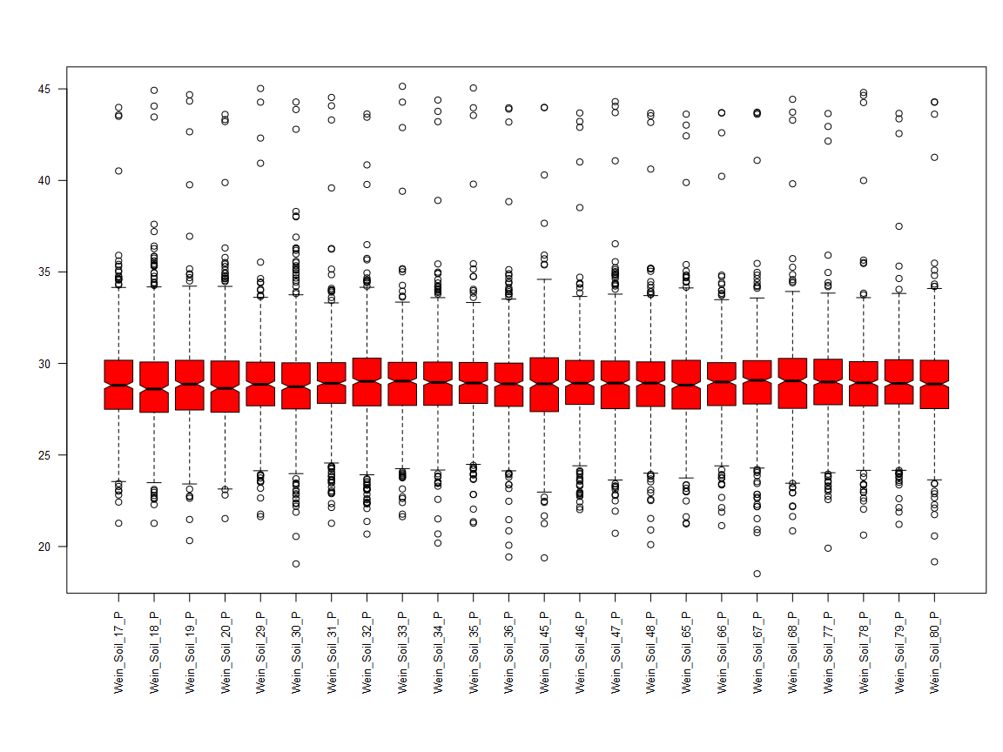
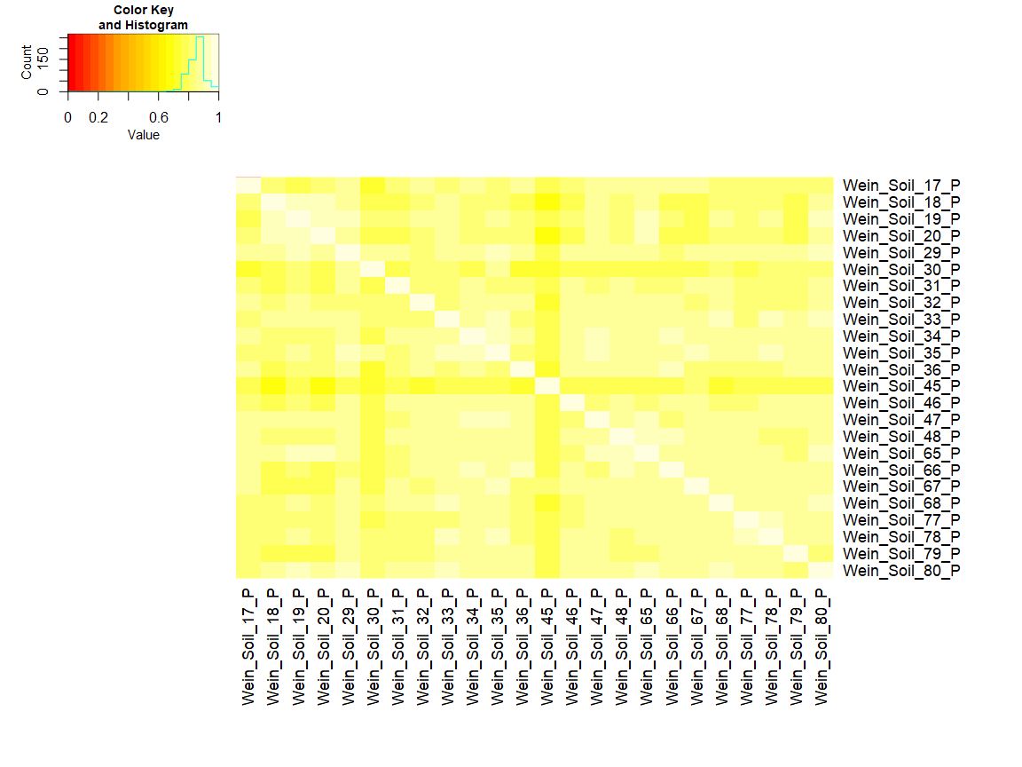

Box plot of mean central tendency normalized log(2) protein abundances | Correlation plot of Protein abundances

