Transm
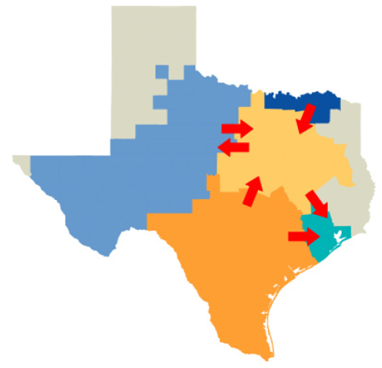
Distances between zones |  |  | (miles)

 | Northeast | West | Coastal | South | Panhandle
Northeast | 0 | 325 | 250 | 275 | 375
West | 325 | 0 | 450 | 300 | 250
Coastal | 250 | 450 | 0 | 200 | 600
South | 275 | 300 | 200 | 0 | 500
Panhandle | 375 | 250 | 600 | 500 | 0

 | Assumed Centroid:
 | Zone 1 – Dallas, Zone 2 – Glasscock County, Zone 3 – Houston, Zone 4 – San Antonio and Zone 5 – Amarillo

Line capacity between zones (MW) |  |  |  | source: https://repositories.lib.utexas.edu/bitstream/handle/2152/22990/PARK-DISSERTATION-2013.pdf?sequence=1

 | Northeast | West | Coastal | South | Panhandle
Northeast |  | 7737.6 | 4163 | 9548 | 2512.8
West | 7737.6 |  |  | 11214.6 | 2512.8
Coastal | 4163 |  |  | 4444
South | 9548 | 11214.6 | 4444
Panhandle | 2512.8 | 2512.8

 |  | *source transmission limit for Panhandle (http://www.ercot.com/content/wcm/key_documents_lists/79528/10._ERCOT_Independent_Review_Panhandle_Upgrades_V1FINAL.pdf) page 7

Transmission cost
$/mile | 2000000

