Temp sense
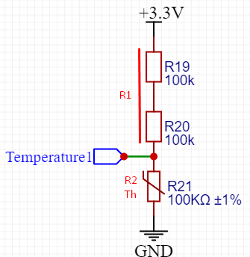
Voltage divider
 | Option 1 | Option 2
Vin | 3.3 | 3.3 | V
Vout | 1 | 3.3 | V
R1 | 230000 | 0 | R | R1 = (R2*Vin/Vout)-R2
R2 | 100000 | 100000 | R | Thermistor

Vread calculation
bitsAdc | 4095 | 4095 | bits
readAdc | 4095 | 4095 | bits
readV | 3.3 | 3.3 | V | readV = readAdc * (max Vadc/bitsAdc)*(R1+R2/R2)

Tread calculation - Steinhart-Hart
Thermistor resistance |  |  | 90000 | R
Vcc |  |  | 3.3 | V
Thermistor nominal |  |  | 100000 | R
Temperature nominal |  |  | 25 | ºC
B_coeficient |  |  | 3950
TemperatureCelciu |  |  | 26.03332587 | ºC | TemperatureCelcius = 1/(((log(resistance / THERMISTOR_NOMINAL))/B_COEFFICIENT)+1.0 / (TEMPERATURE_NOMINAL + 273.15))-273.15

DriveMosfetFeedback+Iload sense
Mosfet Feedback |  |  |  |  |  |  |  |  |  |  | Ampli opam
 | op1 | op2 |  |  |  |  |  |  |  |  |  | Option 1 | Option 2
opam signal input | 3.3 | 3.3 | V |  |  |  |  |  |  |  | Rshunt | 0.05 | 0.05 | R
Vload max | 25 | 25 | V |  |  |  |  |  |  |  | Imax | 5 | 5 | A
Iload max | 5 | 5 | A |  |  |  |  |  |  |  | Vin | 0.25 | 0.25 | V
Rshunt | 0.05 | 0.05 | R |  |  |  |  |  |  |  | Vout | 1 | 3.3 | V | Vout=Vin*(1+R2/R1)
Vshunt max | 0.25 | 0.25 | V |  |  |  |  |  |  |  | multi (Vin*n) | 4 | 13.2 | x
Wshunt | 1.25 | 1.25 | W
Vadc max | 1 | 3.3 | V |  |  |  |  |  |  |  | Opam ampli no negative Resistors
 |  |  |  |  |  |  |  |  |  |  | R1 | 1000 | 1000 | R
 | Vload |  |  |  |  |  |  |  |  | mosfet gate | R2 | 3000 | 12200 | R | R2=(Vout/Vin-1)*R1
flowing Amps
2 |  |  |  |  | opam ampli |  |  | opam ampli |  |  | Vread calculation
 | mosfet |  |  |  |  |  |  |  |  |  | bitsAdc | 4095 | 4095 | bits
 |  |  | max | 0.25 |  | max | 1 |  | max | 3.3 | readAdc | 20 | 4095 | bits
 |  |  | Vread | 0.1 | 4 |  |  | 3.3 |  | 1.32 | readV | 0.001221001221 | 0.25 | V | readV = readAdc * (max Vadc/bitsAdc)*(R1+R2/R2)
 | Rshunt |  |  |  |  |  |  |  |  |  | readAmps | 0.02442002442

 | gnd |  |  |  |  | uC adc
 |  |  |  |  |  | 0.4
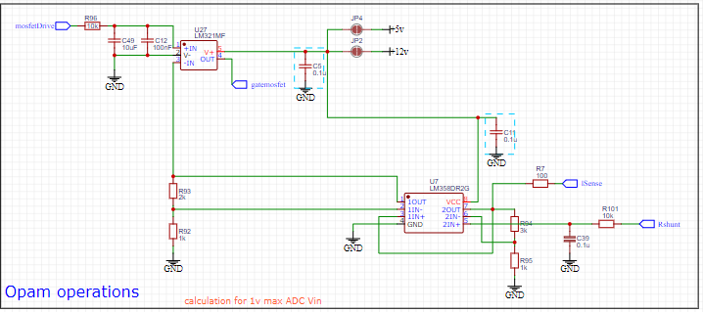
 |  |  |  |  |  |  |  |  |  |  | Vread resolution
 |  |  |  |  |  |  |  |  |  |  | resolutionADC | 0.2442002442 | 0.80586080586 | mV
 |  |  |  |  |  |  |  |  |  |  | resolutionVshunt | 0.06105006105 | 0.06105006105 | mV
 |  |  |  |  |  |  |  |  |  |  | resolutionAmps | 1.221001221 | 1.221001221 | mA

Snubber filter RC
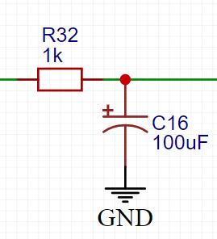
Gain
Low pass
R | 10000 | R
C | 0.0000001 | F
Fc | 159.15494309 | Hz

Freq [Hz] | Modul [Vo/Vi] | Modul [dB]
1 | 0.99998026138 | -0.00017144920495
10 | 0.9980319045 | -0.017111504345
100 | 0.84673301596 | -1.4450701162
1000 | 0.15717672548 | -16.072235266
10000 | 0.015913478971 | -35.964697309
100000 | 0.0015915474152 | -55.963608368
1000000 | 0.00015915494108 | -75.963597477

PowerSupply-Boost
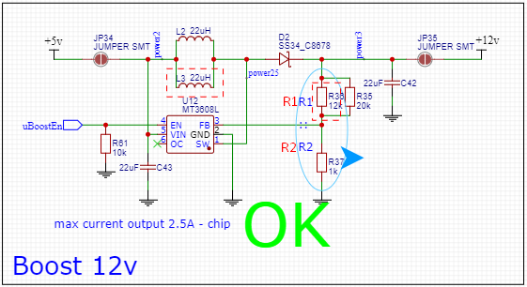
R2 calculation
Vout | 12 | V | Vout=Vref(1+R1/R2)
Vref | 0.6 | V
R1 | 19000 | R | R1=R2(Vout/Vref-1)
R2 | 1000 | R | R2=R1/(Vout/Vref-1)

Vout calculation
Vout | 12.6 | V | Vout=Vref(1+R1/R2)
Vref | 0.6 | V
R1 | 20000 | R | R1=R2(Vout/Vref-1)
R2 | 1000 | R | R2=R1/(Vout/Vref-1)

