1. Title Page
[Instacart Grocery Basket Analysis]

Project Name: Instacart Grocery Basket Analysis
Date: 14.03.2024
Analyst Name: Can Yalçın

Contents:
Population Flow
Consistency checks
Wrangling steps
Column derivations
Visualizations
Recommendations

 | Citations:

 | 1. The Instacart Online Grocery Shopping Dataset 2017, Accessed from www.instacart.com/datasets/grocery-shopping-2017 via Kaggle on 18-02-2024.

2. Population Flow
Title page

Population flow

Exclusion flag
Condition: max_order < 5
Obervations to be removed: 29630
Final total count of order_products_all: 32404859

Orders_products_combined
Orders_products_merged
Orders_products_all

Total:32404859
Total:32434489
Total: 32404859

small

Total: 9729729

3. Consistency checks
 |  |  |  | Title page
Consistency checks

Dataset | Missing values | Missing values treatment | Duplicates
Dataset | Missing values | Missing values treatment | Duplicates
orders | 206209 missing values for days_since_prior_order collumn | To address the missing values, no action was necessary. Because it was the very first order from the consumer, this cell will be empty until they make second order. | No duplicates
products | 16 missing values in 'product_name' collumn | Removed the missing values because they are less than 5% and shouldn't have an impact on the analysis. | 5 duplicates deleted
orders_products_prior | No missing values | No missing values | No duplicates
customers | 11259 missing values in 'first_name' collumn | There is no action required because first name and second name shouldn't be included in the dataset due to PII. | No duplicates

4. Wrangling steps
 |  |  |  |  | Title page
Wrangling steps

Dataset | Columns dropped | Columns renamed | Columns' type changed | Comment/Reason
orders | eval_set |  |  | Not needed for the analysis
orders |  | order_dow |  | Changed the collumn name to "orders_day_of_week" due to unclear naming
orders |  |  | orders_id | Changed data type to string
orders |  |  | user_id | Changed data type to string
orders_products_combined | _merge |  |  | Not needed for the analysis
customers |  | Surnam |  | Typo renamed to surname
customers |  | fam_status |  | Unclear naming. Renamed to marital_status
customers |  | n_dependants |  | Unclear naming. Renamed to dependants
customers |  | STATE |  | Inconsistent naming. Renamed to state
customers |  | First Name |  | Inconsistent naming. Renamed to first_name
customers |  | Gender |  | Inconsistent naming. Renamed to gender
customers |  |  | date_joined | Changed data type to datetime64
ords_prods_merge | aisle_id |  |  | Not needed for the analysis
ords_prods_merge | exist |  |  | Not needed for the analysis
small |  |  |  | 30 % sample of ords_prods_merge was taken due to computational efforts

5. Column derivations
 |  |  |  | Title page

Column derivations and aggregations

In this tab you should add tables below that the frequences of flags/label variables that you produced after deriving them. NB: don't do this for continuous variables, only for flags.
Dataset | New column | Column/s it was derived from | Conditions
Orders_products_merged | price_range_loc | prices | ords_prods_merge.loc[ords_prods_merge['prices'] > 15, 'price_range_loc'] = 'High-range product' ords_prods_merge.loc[(ords_prods_merge['prices'] <= 15) & (df['prices'] > 5), 'price_range_loc'] = 'Mid-range product' ords_prods_merge.loc[ords_prods_merge['prices'] <= 5, 'price_range_loc'] = 'Low-range product'
Orders_products_merged | busiest_day | orders_day_of_week | for value in ords_prods_merge["orders_day_of_week"]: if value == 0: result.append("Busiest day") elif value == 4: result.append("Least busy") else: result.append("Regularly busy")
Orders_products_merged | busiest_days | orders_day_of_week | for value in ords_prods_merge["orders_day_of_week"]: if value == 0 or value == 1: result_2.append("Busiest days") elif value == 3 or value == 4: result_2.append("slowest_days") else: result_2.append("Regularly busy")
Orders_products_merged | time_of_day | order_hour_of_day | for value in ords_prods_merge["order_hour_of_day"]: if value in [10, 11, 14, 15, 13, 12, 16, 9]: result_3.append("most_orders") elif value in [17, 8, 18, 19, 20, 7, 21, 22]: result_3.append("average_orders") else: result_3.append("fewest_orders")
Orders_products_merged | max_order | user_id and number_of_orders | ords_prods_merge['max_order'] = ords_prods_merge.groupby(['user_id'])['number_of_orders'].transform(np.max)
Orders_products_merged | loyalty_flag | max_order and user_id | ords_prods_merge.loc[ords_prods_merge['max_order'] > 40, 'loyalty_flag'] = 'Loyal customer' ords_prods_merge.loc[(ords_prods_merge['max_order'] <= 40) & (ords_prods_merge['max_order'] > 10), 'loyalty_flag'] = 'Regular customer' ords_prods_merge.loc[ords_prods_merge['max_order'] <= 10, 'loyalty_flag'] = 'New customer'
Orders_products_merged | mean_price | user_id and prices | ords_prods_merge['mean_price'] = ords_prods_merge.groupby(['user_id'])['prices'].transform(np.mean)
Orders_products_merged | spender_flag | mean_price | ords_prods_merge.loc[ords_prods_merge['mean_price'] < 10, 'spending_flag'] = 'low_spender' ords_prods_merge.loc[ords_prods_merge['mean_price'] >= 10, 'spending_flag'] = 'high_spender'
Orders_products_merged | median_days_since_pror_order | user_id and days_since_prior_order | ords_prods_merge['median_days_since_prior_order'] = ords_prods_merge.groupby(['user_id'])['days_since_prior_order'].transform(np.median)
Orders_products_merged | frequency_flag | median_days_since_pror_order | ords_prods_merge.loc[ords_prods_merge['median_days_since_prior_order'] > 20, 'frequency_flag'] = 'Non-frequent customer' ords_prods_merge.loc[(ords_prods_merge['median_days_since_prior_order'] <= 20) & (ords_prods_merge['median_days_since_prior_order'] > 10), 'frequency_flag'] = 'Regular customer' ords_prods_merge.loc[ords_prods_merge['median_days_since_prior_order'] <= 10, 'frequency_flag'] = 'Frequent customer'
Orders_products_merged | region | state | ords_prods_merge['region'] = 'West' ords_prods_merge.loc[ords_prods_merge['state'].isin(['Maine', 'New Hampshire', 'Vermont', 'Massachusetts', 'Rhode Island', 'Connecticut', 'New York', 'Pennsylvania', 'New Jersey']), 'region'] = 'Northeast' ords_prods_merge.loc[ords_prods_merge['state'].isin(['Wisconsin', 'Michigan', 'Illinois', 'Indiana', 'Ohio', 'North Dakota', 'South Dakota', 'Nebraska', 'Kansas', 'Minnesota', 'Iowa', 'Missouri']), 'region'] = 'Midwest' ords_prods_merge.loc[ords_prods_merge['state'].isin(['Delaware', 'Maryland', 'District of Columbia', 'Virginia', 'West Virginia', 'North Carolina', 'South Carolina', 'Georgia', 'Florida', 'Kentucky', 'Tennessee', 'Mississippi', 'Alabama', 'Oklahoma', 'Texas', 'Arkansas', 'Louisiana']), 'region'] = 'South'
Orders_products_merged | exclusion_flag | max_order
small | income_category | income | # Seting the income thresholds for low and high income low_income_threshold = 50000 high_income_threshold = 100000 # Creating Income category column small['income_category'] = pd.cut( small['income'], bins=[-float('inf'), low_income_threshold, high_income_threshold, float('inf')], labels=['Low Income', 'Middle Income', 'High Income'], include_lowest=True)
small | age_group | age | # Create the age_group column with default value as 'Unknown' small['age_group'] = 'Unknown' # Assign age groups based on conditions small.loc[(small['Age'] >= 18) & (small['Age'] <= 28), 'age_group'] = 'Young Adult' small.loc[(small['Age'] >= 29) & (small['Age'] <= 40), 'age_group'] = 'Adult' small.loc[(small['Age'] >= 41) & (small['Age'] <= 55), 'age_group'] = 'Middle-Aged' small.loc[(small['Age'] >= 56) & (small['Age'] <= 70), 'age_group'] = 'Senior' small.loc[(small['Age'] >= 71) & (small['Age'] <= 82), 'age_group'] = 'Elderly'
small | customer_profile | age_group, income_category, dependant_flag | # Creating new column customer_profile small['customer_profile'] = small['age_group'] + '_' + small['income_category'] + '_' + small['dependant_flag']
small | department_name | department_id | # Create the 'department_name' column small['department_name'] = small['department_id'].map(department_mapping).fillna("missing")

6. Visualizations and Recommend
 |  |  |  | Title page

Visualisations

1. The sales team requires insights into the peak days and hours with the highest order volumes. This information will enable them to strategically schedule advertisements during periods of lower order activity.


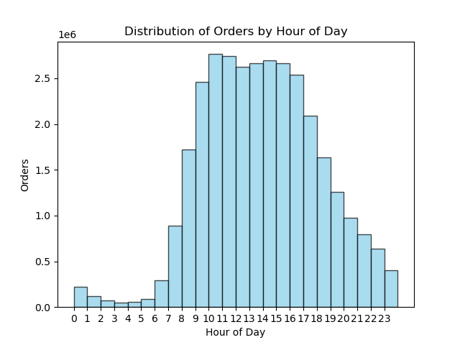

 | Recommendation: To optimize ad scheduling, prioritize advertising during the hours when fewer customers are active, specifically from approximately 5 p.m. to 11 p.m. This avoids running ads during the night when most consumers are asleep.

 | Additionally, focus advertising efforts on Saturdays and Sundays, which are the busiest days of the week with higher order volumes. Consider increasing ad frequency from Monday through Friday to capitalize on potential higher order quantities during the weekdays.

 | 2. The sales team is interested in identifying specific times of the day when customers tend to spend the most money. This information could help determine the type of products to advertise during these peak spending periods.

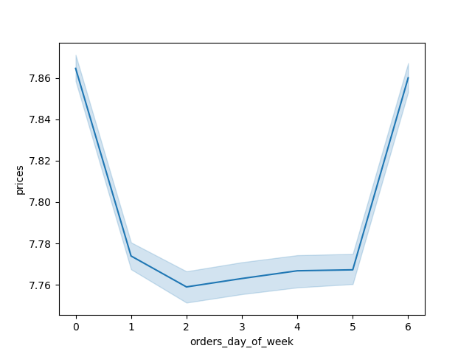
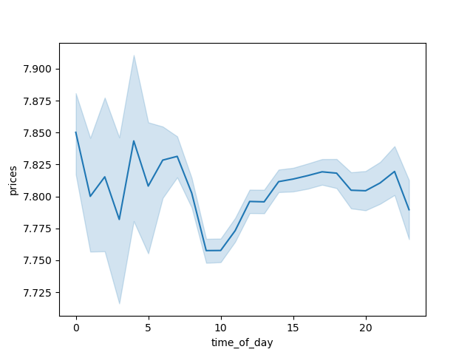

 | Recommendation: The analysis suggests that the early morning hours, between approximately 3 am and 5 am, witness the highest average price per order. Subsequently, there is a gradual decline in average prices until around 10 am, followed by a slight increase leading up to 7 pm.

 | 3. Instacart aims to simplify its product price range groupings to streamline marketing and sales efforts, facilitating more focused strategies.

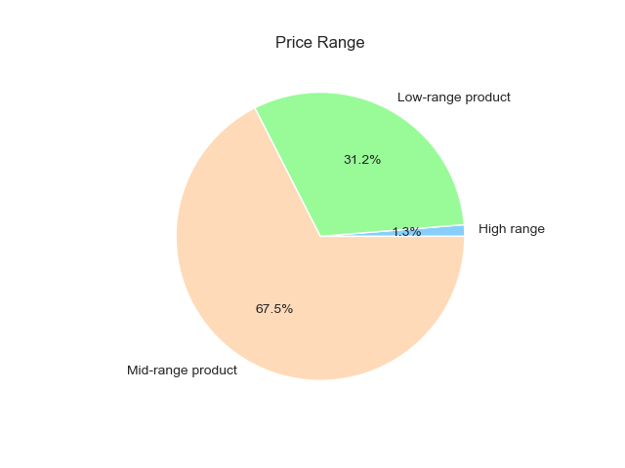

 |  | Recommendation: The recommended approach for creating price range groupings involved categorizing products into three tiers: low (under $5), mid (between $5 and $15), and high (over $15). With midrange products constituting over 60% of sales, prioritizing this segment should be the main focus for the sales team."

 | 4. How is brand loyalty distributed among users, reflecting their frequency of returning to Instacart?"

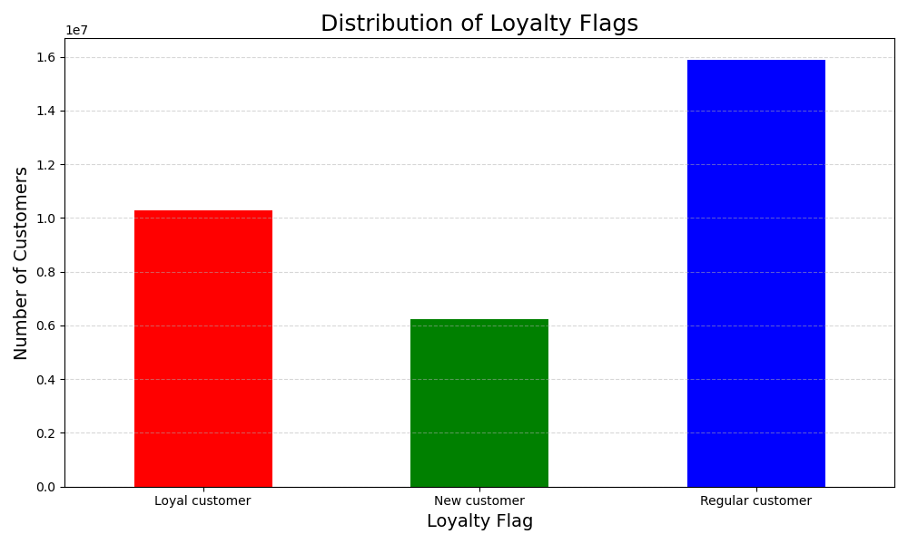
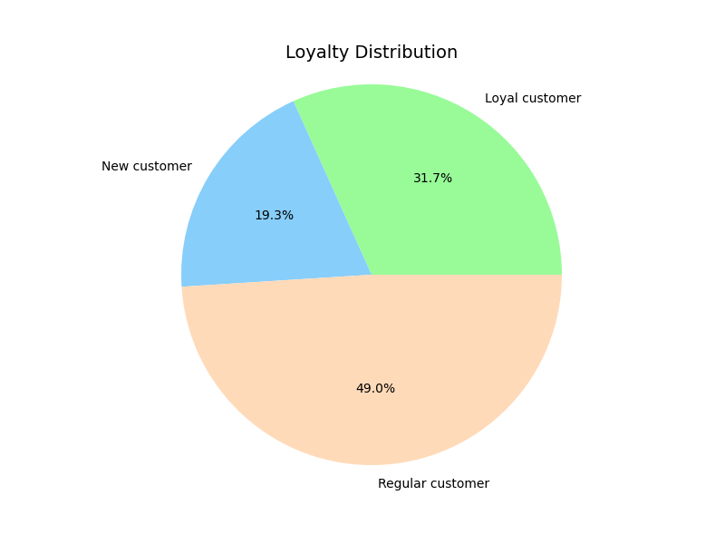

 |  |  | "Recommendation: Among customers, 49% are classified as regular, making purchases every 10 to 20 days, while 31.7% are deemed loyal, returning within 10 days. New customers account for 19.3% of the total. The majority of customers shop a few times a month."

 | 5. Are there differences in ordering habits based on a customer’s region?

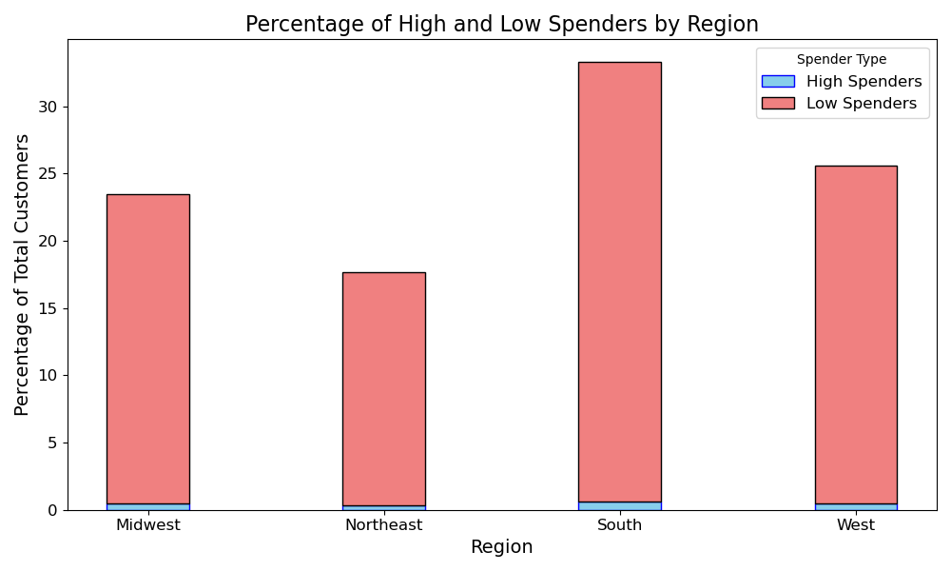
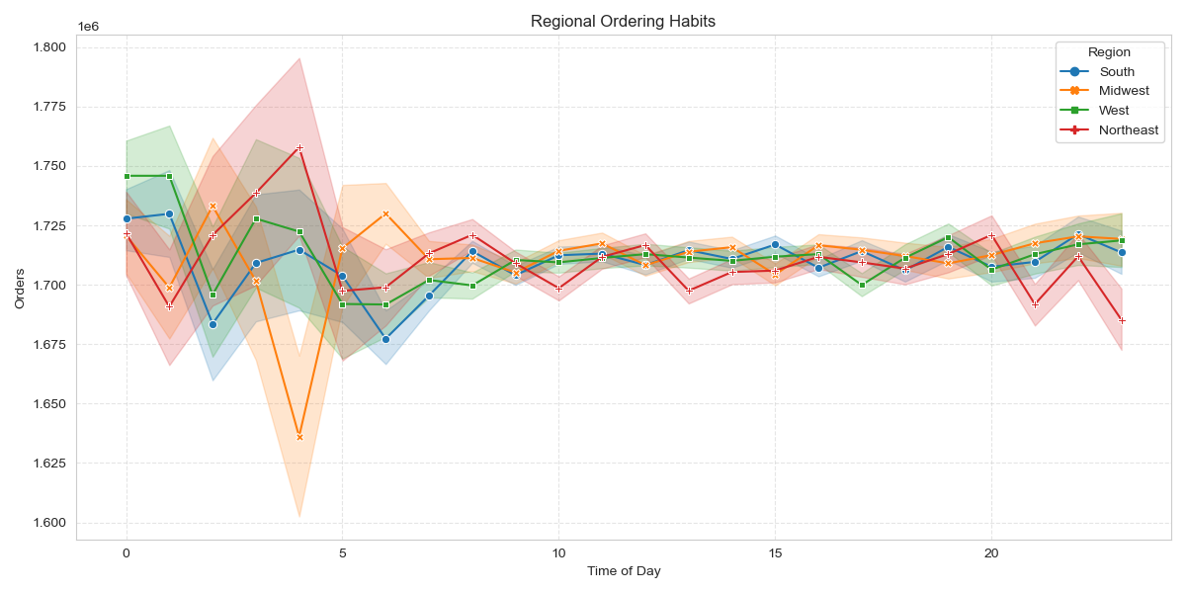

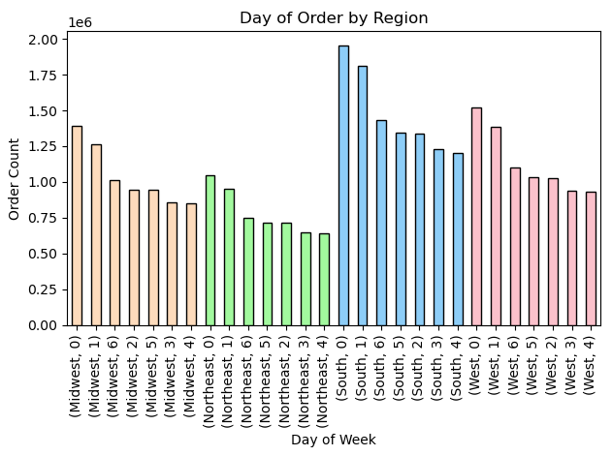

 |  | "Recommendation: Consistently across all regions, there is a balanced distribution between high and low spenders. Weekends witness the highest order volumes, while Wednesdays observe the lowest. Furthermore, late-night and early-morning hours consistently mark the peak and nadir of order placements across all regions."

 |  | 6.Is there a correlation between age and family status concerning ordering behavior?

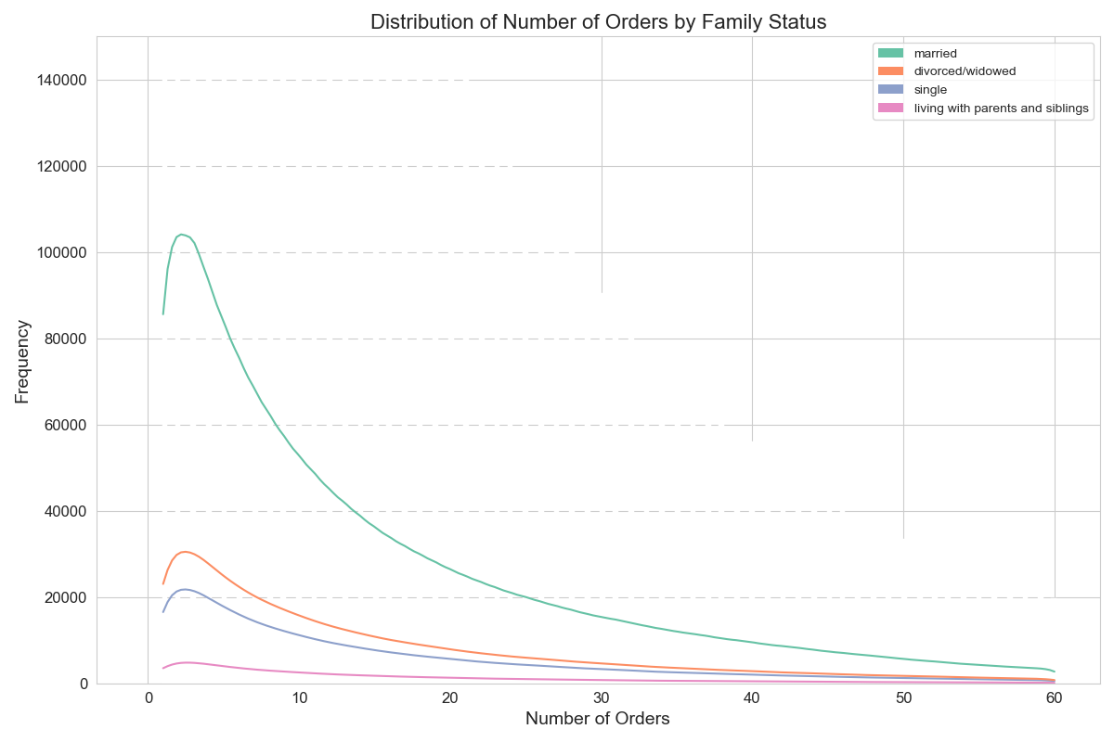
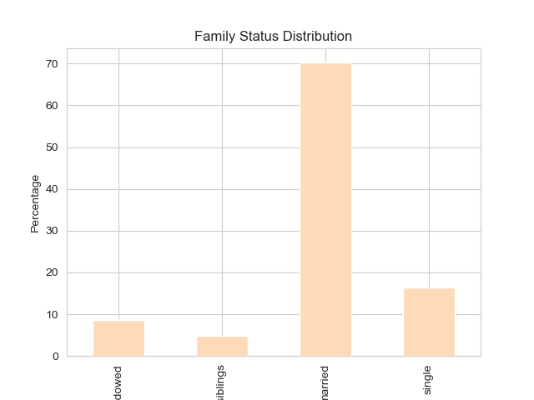
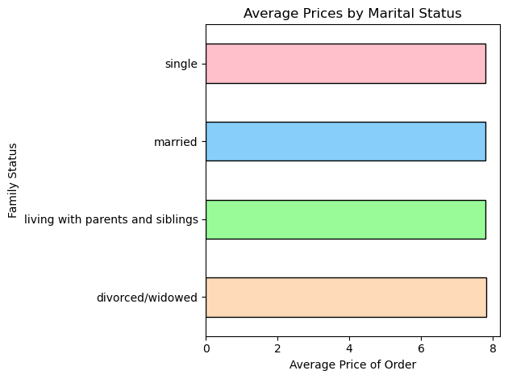

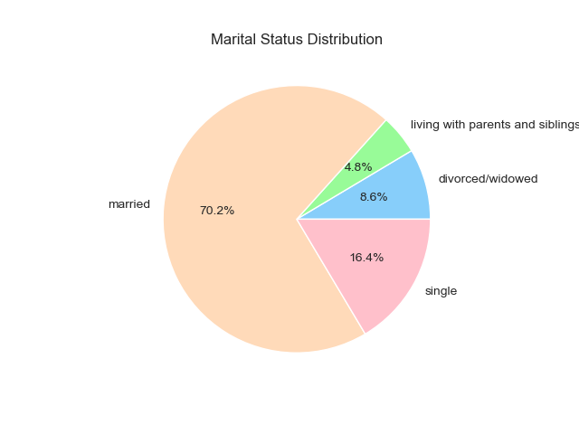

 |  | Recommendation: Given that 70.2% of customers are married, targeting this demographic would be prudent. Analysis reveals slight variations in average spending across different age and marital status categories. Notably, individuals living with parents and siblings tend to spend the least, while singles and young adults exhibit higher spending tendencies."

