top100games
Title | Platform | Year | Metascore | User Score |  | Title | Platform | Year | Metascore | User Score
The Legend of Zelda: Ocarina of Time | Nintendo 64 | 1998 | 99 | 9.1 | Среднее | - | - | - | 95.5 | 8.6
Tony Hawk's Pro Skater 2 | PlayStation | 2000 | 98 | 7.5 | Медиана | - | - | 2,007.0 | 95.0 | 8.7
Grand Theft Auto IV | PlayStation 3 | 2008 | 98 | 7.8 | Мода | - | - | 2011 | 94 | 9.1
SoulCalibur | Dreamcast | 1999 | 98 | 8.5 | Минимум | - | - | 1,996 | 94.0 | 7.5
Grand Theft Auto IV | Xbox 360 | 2008 | 98 | 8 | Максимум | - | - | 2,023 | 99.0 | 9.3
Super Mario Galaxy | Wii | 2007 | 97 | 9.1 | Размах | - | - | 27 | 5.0 | 1.8
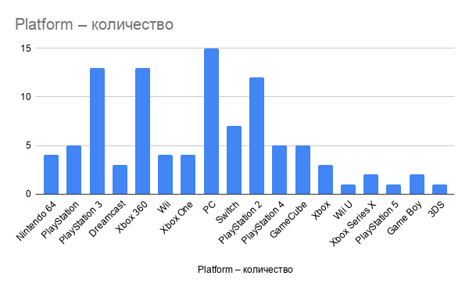
Super Mario Galaxy 2 | Wii | 2010 | 97 | 9.1
Red Dead Redemption 2 | Xbox One | 2018 | 97 | 8.2
Grand Theft Auto V | Xbox One | 2014 | 97 | 7.9
Grand Theft Auto V | PlayStation 3 | 2013 | 97 | 8.3
Disco Elysium: The Final Cut | PC | 2021 | 97 | 8.3
Grand Theft Auto V | Xbox 360 | 2013 | 97 | 8.3
Tony Hawk's Pro Skater 2 | Dreamcast | 2000 | 97 | 8
The Legend of Zelda: Breath of the Wild | Switch | 2017 | 97 | 8.7
Tony Hawk's Pro Skater 3 | PlayStation 2 | 2001 | 97 | 7.5
Perfect Dark | Nintendo 64 | 2000 | 97 | 8.8
Red Dead Redemption 2 | PlayStation 4 | 2018 | 97 | 8.7
Grand Theft Auto V | PlayStation 4 | 2014 | 97 | 8.3
Metroid Prime | GameCube | 2002 | 97 | 8.9
Grand Theft Auto III | PlayStation 2 | 2001 | 97 | 8.4
Super Mario Odyssey | Switch | 2017 | 97 | 8.9
Halo: Combat Evolved | Xbox | 2001 | 97 | 8.7
NFL 2K1 | Dreamcast | 2000 | 97 | 8.5
Half-Life 2 | PC | 2004 | 96 | 9.2
Grand Theft Auto V | PC | 2015 | 96 | 7.9
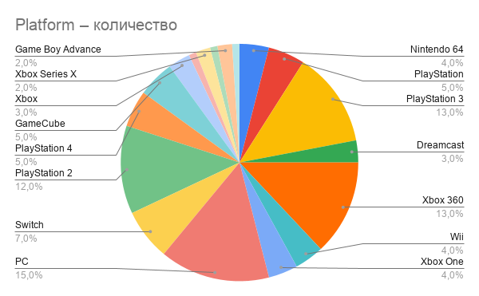
The Legend of Zelda: Breath of the Wild | Wii U | 2017 | 96 | 8.3
BioShock | Xbox 360 | 2007 | 96 | 9
GoldenEye 007 | Nintendo 64 | 1997 | 96 | 9
Uncharted 2: Among Thieves | PlayStation 3 | 2009 | 96 | 8.8
Resident Evil 4 | GameCube | 2005 | 96 | 9.2
The Orange Box | Xbox 360 | 2007 | 96 | 8.9
The Orange Box | PC | 2007 | 96 | 9.1
Batman: Arkham City | PlayStation 3 | 2011 | 96 | 8.8
Portal Companion Collection | Switch | 2022 | 96 | 8.2
Tekken 3 | PlayStation | 1998 | 96 | 9.1
Elden Ring | Xbox Series X | 2022 | 96 | 7.6
Mass Effect 2 | Xbox 360 | 2010 | 96 | 8.9
The House in Fata Morgana - Dreams of the Revenants Edition - | Switch | 2021 | 96 | 8.6
The Legend of Zelda: Twilight Princess | GameCube | 2006 | 96 | 8.9
Elden Ring | PlayStation 5 | 2022 | 96 | 7.8
The Elder Scrolls V: Skyrim | Xbox 360 | 2011 | 96 | 8.6
Half-Life | PC | 1998 | 96 | 9.1
Resident Evil 4 | PlayStation 2 | 2005 | 96 | 9.3
The Legend of Zelda: The Wind Waker | GameCube | 2003 | 96 | 9
Gran Turismo | PlayStation | 1998 | 96 | 8.6
BioShock | PC | 2007 | 96 | 8.6
Metal Gear Solid 2: Sons of Liberty | PlayStation 2 | 2001 | 96 | 8.8
Grand Theft Auto Double Pack | Xbox | 2003 | 96 | 8.2
Baldur's Gate II: Shadows of Amn | PC | 2000 | 95 | 9.1
Grand Theft Auto: San Andreas | PlayStation 2 | 2004 | 95 | 9.1
Grand Theft Auto: Vice City | PlayStation 2 | 2002 | 95 | 8.8
LittleBigPlanet | PlayStation 3 | 2008 | 95 | 8.8
The Legend of Zelda Collector's Edition | GameCube | 2003 | 95 | 8.9
Red Dead Redemption | PlayStation 3 | 2010 | 95 | 8.9
Gran Turismo 3: A-Spec | PlayStation 2 | 2001 | 95 | 8.4
Halo 2 | Xbox | 2004 | 95 | 8.7
Persona 5 Royal | PC | 2022 | 95 | 8.4
The Legend of Zelda: A Link to the Past | Game Boy Advance | 2002 | 95 | 9
The Legend of Zelda: Majora's Mask | Nintendo 64 | 2000 | 95 | 9.1
The Last of Us | PlayStation 3 | 2013 | 95 | 9.2
The Legend of Zelda: Twilight Princess | Wii | 2006 | 95 | 9
Madden NFL 2003 | PlayStation 2 | 2002 | 95 | 7.6
Tony Hawk's Pro Skater 2 | Game Boy Advance | 2001 | 95 | 8
Persona 5 Royal | PlayStation 4 | 2020 | 95 | 8.5
The Last of Us Remastered | PlayStation 4 | 2014 | 95 | 9.2
Portal 2 | PC | 2011 | 95 | 9.1
Red Dead Redemption | Xbox 360 | 2010 | 95 | 9
Portal 2 | Xbox 360 | 2011 | 95 | 8.8
Metal Gear Solid V: The Phantom Pain | Xbox One | 2015 | 95 | 7.6
Portal 2 | PlayStation 3 | 2011 | 95 | 8.7
Tetris Effect: Connected | Switch | 2021 | 94 | 7.9
World of Goo | Wii | 2008 | 94 | 8.7
The Elder Scrolls V: Skyrim | PC | 2011 | 94 | 8.4
BioShock Infinite | PlayStation 3 | 2013 | 94 | 8.5
Final Fantasy IX | PlayStation | 2000 | 94 | 9
Call of Duty: Modern Warfare 2 | PlayStation 3 | 2009 | 94 | 9
God of War | PlayStation 4 | 2018 | 94 | 9.1
Tony Hawk's Pro Skater 4 | PlayStation 2 | 2002 | 94 | 8.3
Devil May Cry | PlayStation 2 | 2001 | 94 | 8.6
Call of Duty 4: Modern Warfare | PlayStation 3 | 2007 | 94 | 8.4
Madden NFL 2002 | PlayStation 2 | 2001 | 94 | 8.7
Batman: Arkham City | Xbox 360 | 2011 | 94 | 8.8
Persona 5 Royal | Xbox Series X | 2022 | 94 | 8.4
Mass Effect 2 | PC | 2010 | 94 | 8.9
The Legend of Zelda: Ocarina of Time 3D | 3DS | 2011 | 94 | 9.1
Chrono Cross | PlayStation | 2000 | 94 | 8.8
Celeste | Xbox One | 2018 | 94 | 7.7
BioShock | PlayStation 3 | 2008 | 94 | 9
Metroid Prime Remastered | Switch | 2023 | 94 | 8.8
Mass Effect 2 | PlayStation 3 | 2011 | 94 | 8.7
Grand Theft Auto: Vice City | PC | 2003 | 94 | 8.7
Madden NFL 2004 | PlayStation 2 | 2003 | 94 | 8.2
Gears of War | Xbox 360 | 2006 | 94 | 8.4
The Elder Scrolls IV: Oblivion | Xbox 360 | 2006 | 94 | 8.8
Persona 5 Royal | Switch | 2022 | 94 | 8.4
Sid Meier's Civilization II | PC | 1996 | 94 | 8.7
Quake | PC | 1996 | 94 | 8.7
Call of Duty 4: Modern Warfare | Xbox 360 | 2007 | 94 | 8.5
BioShock Infinite | PC | 2013 | 94 | 8.6
Halo 3 | Xbox 360 | 2007 | 94 | 8.2

