Software Engineering Gantt
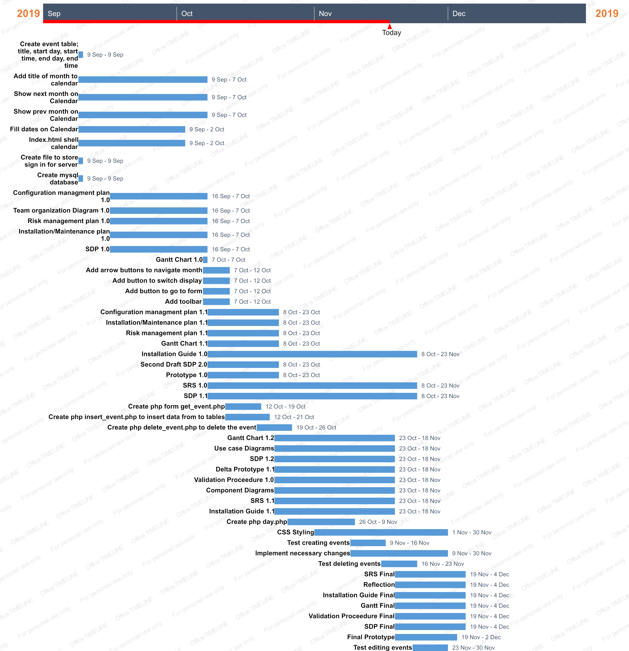
Title | Assigned to | Start date | End date | Slack | Duration (in days) | % Complete
Create event table; title, start day, start time, end day, end time | Mohan | 09/09/2019 | 09/09/2019 | 0 | 1 | 100
Add title of month to calendar | Kirsten | 09/09/2019 | 10/07/2019 | 7 | 21 | 100
Show next month on Calendar | Kirsten | 09/09/2019 | 10/07/2019 | 7 | 21 | 100
Show prev month on Calendar | Kirsten | 09/09/2019 | 10/07/2019 | 7 | 21 | 100
Fill dates on Calendar | Kirsten | 09/09/2019 | 10/02/2019 | 6 | 18 | 100
Index.html shell calendar | Kirsten | 09/09/2019 | 10/02/2019 | 6 | 18 | 100
Create file to store sign in for server | Ate-jah | 09/09/2019 | 09/09/2019 | 0 | 1 | 100
Create mysql database | Mohan | 09/09/2019 | 09/09/2019 | 0 | 1 | 100
Configuration managment plan 1.0 | Kirsten | 09/16/2019 | 10/07/2019 | 5 | 16 | 100
Team organization Diagram 1.0 | Kirsten | 09/16/2019 | 10/07/2019 | 5 | 16 | 100
Risk management plan 1.0 | James | 09/16/2019 | 10/07/2019 | 5 | 16 | 100
Installation/Maintenance plan 1.0 | Kirsten | 09/16/2019 | 10/07/2019 | 5 | 16 | 100
SDP 1.0 | Everyone | 09/16/2019 | 10/07/2019 | 5 | 16 | 100
Gantt Chart 1.0 | Kirsten | 10/07/2019 | 10/07/2019 | 0 | 1 | 100
Add arrow buttons to navigate month | Kirsten | 10/07/2019 | 10/12/2019 | 2 | 5 | 100
Add button to switch display | Kirsten | 10/07/2019 | 10/12/2019 | 2 | 5 | 100
Add button to go to form | Kirsten | 10/07/2019 | 10/12/2019 | 2 | 5 | 100
Add toolbar | Kirsten | 10/07/2019 | 10/12/2019 | 2 | 5 | 100
Configuration managment plan 1.1 | Kirsten | 10/08/2019 | 10/23/2019 | 4 | 12 | 100
Installation/Maintenance plan 1.1 | Mohan | 10/08/2019 | 10/23/2019 | 4 | 12 | 100
Risk management plan 1.1 | James | 10/08/2019 | 10/23/2019 | 4 | 12 | 100
Gantt Chart 1.1 | Kirsten | 10/08/2019 | 10/23/2019 | 4 | 12 | 100
Installation Guide 1.0 | Kirsten | 10/08/2019 | 11/23/2019 | 10 | 34 | 0
Second Draft SDP 2.0 | Everyone | 10/08/2019 | 10/23/2019 | 4 | 12 | 100
Prototype 1.0 | Everyone | 10/08/2019 | 10/23/2019 | 4 | 12 | 45
SRS 1.0 | Kirsten & Ate-jah | 10/08/2019 | 11/23/2019 | 10 | 34 | 0
SDP 1.1 | Everyone | 10/08/2019 | 11/23/2019 | 10 | 34 | 100
Create php form get_event.php | Kirsten | 10/12/2019 | 10/19/2019 | 2 | 5 | 100
Create php insert_event.php to insert data from to tables | Kirsten | 10/12/2019 | 10/21/2019 | 2 | 6 | 100
Create php delete_event.php to delete the event | Kirsten | 10/19/2019 | 10/26/2019 | 2 | 5 | 100
Gantt Chart 1.2 | Kirsten | 10/23/2019 | 11/18/2019 | 6 | 19 | 100
Use case Diagrams | Ate-jah | 10/23/2019 | 11/18/2019 | 6 | 19 | 100
SDP 1.2 | Everyone | 10/23/2019 | 11/18/2019 | 6 | 19 | 100
Delta Prototype 1.1 | Everyone | 10/23/2019 | 11/18/2019 | 6 | 19 | 40
Validation Proceedure 1.0 | James | 10/23/2019 | 11/18/2019 | 6 | 19 | 0
Component Diagrams | Ate-jah | 10/23/2019 | 11/18/2019 | 6 | 19 | 0
SRS 1.1 | Kirsten | 10/23/2019 | 11/18/2019 | 6 | 19 | 0
Installation Guide 1.1 | Kirsten | 10/23/2019 | 11/18/2019 | 6 | 19 | 0
Create php day.php | Mohan | 10/26/2019 | 11/09/2019 | 3 | 10 | 25
CSS Styling | Everyone | 11/01/2019 | 11/30/2019 | 6 | 21 | 75
Test creating events | Kirsten & Ate-jah | 11/09/2019 | 11/16/2019 | 2 | 5 | 0
Implement necessary changes | Everyone | 11/09/2019 | 11/30/2019 | 5 | 15 | 0
Test deleting events | James & Mohan | 11/16/2019 | 11/23/2019 | 2 | 5 | 0
SRS Final | Everyone | 11/19/2019 | 12/04/2019 | 4 | 12 | 0
Reflection | Everyone | 11/19/2019 | 12/04/2019 | 4 | 12 | 0
Installation Guide Final | Kirsten | 11/19/2019 | 12/04/2019 | 4 | 12 | 0
Gantt Final | Kirsten | 11/19/2019 | 12/04/2019 | 4 | 12 | 0
Validation Proceedure Final | James | 11/19/2019 | 12/04/2019 | 4 | 12 | 0
SDP Final | Everyone | 11/19/2019 | 12/04/2019 | 4 | 12 | 0
Final Prototype | Everyone | 11/19/2019 | 12/02/2019 | 3 | 10 | 0
Test editing events | Kirsten & Ate-jah | 11/23/2019 | 11/30/2019 | 2 | 5 | 0
Implement changes | Everyone | 11/30/2019 | 04/12/2019 | 1 | 4 | 0
Have client test product | Shannon | 11/30/2019 | 04/12/2019 | 1 | 4 | 0

