Workshop

 | Zero Trust Workshop - Devices
First
Then
Next

Tenant Administration
 |  | Device filters | Device groups | User groups |  |  | Tunnel based VPN access for unenrolled devices | MAM filters
 |  | Blocked | In progress | Completed |  |  | MS Roadmap | MS Roadmap

Foundational requirements
MAM
App Protection
for
iOS devices
 | Review enrolled vs unenrolled for BYOD/Corporate | Data protection | Access requirements | Conditional launch
 | Planned | In progress | Will not pursue | Third Party
Setup App Protection Policies
 | Review security, compliance, resource access requirements (Certs/Wi-Fi/VPN)
 | Not started

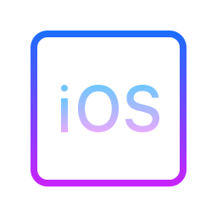 |  |  | Data protection framework using App protection | MAM Compliance and Conditional Access | RBAC | Remote actions
 |  |  | In progress | In progress | In progress | In progress
Advanced reqs
 | Review App config vs App protection policies | App config settings
 | Not started | In progress

Foundational requirements
 | Review enrolled vs unenrolled for BYOD/Corporate | Data protection | Access requirements | Conditional launch
 | Planned | In progress | Will not pursue | Third Party
MAM
App Protection
for
Android devices
Setup App Protection Policies
 | Review security, compliance, resource access requirements (Certs/Wi-Fi/VPN)
 | Not started

 |  |  | Data protection framework using App protection | MAM Compliance and Conditional Access | RBAC | Remote actions
 |  |  | In progress | In progress | In progress | In progress
Advanced reqs
 | Review App config vs App protection policies | App config settings
 | Not started | In progress

