Sheet1
No | Screen ID | Screen
1 | MMA-001-Splash | 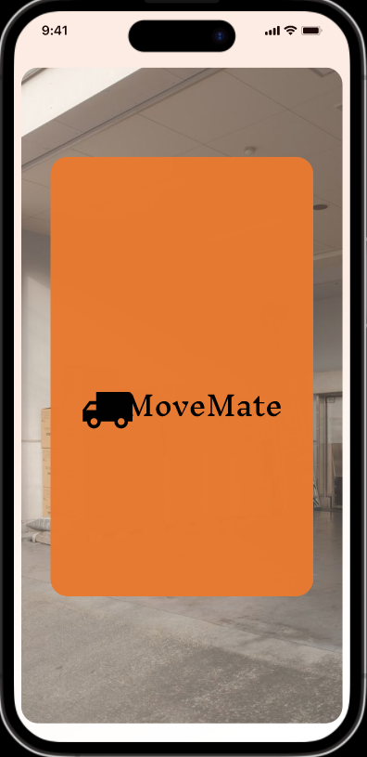

2 | MMA-002-Intro | 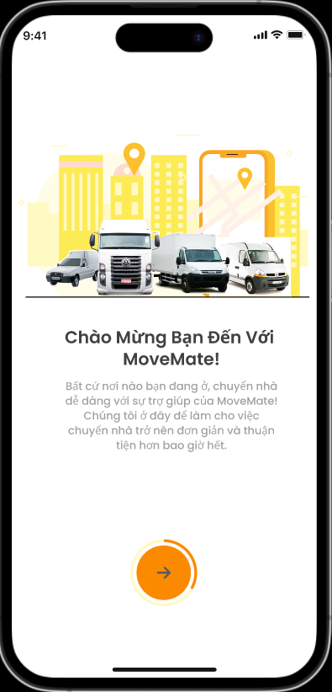

3 | MMA-003-Intro | 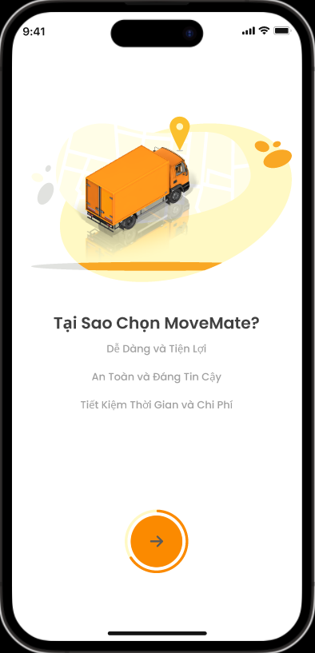

4 | MMA-004-Intro | 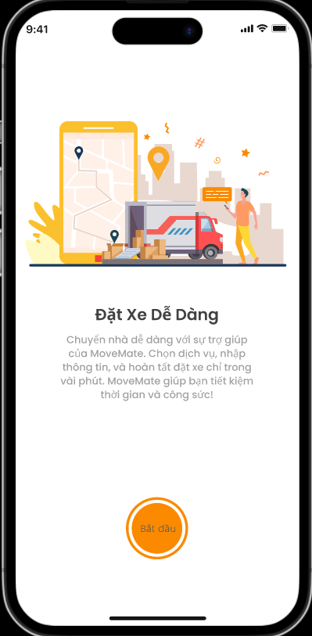

5 | MMA-005-Register information | 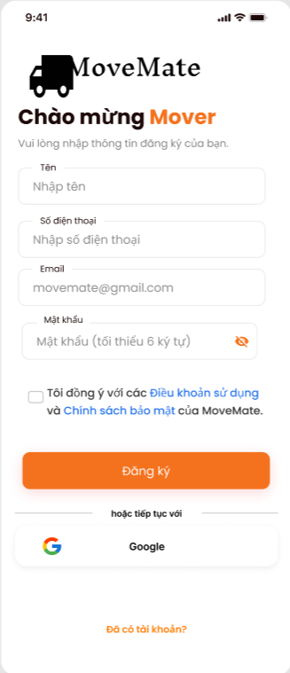

6 | MMA-006-Terms of use | 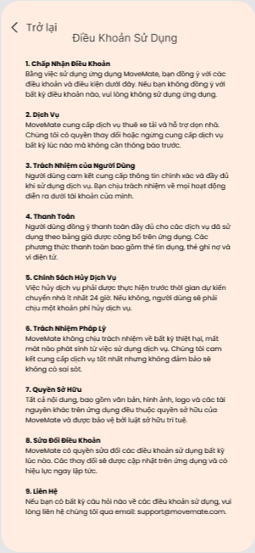

7 | MMA-007-Privacy policy | 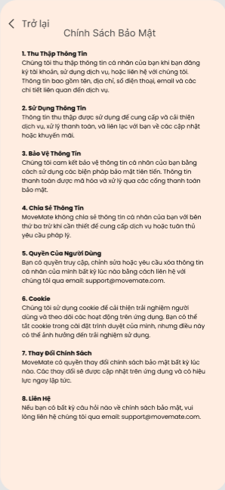

8 | MMA-008-Confirm code | 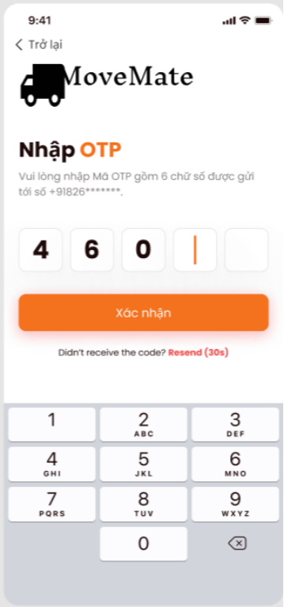

9 | MMA-009-Sign in | 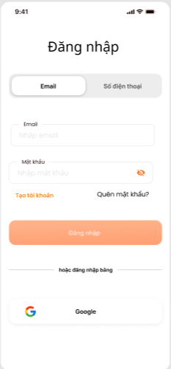 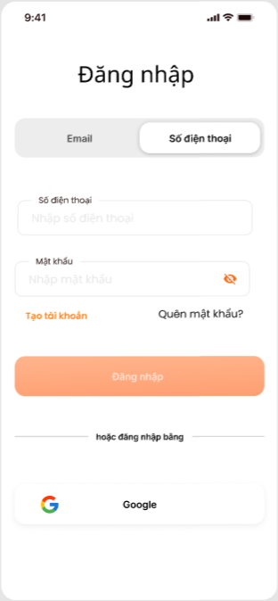

10 | MMA-010-Homepage

11 | MMA-011-Register phone number | 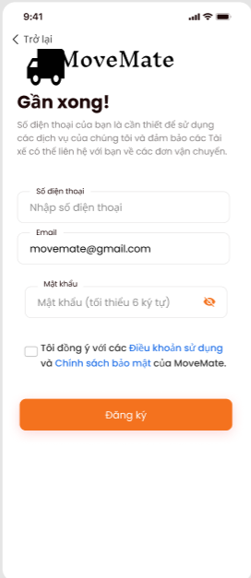

12 | MMA-012-Forget password | 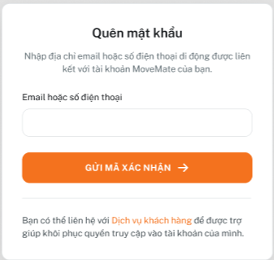

13 | MMA-013-Reset password | 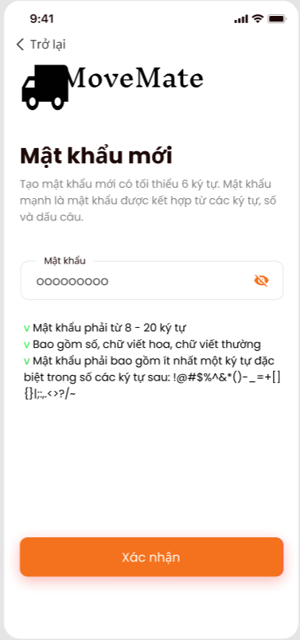

14 | MMA-014-Location | 

15 | MMA-015-Get location | 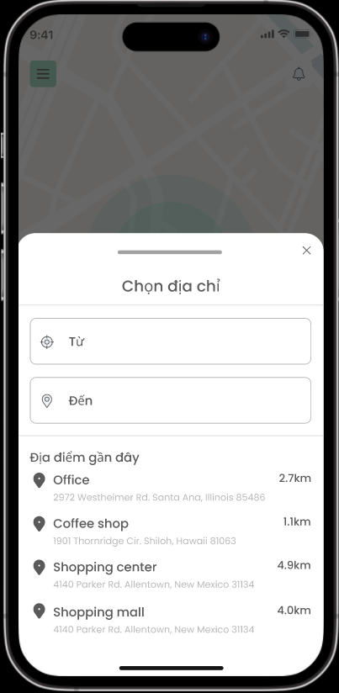

16 | MMA-016-Get time | 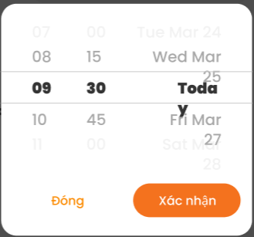

17 | MMA-017-OrderInfor | 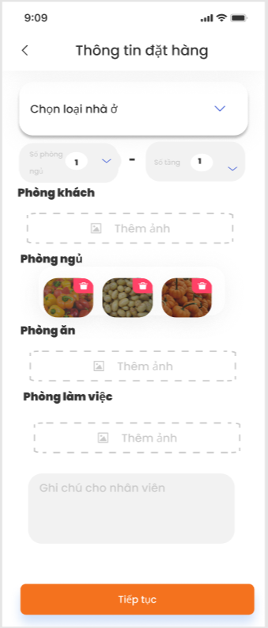

18 | MMA-018-Truck selection | 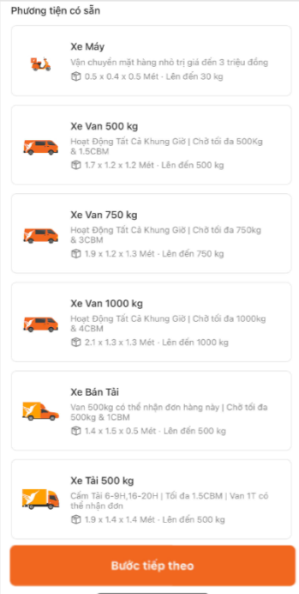

19 | MMA-019-Processing | 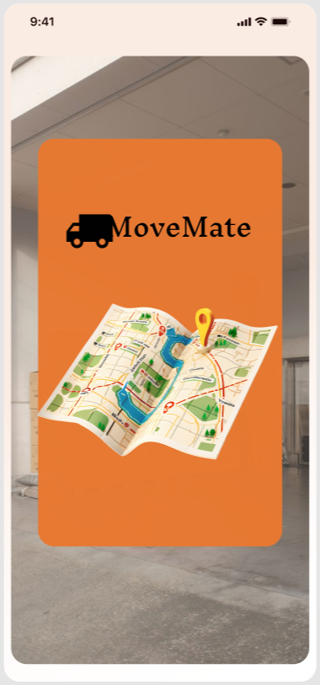

20 | MMA-020-Truck | 