Initial_Schedule
Target Area Name | Start Time | Stop Time | Duration | Pass | Roll Angle
Bangladesh | 6/14/31 | 6/14/31 | 162 | 4 | 20.707086181 | Average
Brazil | 6/14/31 | 6/14/31 | 162 | 10 | 4.4083332045 | 18.666376967
Venuzela | 6/14/31 | 6/14/31 | 162 | 11 | 33.483041609
Sichuan_Basin_China | 6/15/31 | 6/15/31 | 162 | 18 | 16.954102515
New_York_City | 6/15/31 | 6/15/31 | 162 | 25 | 39.659298994
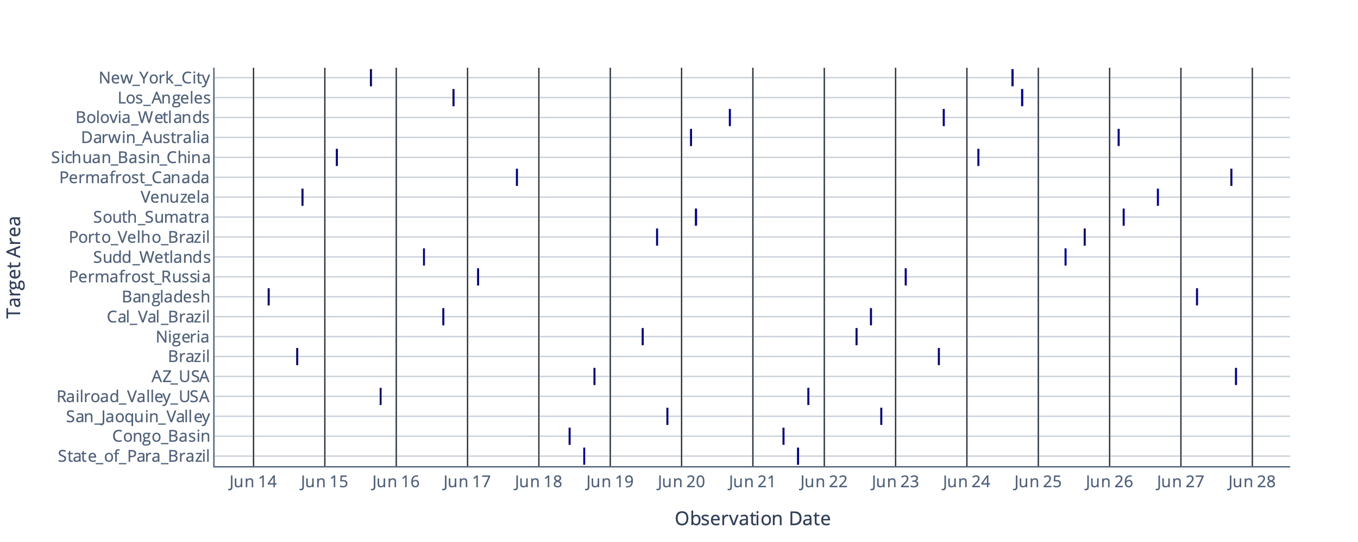
Railroad_Valley_USA | 6/15/31 | 6/15/31 | 162 | 27 | 3.1643286355
Sudd_Wetlands | 6/16/31 | 6/16/31 | 162 | 36 | 8.1239854403
Cal_Val_Brazil | 6/16/31 | 6/16/31 | 162 | 40 | 5.3601179737
Los_Angeles | 6/16/31 | 6/16/31 | 162 | 42 | 25.888970909
Permafrost_Russia | 6/17/31 | 6/17/31 | 162 | 47 | 22.060518368
Permafrost_Canada | 6/17/31 | 6/17/31 | 162 | 55 | 11.915192389
Congo_Basin | 6/18/31 | 6/18/31 | 162 | 66 | 10.107429596
State_of_Para_Brazil | 6/18/31 | 6/18/31 | 162 | 69 | 6.8836974949
AZ_USA | 6/18/31 | 6/18/31 | 162 | 71 | 7.6213463673
Nigeria | 6/19/31 | 6/19/31 | 162 | 81 | 9.7071051035
Porto_Velho_Brazil | 6/19/31 | 6/19/31 | 162 | 84 | 14.00582249
San_Jaoquin_Valley | 6/19/31 | 6/19/31 | 162 | 86 | 12.135071657
Darwin_Australia | 6/20/31 | 6/20/31 | 162 | 91 | 32.455755738
South_Sumatra | 6/20/31 | 6/20/31 | 162 | 92 | 28.45616341
Bolovia_Wetlands | 6/20/31 | 6/20/31 | 162 | 99 | 31.214558075
Congo_Basin | 6/21/31 | 6/21/31 | 162 | 110 | 2.0835252924
State_of_Para_Brazil | 6/21/31 | 6/21/31 | 162 | 113 | 1.2069311966
Railroad_Valley_USA | 6/21/31 | 6/21/31 | 162 | 115 | 15.389472498
Nigeria | 6/22/31 | 6/22/31 | 162 | 125 | 17.24545643
Cal_Val_Brazil | 6/22/31 | 6/22/31 | 162 | 128 | 20.541557249
San_Jaoquin_Valley | 6/22/31 | 6/22/31 | 162 | 130 | 5.7678710427
Permafrost_Russia | 6/23/31 | 6/23/31 | 162 | 135 | 13.792585853
Brazil | 6/23/31 | 6/23/31 | 162 | 142 | 17.744896479
Bolovia_Wetlands | 6/23/31 | 6/23/31 | 162 | 143 | 25.475189117
Sichuan_Basin_China | 6/24/31 | 6/24/31 | 162 | 150 | 33.187655704
New_York_City | 6/24/31 | 6/24/31 | 162 | 157 | 47.517141555
Los_Angeles | 6/24/31 | 6/24/31 | 162 | 159 | 41.191002846
Sudd_Wetlands | 6/25/31 | 6/25/31 | 162 | 168 | 29.085039488
Porto_Velho_Brazil | 6/25/31 | 6/25/31 | 162 | 172 | 27.598080469
Darwin_Australia | 6/26/31 | 6/26/31 | 162 | 179 | 20.435608017
South_Sumatra | 6/26/31 | 6/26/31 | 162 | 180 | 14.945975548
Venuzela | 6/26/31 | 6/26/31 | 162 | 187 | 6.6570676279
Bangladesh | 6/27/31 | 6/27/31 | 162 | 195 | 14.91747978
Permafrost_Canada | 6/27/31 | 6/27/31 | 162 | 202 | 34.973014998
AZ_USA | 6/27/31 | 6/27/31 | 162 | 203 | 12.587601326

Schedule_for_Revisit
Target Area Name | Start Time | Stop Time | Duration | Pass | Roll Angle
Congo_Basin | 6/14/31 | 6/14/31 | 162 | 7 | 42.456527849 | Average
New_York_City | 6/14/31 | 6/14/31 | 162 | 11 | 47.527549935 | 31.013512284
Nigeria | 6/15/31 | 6/15/31 | 162 | 22 | 49.865543908
Permafrost_Canada | 6/15/31 | 6/15/31 | 162 | 25 | 48.95976255
Target Revisit- June
AZ_USA | 6/15/31 | 6/15/31 | 162 | 27 | 14.173950006
South_Sumatra | 6/16/31 | 6/16/31 | 162 | 33 | 29.894567869
Sudd_Wetlands | 6/16/31 | 6/16/31 | 162 | 36 | 8.1239854403
Venuzela | 6/16/31 | 6/16/31 | 162 | 40 | 35.235680997
Bangladesh | 6/17/31 | 6/17/31 | 162 | 48 | 26.669052504
State_of_Para_Brazil | 6/17/31 | 6/17/31 | 162 | 54 | 47.160919917
Cal_Val_Brazil | 6/17/31 | 6/17/31 | 162 | 55 | 47.675243453
Permafrost_Russia | 6/18/31 | 6/18/31 | 162 | 61 | 45.662751418
Sichuan_Basin_China | 6/18/31 | 6/18/31 | 162 | 62 | 22.957609656
Los_Angeles | 6/18/31 | 6/18/31 | 162 | 71 | 33.695142845
Darwin_Australia | 6/19/31 | 6/19/31 | 162 | 76 | 30.304541068
Porto_Velho_Brazil | 6/19/31 | 6/19/31 | 162 | 84 | 14.00582249
San_Jaoquin_Valley | 6/19/31 | 6/19/31 | 162 | 86 | 12.135071657
Brazil | 6/20/31 | 6/20/31 | 162 | 98 | 10.665659421
Bolovia_Wetlands | 6/20/31 | 6/20/31 | 162 | 99 | 31.214558075
Railroad_Valley_USA | 6/20/31 | 6/20/31 | 162 | 100 | 49.181964646
Congo_Basin | 6/21/31 | 6/21/31 | 162 | 110 | 2.0835252924
New_York_City | 6/21/31 | 6/21/31 | 162 | 113 | 45.217475023
Permafrost_Canada | 6/21/31 | 6/21/31 | 162 | 114 | 40.454379534
Nigeria | 6/22/31 | 6/22/31 | 162 | 125 | 17.24545643
Venuzela | 6/22/31 | 6/22/31 | 162 | 128 | 43.614994775
AZ_USA | 6/22/31 | 6/22/31 | 162 | 130 | 45.822489119
South_Sumatra | 6/23/31 | 6/23/31 | 162 | 136 | 22.090828951
Sudd_Wetlands | 6/23/31 | 6/23/31 | 162 | 139 | 39.237328459
Cal_Val_Brazil | 6/23/31 | 6/23/31 | 162 | 143 | 40.779465148
Requirement: Target Mode point sources L1-5
Carbon-I shall measure CH4, CO2, and CO with the precision and spatial sampling required to detect point sources exceeding 75 kg hr⁻¹ for CH4, 35 metric tons hr⁻¹ for CO2, and 700 kg hr⁻¹ for CO in specific regions (90 km × 90 km) of interest for our reference scenario³ with revisit capabilities of ≤7day.
Bangladesh | 6/24/31 | 6/24/31 | 162 | 151 | 21.490906002
State_of_Para_Brazil | 6/24/31 | 6/24/31 | 162 | 157 | 9.2472882973
Los_Angeles | 6/24/31 | 6/24/31 | 162 | 159 | 41.191002846
Permafrost_Russia | 6/25/31 | 6/25/31 | 162 | 164 | 28.508529307
Sichuan_Basin_China | 6/25/31 | 6/25/31 | 162 | 165 | 23.055364764
Porto_Velho_Brazil | 6/25/31 | 6/25/31 | 162 | 172 | 27.598080469
Darwin_Australia | 6/26/31 | 6/26/31 | 162 | 179 | 20.435608017
Bolovia_Wetlands | 6/26/31 | 6/26/31 | 162 | 187 | 18.971229021
San_Jaoquin_Valley | 6/26/31 | 6/26/31 | 162 | 189 | 44.063204606
Brazil | 6/27/31 | 6/27/31 | 162 | 201 | 35.759354073
Railroad_Valley_USA | 6/27/31 | 6/27/31 | 162 | 203 | 26.108075527

Prioritized_with_revisit
Target Area Name | Start Time | Stop Time | Duration | Pass | Roll Angle
Permafrost_Canada | 6/14/31 | 6/14/31 | 162 | 11 | 16.374994654
Railroad_Valley_USA | 6/14/31 | 6/14/31 | 162 | 12 | 44.551782355
Nigeria | 6/15/31 | 6/15/31 | 162 | 22 | 49.865543908 | Average Roll Angle | 25.139056773
New_York_City | 6/15/31 | 6/15/31 | 162 | 25 | 39.659298994
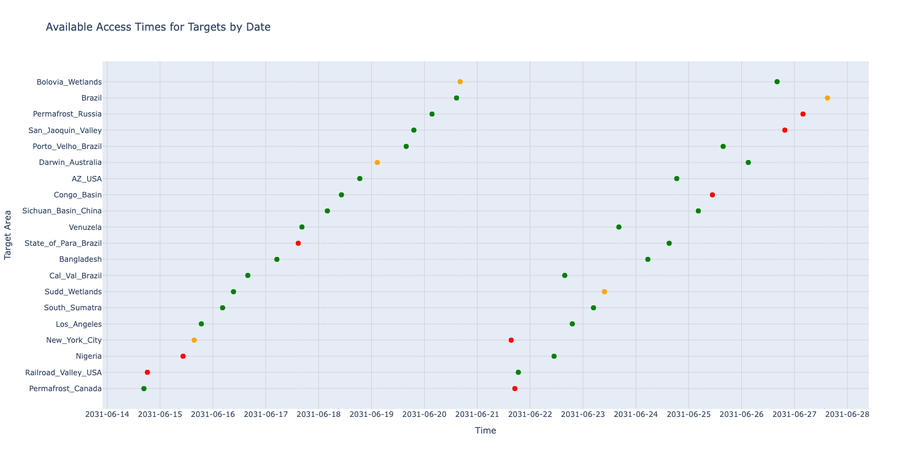
Los_Angeles | 6/15/31 | 6/15/31 | 162 | 27 | 29.158655822
South_Sumatra | 6/16/31 | 6/16/31 | 162 | 33 | 29.894567869
Sudd_Wetlands | 6/16/31 | 6/16/31 | 162 | 36 | 8.1239854403
Cal_Val_Brazil | 6/16/31 | 6/16/31 | 162 | 40 | 5.3601179737
Bangladesh | 6/17/31 | 6/17/31 | 162 | 48 | 26.669052504
State_of_Para_Brazil | 6/17/31 | 6/17/31 | 162 | 54 | 47.160919917
Venuzela | 6/17/31 | 6/17/31 | 162 | 55 | 27.904808998
Sichuan_Basin_China | 6/18/31 | 6/18/31 | 162 | 62 | 22.957609656
Congo_Basin | 6/18/31 | 6/18/31 | 162 | 66 | 10.107429596
AZ_USA | 6/18/31 | 6/18/31 | 162 | 71 | 7.6213463673
Darwin_Australia | 6/19/31 | 6/19/31 | 162 | 76 | 30.304541068
Porto_Velho_Brazil | 6/19/31 | 6/19/31 | 162 | 84 | 14.00582249
San_Jaoquin_Valley | 6/19/31 | 6/19/31 | 162 | 86 | 12.135071657
Permafrost_Russia | 6/20/31 | 6/20/31 | 162 | 91 | 18.038778703
Brazil | 6/20/31 | 6/20/31 | 162 | 98 | 10.665659421
Bolovia_Wetlands | 6/20/31 | 6/20/31 | 162 | 99 | 31.214558075
New_York_City | 6/21/31 | 6/21/31 | 162 | 113 | 45.217475023
Permafrost_Canada | 6/21/31 | 6/21/31 | 162 | 114 | 40.454379534
Railroad_Valley_USA | 6/21/31 | 6/21/31 | 162 | 115 | 15.389472498
Nigeria | 6/22/31 | 6/22/31 | 162 | 125 | 17.24545643
Cal_Val_Brazil | 6/22/31 | 6/22/31 | 162 | 128 | 20.541557249
Los_Angeles | 6/22/31 | 6/22/31 | 162 | 130 | 14.28351938
South_Sumatra | 6/23/31 | 6/23/31 | 162 | 136 | 22.090828951
Sudd_Wetlands | 6/23/31 | 6/23/31 | 162 | 139 | 39.237328459
Venuzela | 6/23/31 | 6/23/31 | 162 | 143 | 14.378569274
Bangladesh | 6/24/31 | 6/24/31 | 162 | 151 | 21.490906002
State_of_Para_Brazil | 6/24/31 | 6/24/31 | 162 | 157 | 9.2472882973
AZ_USA | 6/24/31 | 6/24/31 | 162 | 159 | 5.9785814905
Sichuan_Basin_China | 6/25/31 | 6/25/31 | 162 | 165 | 23.055364764
Congo_Basin | 6/25/31 | 6/25/31 | 162 | 169 | 47.511804521
Porto_Velho_Brazil | 6/25/31 | 6/25/31 | 162 | 172 | 27.598080469
Darwin_Australia | 6/26/31 | 6/26/31 | 162 | 179 | 20.435608017
Bolovia_Wetlands | 6/26/31 | 6/26/31 | 162 | 187 | 18.971229021
San_Jaoquin_Valley | 6/26/31 | 6/26/31 | 162 | 189 | 44.063204606
Permafrost_Russia | 6/27/31 | 6/27/31 | 162 | 194 | 40.837717373
Brazil | 6/27/31 | 6/27/31 | 162 | 201 | 35.759354073

