DFM template
Seeed Fusion Design for Assembly (DFA) report
 | Order Number: | A1780665 |  |  |  | Date: | 2022-08-03
 | Prepared by: | Yarui Wang |  |  |  | Last Updated: | 2022-08-03
Item | Problem Description | Reference/MPN |  | Impact | Image | Seeed Suggestion | Customer Feedback | Severity | Status
1 | The drill hole is too small. | All SW | CPG135001D01 | Difficulty inserting the part | 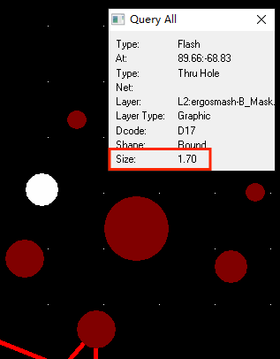 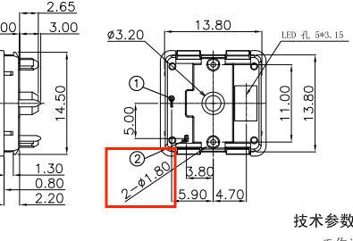 | Please update the footprint to match the datasheet |  | High | Open

