Overview

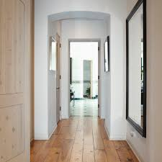

 | func Set_54674_ID_Hallway()



 |  | func Set_Object_In_Hallway_ID_KeyInHallway()
func Set_675467_ID_LivingRoom()

 |  | func Set_695485_ID_Store_Room()

func Set_ObjectIn_LivingRoom_537_ID_GoldBar

 | func Set_988193_ID_Grand_Father()

