Instructions
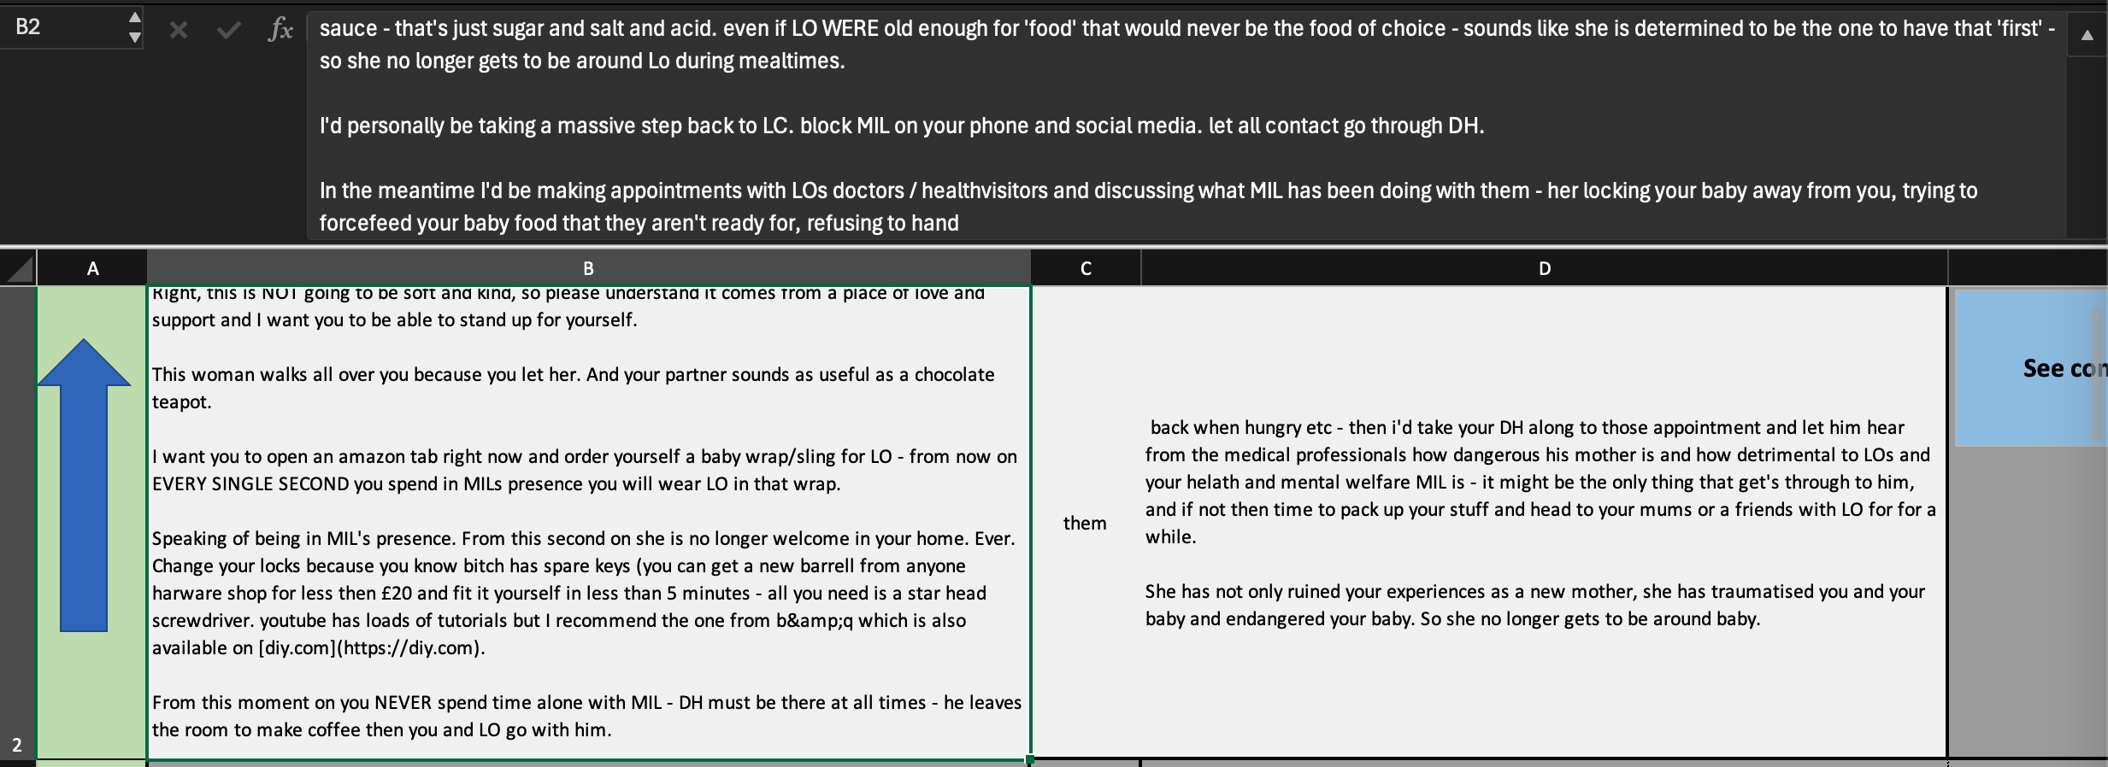

annotation
See comment on Reddit
 | Context Left | THEY | Context Right
 | I doubt they'll be more awkward. Have a read up on your rights as a tenant. Chances are, if the agent realises that you actually know your stuff, they're not gonna mess you about like a typical personal who doesn't know much. It's your legal right to know. You can make a written request to your agent, and they then have 21 days to provide you with the information. In fact, according to Section 48 of the Landlord and Tenant Act 1987, rent is not lawfully due unless you're given an address to serve your landlord notices (you can only hold rent until the information is received). Section 1 of the Landlord and Tenant Act 1985 states that you have the right to request this information. So quote these acts in an email, and threaten to withhold rent as you have not been provided with the landlord's name and address. If | they | refuse which is unlikely then you can send them a written notice and withhold rent. I doubt your agents will be awkward, you're quoting them your rights, showing them that you actually know what you're on about. I did this with a service charge and had no more problems with my agents afterwards. You also have rights regarding your deposit, so look them up and repeat the process if necessary... but I think you're overthinking it considering you haven't even asked lmao, just email or call them.
180 | Your Comment: |  | Type of 'they': | Examples:
PLURAL
 | The pronoun "%they%" refers to "**your agent**" (or "the agent"), mentioned in the preceding sentences ("You can make a written request to your agent..."). While the writer later uses the plural "agents", the immediate antecedent here is the singular noun "agent". The text addresses a specific person ("you") regarding a specific real-life entity ("your agent"), making it referential rather than generic. The prompt explicitly lists "**my agent**" as an example of the **Singular** category (a specific person whose gender is unknown to the speaker). singular Refers to the addressee’s specific letting agent (the agent handling their tenancy). It’s a specific, grammatically singular referent with gender unspecified, i.e., singular they. singular The pronoun refers to the agent, a specific singular individual, so singular |  |  | Semantic and impersonal plurality: plural nouns, people in power / the deciders or authors of something ("they say it's bad for you", "they gave the character a redemption arc"
 |  |  |  | Collective: Staff, Congress, a family, any team, the US, the name of a company
 |  |  |  | Notionally plural: Everyone, every NOUN, each NOUN, noone/nobody
GENERIC
 |  |  |  | Grammatically singular, but non-specific / non-referential. A person in a hypothetical scenario. A sentence using the singular for something that applies to all X ("The employee has the right to their opinion in this situation")
Remove choice
SINGULAR
 |  |  |  | Singular grammatically, semantically, and specific. Could be a person of non-binary gender identity, but doesn't have to be. "My neighbor", "my child" etc -- Gender remains obscured, but it is clearly a single person "The driver", "the costume artist", "someone I talked to once" -- The gender is not known but it is clearly a single person

180
16

Export Data Table

