Instructions
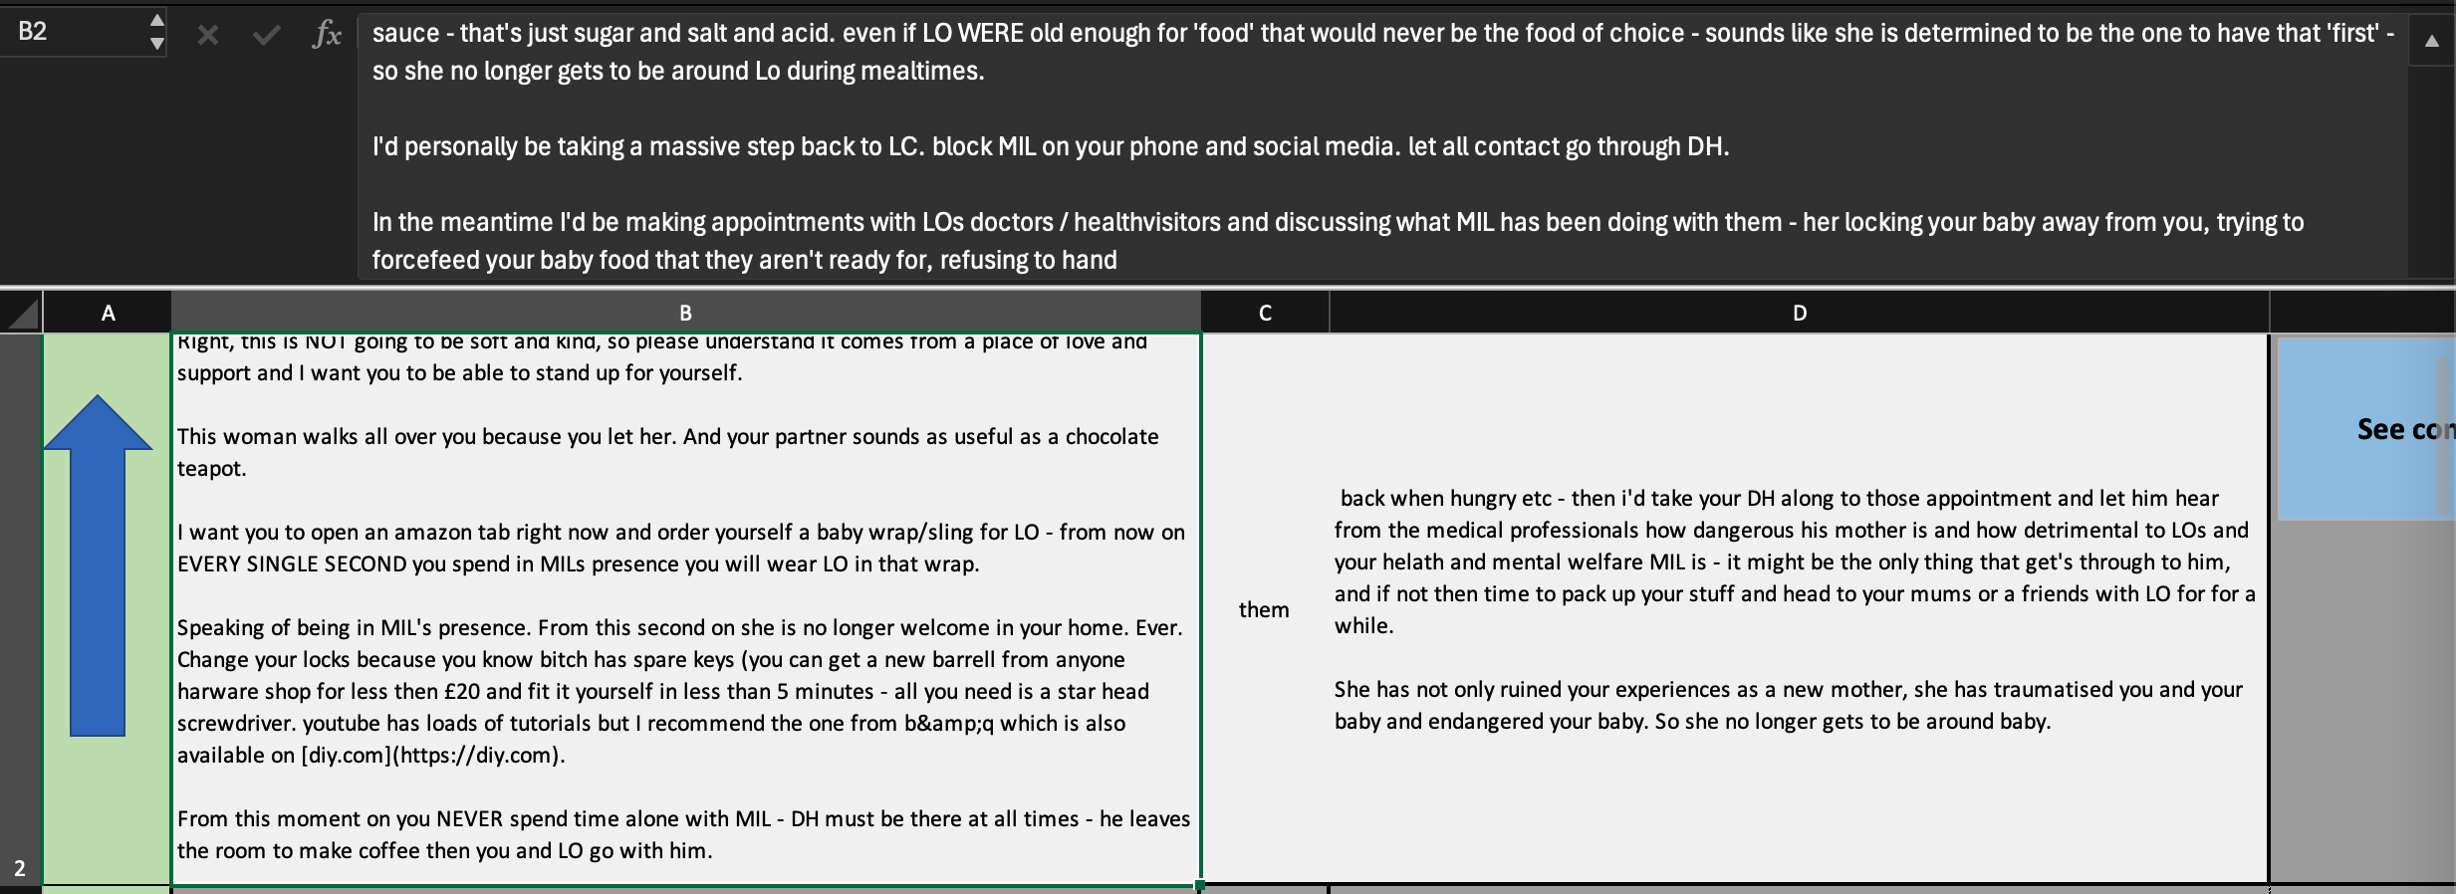

annotation
See comment on Reddit
 | Context Left | THEY | Context Right
 | I heard someone say this once and it made sense to me: "when it comes to my family, I'm a communist, with my neighbors, I'm a socialist, at the national level, I'm a libertarian, and so forth" Basically it was about levels of trust and perceived responsibility for this person. Consider that even the most rugged of individualists is likely not quite as stringent in enforcing their beliefs with | their | own family and community.
26 | Your Comment: |  | Type of 'they': | Examples:
PLURAL
 | This refers to something that applies to all "individualist" |  |  | Semantic and impersonal plurality: plural nouns, people in power / the deciders or authors of something ("they say it's bad for you", "they gave the character a redemption arc"
Doubt
 |  |  |  | Collective: Staff, Congress, a family, any team, the US, the name of a company
 |  |  |  | Notionally plural: Everyone, every NOUN, each NOUN, noone/nobody
GENERIC
 |  |  |  | Grammatically singular, but non-specific / non-referential. A person in a hypothetical scenario. A sentence using the singular for something that applies to all X ("The employee has the right to their opinion in this situation")
Remove choice
SINGULAR
 |  |  |  | Singular grammatically, semantically, and specific. Could be a person of non-binary gender identity, but doesn't have to be. "My neighbor", "my child" etc -- Gender remains obscured, but it is clearly a single person "The driver", "the costume artist", "someone I talked to once" -- The gender is not known but it is clearly a single person

26
16

Export Data Table

