Sheet1
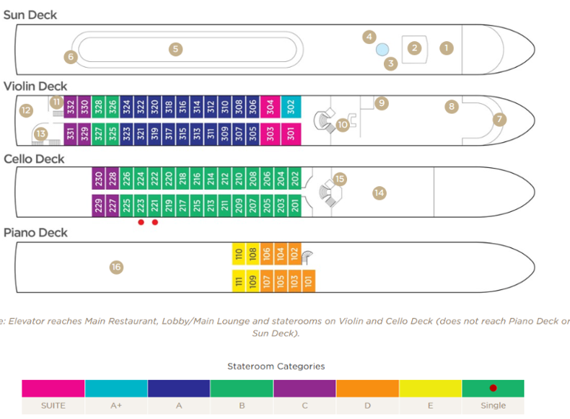
VIOLIN DECK |  |  | CELLO DECK |  |  | PIANO DECK
SS301 | 7249 | 255 sq ft | B201 | 5799 | 170 Sq ft - French | D101 | 4599 |  | 170 Sq ft - Window
A+ 302 | 6959 | 225 sq ft | B202 | 5799 | 170 Sq ft - French | D102 | 4599 |  | 170 Sq ft - Window
SS303 | 7249 | 255 sq ft | B203 | 5799 | 170 Sq ft - French | D103 | 4599 |  | 170 Sq ft - Window
SS304 | 7249 | 255 sq ft | B204 | 5799 | 170 Sq ft - French | D104 | 4599 |  | 170 Sq ft - Window
A305 | 5899 | 170 Sq ft - French | B205 | 5799 | 170 Sq ft - French | D105 | 4599 |  | 170 Sq ft - Window
A306 | 5899 | 170 Sq ft - French | B206 | 5799 | 170 Sq ft - French | D106 | 4599 |  | 170 Sq ft - Window
A307 | 5899 | 170 Sq ft - French | B207 | 5799 | 170 Sq ft - French | D107 | 4599 |  | 170 Sq ft - Window
A308 | 5899 | 170 Sq ft - French | B208 | 5799 | 170 Sq ft - French | E108 | 4209 |  | 170 Sq ft - Window
A309 | 5899 | 170 Sq ft - French | B209 | 5799 | 170 Sq ft - French | E109 | 4209 | 1st Chef | 170 Sq ft - Window
A310 | 5899 | 170 Sq ft - French | B210 | 5799 | 170 Sq ft - French | E110 | 4209 | 2nd Chef | 170 Sq ft - Window
A311 | 5899 | 170 Sq ft - French | B211 | 5799 | 170 Sq ft - French | E111 | 4209 | Pastry | 170 Sq ft - Window
A312 | 5899 | 170 Sq ft - French | B212 | 5799 | 170 Sq ft - French | E112 | wellness | Wellness
A313 | 5899 | 170 Sq ft - French | B213 | 5799 | 170 Sq ft - French
A314 | 5899 | 170 Sq ft - French | B214 | 5799 | 170 Sq ft - French
A315 | 5899 | 170 Sq ft - French | B215 | 5799 | 170 Sq ft - French
A316 | 5899 | 170 Sq ft - French | B216 | 5799 | 170 Sq ft - French
A317 | 5899 | 170 Sq ft - French | B217 | 5799 | 170 Sq ft - French
A318 | 8848.5 | 170 Sq ft - French | B218 | 5799 | 170 Sq ft - French
A319 | 5899 | 170 Sq ft - French | B219 | 5799 | 170 Sq ft - French
A320 | 5899 | 170 Sq ft - French | B220 | 5799 | 170 Sq ft - French
A321 | 5899 | 170 Sq ft - French | B221 SINGLE | 5799 | 140 Sq ft - French
A322 | 5899 | 170 Sq ft - French | B222 | 5799 | 170 Sq ft - French
A323 | 8845.5 | 170 Sq ft - French | B223 SINGLE | 5799 | 140 Sq ft - French
A324 | 5799 | 170 Sq ft - French | B224 | 5799 | 170 Sq ft - French
B325 | 5799 | 170 Sq ft - French | B225 | 5799 | 170 Sq ft - French
B326 | 5799 | 170 Sq ft - French | B226 | 5799 | 170 Sq ft - French
B327 | 5799 | 170 Sq ft - French | C227 | 5499 | 170 Sq ft - French
B328 | 5799 | 170 Sq ft - French | C228 | 5499 | 170 Sq ft - French
C329 | 5499 | 170 Sq ft - French | C229 | 5499 | 170 Sq ft - French
C330 | 5499 | 170 Sq ft - French | C230 | 5499 | 170 Sq ft - French
C331 | 5499 | 170 Sq ft - French
C332 | 5499 | 170 Sq ft - French

