Sheet1
Component | Link | Reason / Use | Image | Quantity

JGA25-370-130K 24v DC Motor | Click here | We chose this motor for our bot because it offers low RPM, precise control, and meets the torque requirements necessary to drive our rover effectively. |  | 6

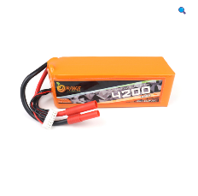
22.2V LiPo Battery 4200mAh | Click here | LiPo batteries offer an excellent weight-to-power ratio, and the 4200mAh capacity meets our current requirements. We use one battery for the front four wheels and another for the rear two wheels. |  | 2

L298N Motor Driver | Click here | This motor satisfies our power and control requirements for the chosen motors. |  | 3

Raspberry Pi 4 B 3 B+ Camera Module | Click here | This 1080p night vision camera module is ideal for computer vision applications and perfectly meets the requirements of our rover. |  | 1

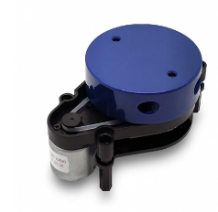
YDLIDAR X2 360 Degree | Click here | This is a high accuracy 360 degrees LiDAR sensor, good for ROS application. |  | 1

Raspberry Pi 4 Model-B with 1 GB RAM | Click here | It is a powerful microprocessor good for our automation applications. |  | 1

Arduino Uno R3 | Click here | It will communicate with RasPi via i2c and run the motors accordingly using L298N. |  | 1

Multimeter Module | Click here | This will read current, voltage and continuity of broken circuits and transforms and send signals for repair . |  | 1

