Pivot Category
country | (All)
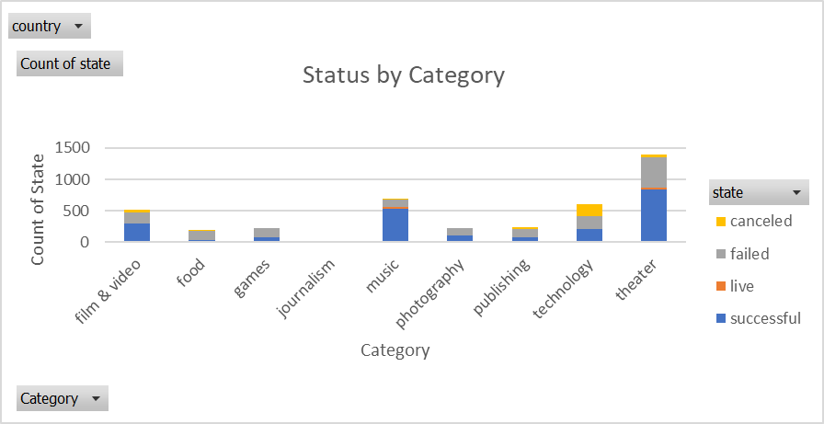
Count of state | Column Labels
Row Labels | successful | live | failed | canceled | Grand Total
film & video | 300 |  | 180 | 40 | 520
food | 34 | 6 | 140 | 20 | 200
games | 80 |  | 140 |  | 220
journalism |  |  |  | 24 | 24
music | 540 | 20 | 120 | 20 | 700
photography | 103 |  | 117 |  | 220
publishing | 80 |  | 127 | 30 | 237
technology | 209 |  | 213 | 178 | 600
theater | 839 | 24 | 493 | 37 | 1393
Grand Total | 2185 | 50 | 1530 | 349 | 4114

Pivot SubCategory
country | (All)
Category | (All)

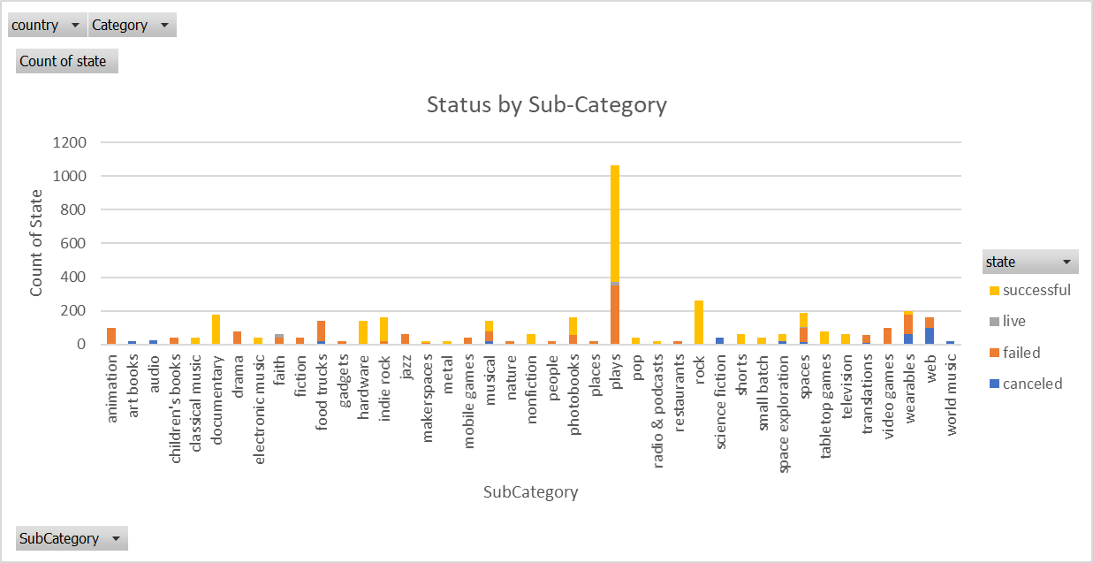
Count of state | Column Labels
Row Labels | canceled | failed | live | successful | Grand Total
animation |  | 100 |  |  | 100
art books | 20 |  |  |  | 20
audio | 24 |  |  |  | 24
children's books |  | 40 |  |  | 40
classical music |  |  |  | 40 | 40
documentary |  |  |  | 180 | 180
drama |  | 80 |  |  | 80
electronic music |  |  |  | 40 | 40
faith |  | 40 | 20 |  | 60
fiction |  | 40 |  |  | 40
food trucks | 20 | 120 |  |  | 140
gadgets |  | 20 |  |  | 20
hardware |  |  |  | 140 | 140
indie rock |  | 20 |  | 140 | 160
jazz |  | 60 |  |  | 60
makerspaces |  | 11 |  | 9 | 20
metal |  |  |  | 20 | 20
mobile games |  | 40 |  |  | 40
musical | 20 | 60 |  | 60 | 140
nature |  | 20 |  |  | 20
nonfiction |  |  |  | 60 | 60
people |  | 20 |  |  | 20
photobooks |  | 57 |  | 103 | 160
places |  | 20 |  |  | 20
plays |  | 353 | 19 | 694 | 1066
pop |  |  |  | 40 | 40
radio & podcasts |  |  |  | 20 | 20
restaurants |  | 20 |  |  | 20
rock |  |  |  | 260 | 260
science fiction | 40 |  |  |  | 40
shorts |  |  |  | 60 | 60
small batch |  |  | 6 | 34 | 40
space exploration | 18 | 2 |  | 40 | 60
spaces | 17 | 80 | 5 | 85 | 187
tabletop games |  |  |  | 80 | 80
television |  |  |  | 60 | 60
translations | 10 | 47 |  |  | 57
video games |  | 100 |  |  | 100
wearables | 60 | 120 |  | 20 | 200
web | 100 | 60 |  |  | 160
world music | 20 |  |  |  | 20
Grand Total | 349 | 1530 | 50 | 2185 | 4114

Pivot Months
Years | (All)
Category | (All)
Quarters | (All)
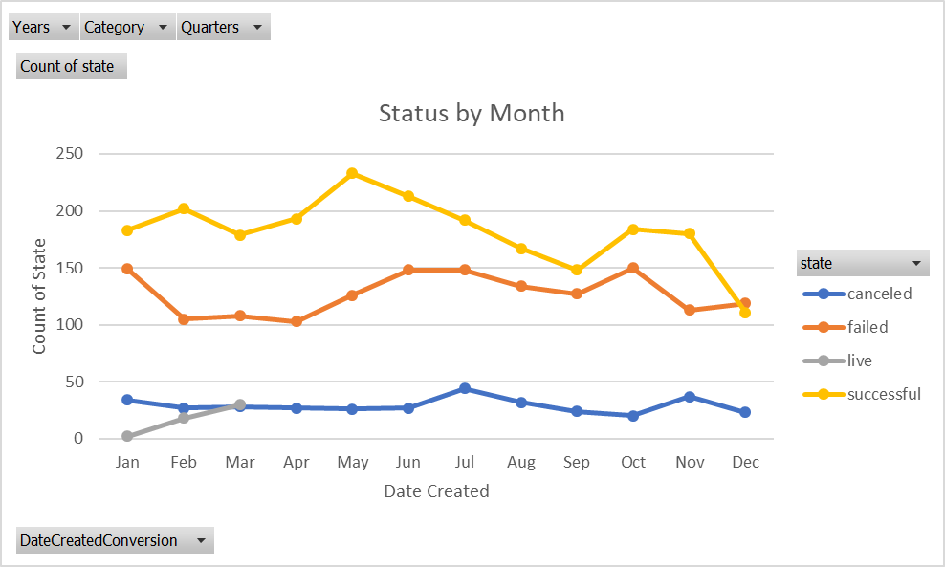
Count of state | Column Labels
Row Labels | canceled | failed | live | successful | Grand Total
Jan | 34 | 149 | 2 | 183 | 368
Feb | 27 | 105 | 18 | 202 | 352
Mar | 28 | 108 | 30 | 179 | 345
Apr | 27 | 103 |  | 193 | 323
May | 26 | 126 |  | 233 | 385
Jun | 27 | 148 |  | 213 | 388
Jul | 44 | 148 |  | 192 | 384
Aug | 32 | 134 |  | 167 | 333
Sep | 24 | 127 |  | 148 | 299
Oct | 20 | 150 |  | 184 | 354
Nov | 37 | 113 |  | 180 | 330
Dec | 23 | 119 |  | 111 | 253
Grand Total | 349 | 1530 | 50 | 2185 | 4114

Bonus
 | 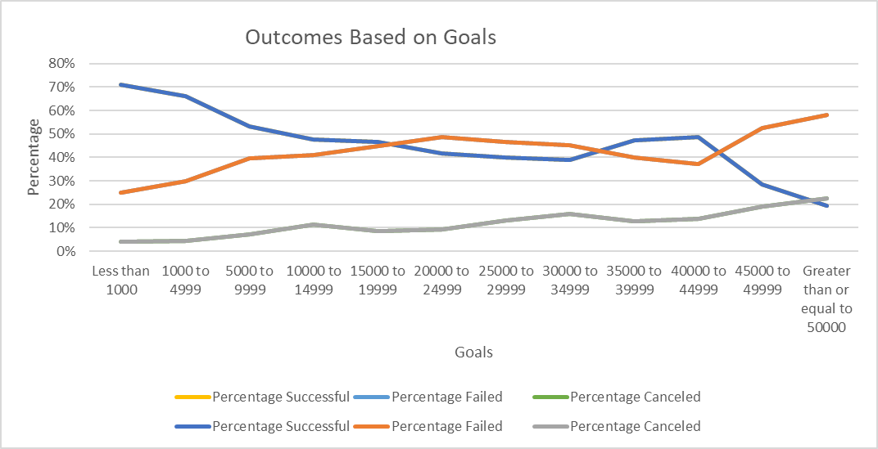

Goal | Number Succesful | Number Failed | Number Canceled | Total Projects | Percentage Successful | Percentage Failed | Percentage Canceled
Less than 1000 | 322 | 113 | 18 | 453 | 71% | 25% | 4%
1000 to 4999 | 932 | 420 | 60 | 1412 | 66% | 30% | 4%
5000 to 9999 | 381 | 283 | 52 | 716 | 53% | 40% | 7%
10000 to 14999 | 168 | 144 | 40 | 352 | 48% | 41% | 11%
15000 to 19999 | 94 | 90 | 17 | 201 | 47% | 45% | 8%
20000 to 24999 | 62 | 72 | 14 | 148 | 42% | 49% | 9%
25000 to 29999 | 55 | 64 | 18 | 137 | 40% | 47% | 13%
30000 to 34999 | 32 | 37 | 13 | 82 | 39% | 45% | 16%
35000 to 39999 | 26 | 22 | 7 | 55 | 47% | 40% | 13%
40000 to 44999 | 21 | 16 | 6 | 43 | 49% | 37% | 14%
45000 to 49999 | 6 | 11 | 4 | 21 | 29% | 52% | 19%
Greater than or equal to 50000 | 86 | 258 | 100 | 444 | 19% | 58% | 23%

