May
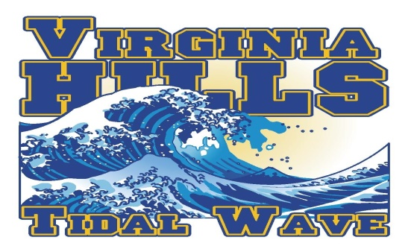 |  | MAY

SUNDAY | MONDAY | TUESDAY | WEDNESDAY | THURSDAY | FRIDAY | SATURDAY
 |  |  |  | 1 | 2 | 3

4 | 5 | 6 | 7 | 8 | 9 | 10
 | Swim Team Registration | register for swim team
 | Opens

11 | 12 | 13 | 14 | 15 | 16 | 17

register for swim team

18 | 19 | 20 | 21 | 22 | 23 | 24

register for swim team |  |  |  |  |  | POOL OPENING DAY!

25 | 26 | 27 | 28 | 29 | 30 | 31
 |  | 1st Day of Practice!!
 | MEMORIAL DAY

 |  | 6:00pm parent meeting |  |  |  | (NVSL University)

June
 |  | JUNE
 |  |  |  |  | 
SUNDAY | MONDAY | TUESDAY | WEDNESDAY | THURSDAY | FRIDAY | SATURDAY
1 | 2 | 3 | 4 | 5 | 6 | 7
 |  |  |  |  | Swim Team Suit Sale!
 |  |  |  |  | 5:30pm - 7:30pm

 |  |  |  |  |  | (S & T Clinic 8:00am)
8 | 9 | 10 | 11 | 12 | 13 | 14
 |  |  |  |  |  | Practice Meet (Time Trials)
 |  |  |  |  |  | HOME vs. Highland Park
Divisionals Planning Committee |  |  |  |  |  | 8:30:00
7:00pm
15 | 16 | 17 | 18 | 19 | 20 | 21
 |  |  |  |  |  | A Meet
 | B Meet |  |  |  |  | AWAY vs. Rolling Hills (3)
 | HOME vs. Hollin Meadows |  |  |  | Spaghetti Dinner | 9:00am
 | 6:00pm |  |  |  | 6:00PM
22 | 23 | 24 | 25 | 26 | 27 | 28
 |  |  |  |  |  | A Meet
 | B Meet |  |  |  |  | AWAY vs. Commonwealth (1)
 | AWAY vs. Bren Mar - Edsall Park |  |  |  | Pep Rally/Ice Cream | 9:00am
 | 6:00pm |  |  |  | 7:00PM
29 | 30
 | MORNING PRACTICE BEGINS
 | B Meet
Divisionals Planning Committee | AWAY vs. Highland Park
7:00pm | 6:00pm

