14. Maroochy Water
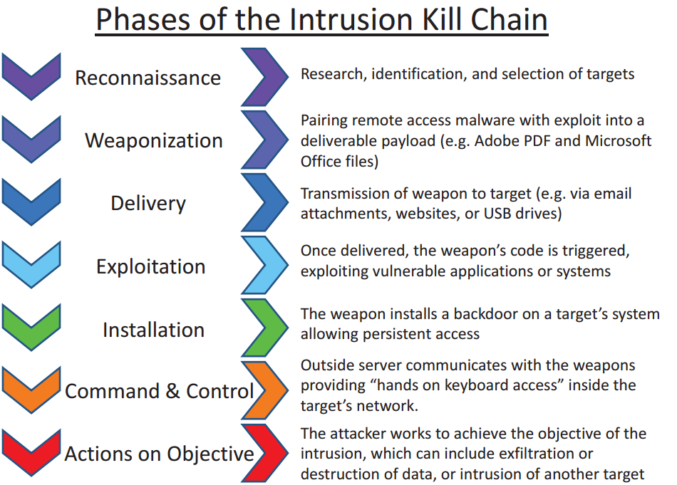

Kill chain step | Attack step | Vulnerabilities exploited | IoT SF Practice /Control | Difficulty to apply control
Reconnaissance | Inside knowledge of the system's operations, privileges required to perform different actions, andvulnerabilities | Lack of cyber security policies Poorly implemented segmentation of privileges Radio communications used in SCADA systems insecure or improperly configured | 2.3.1 Compliance Applicability - Business Security Processes and Responsibility practices (2) 2.3.4.9 Applications are operated at the lowest privilege level possible (2)
Weaponization | Use of valid access credentials, knowledge of commands | Lack of cyber security policies Poorly implemented segmentation of privileges Radio communications used in SCADA systems insecure or improperly configured | 2.3.1 Compliance Applicability - Business Security Processes and Responsibility practices (2) 2.3.4.9 Applications are operated at the lowest privilege level possible (2)
Delivery | Access from internal networks | Poorly implemented segmentation of privileges | 2.3.1 Compliance Applicability - Business Security Processes and Responsibility practices (2) 2.3.4.9 Applications are operated at the lowest privilege level possible (2)
Exploitation | Not necessary to instal malicious code (direct C&C) | Poorly implemented segmentation of privileges | 2.3.1 Compliance Applicability - Business Security Processes and Responsibility practices (2) 2.3.4.9 Applications are operated at the lowest privilege level possible (2)
Installation | Not necessary to instal malicious code (direct C&C) | Poorly implemented segmentation of privileges | 2.3.1 Compliance Applicability - Business Security Processes and Responsibility practices (2) 2.3.4.9 Applications are operated at the lowest privilege level possible (2)
Command &Control | Commands to sabotage the system (spill sewage) | Lack of cyber security policies Poorly implemented segmentation of privileges Radio communications used in SCADA systems insecure or improperly configured | 2.3.1 Compliance Applicability - Business Security Processes and Responsibility practices (2) 2.3.4.9 Applications are operated at the lowest privilege level possible (2)
Actions and Objectives | Sabotage of the plant, environmental damage and physical damage to third parties | Lack of cyber security policies Poorly implemented segmentation of privileges Radio communications used in SCADA systems insecure or improperly configured | 2.3.1 Compliance Applicability - Business Security Processes and Responsibility practices (2) 2.3.4.9 Applications are operated at the lowest privilege level possible (2)

Threat | Very High |  | CVSS score | 7.1
Difficulty | Low |  | Vulnerability | High
Motivation+Resources | High |  | Likelihood | Very High

Actor | Impact | Risk | Controls they can apply | Incentives to apply controls | Barriers to apply controls | Cost/Benefit (Positive/Negative/Neutral)
Contractor company | High | Critical | Implement security practices in design and implementation of SCADA systems Personnel management, security policies | Company's reputation, relationship with strategic customers, avoiding legal actions and liability for bad behaviour of amployee | Lack of awareness/ underestimation of the threat | Positive
Water company | Severe | Critical | Ask for security by design to suppliers. Use privilege segmentation as a policy. Third party risk management, personnel management, security policies | Avoiding a major disaster, facing legal actions, company's reputation damage, big financial losses | Lack of awareness/ underestimation of the threat | Positive
Third parties at risk | Severe | Critical | None | Not Applicable | Not Applicable | Not Applicable

CVSS
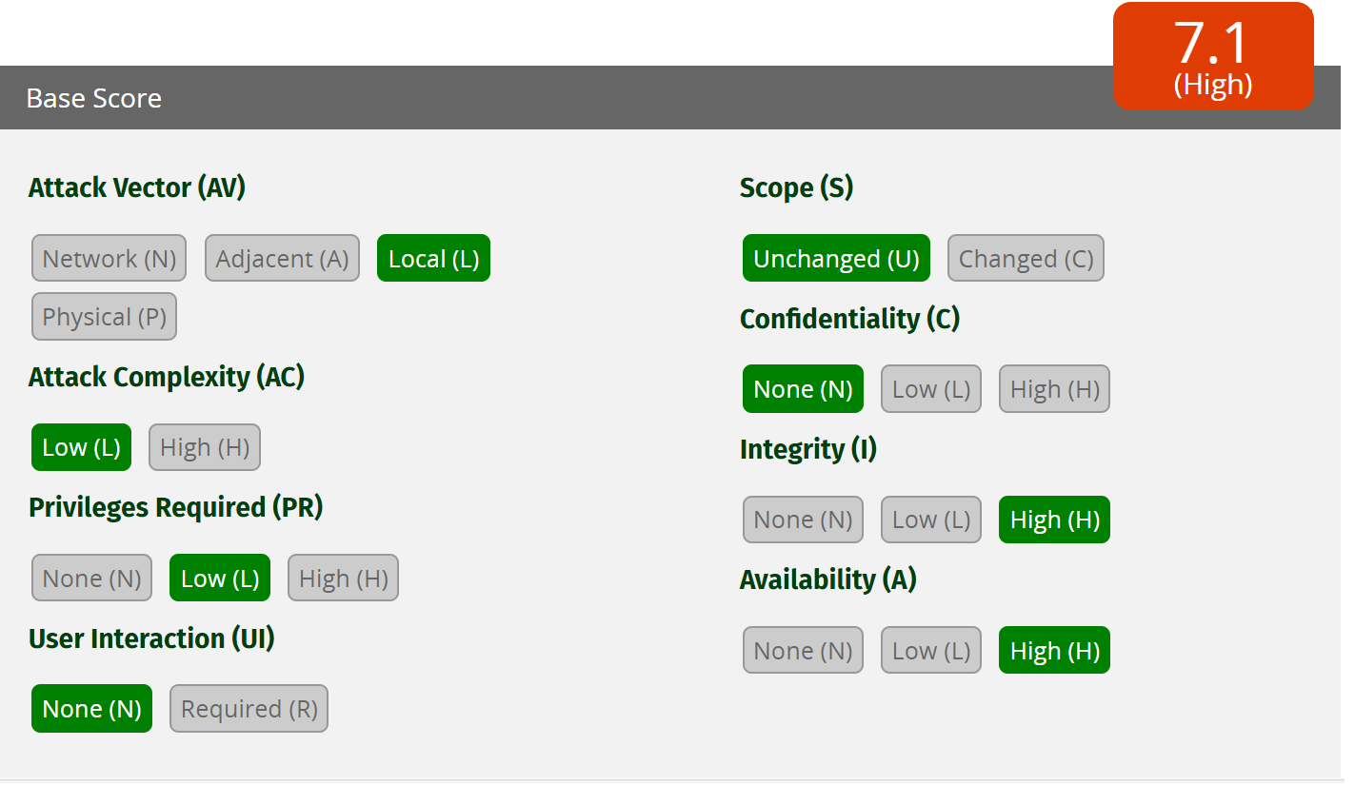
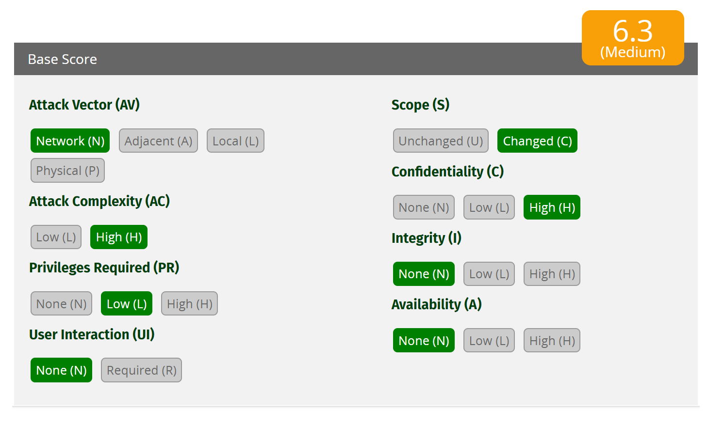
Mirai Botnet | Fish tank
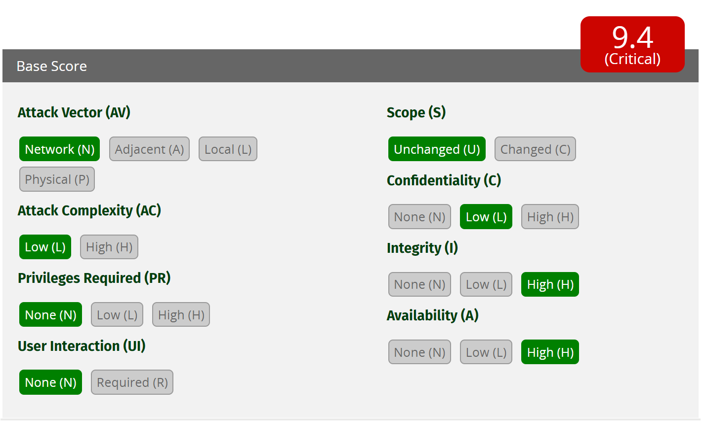

 | Note: if "privileges required" (PR) is changed to "None" the score increases to 6.8 (still medium)

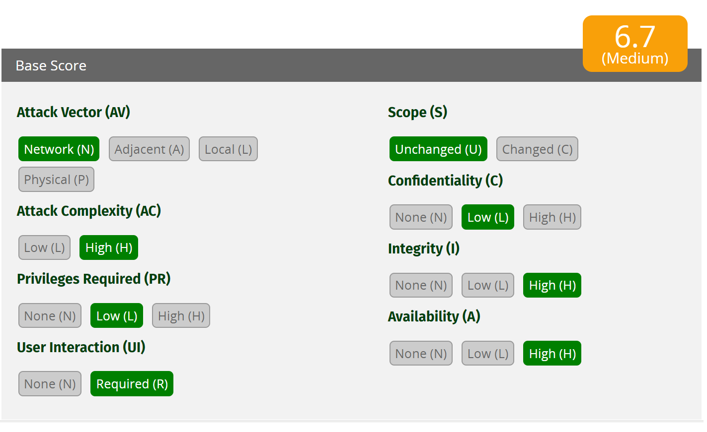
Jeep Cherokee | Hospira drug pumps
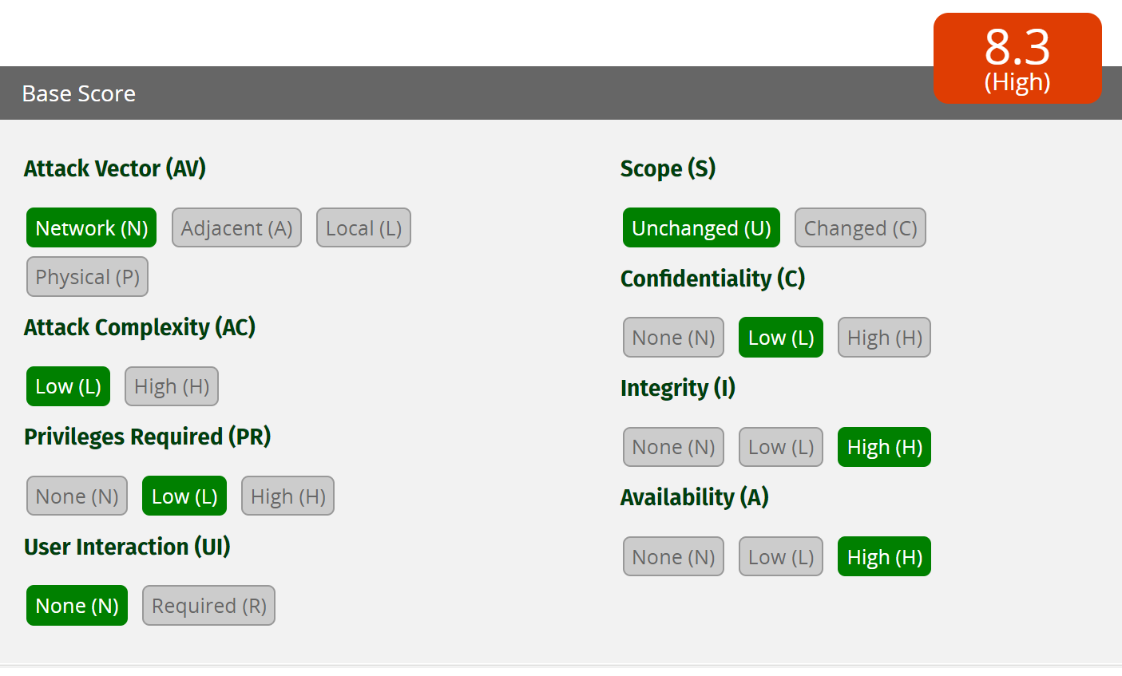

Maroochy water services

