Visual Evidence
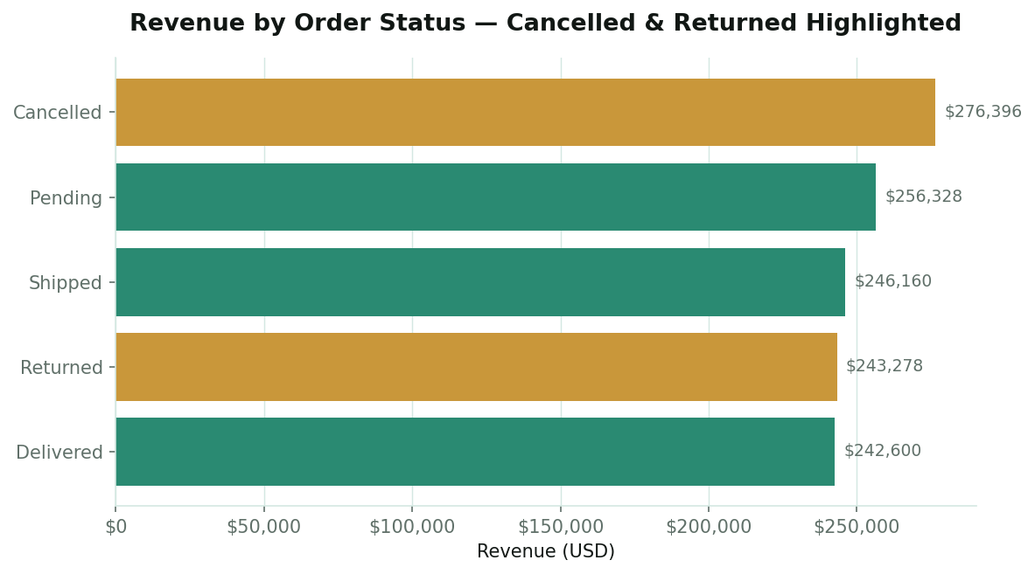
VISUAL EVIDENCE — KEY CHARTS

Revenue by Product Category
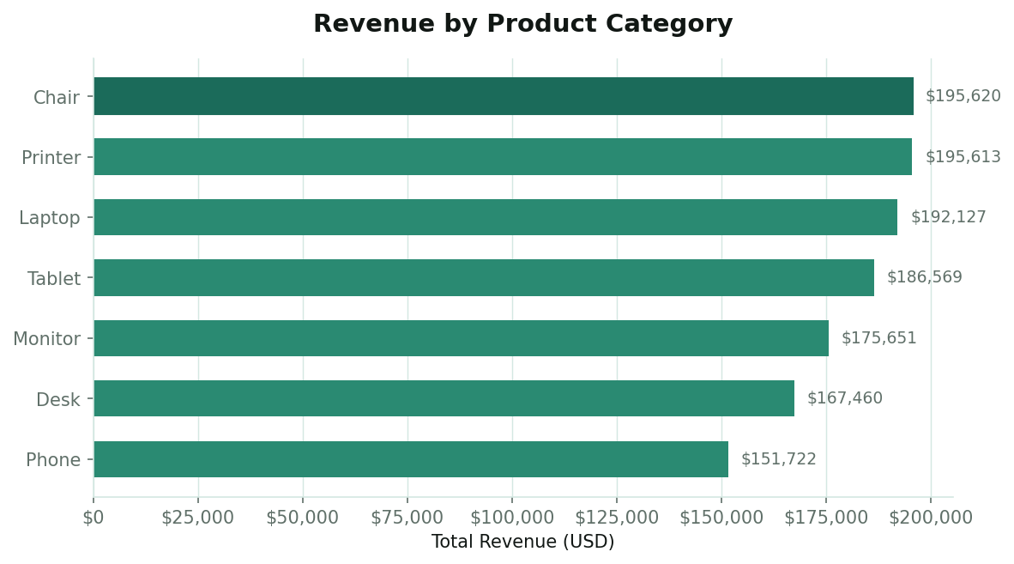

Order Status Distribution
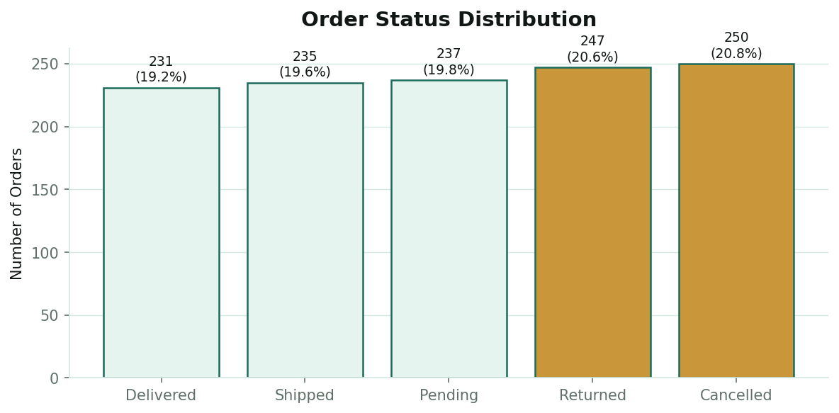

Distribution of Order Values (Right-Skewed)
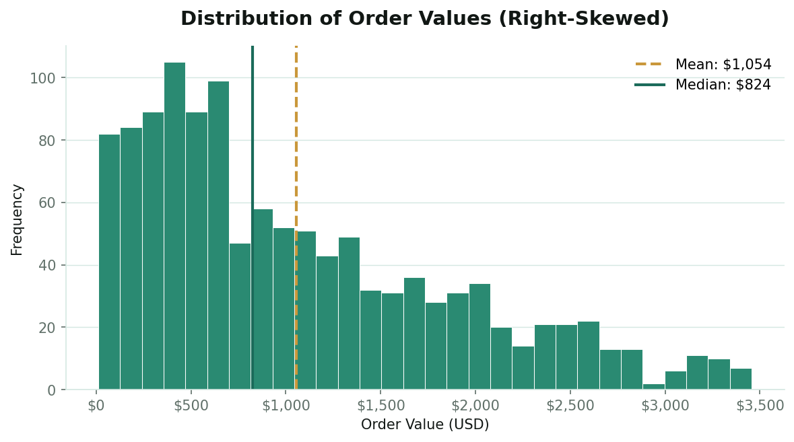

Order Value Distribution & Outliers by Product
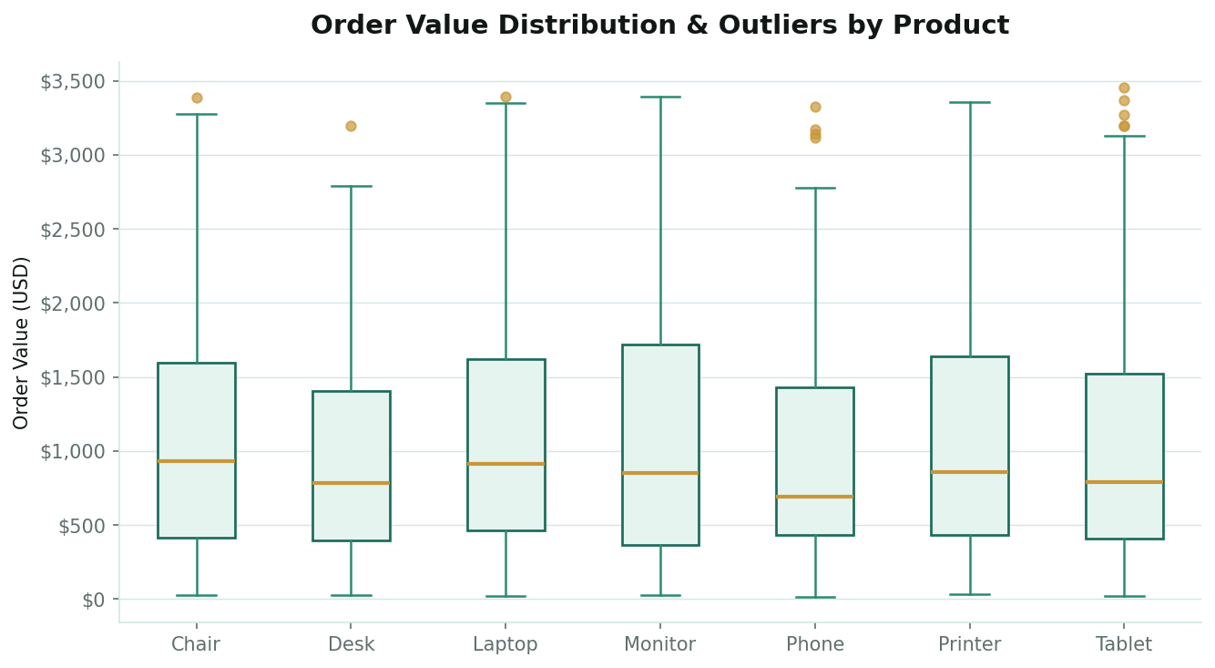

Monthly Revenue Trend
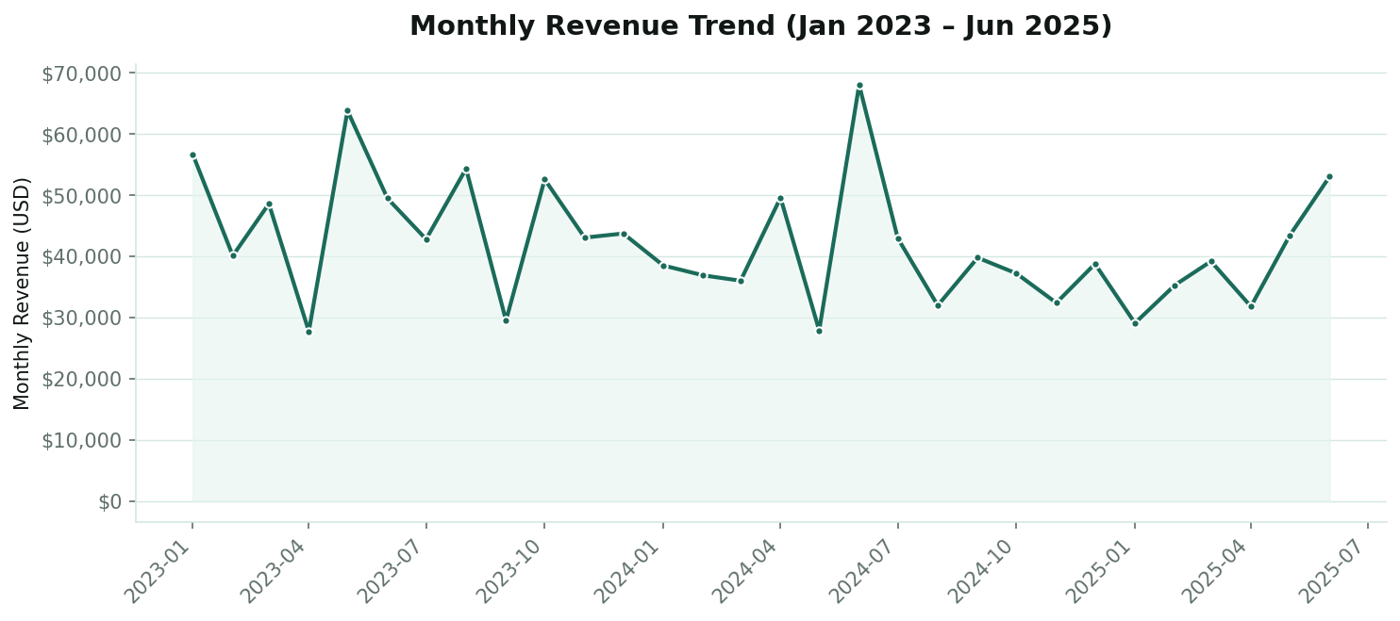

Correlation Matrix — Numeric Fields
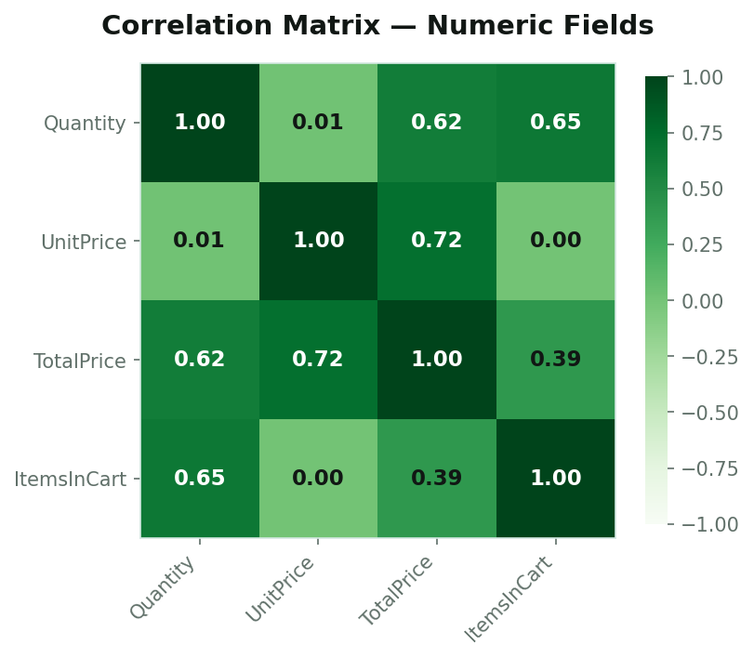

Revenue by Order Status — Cancelled/Returned Highlighted

