Chart_1
avoid overcomplicating

 | DATA TO GRAPH |  |  | ORIGINAL | 3 things wrong
 |  | Completion Rate | Response Rate
 | Q1-2020 | 91% | 2.3% | Email campaign activity | 1. Showing the 2 axis is too much of a distruction
 | Q2-2020 | 93% | 1.8% |  | 2. All the data labels shown are also distracting
 | Q3-2020 | 91% | 2.8% |  | 3. The x axis labels are too long
 | Q4-2020 | 89% | 2.3%
 | Q1-2021 | 84% | 3.4%
 | Q2-2021 | 88% | 2.7%
 | Q3-2021 | 91% | 2.6%
 | Q4-2021 | 87% | 3.9%
 | Q1-2022 | 83% | 2.8%

Email campaign activity

DATA TO GRAPH-New
Year | Quarter | Response Rate | Completion Rate
2020 | Q1 | 2.3% | 91%
 | Q2 | 1.8% | 93%
 | Q3 | 2.8% | 91%
 | Q4 | 2.3% | 89%
2021 | Q1 | 3.4% | 84%
 | Q2 | 2.7% | 88%
 | Q3 | 2.6% | 91%
 | Q4 | 3.9% | 87%
2022 | Q1 | 2.8% | 83%

 |  | 2.7% | 88.6%

chart_2
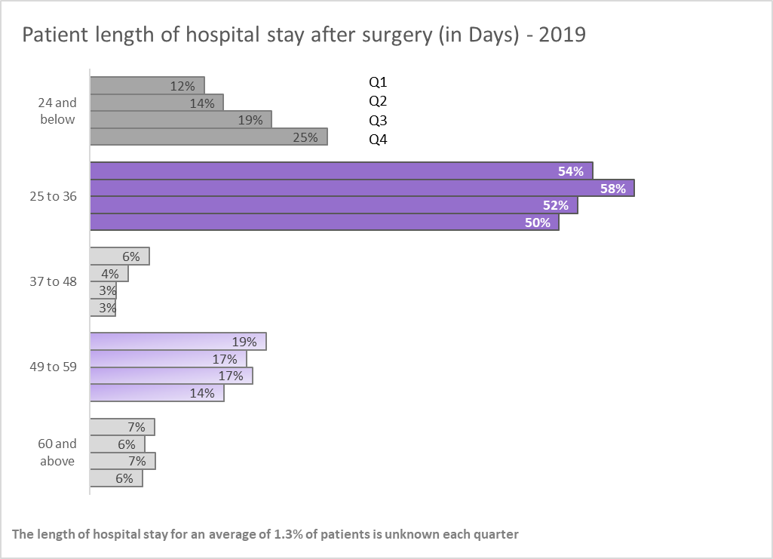
how would you improve this graph?

 | ORIGINAL VISUAL
Surgeries: length of hospital stay
 |  |  |  |  |  |  |  | 1. A change in title to one easy to understand for all audiences (for example make it clear that the length of stay is in days)
 |  |  |  |  |  |  |  | 2. I would use one visualization that captures the message I want to put across , instead of a chart and table which look a bit clustered and too busy.
 |  |  |  |  |  |  |  | 3. Clearer category labels that do not overlap to avoid confusion about where overlapping categories are placed.

 |  | <=24 | 24 and 36 | 36 and 48 | 48 and 59 | >=60 | Unknown
 | 2019/Q1 | 12.2% | 53.9% | 6.3% | 18.9% | 6.9% | 1.8%
 | 2019/Q2 | 14.3% | 58.3% | 4.1% | 16.7% | 5.9% | 0.7%
 | 2019/Q3 | 19.5% | 52.2% | 2.8% | 17.4% | 7.0% | 1.1%
 | 2019/Q4 | 25.4% | 50.3% | 2.7% | 14.4% | 5.6% | 1.7%
 |  | 17.8% | 53.7% | 4.0% | 16.8% | 6.4% | 1.3%

Patient length of hospital stay after surgery (in Days) - 2019
 | Transformed Visual
 | Length_of_stay | Q4 | Q3 | Q2 | Q1
 | 60 and above | 6% | 7% | 6% | 7%
 | 49 to 59 | 14% | 17% | 17% | 19%
 | 37 to 48 | 3% | 3% | 4% | 6%
 | 25 to 36 | 50% | 52% | 58% | 54%
 | 24 and below | 25% | 19% | 14% | 12%

 | quarter | 60 and above | 49 to 59 | 37 to 48 | 25 to 36 | 24 and below
 | Q4 | 6% | 14% | 3% | 50% | 25%
 | Q3 | 7% | 17% | 3% | 52% | 19%
 | Q2 | 6% | 17% | 4% | 58% | 14%
 | Q1 | 7% | 19% | 6% | 54% | 12%

Patient length of hospital stay after surgery (in Days) - 2019

