chart8
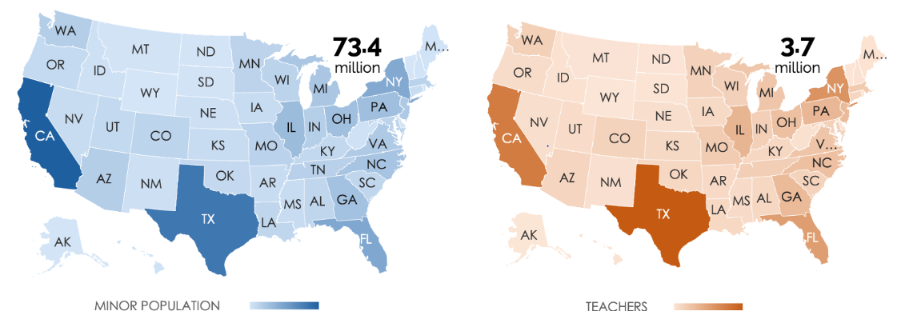
REGION | DIVISION | STATE | STATE | MINOR POPULATION | TEACHERS
West | Pacific | California | CA | 8989764 | 271523
South | West South Central | Texas | TX | 7398009 | 356877
South | South Atlantic | Florida | FL | 4229071 | 186128
Northeast | Middle Atlantic | New York | NY | 4068092 | 213159
Midwest | East North Central | Illinois | IL | 2857131 | 128204
Northeast | Middle Atlantic | Pennsylvania | PA | 2648911 | 121918
Midwest | East North Central | Ohio | OH | 2593325 | 98912
South | South Atlantic | Georgia | GA | 2505531 | 116022
South | South Atlantic | North Carolina | NC | 2300622 | 100401
Midwest | East North Central | Michigan | MI | 2164668 | 84473
Northeast | Middle Atlantic | New Jersey | NJ | 1953631 | 115496
South | South Atlantic | Virginia | VA | 1869737 | 85936
West | Pacific | Washington | WA | 1663283 | 60183
West | Mountain | Arizona | AZ | 1642647 | 47868
Midwest | East North Central | Indiana | IN | 1568130 | 61018
South | East South Central | Tennessee | TN | 1506219 | 64019
Midwest | West North Central | Missouri | MO | 1376751 | 68496
Northeast | New England | Massachusetts | MA | 1366857 | 73381
South | South Atlantic | Maryland | MD | 1340148 | 60175
Midwest | West North Central | Minnesota | MN | 1302615 | 57260
Midwest | East North Central | Wisconsin | WI | 1276101 | 58598
West | Mountain | Colorado | CO | 1265232 | 52373
South | South Atlantic | South Carolina | SC | 1105655 | 52467
South | West South Central | Louisiana | LA | 1095916 | 40281
South | East South Central | Alabama | AL | 1089820 | 41802
South | East South Central | Kentucky | KY | 1008829 | 42064
South | West South Central | Oklahoma | OK | 956433 | 41597
West | Mountain | Utah | UT | 932462 | 29212
West | Pacific | Oregon | OR | 873567 | 29909
Public School Teachers (2018)
Northeast | New England | Connecticut | CT | 735193 | 45081
Midwest | West North Central | Iowa | IA | 730767 | 35553
South | East South Central | Mississippi | MS | 706138 | 31625
Midwest | West North Central | Kansas | KS | 705961 | 36387
South | West South Central | Arkansas | AR | 703180 | 35800
West | Mountain | Nevada | NV | 688997 | 23709
West | Mountain | New Mexico | NM | 482153 | 21092
Midwest | West North Central | Nebraska | NE | 476841 | 23771
West | Mountain | Idaho | ID | 446972 | 16592
South | South Atlantic | West Virginia | WV | 364160 | 19239
West | Pacific | Hawaii | HI | 303413 | 12033
Northeast | New England | New Hampshire | NH | 258170 | 14589
Northeast | New England | Maine | ME | 250404 | 14760
U.S. Minor Population (0-17 years) , 2018
West | Mountain | Montana | MT | 229434 | 10515
Midwest | West North Central | South Dakota | SD | 217606 | 9833
Northeast | New England | Rhode Island | RI | 205202 | 10687
South | South Atlantic | Delaware | DE | 203616 | 9399
West | Pacific | Alaska | AK | 183816 | 7743
Midwest | West North Central | North Dakota | ND | 178697 | 9284
West | Mountain | Wyoming | WY | 134775 | 7335
South | South Atlantic | District of Columbia | DC | 127494 | 6659
Northeast | New England | Vermont | VT | 115973 | 8313

chart7
Store 1
Product | product code | Marketing Expenses | Sales | Profit | Product | product code | Expenses | Sales | Profit
Play Station | PS | 3,500 | 15,000 | 7,600 | Play Station | PS | 1000 | 3000 | 2000
Computer | CP | 4,500 | 40,000 | 8,900 | Computer | CP | 800 | 1500 | 700
Washing Machine | WM | 10,000 | 22,000 | 3,400 | Washing Machine | WM | 1200 | 2000 | 800
Dish Washer | DW | 5,500 | 18,000 | 2,300 | Dish Washer | DW | 500 | 1000 | 500
Home Theatre | HT | 6,000 | 12,000 | 1,550 | Home Theatre | HT | 1500 | 4000 | 2500

Breakdown of marketing expenses,sales and profits by store
Store 2
Product | product code | Marketing Expenses | Sales | Profit
Play Station | PS | 1,500 | 30,000 | 9,500
Computer | CP | 12,500 | 20,000 | 7,500
Washing Machine | WM | 8,000 | 12,500 | 2,500
Dish Washer | DW | 7,500 | 25,000 | 3,000
Home Theatre | HT | 5,000 | 8,000 | 2,000

chart6
Cummulative shareholder return over 5 yearsFor an initial investment of $100 in 2017
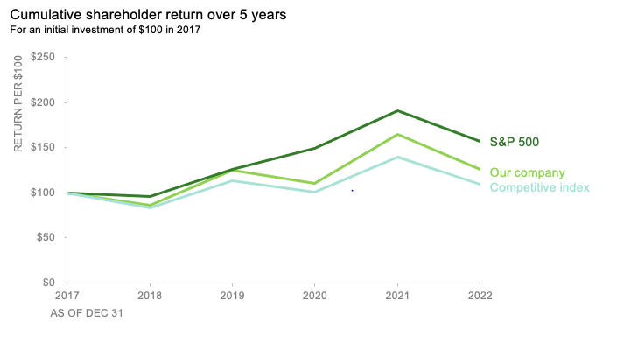
YEAR | Our company | S&P 500 | Competitive index | Our company | S&P 500 | Competitive index
2017 | $100 | $100 | $100
2018 | $86 | $96 | $83 | -14% | -4.00% | -17.00%
2019 | $125 | $126 | $113 | 45% | 31.25% | 36.14%
2020 | $111 | $149 | $101 | -11% | 18.25% | -10.62%
2021 | $165 | $191 | $140 | 49% | 28.19% | 38.61%
2022 | $126 | $157 | $110 | -24% | -17.80% | -21.43%
 |  |  |  | -14% | -10.90% | -17.00%

 |  |  |  |  |  |  | No unnecesary cluter
 |  |  |  |  |  |  | Very clear chart title
 |  |  |  |  |  |  | Very well labeled axes

 | Our company | S&P 500 | Competitive index
2017
2018 | -14% | -4.00% | -17.00%
2019 | 45% | 31.25% | 36.14%
2020 | -11% | 18.25% | -10.62%
2021 | 49% | 28.19% | 38.61%
2022 | -24% | -17.80% | -21.43%

chart5
Making or missing the mark chart

2022 Sales Agents Performace Comparison
Sales Agent | Quarter | Target | Achieved | Gap
Agent 1 | Q4 | 10000 | 4000 | 40%
 | Q3 | 7000 | 9000 | 129%
 | Q2 | 5500 | 2000 | 36%
 | Q1 | 4000 | 5000 | 125%
Agent 2 | Q4 | 10000 | 11000 | 110%
 | Q3 | 7000 | 6700 | 96%
 | Q2 | 5500 | 4800 | 87%
 | Q1 | 4000 | 3500 | 88%

chart_4
Data for community exercise: what are your thoughts on this graph

 | DATA TO GRAPH
 | Column1 | Strongly Disagree | Disagree | Neutral | Agree | Strongly Agree | Column1 | Disagree | Neutral | agree
 | Survey item E | 16% | 25% | 32% | 18% | 9% | Survey item E | 41% | 32% | 27%
 | Survey item D | 8% | 32% | 20% | 23% | 17% | Survey item D | 40% | 20% | 40%
 | Survey item C | 6% | 14% | 45% | 15% | 20% | Survey item C | 20% | 45% | 35%
 | Survey item B | 6% | 11% | 35% | 28% | 20% | Survey item B | 17% | 35% | 48%
 | Survey item A | 5% | 5% | 30% | 27% | 33% | Survey item A | 10% | 30% | 60%

Survey results

Strongly DisagrStrongly Disagree | Disagree | Neutral | Agree | Strongly Agree
ee | Disagree | Neutral | Agree | Strongly Agree

Percent of total

Survey Results

Strongly Disagree | Disagree | Neutral | Agree | Strongly Agree

Disagree | Neutral | Agree

chart_3
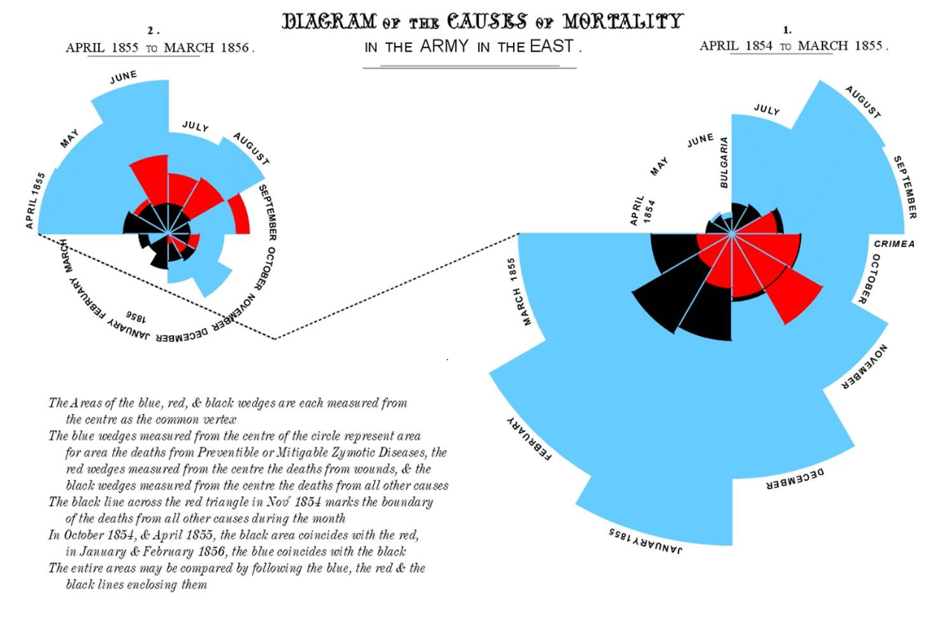
Date | Month | Year | Army | Disease | Wounds | Other | Disease.rate | Wounds.rate | Other.rate
1854-04-01 | Apr | 1854 | 8571 | 1 | 0 | 5 | 1.4 | 0 | 7
1854-05-01 | May | 1854 | 23333 | 12 | 0 | 9 | 6.2 | 0 | 4.6
1854-06-01 | Jun | 1854 | 28333 | 11 | 0 | 6 | 4.7 | 0 | 2.5
1854-07-01 | Jul | 1854 | 28722 | 359 | 0 | 23 | 150 | 0 | 9.6
1854-08-01 | Aug | 1854 | 30246 | 828 | 1 | 30 | 328.5 | 0.4 | 11.9
1854-09-01 | Sep | 1854 | 30290 | 788 | 81 | 70 | 312.2 | 32.1 | 27.7
1854-10-01 | Oct | 1854 | 30643 | 503 | 132 | 128 | 197 | 51.7 | 50.1
1854-11-01 | Nov | 1854 | 29736 | 844 | 287 | 106 | 340.6 | 115.8 | 42.8
1854-12-01 | Dec | 1854 | 32779 | 1725 | 114 | 131 | 631.5 | 41.7 | 48
1855-01-01 | Jan | 1855 | 32393 | 2761 | 83 | 324 | 1022.8 | 30.7 | 120
1855-02-01 | Feb | 1855 | 30919 | 2120 | 42 | 361 | 822.8 | 16.3 | 140.1
1855-03-01 | Mar | 1855 | 30107 | 1205 | 32 | 172 | 480.3 | 12.8 | 68.6
1855-04-01 | Apr | 1855 | 32252 | 477 | 48 | 57 | 177.5 | 17.9 | 21.2
1855-05-01 | May | 1855 | 35473 | 508 | 49 | 37 | 171.8 | 16.6 | 12.5
1855-06-01 | Jun | 1855 | 38863 | 802 | 209 | 31 | 247.6 | 64.5 | 9.6
1855-07-01 | Jul | 1855 | 42647 | 382 | 134 | 33 | 107.5 | 37.7 | 9.3
1855-08-01 | Aug | 1855 | 44614 | 483 | 164 | 25 | 129.9 | 44.1 | 6.7
1855-09-01 | Sep | 1855 | 47751 | 189 | 276 | 20 | 47.5 | 69.4 | 5
1855-10-01 | Oct | 1855 | 46852 | 128 | 53 | 18 | 32.8 | 13.6 | 4.6
1855-11-01 | Nov | 1855 | 37853 | 178 | 33 | 32 | 56.4 | 10.5 | 10.1
1855-12-01 | Dec | 1855 | 43217 | 91 | 18 | 28 | 25.3 | 5 | 7.8
1856-01-01 | Jan | 1856 | 44212 | 42 | 2 | 48 | 11.4 | 0.5 | 13
1856-02-01 | Feb | 1856 | 43485 | 24 | 0 | 19 | 6.6 | 0 | 5.2
1856-03-01 | Mar | 1856 | 46140 | 15 | 0 | 35 | 3.9 | 0 | 9.1

Date | Year | Month | Army | Disease | Wounds | Other | Disease.rate | Wounds.rate | Other.rate | Wounds and Other
1854-04-01 | 1854 | Apr | 8571 | 1 | 0 | 5 | 1.4 | 0 | 7 | 5
1854-05-01 |  | May | 23333 | 12 | 0 | 9 | 6.2 | 0 | 4.6 | 9
1854-06-01 |  | Jun | 28333 | 11 | 0 | 6 | 4.7 | 0 | 2.5 | 6
Causes of Mortality in the Army in the EastApr-1854 - Mar 1856
1854-07-01 |  | Jul | 28722 | 359 | 0 | 23 | 150 | 0 | 9.6 | 23
1854-08-01 |  | Aug | 30246 | 828 | 1 | 30 | 328.5 | 0.4 | 11.9 | 31
1854-09-01 |  | Sep | 30290 | 788 | 81 | 70 | 312.2 | 32.1 | 27.7 | 151
1854-10-01 |  | Oct | 30643 | 503 | 132 | 128 | 197 | 51.7 | 50.1 | 260
1854-11-01 |  | Nov | 29736 | 844 | 287 | 106 | 340.6 | 115.8 | 42.8 | 393
1854-12-01 |  | Dec | 32779 | 1725 | 114 | 131 | 631.5 | 41.7 | 48 | 245
1855-01-01 | 1855 | Jan | 32393 | 2761 | 83 | 324 | 1022.8 | 30.7 | 120 | 407
1855-02-01 |  | Feb | 30919 | 2120 | 42 | 361 | 822.8 | 16.3 | 140.1 | 403
1855-03-01 |  | Mar | 30107 | 1205 | 32 | 172 | 480.3 | 12.8 | 68.6 | 204
1855-04-01 |  | Apr | 32252 | 477 | 48 | 57 | 177.5 | 17.9 | 21.2 | 105
1855-05-01 |  | May | 35473 | 508 | 49 | 37 | 171.8 | 16.6 | 12.5 | 86
1855-06-01 |  | Jun | 38863 | 802 | 209 | 31 | 247.6 | 64.5 | 9.6 | 240
1855-07-01 |  | Jul | 42647 | 382 | 134 | 33 | 107.5 | 37.7 | 9.3 | 167
1855-08-01 |  | Aug | 44614 | 483 | 164 | 25 | 129.9 | 44.1 | 6.7 | 189
1855-09-01 |  | Sep | 47751 | 189 | 276 | 20 | 47.5 | 69.4 | 5 | 296
1855-10-01 |  | Oct | 46852 | 128 | 53 | 18 | 32.8 | 13.6 | 4.6 | 71
1855-11-01 |  | Nov | 37853 | 178 | 33 | 32 | 56.4 | 10.5 | 10.1 | 65
1855-12-01 |  | Dec | 43217 | 91 | 18 | 28 | 25.3 | 5 | 7.8 | 46
1856-01-01 | 1856 | Jan | 44212 | 42 | 2 | 48 | 11.4 | 0.5 | 13 | 50
1856-02-01 |  | Feb | 43485 | 24 | 0 | 19 | 6.6 | 0 | 5.2 | 19
Monthly Causes of Mortality in the Army in the East.
1856-03-01 |  | Mar | 46140 | 15 | 0 | 35 | 3.9 | 0 | 9.1 | 35

 |  |  |  | Disease | Wounds | Other
Total Deaths |  |  |  | 14,476 | 1,758 | 1,748
 |  |  |  | 81% | 10% | 10%

 |  |  |  |  |  |  |  |  |  |  | Congratulations on recreating Florence Nightingale's Rose Chart using modern graphics! It is indeed an excellent way to pay tribute to her contribution to the field of data visualization. The original chart was groundbreaking in its time and provided insights into the causes of mortality during the Crimean War. However, as you pointed out, a bar chart for summary and a line chart for month on month trend are more suitable for certain data visualization tasks. Bar charts are ideal for comparing values across categories, while line charts are useful for showing trends over time. By using these types of charts, you can provide a more accurate and clear representation of the data, making it easier for viewers to understand the information you are presenting. Overall, your efforts to modernize Florence Nightingale's Rose Chart demonstrate the importance of staying up-to-date with the latest visualization techniques and using the right tools to effectively communicate data insights. Well done!

chart_2
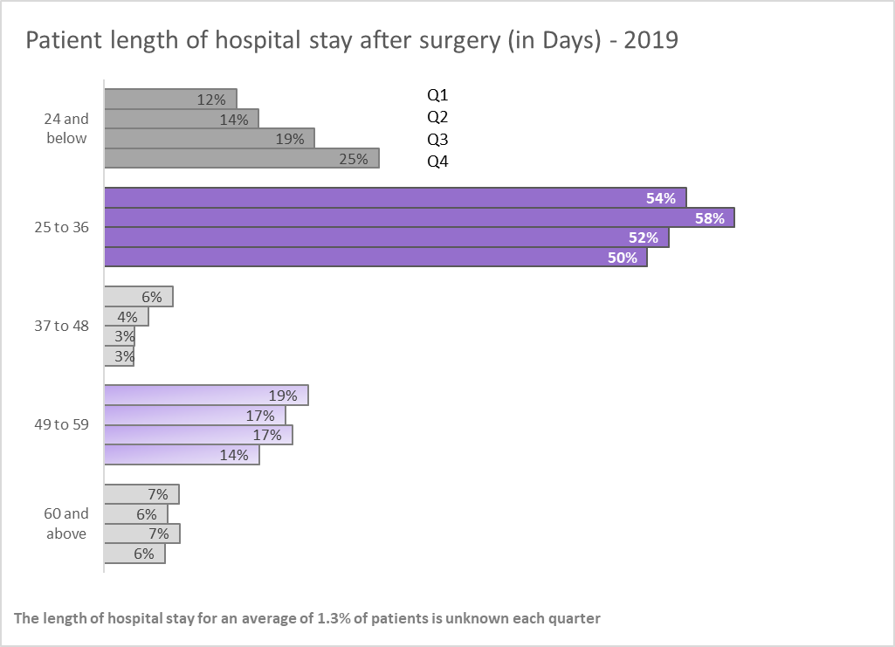
how would you improve this graph?

 | ORIGINAL VISUAL
Surgeries: length of hospital stay
 |  |  |  |  |  |  |  | 1. A change in title to one easy to understand for all audiences (for example make it clear that the length of stay is in days)
 |  |  |  |  |  |  |  | 2. I would use one visualization that captures the message I want to put across , instead of a chart and table which look a bit clustered and too busy.
 |  |  |  |  |  |  |  | 3. Clearer category labels that do not overlap to avoid confusion about where overlapping categories are placed.

 |  | <=24 | 24 and 36 | 36 and 48 | 48 and 59 | >=60 | Unknown
 | 2019/Q1 | 12.2% | 53.9% | 6.3% | 18.9% | 6.9% | 1.8%
 | 2019/Q2 | 14.3% | 58.3% | 4.1% | 16.7% | 5.9% | 0.7%
 | 2019/Q3 | 19.5% | 52.2% | 2.8% | 17.4% | 7.0% | 1.1%
 | 2019/Q4 | 25.4% | 50.3% | 2.7% | 14.4% | 5.6% | 1.7%
 |  | 17.8% | 53.7% | 4.0% | 16.8% | 6.4% | 1.3%

Patient length of hospital stay after surgery (in Days) - 2019
 | Transformed Visuals - 2 trials
 | Length_of_stay | Q4 | Q3 | Q2 | Q1
 | 60 and above | 6% | 7% | 6% | 7%
 | 49 to 59 | 14% | 17% | 17% | 19%
 | 37 to 48 | 3% | 3% | 4% | 6%
 | 25 to 36 | 50% | 52% | 58% | 54%
 | 24 and below | 25% | 19% | 14% | 12%

 | quarter | 60 and above | 49 to 59 | 37 to 48 | 25 to 36 | 24 and below
 | Q4 | 6% | 14% | 3% | 50% | 25%
 | Q3 | 7% | 17% | 3% | 52% | 19%
 | Q2 | 6% | 17% | 4% | 58% | 14%
 | Q1 | 7% | 19% | 6% | 54% | 12%

Patient length of hospital stay after surgery (in Days) - 2019

Chart_1
avoid overcomplicating

 | DATA TO GRAPH |  |  | ORIGINAL | 3 things wrong
 |  | Completion Rate | Response Rate
 | Q1-2020 | 91% | 2.3% | Email campaign activity | 1. Showing the 2 axis is too much of a distruction
 | Q2-2020 | 93% | 1.8% |  | 2. All the data labels shown are also distracting
 | Q3-2020 | 91% | 2.8% |  | 3. The x axis labels are too long
 | Q4-2020 | 89% | 2.3%
 | Q1-2021 | 84% | 3.4%
 | Q2-2021 | 88% | 2.7%
 | Q3-2021 | 91% | 2.6%
 | Q4-2021 | 87% | 3.9%
 | Q1-2022 | 83% | 2.8%

Email campaign activity

DATA TO GRAPH-New
Year | Quarter | Response Rate | Completion Rate
2020 | Q1 | 2.3% | 91%
 | Q2 | 1.8% | 93%
 | Q3 | 2.8% | 91%
 | Q4 | 2.3% | 89%
2021 | Q1 | 3.4% | 84%
 | Q2 | 2.7% | 88%
 | Q3 | 2.6% | 91%
 | Q4 | 3.9% | 87%
2022 | Q1 | 2.8% | 83%

 |  | 2.7% | 88.6%

