Sheet1
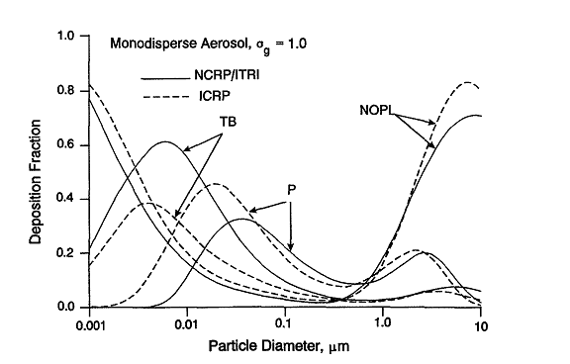
Size | Nasopharygeal | Tracheobronchial | Pulmonary | Total
0.001 | 0.8 | 0.18 | 0 | 0.98
0.002 | 0.64 | 0.32 | 0.02 | 0.98
0.003 | 0.49 | 0.38 | 0.06 | 0.93
0.004 | 0.4 | 0.395 | 0.12 | 0.915
0.005 | 0.35 | 0.38 | 0.18 | 0.91
0.006 | 0.3 | 0.36 | 0.23 | 0.89
0.007 | 0.27 | 0.34 | 0.28 | 0.89
0.008 | 0.25 | 0.32 | 0.32 | 0.89
0.009 | 0.22 | 0.3 | 0.34 | 0.86
0.01 | 0.2 | 0.28 | 0.38 | 0.86
0.02 | 0.13 | 0.2 | 0.46 | 0.79
0.03 | 0.1 | 0.16 | 0.4 | 0.66
0.04 | 0.09 | 0.14 | 0.35 | 0.58
0.05 | 0.08 | 0.12 | 0.32 | 0.52
0.06 | 0.07 | 0.11 | 0.28 | 0.46
0.07 | 0.066 | 0.1 | 0.25 | 0.416
0.08 | 0.06 | 0.09 | 0.22 | 0.37
0.09 | 0.055 | 0.085 | 0.2 | 0.34
0.1 | 0.05 | 0.08 | 0.18 | 0.31
0.2 | 0.04 | 0.05 | 0.11 | 0.2
0.3 | 0.043 | 0.04 | 0.09 | 0.173
0.4 | 0.048 | 0.038 | 0.08 | 0.166
0.5 | 0.06 | 0.035 | 0.09 | 0.185
0.6 | 0.07 | 0.034 | 0.1 | 0.204
0.7 | 0.09 | 0.035 | 0.115 | 0.24
0.8 | 0.12 | 0.033 | 0.12 | 0.273
0.9 | 0.145 | 0.032 | 0.13 | 0.307
1 | 0.17 | 0.035 | 0.15 | 0.355
2 | 0.4 | 0.05 | 0.21 | 0.66
3 | 0.6 | 0.06 | 0.2 | 0.86
4 | 0.7 | 0.065 | 0.14 | 0.905
5 | 0.77 | 0.06 | 0.1 | 0.93
6 | 0.8 | 0.05 | 0.08 | 0.93
7 | 0.82 | 0.04 | 0.06 | 0.92
8 | 0.83 | 0.03 | 0.04 | 0.9
9 | 0.82 | 0.02 | 0.03 | 0.87
10 | 0.8 | 0.01 | 0.02 | 0.83
20 | 0.72 | 0 | 0 | 0.72
30 | 0.44 | 0 | 0 | 0.44
40 | 0.22 | 0 | 0 | 0.22
50 | 0.12 | 0 | 0 | 0.12
60 | 0.08 | 0 | 0 | 0.08
70 | 0.05 | 0 | 0 | 0.05
80 | 0.03 | 0 | 0 | 0.03
90 | 0.01 | 0 | 0 | 0.01
100 | 0 | 0 | 0 | 0

