comparison
data | real emails, small batch
training | 300
validation | 88
# of classes | 4

 |  | ConveRT |  |  | USE

accuracy | 66% |  | accuracy | 70%
time | 22.48 s |  | time | 24.69 s

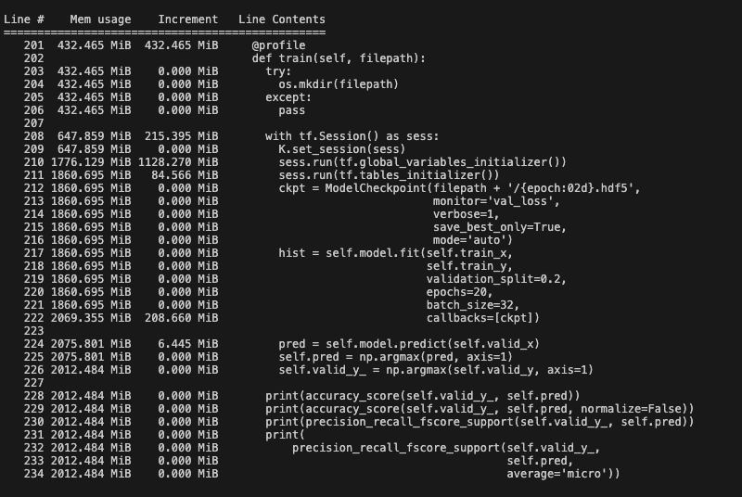
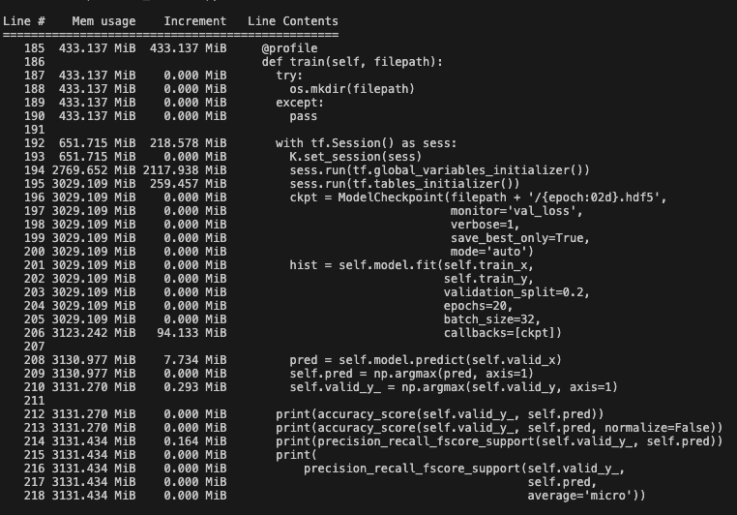
memory |  |  | memory

