comparison
 |  | ConveRT |  |  | USE

accuracy | 66% |  | accuracy | 70%
time | 22.48 s |  | time | 24.69 s

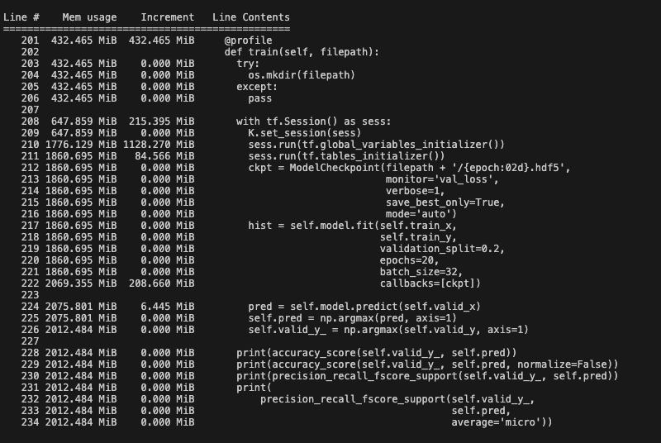
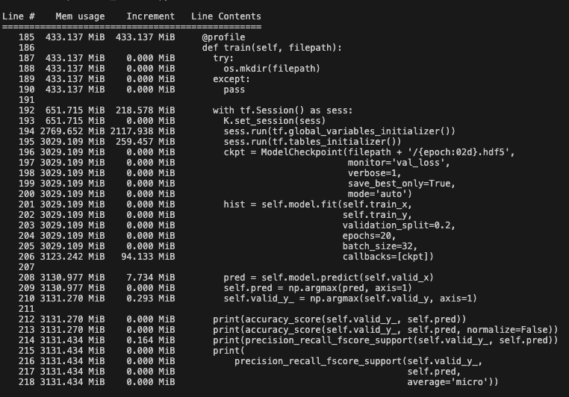
memory |  |  | memory

