Results
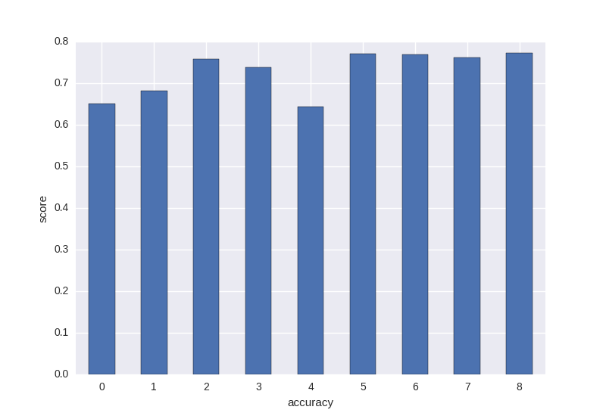
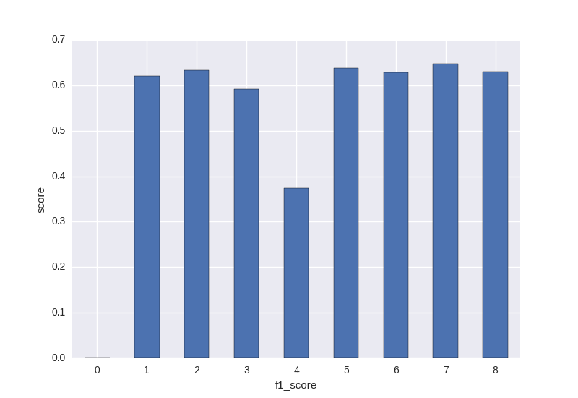
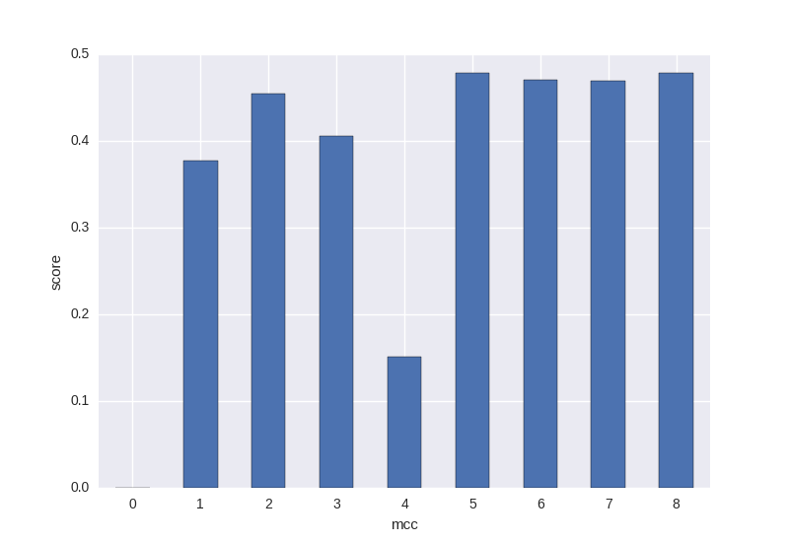
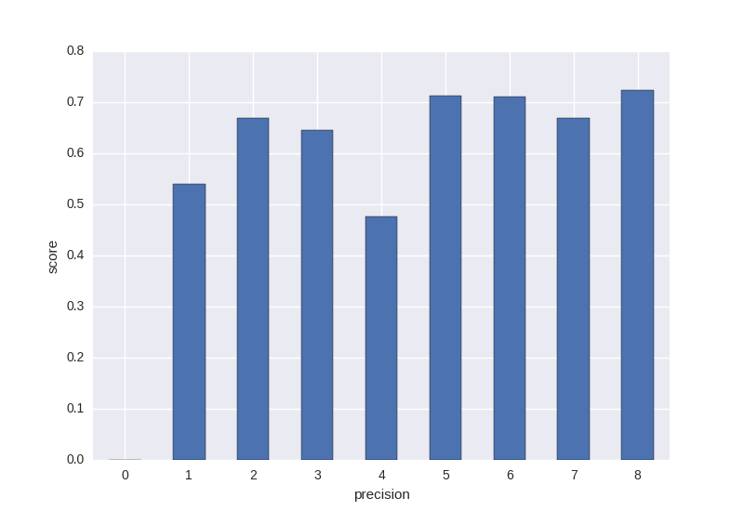
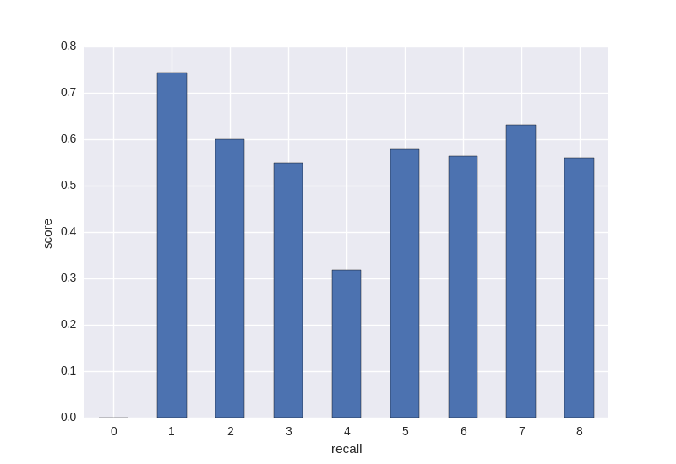
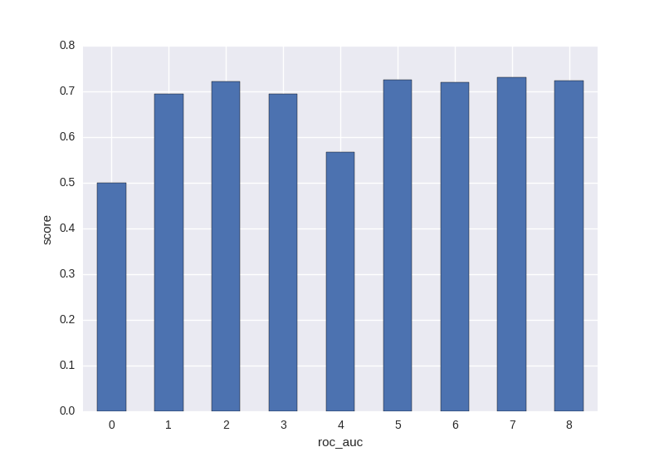
 | accuracy | algo_name | algo_param | f1_score | mcc | precision | recall | roc_auc
0 | 0.65104829811 | BernoulliNaiveBayes | {'a': '0'} | 0 | 0 | 0 | 0 | 0.5
1 | 0.6810966811 | DecisionTree | {'p': 'False', 'd': '4'} | 0.62105819637 | 0.37726937842 | 0.53995233392 | 0.7428371768 | 0.6954185884
2 | 0.75777098718 | GaussianNaiveBayes | default | 0.63269121846 | 0.45482828268 | 0.66951436389 | 0.60069881202 | 0.72134940601
3 | 0.73825651473 | QuadraticDiscriminantAnalysis | default | 0.59177746484 | 0.40529464275 | 0.64604276984 | 0.54828791055 | 0.69414395528
4 | 0.64323911383 | TFNeuralNetwork | {'h': '0.0', 'l': '[15,20,10]'} | 0.37368880116 | 0.15073516658 | 0.47614188259 | 0.31761006289 | 0.56780503145
5 | 0.7708598591 | RandomForest | {'d': '8', 't': '150'} | 0.6372039838 | 0.47868527116 | 0.71204066154 | 0.57826694619 | 0.7261334731
6 | 0.76824548001 | LogisticRegression | {'p': 'l1'} | 0.62839863737 | 0.4704050132 | 0.71116983791 | 0.56366177498 | 0.72083088749
7 | 0.76171802054 | LinearDiscriminantAnalysis | {'s': 'eigen', 'n': '1', 't': '0.0001', 'v': 'auto'} | 0.64819788223 | 0.46979294244 | 0.66881799512 | 0.63074772886 | 0.73137386443
8 | 0.77218402513 | CSupportVectorClassification | {'k': 'linear'} | 0.63064675952 | 0.47858516937 | 0.7235712245 | 0.56002795248 | 0.72301397624
9 | 0.053308334418 | std |  | 0.20035547016 | 0.1643570199 | 0.19872376959 | 0.20092315094 | 0.07902436021

