dplyr1
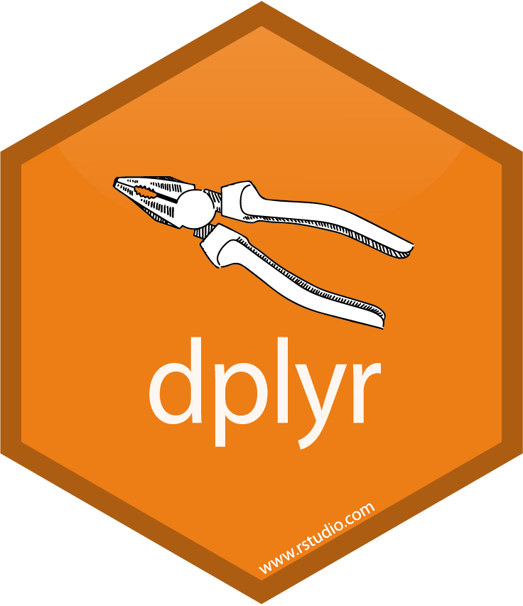
dplyr

Filter

Select

Arrange

Mutate

Summarize

Group_by

dplyr_db
joins

left join

right join

inner join

full join

library(readxl)
library(dplyr)
db1 <- read_excel("dplyr.xlsx", sheet = "dplyr_db1")
db2 <- read_excel("dplyr.xlsx", sheet = "dplyr_db2")
db3 <- read_excel("dplyr.xlsx", sheet = "dplyr_db3")
db4 <- read_excel("dplyr.xlsx", sheet = "dplyr_db4")

dplyr2
name | height | mass | hair_color | skin_color | eye_color | birth_year | sex | gender | homeworld | species
Luke Skywalker | 172 | 77 | blond | fair | blue | 19 | male | masculine | Tatooine | Human | https://dplyr.tidyverse.org/reference/starwars.html
C-3PO | 167 | 75 | NA | gold | yellow | 112 | none | masculine | Tatooine | Droid
R2-D2 | 96 | 32 | NA | white, blue | red | 33 | none | masculine | Naboo | Droid
Darth Vader | 202 | 136 | none | white | yellow | 41.9 | male | masculine | Tatooine | Human
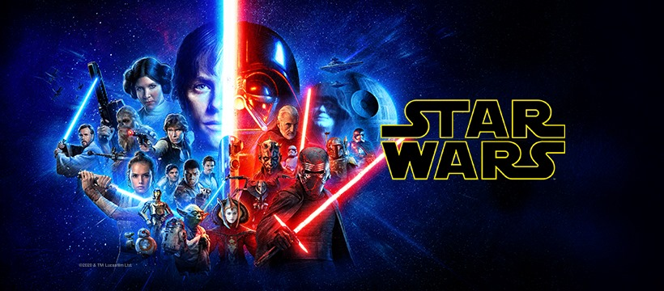
Leia Organa | 150 | 49 | brown | light | brown | 19 | female | feminine | Alderaan | Human
Owen Lars | 178 | 120 | brown, grey | light | blue | 52 | male | masculine | Tatooine | Human
Beru Whitesun lars | 165 | 75 | brown | light | blue | 47 | female | feminine | Tatooine | Human |  | 
R5-D4 | 97 | 32 | NA | white, red | red | NA | none | masculine | Tatooine | Droid
Biggs Darklighter | 183 | 84 | black | light | brown | 24 | male | masculine | Tatooine | Human
Obi-Wan Kenobi | 182 | 77 | auburn, white | fair | blue-gray | 57 | male | masculine | Stewjon | Human
Anakin Skywalker | 188 | 84 | blond | fair | blue | 41.9 | male | masculine | Tatooine | Human
Wilhuff Tarkin | 180 | NA | auburn, grey | fair | blue | 64 | male | masculine | Eriadu | Human
Chewbacca | 228 | 112 | brown | unknown | blue | 200 | male | masculine | Kashyyyk | Wookiee
Han Solo | 180 | 80 | brown | fair | brown | 29 | male | masculine | Corellia | Human
Greedo | 173 | 74 | NA | green | black | 44 | male | masculine | Rodia | Rodian
Jabba Desilijic Tiure | 175 | 1358 | NA | green-tan, brown | orange | 600 | hermaphroditic | masculine | Nal Hutta | Hutt
Wedge Antilles | 170 | 77 | brown | fair | hazel | 21 | male | masculine | Corellia | Human
Jek Tono Porkins | 180 | 110 | brown | fair | blue | NA | male | masculine | Bestine IV | Human
Yoda | 66 | 17 | white | green | brown | 896 | male | masculine | NA | Yoda's species
Palpatine | 170 | 75 | grey | pale | yellow | 82 | male | masculine | Naboo | Human
Boba Fett | 183 | 78.2 | black | fair | brown | 31.5 | male | masculine | Kamino | Human
IG-88 | 200 | 140 | none | metal | red | 15 | none | masculine | NA | Droid
Bossk | 190 | 113 | none | green | red | 53 | male | masculine | Trandosha | Trandoshan
Lando Calrissian | 177 | 79 | black | dark | brown | 31 | male | masculine | Socorro | Human
Lobot | 175 | 79 | none | light | blue | 37 | male | masculine | Bespin | Human
Ackbar | 180 | 83 | none | brown mottle | orange | 41 | male | masculine | Mon Cala | Mon Calamari
Mon Mothma | 150 | NA | auburn | fair | blue | 48 | female | feminine | Chandrila | Human
Arvel Crynyd | NA | NA | brown | fair | brown | NA | male | masculine | NA | Human
Wicket Systri Warrick | 88 | 20 | brown | brown | brown | 8 | male | masculine | Endor | Ewok
Nien Nunb | 160 | 68 | none | grey | black | NA | male | masculine | Sullust | Sullustan
Qui-Gon Jinn | 193 | 89 | brown | fair | blue | 92 | male | masculine | NA | Human
Nute Gunray | 191 | 90 | none | mottled green | red | NA | male | masculine | Cato Neimoidia | Neimodian
Finis Valorum | 170 | NA | blond | fair | blue | 91 | male | masculine | Coruscant | Human
Jar Jar Binks | 196 | 66 | none | orange | orange | 52 | male | masculine | Naboo | Gungan
Roos Tarpals | 224 | 82 | none | grey | orange | NA | male | masculine | Naboo | Gungan
Rugor Nass | 206 | NA | none | green | orange | NA | male | masculine | Naboo | Gungan
Ric Oli√© | 183 | NA | brown | fair | blue | NA | NA | NA | Naboo | NA
Watto | 137 | NA | black | blue, grey | yellow | NA | male | masculine | Toydaria | Toydarian
Sebulba | 112 | 40 | none | grey, red | orange | NA | male | masculine | Malastare | Dug
Quarsh Panaka | 183 | NA | black | dark | brown | 62 | NA | NA | Naboo | NA
Shmi Skywalker | 163 | NA | black | fair | brown | 72 | female | feminine | Tatooine | Human
Darth Maul | 175 | 80 | none | red | yellow | 54 | male | masculine | Dathomir | Zabrak
Bib Fortuna | 180 | NA | none | pale | pink | NA | male | masculine | Ryloth | Twi'lek
Ayla Secura | 178 | 55 | none | blue | hazel | 48 | female | feminine | Ryloth | Twi'lek
Dud Bolt | 94 | 45 | none | blue, grey | yellow | NA | male | masculine | Vulpter | Vulptereen
Gasgano | 122 | NA | none | white, blue | black | NA | male | masculine | Troiken | Xexto
Ben Quadinaros | 163 | 65 | none | grey, green, yellow | orange | NA | male | masculine | Tund | Toong
Mace Windu | 188 | 84 | none | dark | brown | 72 | male | masculine | Haruun Kal | Human
Ki-Adi-Mundi | 198 | 82 | white | pale | yellow | 92 | male | masculine | Cerea | Cerean
Kit Fisto | 196 | 87 | none | green | black | NA | male | masculine | Glee Anselm | Nautolan
Eeth Koth | 171 | NA | black | brown | brown | NA | male | masculine | Iridonia | Zabrak
Adi Gallia | 184 | 50 | none | dark | blue | NA | female | feminine | Coruscant | Tholothian
Saesee Tiin | 188 | NA | none | pale | orange | NA | male | masculine | Iktotch | Iktotchi
Yarael Poof | 264 | NA | none | white | yellow | NA | male | masculine | Quermia | Quermian
Plo Koon | 188 | 80 | none | orange | black | 22 | male | masculine | Dorin | Kel Dor
Mas Amedda | 196 | NA | none | blue | blue | NA | male | masculine | Champala | Chagrian
Gregar Typho | 185 | 85 | black | dark | brown | NA | male | masculine | Naboo | Human
Cord√© | 157 | NA | brown | light | brown | NA | female | feminine | Naboo | Human
Cliegg Lars | 183 | NA | brown | fair | blue | 82 | male | masculine | Tatooine | Human
Poggle the Lesser | 183 | 80 | none | green | yellow | NA | male | masculine | Geonosis | Geonosian
Luminara Unduli | 170 | 56.2 | black | yellow | blue | 58 | female | feminine | Mirial | Mirialan
Barriss Offee | 166 | 50 | black | yellow | blue | 40 | female | feminine | Mirial | Mirialan
Dorm√© | 165 | NA | brown | light | brown | NA | female | feminine | Naboo | Human
Dooku | 193 | 80 | white | fair | brown | 102 | male | masculine | Serenno | Human
Bail Prestor Organa | 191 | NA | black | tan | brown | 67 | male | masculine | Alderaan | Human
Jango Fett | 183 | 79 | black | tan | brown | 66 | male | masculine | Concord Dawn | Human
Zam Wesell | 168 | 55 | blonde | fair, green, yellow | yellow | NA | female | feminine | Zolan | Clawdite
Dexter Jettster | 198 | 102 | none | brown | yellow | NA | male | masculine | Ojom | Besalisk
Lama Su | 229 | 88 | none | grey | black | NA | male | masculine | Kamino | Kaminoan
Taun We | 213 | NA | none | grey | black | NA | female | feminine | Kamino | Kaminoan
Jocasta Nu | 167 | NA | white | fair | blue | NA | female | feminine | Coruscant | Human
Ratts Tyerell | 79 | 15 | none | grey, blue | unknown | NA | male | masculine | Aleen Minor | Aleena
R4-P17 | 96 | NA | none | silver, red | red, blue | NA | none | feminine | NA | Droid
Wat Tambor | 193 | 48 | none | green, grey | unknown | NA | male | masculine | Skako | Skakoan
San Hill | 191 | NA | none | grey | gold | NA | male | masculine | Muunilinst | Muun
Shaak Ti | 178 | 57 | none | red, blue, white | black | NA | female | feminine | Shili | Togruta
Grievous | 216 | 159 | none | brown, white | green, yellow | NA | male | masculine | Kalee | Kaleesh
Tarfful | 234 | 136 | brown | brown | blue | NA | male | masculine | Kashyyyk | Wookiee
Raymus Antilles | 188 | 79 | brown | light | brown | NA | male | masculine | Alderaan | Human
Sly Moore | 178 | 48 | none | pale | white | NA | NA | NA | Umbara | NA
Tion Medon | 206 | 80 | none | grey | black | NA | male | masculine | Utapau | Pau'an
Finn | NA | NA | black | dark | dark | NA | male | masculine | NA | Human
Rey | NA | NA | brown | light | hazel | NA | female | feminine | NA | Human
Poe Dameron | NA | NA | brown | light | brown | NA | male | masculine | NA | Human
BB8 | NA | NA | none | none | black | NA | none | masculine | NA | Droid
Captain Phasma | NA | NA | unknown | unknown | unknown | NA | NA | NA | NA | NA
Padm√© Amidala | 165 | 45 | brown | light | brown | 46 | female | feminine | Naboo | Human

