numeric
column | parcelid | Distribution
sample_value | 13083636 11509852 | 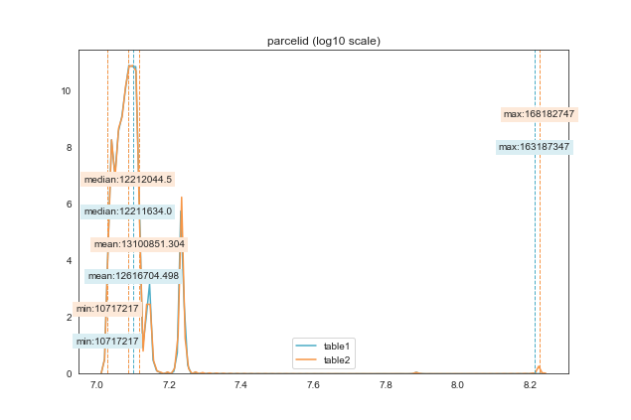
nan_rate | 0.0 0.0
num_uni | 10886/10886 10886/10886
value_min | 10717217 10717217
value_mean | 12616704.498 13100851.304
value_median | 12211634.0 12212044.5
value_max | 163187347 168182747
corr | 0.968

column | airconditioningtypeid | Distribution
sample_value | 1.0 1.0 | 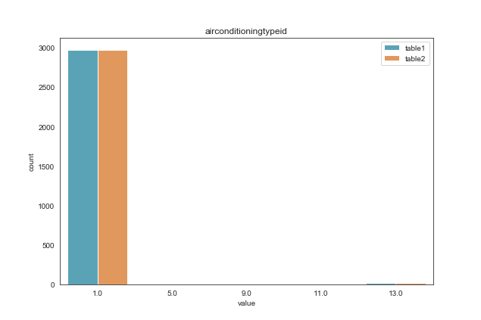
nan_rate | 0.723 0.722
num_uni | 4/3013 5/3023
value_min | 1.0 1.0
value_mean | 1.125 1.145
value_median | 1.0 1.0
value_max | 13.0 13.0
corr | 0.9

column | architecturalstyletypeid | Distribution
sample_value | 7.0 7.0 | 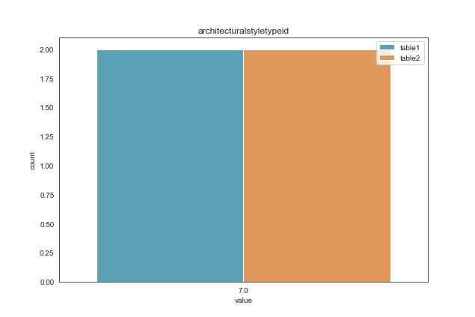
nan_rate | 1.0 1.0
num_uni | 1/2 1/2
value_min | 7.0 7.0
value_mean | 7.0 7.0
value_median | 7.0 7.0
value_max | 7.0 7.0
corr | 1

column | basementsqft | Distribution
sample_value | 651.0 555.0 | 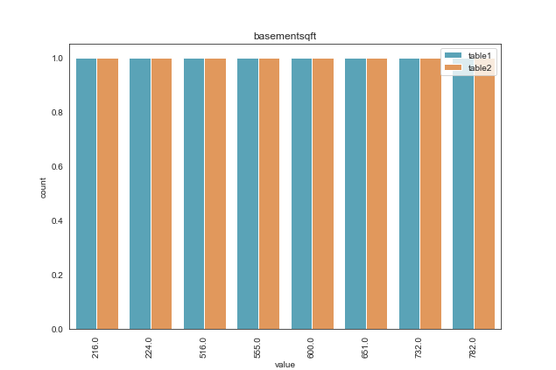
nan_rate | 0.999 0.999
num_uni | 8/8 8/8
value_min | 216.0 216.0
value_mean | 534.5 534.5
value_median | 577.5 577.5
value_max | 782.0 782.0
corr | 1

column | bathroomcnt | Distribution
sample_value | 2.0 3.0 | 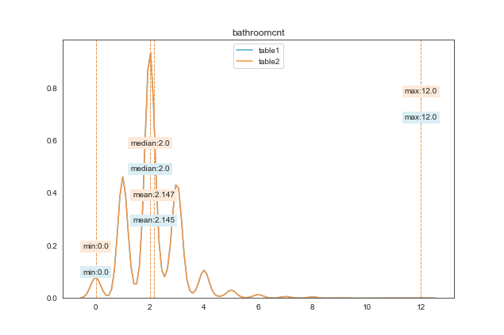
nan_rate | 0.0 0.0
num_uni | 20/10886 20/10886
value_min | 0.0 0.0
value_mean | 2.145 2.147
value_median | 2.0 2.0
value_max | 12.0 12.0
corr | 0.999

column | bedroomcnt | Distribution
sample_value | 3.0 3.0 | 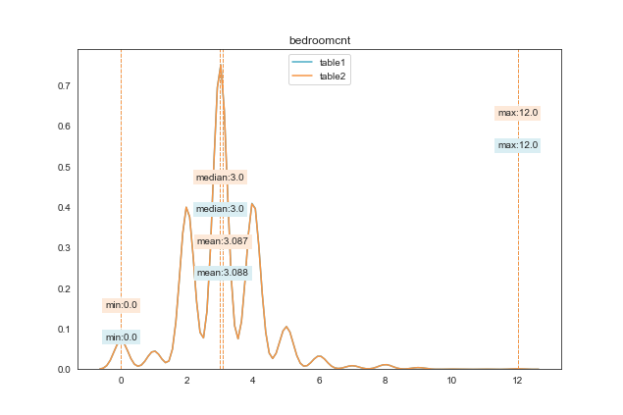
nan_rate | 0.0 0.0
num_uni | 13/10886 13/10886
value_min | 0.0 0.0
value_mean | 3.088 3.087
value_median | 3.0 3.0
value_max | 12.0 12.0
corr | 1

column | buildingclasstypeid | Distribution
sample_value | 4.0 4.0 | 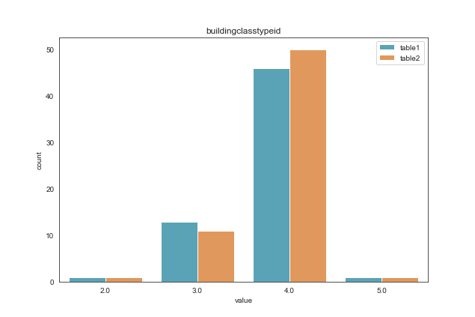
nan_rate | 0.994 0.994
num_uni | 4/61 4/63
value_min | 2.0 2.0
value_mean | 3.77 3.81
value_median | 4.0 4.0
value_max | 5.0 5.0
corr | 1

column | buildingqualitytypeid | Distribution
sample_value | 4.0 6.0 | 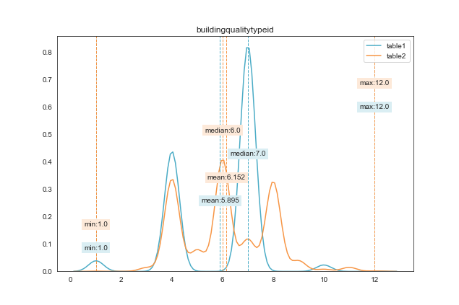
nan_rate | 0.176 0.176
num_uni | 6/8975 12/8975
value_min | 1.0 1.0
value_mean | 5.895 6.152
value_median | 7.0 6.0
value_max | 12.0 12.0
corr | 0.063

column | calculatedbathnbr | Distribution
sample_value | 3.0 2.0 | 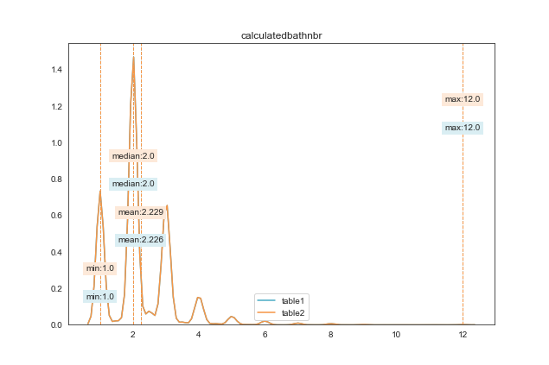
nan_rate | 0.037 0.037
num_uni | 19/10484 19/10483
value_min | 1.0 1.0
value_mean | 2.226 2.229
value_median | 2.0 2.0
value_max | 12.0 12.0
corr | 0.999

column | decktypeid | Distribution
sample_value | 66.0 66.0 | 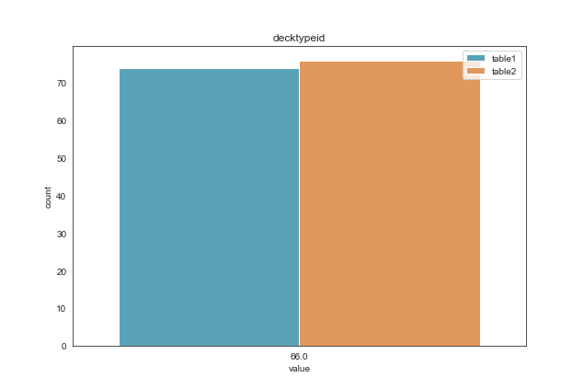
nan_rate | 0.993 0.993
num_uni | 1/74 1/76
value_min | 66.0 66.0
value_mean | 66.0 66.0
value_median | 66.0 66.0
value_max | 66.0 66.0
corr | 0.974

column | finishedfloor1squarefeet | Distribution
sample_value | 1101.0 968.0 | 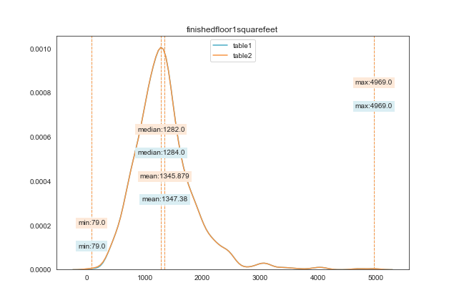
nan_rate | 0.92 0.92
num_uni | 628/869 630/871
value_min | 79.0 79.0
value_mean | 1347.38 1345.879
value_median | 1284.0 1282.0
value_max | 4969.0 4969.0
corr | 0.996

column | calculatedfinishedsquarefeet | Distribution
sample_value | 780.0 2143.0 | 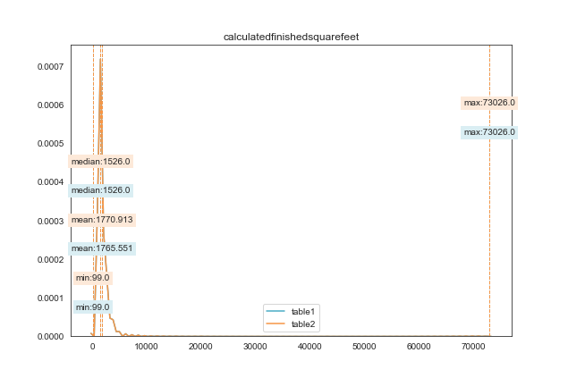
nan_rate | 0.007 0.008
num_uni | 2893/10808 2898/10803
value_min | 99.0 99.0
value_mean | 1765.551 1770.913
value_median | 1526.0 1526.0
value_max | 73026.0 73026.0
corr | 0.944

column | finishedsquarefeet12 | Distribution
sample_value | 1591.0 1980.0 | 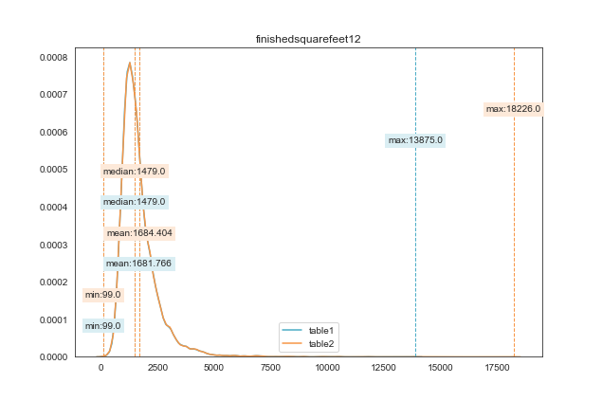
nan_rate | 0.099 0.1
num_uni | 2674/9804 2675/9800
value_min | 99.0 99.0
value_mean | 1681.766 1684.404
value_median | 1479.0 1479.0
value_max | 13875.0 18226.0
corr | 0.99

column | finishedsquarefeet13 | Distribution
sample_value | 1440.0 1140.0 | 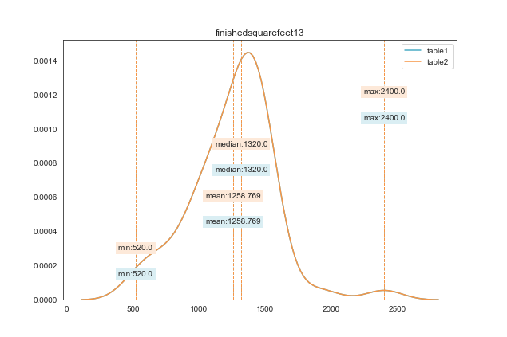
nan_rate | 0.995 0.995
num_uni | 28/52 28/52
value_min | 520.0 520.0
value_mean | 1258.769 1258.769
value_median | 1320.0 1320.0
value_max | 2400.0 2400.0
corr | 1

column | finishedsquarefeet15 | Distribution
sample_value | 2206.0 3616.0 | 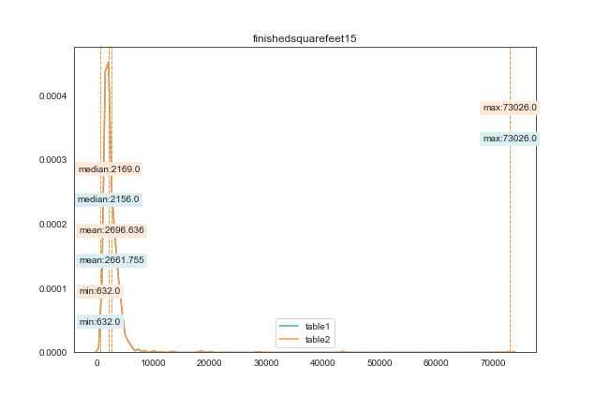
nan_rate | 0.915 0.915
num_uni | 772/923 773/923
value_min | 632.0 632.0
value_mean | 2661.755 2696.636
value_median | 2156.0 2169.0
value_max | 73026.0 73026.0
corr | 0.93

column | finishedsquarefeet50 | Distribution
sample_value | 1373.0 1216.0 | 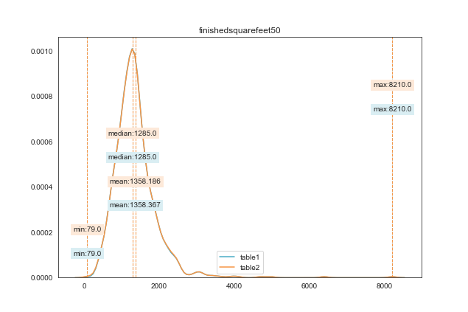
nan_rate | 0.92 0.92
num_uni | 627/869 630/871
value_min | 79.0 79.0
value_mean | 1358.367 1358.186
value_median | 1285.0 1285.0
value_max | 8210.0 8210.0
corr | 0.991

column | finishedsquarefeet6 | Distribution
sample_value | 2340.0 1287.0 | 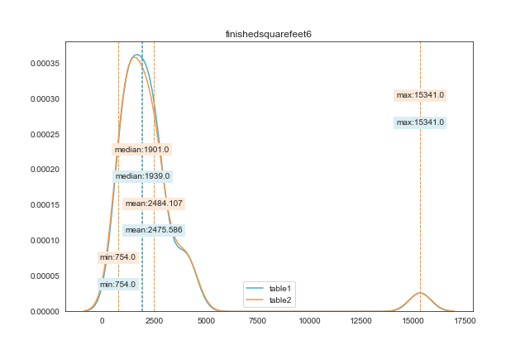
nan_rate | 0.997 0.997
num_uni | 29/29 28/28
value_min | 754.0 754.0
value_mean | 2475.586 2484.107
value_median | 1939.0 1901.0
value_max | 15341.0 15341.0
corr

column | fips | Distribution
sample_value | 6037 6059 | 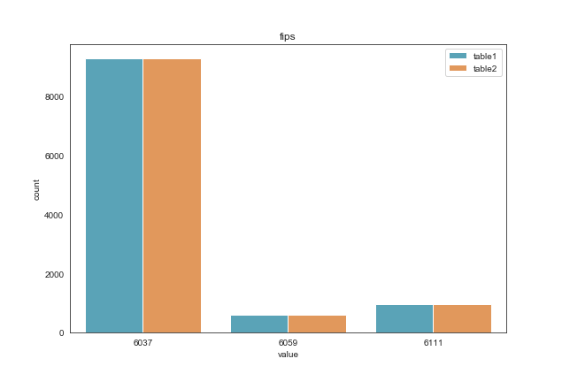
nan_rate | 0.0 0.0
num_uni | 3/10886 3/10886
value_min | 6037 6037
value_mean | 6044.816 6044.834
value_median | 6037.0 6037.0
value_max | 6111 6111
corr | 1

column | fireplacecnt | Distribution
sample_value | 1.0 1.0 | 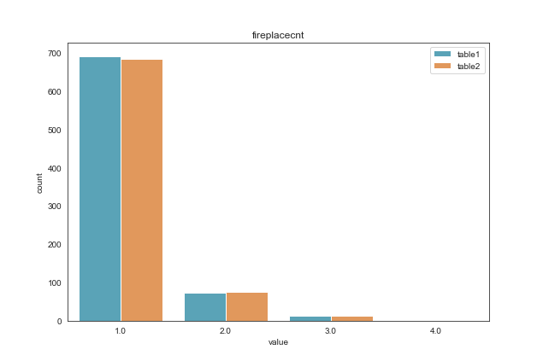
nan_rate | 0.928 0.929
num_uni | 4/783 4/778
value_min | 1.0 1.0
value_mean | 1.142 1.144
value_median | 1.0 1.0
value_max | 4.0 4.0
corr | 1

column | fullbathcnt | Distribution
sample_value | 3.0 6.0 | 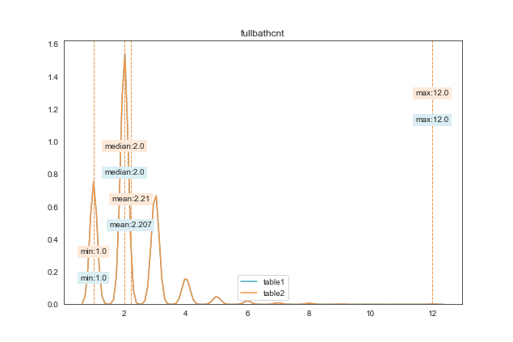
nan_rate | 0.037 0.037
num_uni | 12/10484 12/10483
value_min | 1.0 1.0
value_mean | 2.207 2.21
value_median | 2.0 2.0
value_max | 12.0 12.0
corr | 1

column | garagecarcnt | Distribution
sample_value | 2.0 2.0 | 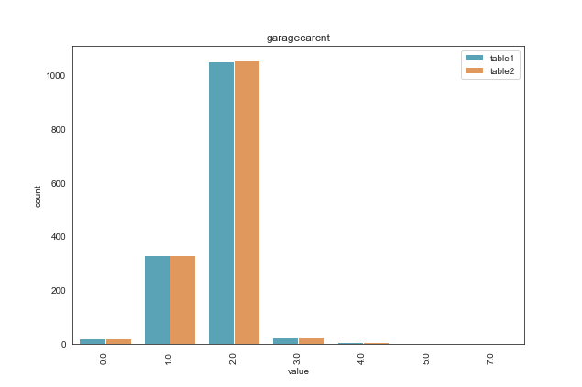
nan_rate | 0.867 0.867
num_uni | 7/1447 7/1445
value_min | 0.0 0.0
value_mean | 1.777 1.779
value_median | 2.0 2.0
value_max | 7.0 7.0
corr | 1

column | garagetotalsqft | Distribution
sample_value | 430.0 416.0 | 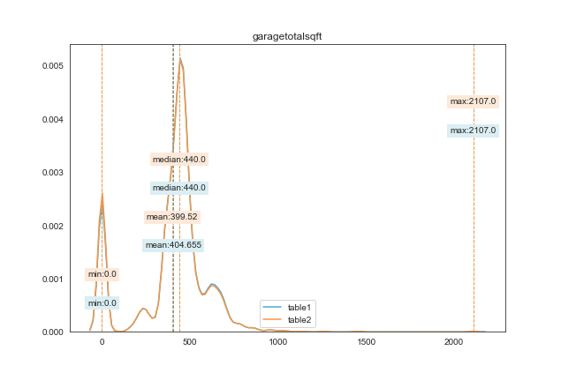
nan_rate | 0.867 0.867
num_uni | 318/1447 315/1445
value_min | 0.0 0.0
value_mean | 404.655 399.52
value_median | 440.0 440.0
value_max | 2107.0 2107.0
corr | 1

column | heatingorsystemtypeid | Distribution
sample_value | 2.0 7.0 | 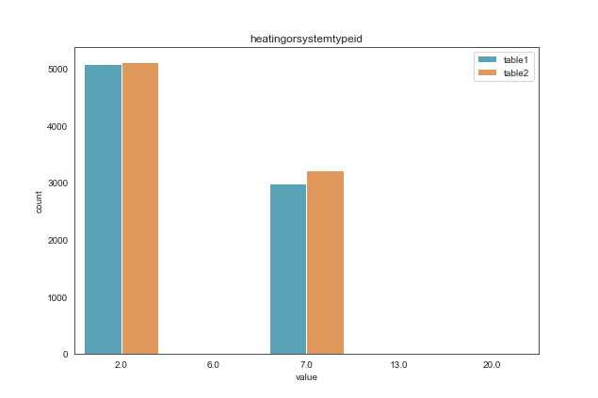
nan_rate | 0.256 0.231
num_uni | 5/8104 5/8372
value_min | 2.0 2.0
value_mean | 3.871 3.95
value_median | 2.0 2.0
value_max | 20.0 20.0
corr | 1

column | latitude | Distribution
sample_value | 34285908 34171507 | 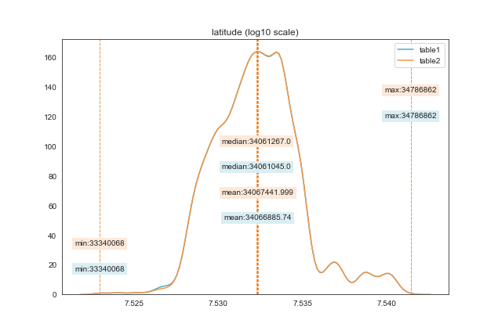
nan_rate | 0.0 0.0
num_uni | 10614/10886 10611/10886
value_min | 33340068 33340068
value_mean | 34066885.74 34067441.999
value_median | 34061045.0 34061267.0
value_max | 34786862 34786862
corr | 0.998

column | longitude | Distribution
sample_value | -118188881 -118537000 | 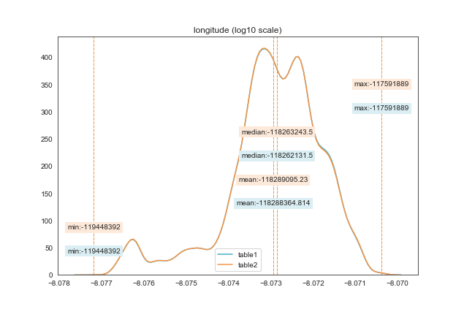
nan_rate | 0.0 0.0
num_uni | 10322/10886 10321/10886
value_min | -119448392 -119448392
value_mean | -118288364.814 -118289095.23
value_median | -118262131.5 -118263243.5
value_max | -117591889 -117591889
corr | 1

column | lotsizesquarefeet | Distribution
sample_value | 5431.0 210437.0 | 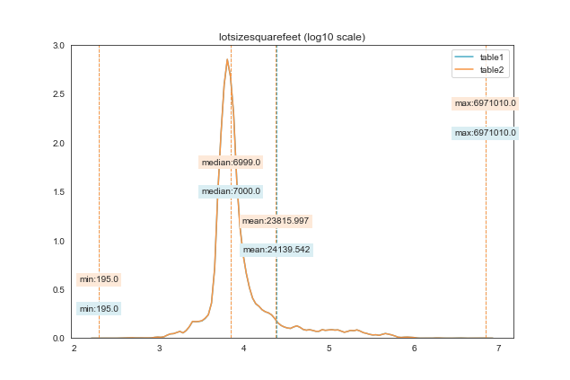
nan_rate | 0.027 0.03
num_uni | 6492/10587 6495/10554
value_min | 195.0 195.0
value_mean | 24139.542 23815.997
value_median | 7000.0 6999.0
value_max | 6971010.0 6971010.0
corr | 1

column | poolcnt | Distribution
sample_value | 1.0 1.0 | 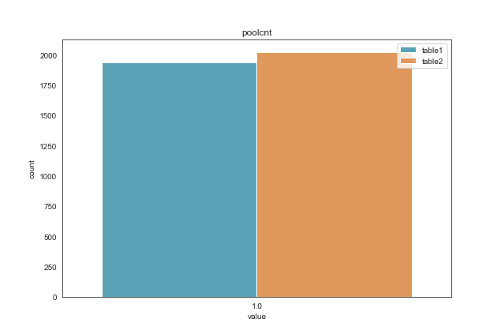
nan_rate | 0.822 0.814
num_uni | 1/1939 1/2024
value_min | 1.0 1.0
value_mean | 1.0 1.0
value_median | 1.0 1.0
value_max | 1.0 1.0
corr | 0.958

column | poolsizesum | Distribution
sample_value | 800.0 525.0 | 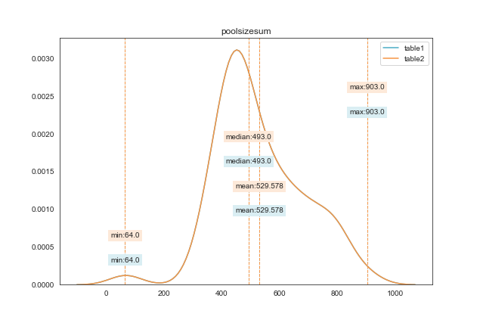
nan_rate | 0.989 0.989
num_uni | 65/116 65/116
value_min | 64.0 64.0
value_mean | 529.578 529.578
value_median | 493.0 493.0
value_max | 903.0 903.0
corr | 1

column | pooltypeid10 | Distribution
sample_value | 1.0 1.0 | 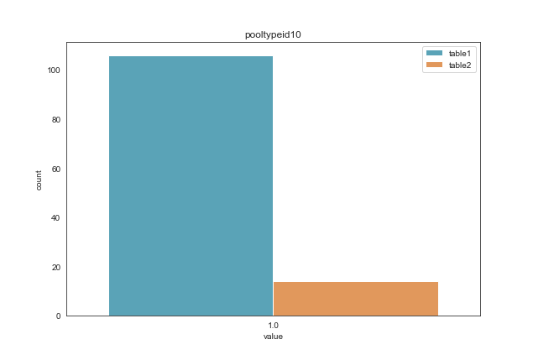
nan_rate | 0.99 0.999
num_uni | 1/106 1/14
value_min | 1.0 1.0
value_mean | 1.0 1.0
value_median | 1.0 1.0
value_max | 1.0 1.0
corr | 0.132

column | pooltypeid2 | Distribution
sample_value | 1.0 1.0 | 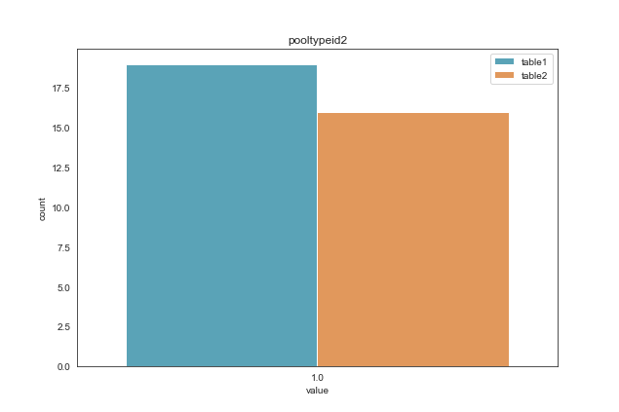
nan_rate | 0.998 0.999
num_uni | 1/19 1/16
value_min | 1.0 1.0
value_mean | 1.0 1.0
value_median | 1.0 1.0
value_max | 1.0 1.0
corr | 0.842

column | pooltypeid7 | Distribution
sample_value | 1.0 1.0 | 
nan_rate | 0.824 0.816
num_uni | 1/1920 1/2004
value_min | 1.0 1.0
value_mean | 1.0 1.0
value_median | 1.0 1.0
value_max | 1.0 1.0
corr | 0.958

column | propertylandusetypeid | Distribution
sample_value | 266 266 | 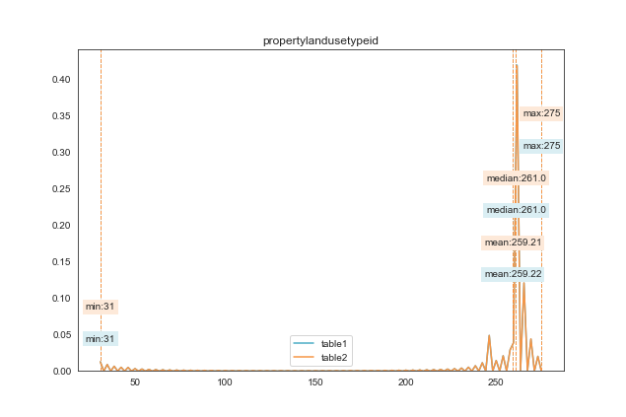
nan_rate | 0.0 0.0
num_uni | 13/10886 14/10886
value_min | 31 31
value_mean | 259.22 259.21
value_median | 261.0 261.0
value_max | 275 275
corr | 1

column | rawcensustractandblock | Distribution
sample_value | 61110010.022009 60375417.005 | 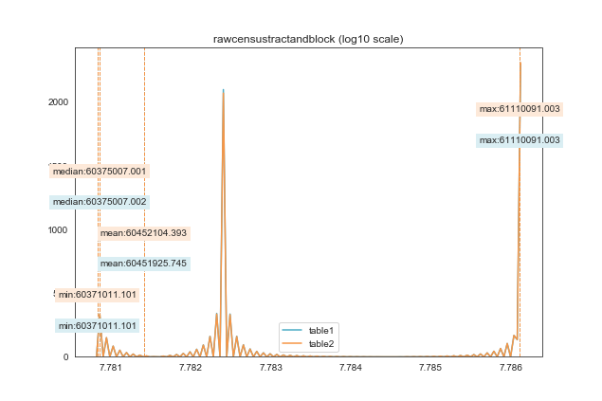
nan_rate | 0.0 0.0
num_uni | 10006/10886 9998/10886
value_min | 60371011.101 60371011.101
value_mean | 60451925.745 60452104.393
value_median | 60375007.002 60375007.001
value_max | 61110091.003 61110091.003
corr | 1

column | regionidcity | Distribution
sample_value | 12447.0 14542.0 | 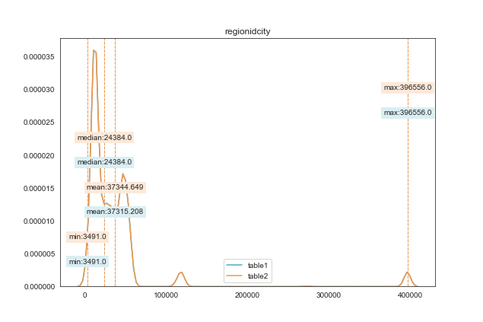
nan_rate | 0.011 0.015
num_uni | 160/10767 159/10728
value_min | 3491.0 3491.0
value_mean | 37315.208 37344.649
value_median | 24384.0 24384.0
value_max | 396556.0 396556.0
corr | 1

column | regionidcounty | Distribution
sample_value | 2061 3101 | 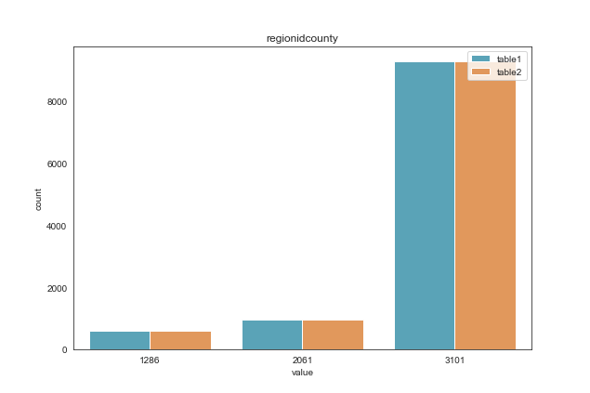
nan_rate | 0.0 0.0
num_uni | 3/10886 3/10886
value_min | 1286 1286
value_mean | 2904.699 2905.555
value_median | 3101.0 3101.0
value_max | 3101 3101
corr | 1

column | regionidneighborhood | Distribution
sample_value | 48570.0 27987.0 | 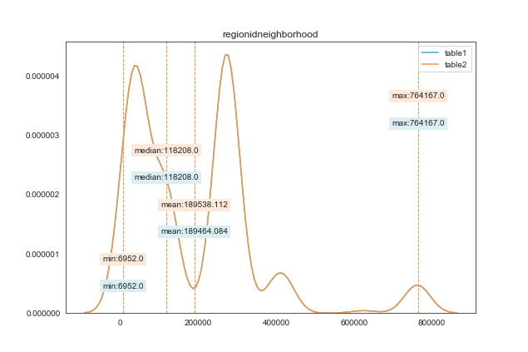
nan_rate | 0.567 0.567
num_uni | 357/4712 358/4711
value_min | 6952.0 6952.0
value_mean | 189464.084 189538.112
value_median | 118208.0 118208.0
value_max | 764167.0 764167.0
corr | 1

column | regionidzip | Distribution
sample_value | 96469.0 97024.0 | 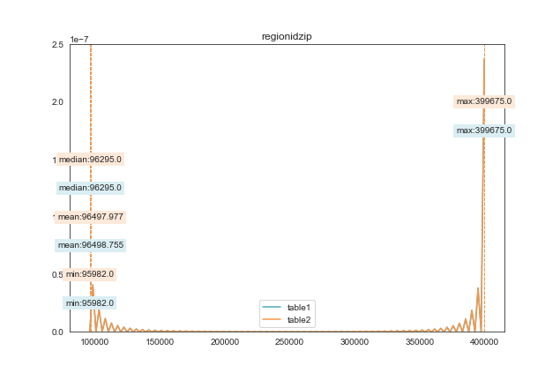
nan_rate | 0.001 0.004
num_uni | 350/10878 350/10841
value_min | 95982.0 95982.0
value_mean | 96498.755 96497.977
value_median | 96295.0 96295.0
value_max | 399675.0 399675.0
corr | 1

column | roomcnt | Distribution
sample_value | 5.0 0.0 | 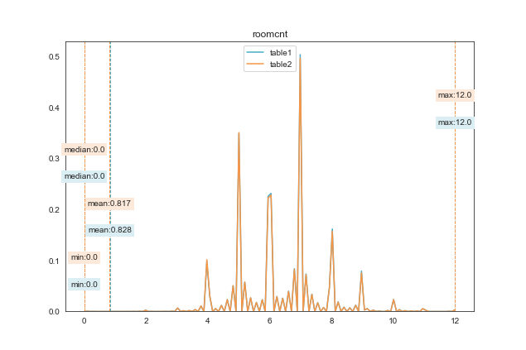
nan_rate | 0.0 0.0
num_uni | 12/10886 12/10886
value_min | 0.0 0.0
value_mean | 0.828 0.817
value_median | 0.0 0.0
value_max | 12.0 12.0
corr | 1

column | storytypeid | Distribution
sample_value | 7.0 7.0 | 
nan_rate | 0.999 0.999
num_uni | 1/8 1/8
value_min | 7.0 7.0
value_mean | 7.0 7.0
value_median | 7.0 7.0
value_max | 7.0 7.0
corr | 1

column | threequarterbathnbr | Distribution
sample_value | 1.0 1.0 | 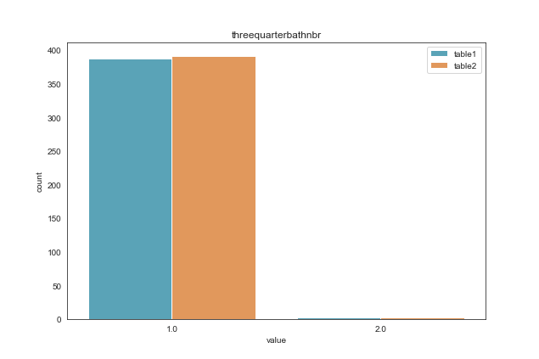
nan_rate | 0.964 0.964
num_uni | 2/391 2/395
value_min | 1.0 1.0
value_mean | 1.008 1.008
value_median | 1.0 1.0
value_max | 2.0 2.0
corr | 1

column | typeconstructiontypeid | Distribution
sample_value | 6.0 6.0 | 
nan_rate | 1.0 1.0
num_uni | 1/2 1/2
value_min | 6.0 6.0
value_mean | 6.0 6.0
value_median | 6.0 6.0
value_max | 6.0 6.0
corr | 1

column | unitcnt | Distribution
sample_value | 1.0 4.0 | 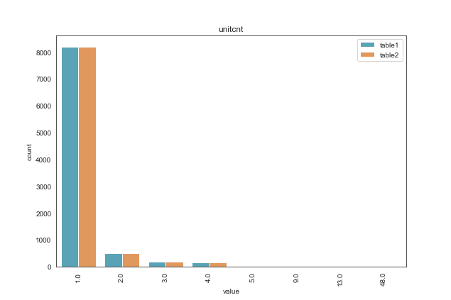
nan_rate | 0.164 0.164
num_uni | 8/9105 8/9100
value_min | 1.0 1.0
value_mean | 1.166 1.167
value_median | 1.0 1.0
value_max | 48.0 48.0
corr | 0.962

column | yardbuildingsqft17 | Distribution
sample_value | 100.0 300.0 | 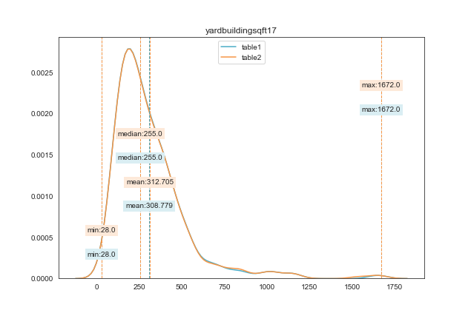
nan_rate | 0.965 0.965
num_uni | 192/380 193/383
value_min | 28.0 28.0
value_mean | 308.779 312.705
value_median | 255.0 255.0
value_max | 1672.0 1672.0
corr | 0.987

column | yardbuildingsqft26 | Distribution
sample_value | 1280.0 96.0 | 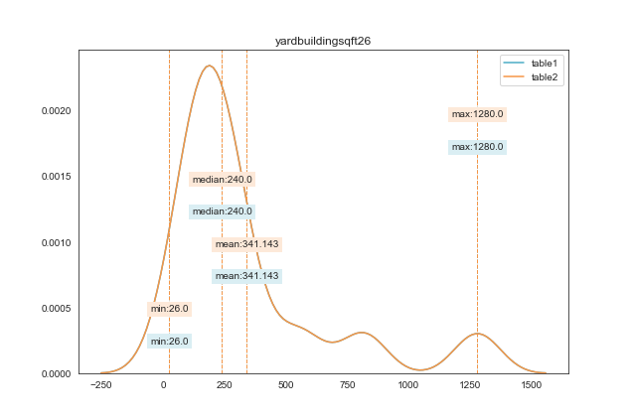
nan_rate | 0.999 0.999
num_uni | 13/14 13/14
value_min | 26.0 26.0
value_mean | 341.143 341.143
value_median | 240.0 240.0
value_max | 1280.0 1280.0
corr | 1

column | yearbuilt | Distribution
sample_value | 1949.0 1969.0 | 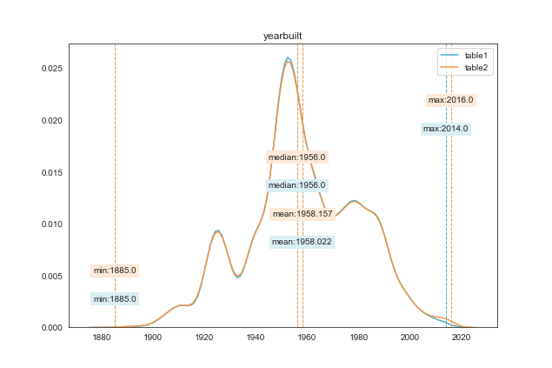
nan_rate | 0.01 0.009
num_uni | 122/10781 126/10787
value_min | 1885.0 1885.0
value_mean | 1958.022 1958.157
value_median | 1956.0 1956.0
value_max | 2014.0 2016.0
corr | 0.996

column | numberofstories | Distribution
sample_value | 1.0 1.0 | 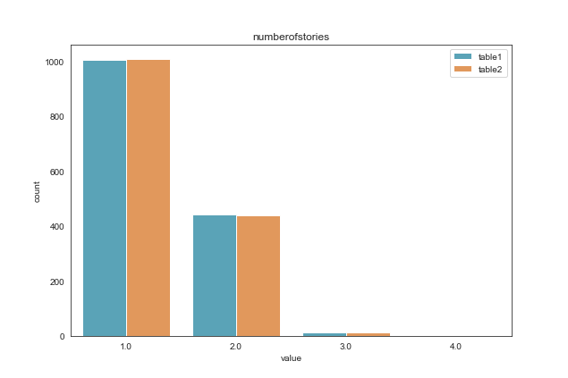
nan_rate | 0.865 0.865
num_uni | 4/1466 4/1467
value_min | 1.0 1.0
value_mean | 1.324 1.324
value_median | 1.0 1.0
value_max | 4.0 4.0
corr | 1

column | structuretaxvaluedollarcnt | Distribution
sample_value | 74508.0 513883.0 | 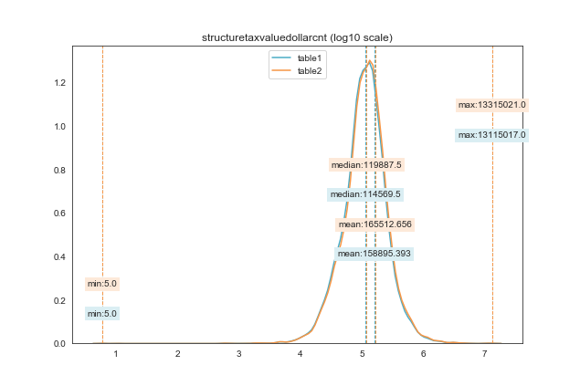
nan_rate | 0.019 0.02
num_uni | 8956/10676 9082/10670
value_min | 5.0 5.0
value_mean | 158895.393 165512.656
value_median | 114569.5 119887.5
value_max | 13115017.0 13315021.0
corr | 0.992

column | taxvaluedollarcnt | Distribution
sample_value | 32073.0 69326.0 | 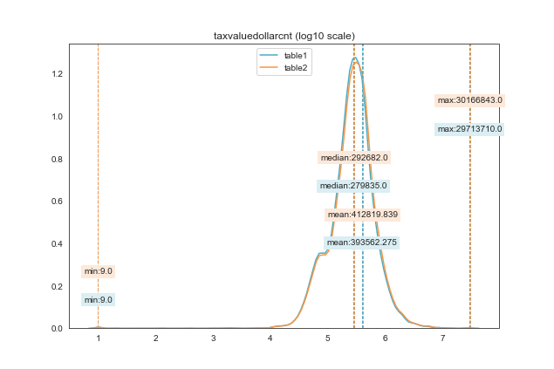
nan_rate | 0.014 0.014
num_uni | 9606/10729 9768/10730
value_min | 9.0 9.0
value_mean | 393562.275 412819.839
value_median | 279835.0 292682.0
value_max | 29713710.0 30166843.0
corr | 0.978

column | assessmentyear | Distribution
sample_value | 2015 2016 | 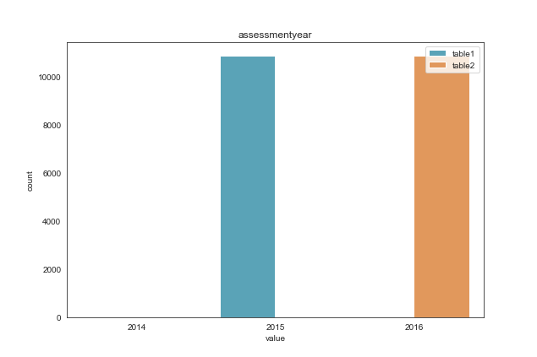
nan_rate | 0.0 0.0
num_uni | 2/10886 3/10886
value_min | 2014 2014
value_mean | 2014.999 2015.998
value_median | 2015.0 2016.0
value_max | 2015 2016
corr | -0.5

column | landtaxvaluedollarcnt | Distribution
sample_value | 130636.0 236728.0 | 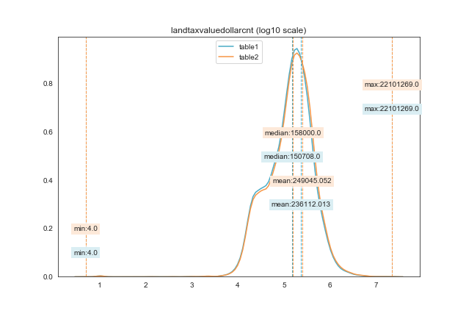
nan_rate | 0.017 0.018
num_uni | 8605/10699 8718/10695
value_min | 4.0 4.0
value_mean | 236112.013 249045.052
value_median | 150708.0 158000.0
value_max | 22101269.0 22101269.0
corr | 0.989

column | taxamount | Distribution
sample_value | 3917.28 2449.48 | 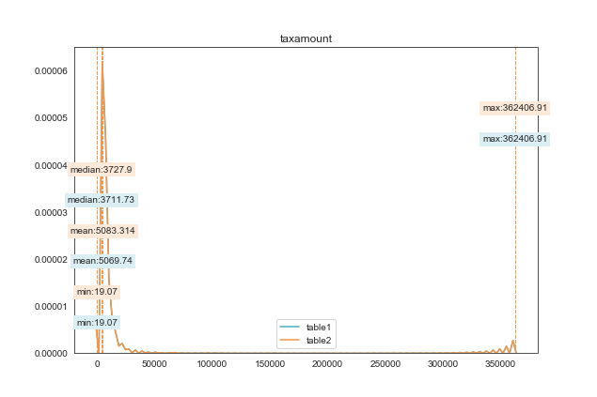
nan_rate | 0.007 0.007
num_uni | 10747/10811 10753/10811
value_min | 19.07 19.07
value_mean | 5069.74 5083.314
value_median | 3711.73 3727.9
value_max | 362406.91 362406.91
corr | 1

column | taxdelinquencyyear | Distribution
sample_value | 14.0 14.0 | 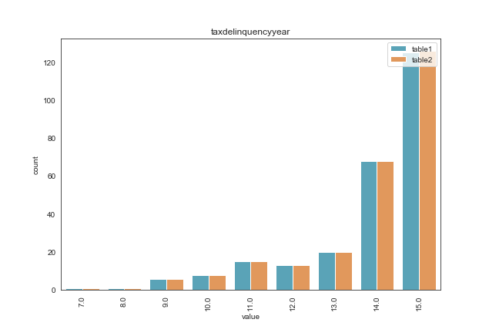
nan_rate | 0.976 0.976
num_uni | 9/257 9/258
value_min | 7.0 7.0
value_mean | 13.84 13.845
value_median | 14.0 14.0
value_max | 15.0 15.0
corr | 1

column | censustractandblock | Distribution
sample_value | 60374617002000.0 60372312201008.0 | 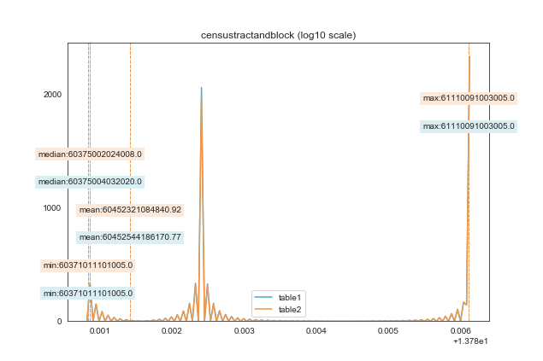
nan_rate | 0.027 0.031
num_uni | 9761/10589 9721/10547
value_min | 60371011101005.0 60371011101005.0
value_mean | 60452544186170.77 60452321084840.92
value_median | 60375004032020.0 60375002024008.0
value_max | 61110091003005.0 61110091003005.0
corr | 1

