numeric
column | parcelid | Distribution
sample_value | 12852508 | 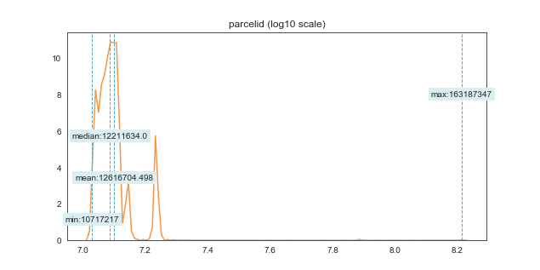
nan_rate | 0
num_uni | 10886/10886
value_min | 10717217
value_mean | 12616704.498
value_median | 12211634
value_max | 163187347

column | airconditioningtypeid | Distribution
sample_value | 1 | 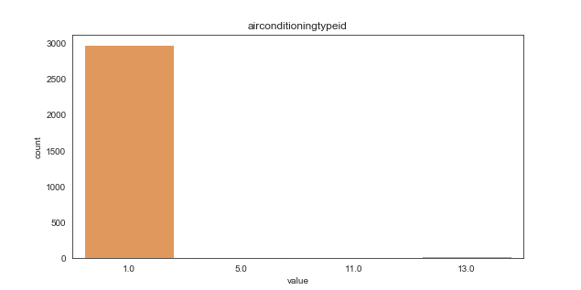
nan_rate | 0.7232224876
num_uni | 4/3013
value_min | 1
value_mean | 1.1254563558
value_median | 1
value_max | 13

column | architecturalstyletypeid | Distribution
sample_value | 7 | 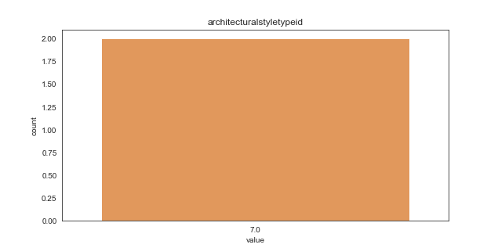
nan_rate | 0.99981627779
num_uni | 1/2
value_min | 7
value_mean | 7
value_median | 7
value_max | 7

column | basementsqft | Distribution
sample_value | 516 | 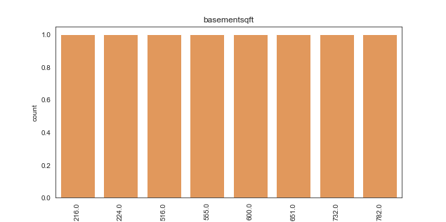
nan_rate | 0.99926511115
num_uni | 8/8
value_min | 216
value_mean | 534.5
value_median | 577.5
value_max | 782

column | bathroomcnt | Distribution
sample_value | 2 | 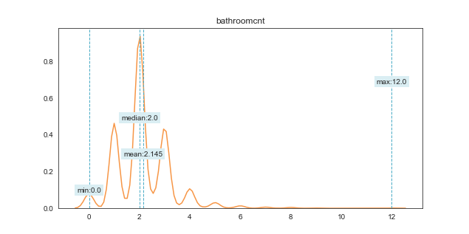
nan_rate | 0
num_uni | 20/10886
value_min | 0
value_mean | 2.1447271725
value_median | 2
value_max | 12

column | bedroomcnt | Distribution
sample_value | 4 | 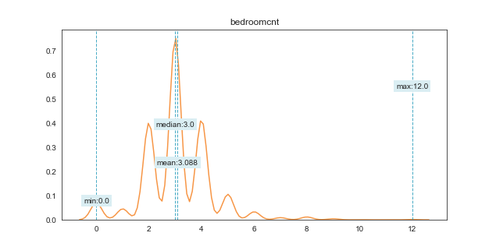
nan_rate | 0
num_uni | 13/10886
value_min | 0
value_mean | 3.0879110784
value_median | 3
value_max | 12

column | buildingclasstypeid | Distribution
sample_value | 4 | 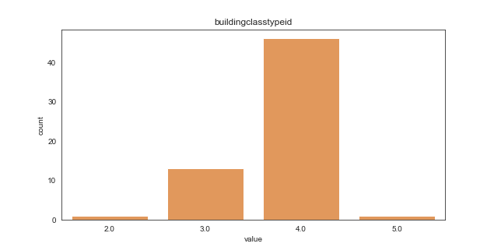
nan_rate | 0.99439647253
num_uni | 4/61
value_min | 2
value_mean | 3.7704918033
value_median | 4
value_max | 5

column | buildingqualitytypeid | Distribution
sample_value | 4 | 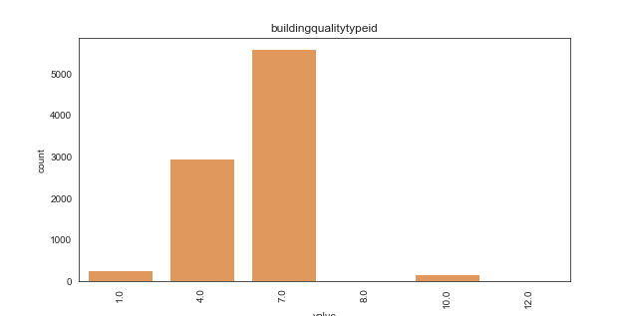
nan_rate | 0.17554657358
num_uni | 6/8975
value_min | 1
value_mean | 5.8949303621
value_median | 7
value_max | 12

column | calculatedbathnbr | Distribution
sample_value | 2 | 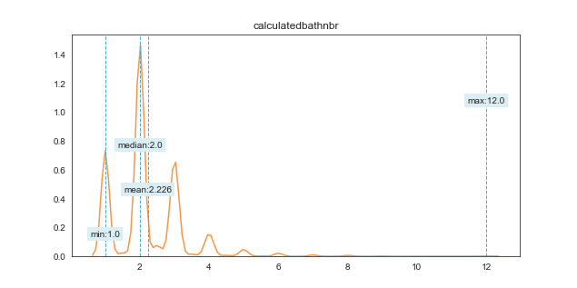
nan_rate | 0.036928164615
num_uni | 19/10484
value_min | 1
value_mean | 2.2262495231
value_median | 2
value_max | 12

column | decktypeid | Distribution
sample_value | 66 | 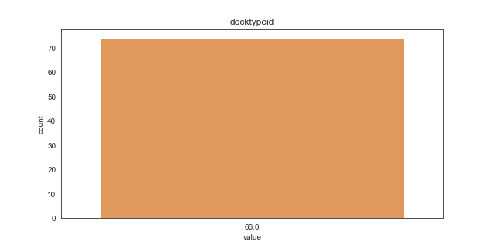
nan_rate | 0.99320227816
num_uni | 1/74
value_min | 66
value_mean | 66
value_median | 66
value_max | 66

column | finishedfloor1squarefeet | Distribution
sample_value | 691 | 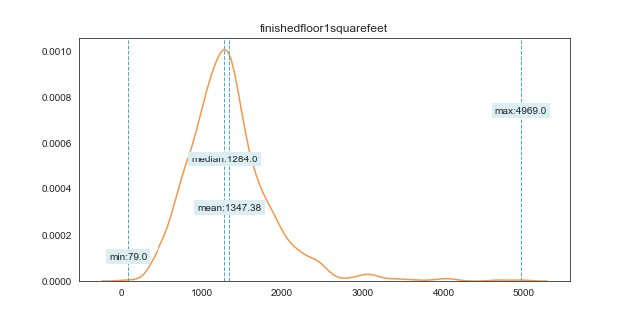
nan_rate | 0.92017269888
num_uni | 628/869
value_min | 79
value_mean | 1347.3797468
value_median | 1284
value_max | 4969

column | calculatedfinishedsquarefeet | Distribution
sample_value | 1675 | 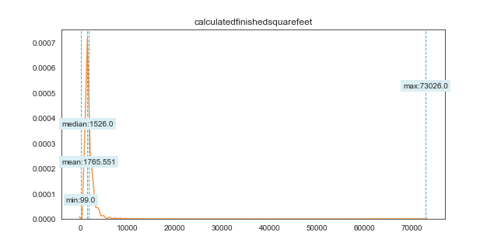
nan_rate | 0.0071651662686
num_uni | 2893/10808
value_min | 99
value_mean | 1765.5513509
value_median | 1526
value_max | 73026

column | finishedsquarefeet12 | Distribution
sample_value | 1018 | 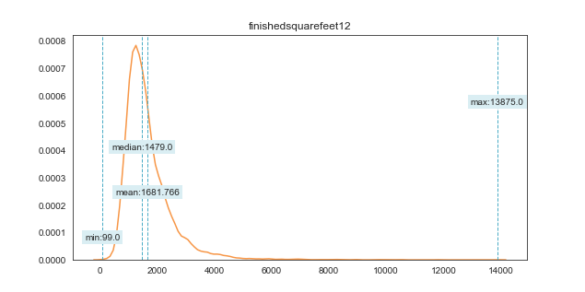
nan_rate | 0.0993937167
num_uni | 2674/9804
value_min | 99
value_mean | 1681.7657079
value_median | 1479
value_max | 13875

column | finishedsquarefeet13 | Distribution
sample_value | 1296 | 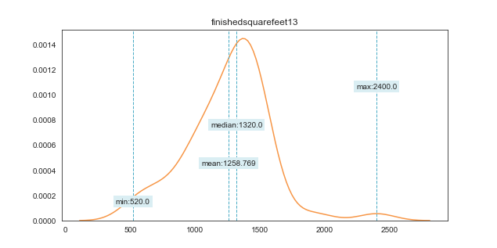
nan_rate | 0.99522322249
num_uni | 28/52
value_min | 520
value_mean | 1258.7692308
value_median | 1320
value_max | 2400

column | finishedsquarefeet15 | Distribution
sample_value | 1040 | 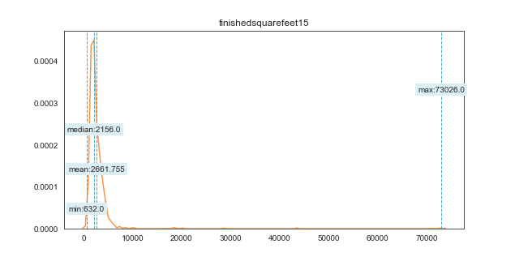
nan_rate | 0.91521219915
num_uni | 772/923
value_min | 632
value_mean | 2661.7551463
value_median | 2156
value_max | 73026

column | finishedsquarefeet50 | Distribution
sample_value | 1043 | 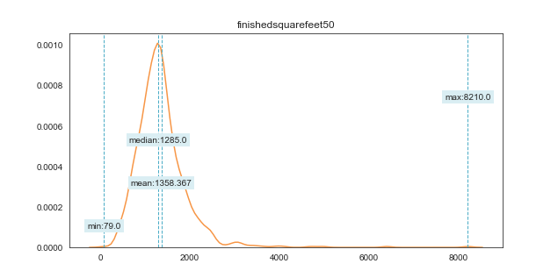
nan_rate | 0.92017269888
num_uni | 627/869
value_min | 79
value_mean | 1358.3670886
value_median | 1285
value_max | 8210

column | finishedsquarefeet6 | Distribution
sample_value | 4218 | 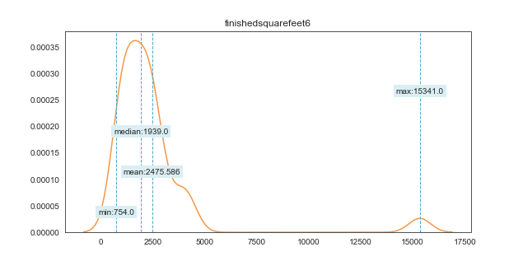
nan_rate | 0.99733602793
num_uni | 29/29
value_min | 754
value_mean | 2475.5862069
value_median | 1939
value_max | 15341

column | fips | Distribution
sample_value | 6037 | 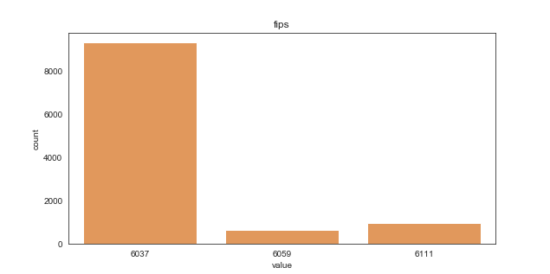
nan_rate | 0
num_uni | 3/10886
value_min | 6037
value_mean | 6044.8160941
value_median | 6037
value_max | 6111

column | fireplacecnt | Distribution
sample_value | 1 | 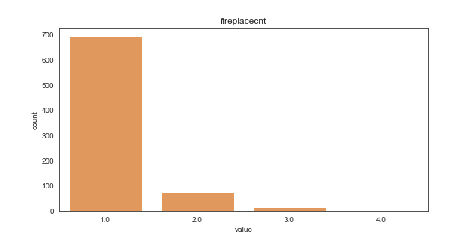
nan_rate | 0.928072754
num_uni | 4/783
value_min | 1
value_mean | 1.1417624521
value_median | 1
value_max | 4

column | fullbathcnt | Distribution
sample_value | 2 | 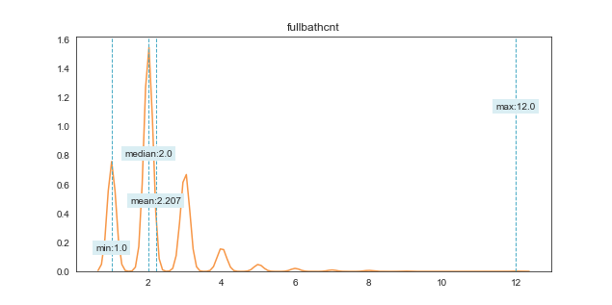
nan_rate | 0.036928164615
num_uni | 12/10484
value_min | 1
value_mean | 2.2074589851
value_median | 2
value_max | 12

column | garagecarcnt | Distribution
sample_value | 1 | 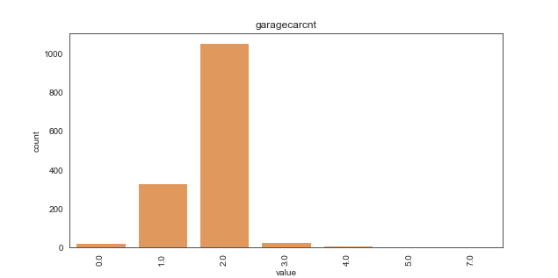
nan_rate | 0.86707697961
num_uni | 7/1447
value_min | 0
value_mean | 1.7774706289
value_median | 2
value_max | 7

column | garagetotalsqft | Distribution
sample_value | 380 | 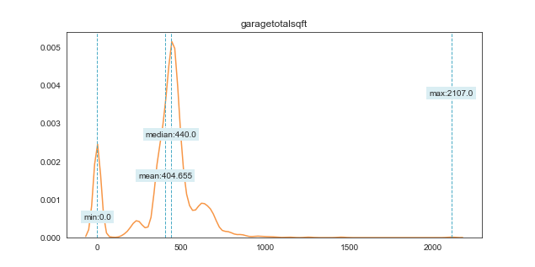
nan_rate | 0.86707697961
num_uni | 318/1447
value_min | 0
value_mean | 404.65514858
value_median | 440
value_max | 2107

column | heatingorsystemtypeid | Distribution
sample_value | 7 | 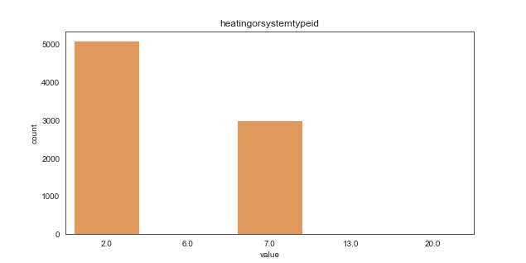
nan_rate | 0.25555759691
num_uni | 5/8104
value_min | 2
value_mean | 3.8706811451
value_median | 2
value_max | 20

column | latitude | Distribution
sample_value | 33942563 | 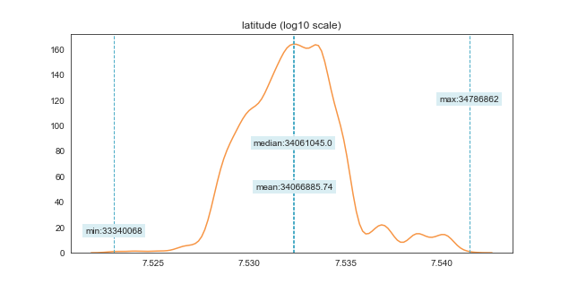
nan_rate | 0
num_uni | 10614/10886
value_min | 33340068
value_mean | 34066885.74
value_median | 34061045
value_max | 34786862

column | longitude | Distribution
sample_value | -118695199 | 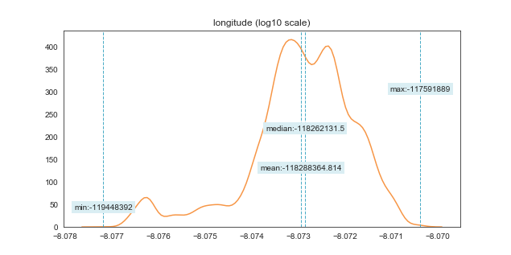
nan_rate | 0
num_uni | 10322/10886
value_min | -119448392
value_mean | -118288364.81
value_median | -118262131.5
value_max | -117591889

column | lotsizesquarefeet | Distribution
sample_value | 5317 | 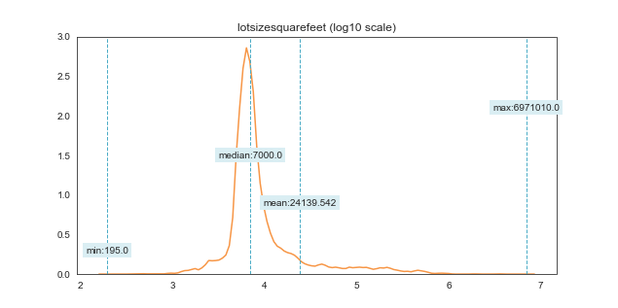
nan_rate | 0.027466470696
num_uni | 6492/10587
value_min | 195
value_mean | 24139.542269
value_median | 7000
value_max | 6971010

column | poolcnt | Distribution
sample_value | 1 | 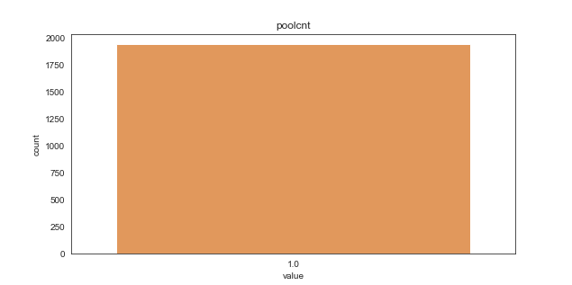
nan_rate | 0.82188131545
num_uni | 1/1939
value_min | 1
value_mean | 1
value_median | 1
value_max | 1

column | poolsizesum | Distribution
sample_value | 680 | 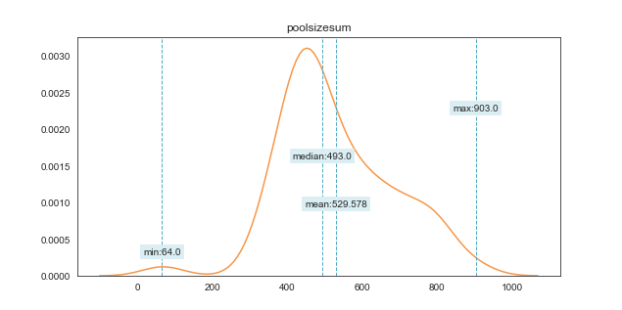
nan_rate | 0.9893441117
num_uni | 65/116
value_min | 64
value_mean | 529.57758621
value_median | 493
value_max | 903

column | pooltypeid10 | Distribution
sample_value | 1 | 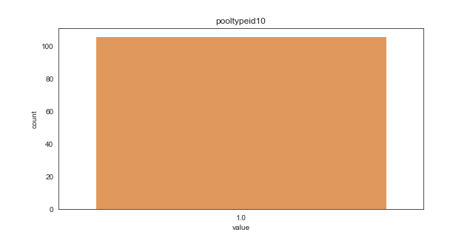
nan_rate | 0.99026272276
num_uni | 1/106
value_min | 1
value_mean | 1
value_median | 1
value_max | 1

column | pooltypeid2 | Distribution
sample_value | 1 | 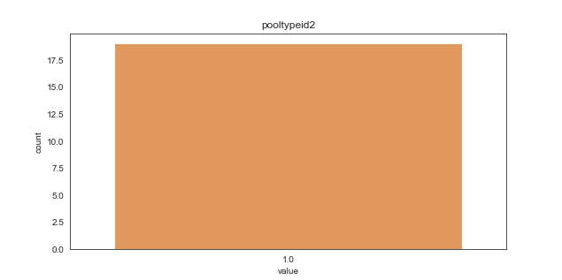
nan_rate | 0.99825463899
num_uni | 1/19
value_min | 1
value_mean | 1
value_median | 1
value_max | 1

column | pooltypeid7 | Distribution
sample_value | 1 | 
nan_rate | 0.82362667647
num_uni | 1/1920
value_min | 1
value_mean | 1
value_median | 1
value_max | 1

column | propertylandusetypeid | Distribution
sample_value | 261 | 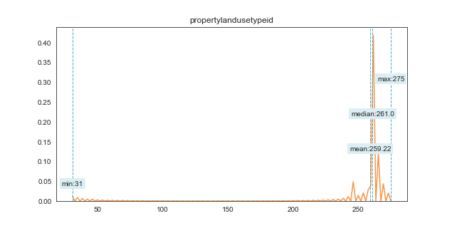
nan_rate | 0
num_uni | 13/10886
value_min | 31
value_mean | 259.21991549
value_median | 261
value_max | 275

column | rawcensustractandblock | Distribution
sample_value | 60379103.012 | 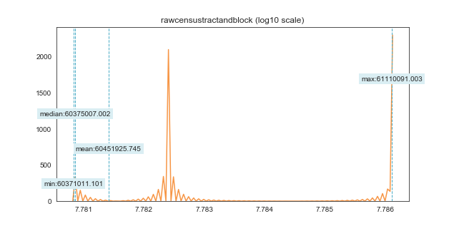
nan_rate | 0
num_uni | 10006/10886
value_min | 60371011.101
value_mean | 60451925.745
value_median | 60375007.002
value_max | 61110091.003

column | regionidcity | Distribution
sample_value | 32923 | 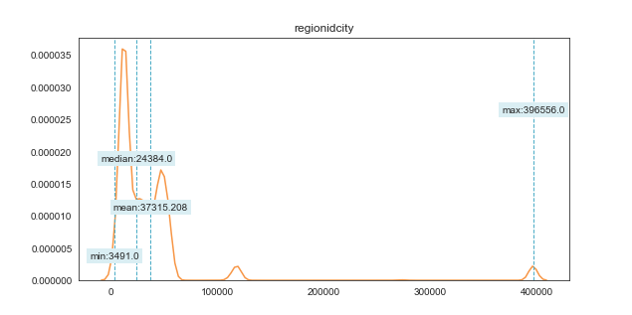
nan_rate | 0.010931471615
num_uni | 160/10767
value_min | 3491
value_mean | 37315.208415
value_median | 24384
value_max | 396556

column | regionidcounty | Distribution
sample_value | 3101 | 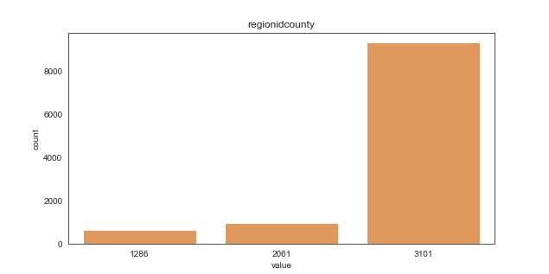
nan_rate | 0
num_uni | 3/10886
value_min | 1286
value_mean | 2904.6987874
value_median | 3101
value_max | 3101

column | regionidneighborhood | Distribution
sample_value | 54300 | 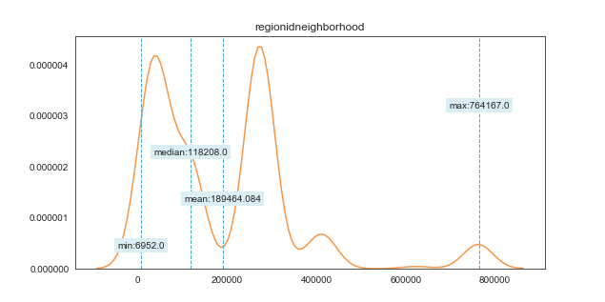
nan_rate | 0.56715046849
num_uni | 357/4712
value_min | 6952
value_mean | 189464.08404
value_median | 118208
value_max | 764167

column | regionidzip | Distribution
sample_value | 96113 | 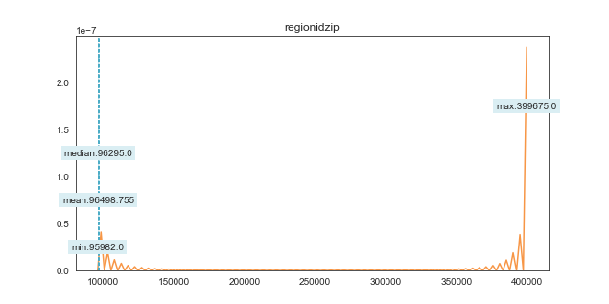
nan_rate | 0.00073488884806
num_uni | 350/10878
value_min | 95982
value_mean | 96498.754918
value_median | 96295
value_max | 399675

column | roomcnt | Distribution
sample_value | 0 | 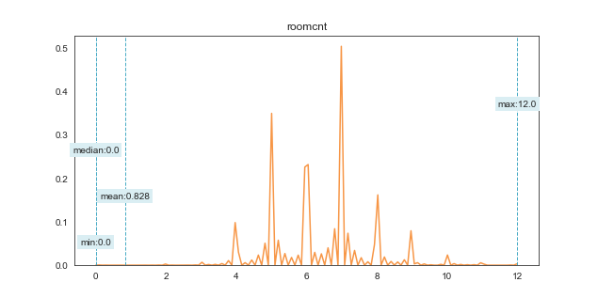
nan_rate | 0
num_uni | 12/10886
value_min | 0
value_mean | 0.82757670402
value_median | 0
value_max | 12

column | storytypeid | Distribution
sample_value | 7 | 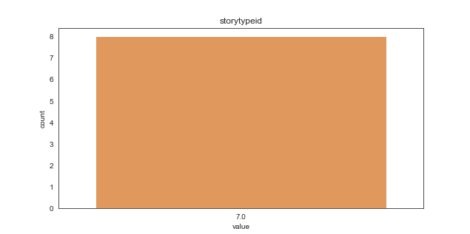
nan_rate | 0.99926511115
num_uni | 1/8
value_min | 7
value_mean | 7
value_median | 7
value_max | 7

column | threequarterbathnbr | Distribution
sample_value | 1 | 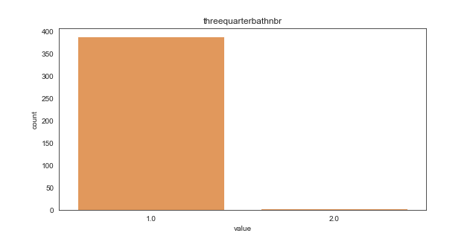
nan_rate | 0.96408230755
num_uni | 2/391
value_min | 1
value_mean | 1.0076726343
value_median | 1
value_max | 2

column | typeconstructiontypeid | Distribution
sample_value | 6 | 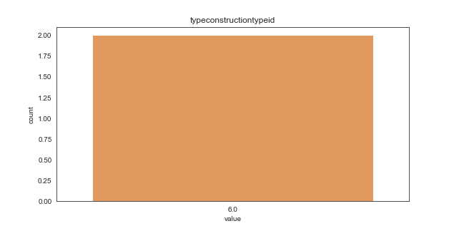
nan_rate | 0.99981627779
num_uni | 1/2
value_min | 6
value_mean | 6
value_median | 6
value_max | 6

column | unitcnt | Distribution
sample_value | 1 | 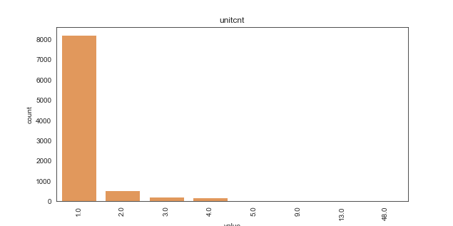
nan_rate | 0.1636046298
num_uni | 8/9105
value_min | 1
value_mean | 1.1662822625
value_median | 1
value_max | 48

column | yardbuildingsqft17 | Distribution
sample_value | 375 | 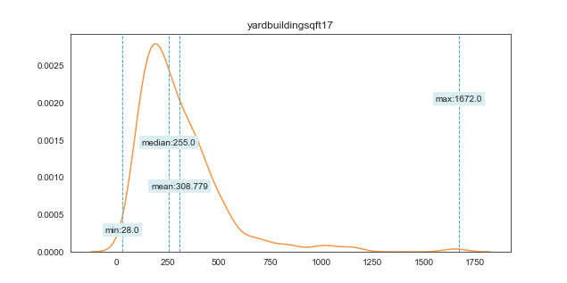
nan_rate | 0.96509277972
num_uni | 192/380
value_min | 28
value_mean | 308.77894737
value_median | 255
value_max | 1672

column | yardbuildingsqft26 | Distribution
sample_value | 240 | 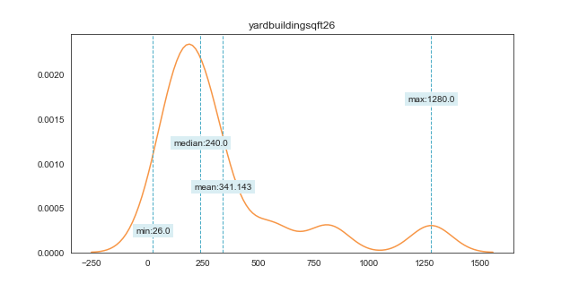
nan_rate | 0.99871394452
num_uni | 13/14
value_min | 26
value_mean | 341.14285714
value_median | 240
value_max | 1280

column | yearbuilt | Distribution
sample_value | 1938 | 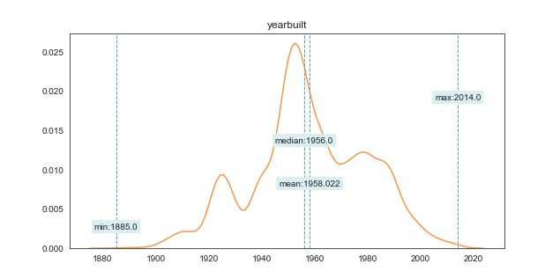
nan_rate | 0.0096454161308
num_uni | 122/10781
value_min | 1885
value_mean | 1958.0223541
value_median | 1956
value_max | 2014

column | numberofstories | Distribution
sample_value | 1 | 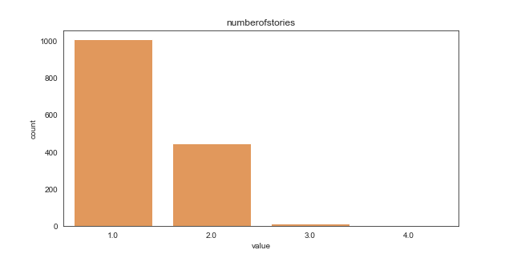
nan_rate | 0.86533161859
num_uni | 4/1466
value_min | 1
value_mean | 1.3240109141
value_median | 1
value_max | 4

column | structuretaxvaluedollarcnt | Distribution
sample_value | 198834 | 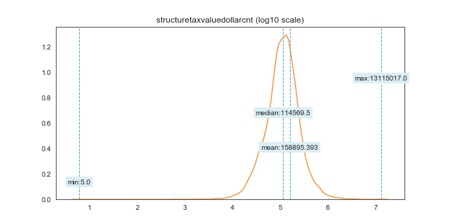
nan_rate | 0.019290832262
num_uni | 8956/10676
value_min | 5
value_mean | 158895.39312
value_median | 114569.5
value_max | 13115017

column | taxvaluedollarcnt | Distribution
sample_value | 247829 | 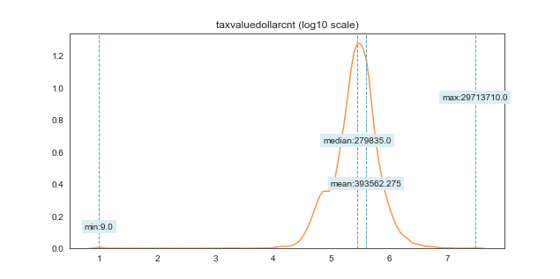
nan_rate | 0.014422193643
num_uni | 9606/10729
value_min | 9
value_mean | 393562.27458
value_median | 279835
value_max | 29713710

column | assessmentyear | Distribution
sample_value | 2015 | 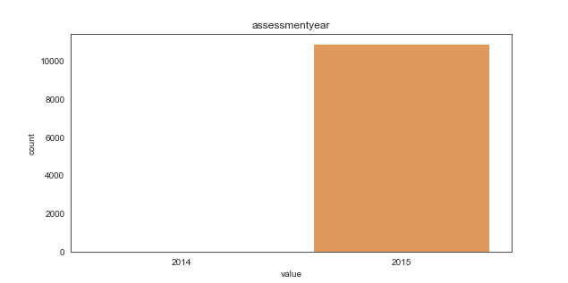
nan_rate | 0
num_uni | 2/10886
value_min | 2014
value_mean | 2014.999357
value_median | 2015
value_max | 2015

column | landtaxvaluedollarcnt | Distribution
sample_value | 183093 | 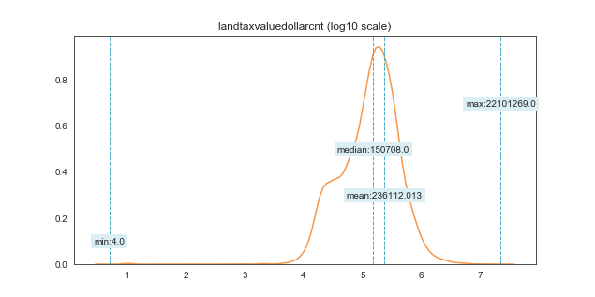
nan_rate | 0.017178026823
num_uni | 8605/10699
value_min | 4
value_mean | 236112.01299
value_median | 150708
value_max | 22101269

column | taxamount | Distribution
sample_value | 6173.72 | 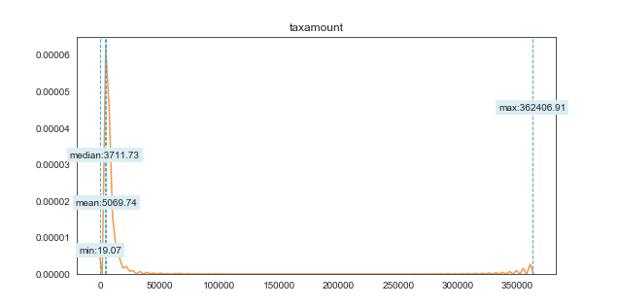
nan_rate | 0.0068895829506
num_uni | 10747/10811
value_min | 19.07
value_mean | 5069.7403718
value_median | 3711.73
value_max | 362406.91

column | taxdelinquencyyear | Distribution
sample_value | 15 | 
nan_rate | 0.97639169576
num_uni | 9/257
value_min | 7
value_mean | 13.840466926
value_median | 14
value_max | 15

column | censustractandblock | Distribution
sample_value | 60374019021039 | 
nan_rate | 0.027282748484
num_uni | 9761/10589
value_min | 60371011101005
value_mean | 6.0452544186E+13
value_median | 60375004032020
value_max | 61110091003005

