F02.CFG-Paths
do not print this form | VVSS, Info Romana, 2018-2019

F02. programarea unor activitati (denumire, descriere, data, locul, ora inceput, durata, contacte)

F02. Covered source code |  | F02. Control Flow Graph (CFG) | F02. Cyclomatic Complexity (CC)
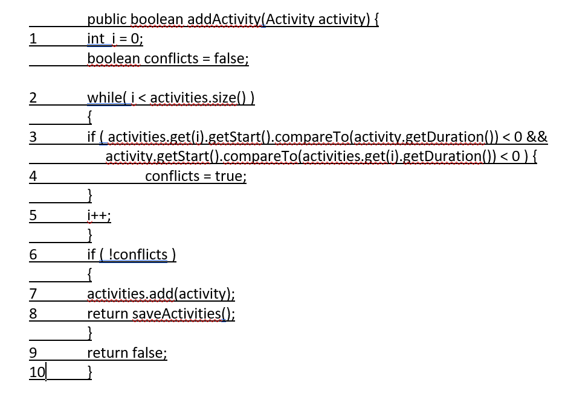
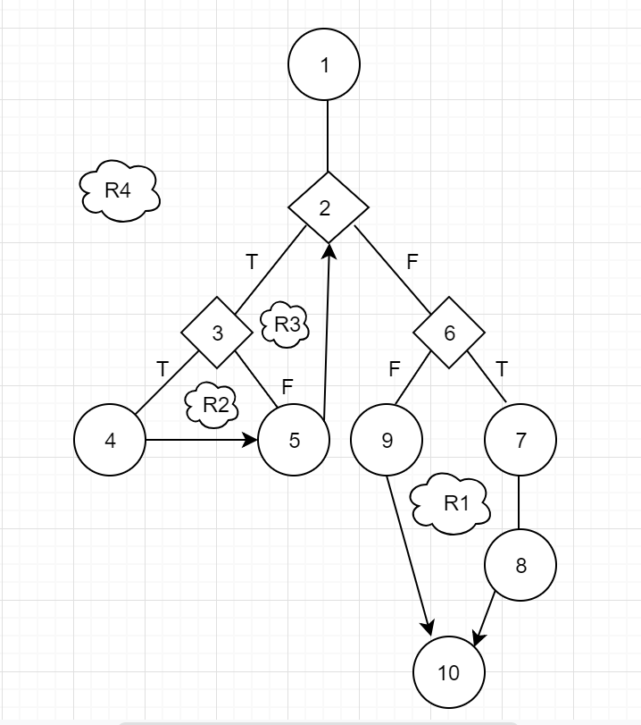
 |  | please insert the CFG for this requirement | CC1 = No. of regions = |  | 4
 |  | It may be a screen capture, image, etc. | CC2 = Edges - Nodes + 2 = |  | 4
 |  |  | CC3 = No. of Conditions + 1 = |  | 4

 |  |  | F02. Individual Paths

 |  |  | Path No. | Path
 |  |  | F02_P01 | 1-2(T)-3(T)-4-5-2(F)-6(T)-7-8-10
 |  |  | F02_P02 | 1-2(T)-3(T)-4-5-2(F)-6(F)-9-10
 |  |  | F02_P03 | 1-2(T)-3(F)-5-2(F)-6(T)-7-8-10
 |  |  | F02_P04 | 1-2(T)-3(F)-5-2(F)-6(F)-9-10
 |  |  | F02_P05 | 1-2(F)-6(T)-7-8-10
 |  |  | F02_P06 | 1-2(F)-6(F)-9-10

