Unit Mix_vm
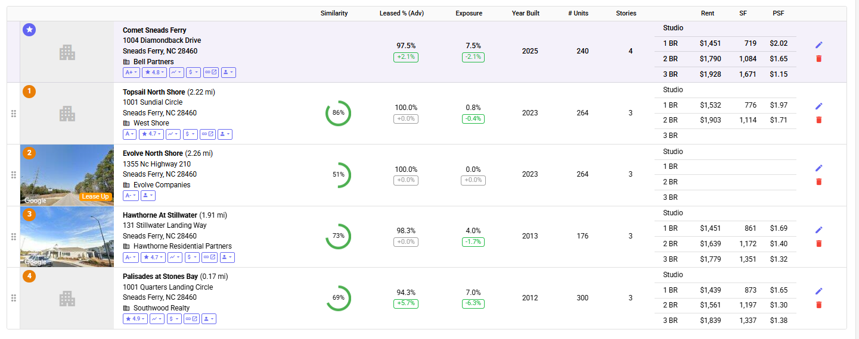
Sneads Ferry 38
Unit Mix (Vetting Model Only)

 | Total Units |  | 300

 | Floorplan | Type | # | % | SF | $ | PSF
 | Studio | Studio | 0 | 0.0% | 0 | $0 | $0.00 | 1) Comet Sneads Ferry
 | 1 Bedroom | 1 Bedroom | 180 | 60.0% | 800 | $1,530 | $1.91 | Type | # | % | SF | Rent | Rent PSF | Type | Mutifamily
 | 2 Bedroom | 2 Bedroom | 120 | 40.0% | 1,050 | $1,830 | $1.74 | Studio |  | #DIV/0! |  |  | - | Year Built | 2025
 | 3 Bedroom | 3 Bedroom | 0 | 0.0% | 0 | $0 | $0.00 | 1 BR |  | #DIV/0! | 719 | $1,451 | $2.02 | Vacancy | 7.1%
 | Townhouse | Townhouse | 0 | 0.0% | 0 | $0 | $0.00 | 2 BR |  | #DIV/0! | 1,084 | $1,790 | $1.65 | Developer
 |  |  | 0 | 0.0% | 0 | $0 | $0.00 | 3 BR |  | #DIV/0! | 1,671 | $1,928 | $1.15 | Owner | Comet Sneads Ferry Llc
 |  |  | 0 | 0.0% | 0 | $0 | $0.00 | TH |  | #DIV/0! |  |  | - | Link to Website | Link
 |  |  | 0 | 0.0% | 0 | $0 | $0.00 | Total | 0 | #DIV/0! | #DIV/0! | #DIV/0! | -
 | Total |  | 300 | 100.0% | 900 | $1,650 | $1.83
 |  |  |  |  |  |  |  | 2) Topsail North Shore
 | Studio |  | 0 | 0.0% | 0 | $0 | $0.00 | Type | # | % | SF | Rent | Rent PSF | Type | Mutifamily
 | 1 Bedroom |  | 180 | 60.0% | 800 | $1,530 | $1.91 | Studio |  | #DIV/0! |  |  | - | Year Built | 2023
 | 2 Bedroom |  | 120 | 40.0% | 1,050 | $1,830 | $1.74 | 1 BR |  | #DIV/0! | 776 | $1,532 | $1.97 | Vacancy | 0.8%
 | 3 Bedroom |  | 0 | 0.0% | 0 | $0 | $0.00 | 2 BR |  | #DIV/0! | 1,114 | $1,903 | $1.71 | Developer
 | Townhouse |  | 0 | 0.0% | 0 | $0 | $0.00 | 3 BR |  | #DIV/0! |  |  | - | Owner | West Shore Topsail Llc
 | Total |  | 300 | 100.0% | 900 | $1,650 | $1.83 | TH |  | #DIV/0! |  |  | - | Link to Website | Link
 |  |  |  |  |  |  |  | Total | 0 | #DIV/0! | #DIV/0! | #DIV/0! | -

 |  |  |  |  |  |  |  | 3) Hawthorne At Stillwater
 |  |  |  |  |  |  |  | Type | # | % | SF | Rent | Rent PSF | Type | Mutifamily
 |  |  |  |  |  |  |  | Studio |  | #DIV/0! |  |  | - | Year Built | 2013
 |  |  |  |  |  |  |  | 1 BR |  | #DIV/0! | 861 | $1,451 | $1.69 | Vacancy | 4.0%
 |  |  |  |  |  |  |  | 2 BR |  | #DIV/0! | 1,172 | $1,639 | $1.40 | Developer
 |  |  |  |  |  |  |  | 3 BR |  | #DIV/0! | 1,351 | $1,779 | $1.32 | Owner | Hm Stillwater Llc
 |  |  |  |  |  |  |  | TH |  | #DIV/0! |  |  | - | Link to Website | Link
 |  |  |  |  |  |  |  | Total | 0 | #DIV/0! | #DIV/0! | #DIV/0! | -

