Unit Mix_vm
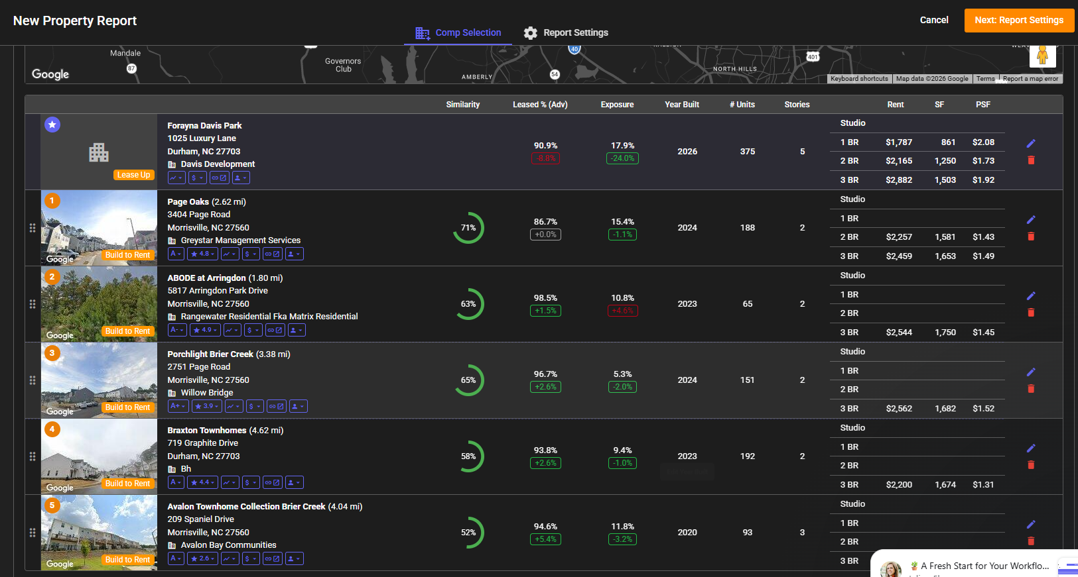
Hopson Rd
Unit Mix (Vetting Model Only)

 | Total Units |  |  |  |  | 125

 | Floorplan | Type | Box Size | Garage | Story | # | % | SF | $ | PSF
 | 2 BR / 2.5 BA | Townhouse | 20 x 33 | 2 | 3 | 0 | 0.0% | 1,450 | $0 | $0.00 | 1) Page Oaks
 | 3 BR / 3.5 BA | Townhouse | 20 x 36 | 2 | 3 | 81 | 65.0% | 1,659 | $2,460 | $1.48 | Type | # | % | SF | Rent | Rent PSF | Type | BTR TH
 | 4 BR / 3.5 BA | Townhouse | 20 x 40 | 2 | 3 | 44 | 35.0% | 1,996 | $2,650 | $1.33 | Studio |  | #DIV/0! |  |  | - | Year Built | 2024
 |  |  |  |  |  |  |  |  |  | $0.00 | 1 BR |  | #DIV/0! |  |  | - | Vacancy | 15.4%
 |  |  |  |  |  |  |  |  |  | $0.00 | 2 BR |  | #DIV/0! | 1,581 | $2,257 | $1.43 | Developer
 |  |  |  |  |  |  |  |  |  | $0.00 | 3 BR |  | #DIV/0! | 1,653 | $2,459 | $1.49 | Owner | Avail Communities V Llc
 |  |  |  |  |  |  |  |  |  | $0.00 | TH |  | #DIV/0! |  |  | - | Link to Website | Link
 |  |  |  |  |  |  |  |  |  | $0.00 | Total | 0 | #DIV/0! | #DIV/0! | #DIV/0! | -
 | Total |  |  |  |  | 125 | 100.0% | 1,778 | $2,527 | $1.42
 |  |  |  |  |  |  |  |  |  |  | 2) Porchlight Brier Creek
 | Studio |  |  |  |  | 0 | 0.0% | 0 | $0 | $0.00 | Type | # | % | SF | Rent | Rent PSF | Type | BTR TH
 | 1 Bedroom |  |  |  |  | 0 | 0.0% | 0 | $0 | $0.00 | Studio |  | #DIV/0! |  |  | - | Year Built | 2024
 | 2 Bedroom |  |  |  |  | 0 | 0.0% | 0 | $0 | $0.00 | 1 BR |  | #DIV/0! |  |  | - | Vacancy | 5.3%
 | 3 Bedroom |  |  |  |  | 0 | 0.0% | 0 | $0 | $0.00 | 2 BR |  | #DIV/0! |  |  | - | Developer
 | Townhouse |  |  |  |  | 125 | 100.0% | 1,778 | $2,527 | $1.42 | 3 BR |  | #DIV/0! | 1,682 | $2,562 | $1.52 | Owner | Porchlight Brier Creek LLC
 | Total |  |  |  |  | 125 | 100.0% | 1,778 | $2,527 | $1.42 | TH |  | #DIV/0! |  |  | - | Link to Website | Link
 |  |  |  |  |  |  |  |  |  |  | Total | 0 | #DIV/0! | #DIV/0! | #DIV/0! | -

 |  |  |  |  |  |  |  |  |  |  | 3)ABODE at Arringdon
 |  |  |  |  |  |  |  |  |  |  | Type | # | % | SF | Rent | Rent PSF | Type | BTR TH
 |  |  |  |  |  |  |  |  |  |  | Studio |  | #DIV/0! |  |  | - | Year Built | 2023
 |  |  |  |  |  |  |  |  |  |  | 1 BR |  | #DIV/0! |  |  | - | Vacancy | 10.8%
 |  |  |  |  |  |  |  |  |  |  | 2 BR |  | #DIV/0! |  |  | - | Developer
 |  |  |  |  |  |  |  |  |  |  | 3 BR |  | #DIV/0! | 1,674 | $2,200 | $1.31 | Owner | Cpiew Abode Arringdon Owner Llc
 |  |  |  |  |  |  |  |  |  |  | TH |  | #DIV/0! |  |  | - | Link to Website | Link
 |  |  |  |  |  |  |  |  |  |  | Total | 0 | #DIV/0! | #DIV/0! | #DIV/0! | -

