Rent Comp
Property Id | Building Name | Address | Units | Yr Blt/Ren | Avg SF | mi Away | Rent/SF | Rent/Unit | Studio | 1 bed | 2 Beds | 3 beds | Occ % | Concess % | Neighborhood
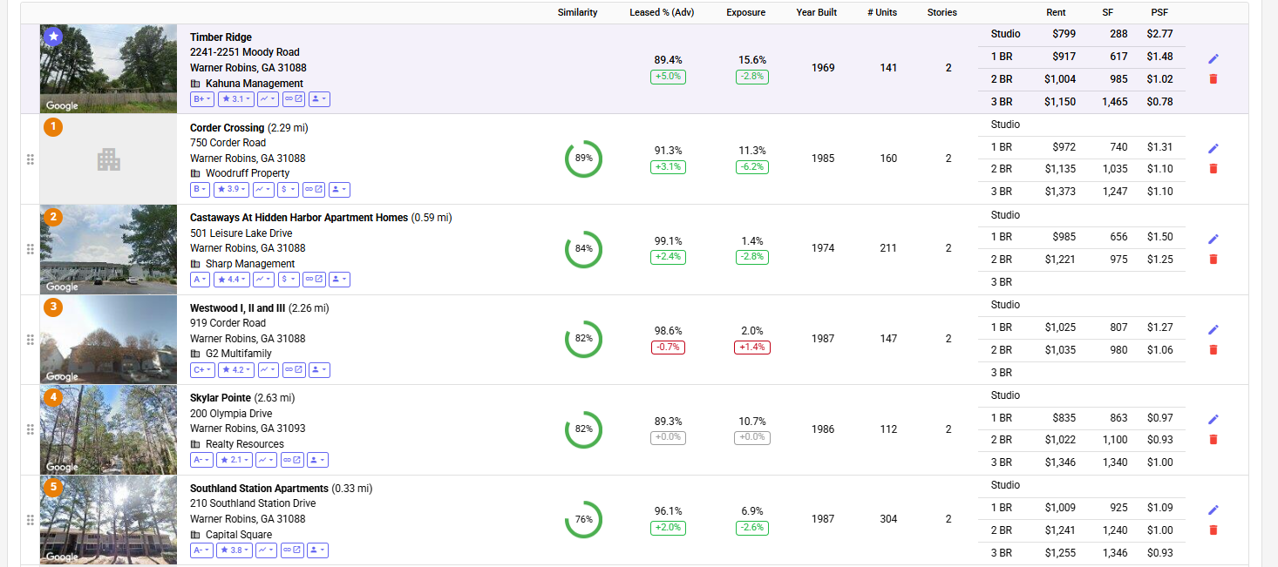

 | Subject Property |  |  |  |  |  | Actual rents from Rent Roll
 | Timber Ridge & Platinum Oaks | 2241 Moody Road Warner Robins, GA, 31088 | 197 | 1972 & 1984 | 1963 & 1970 |  |  | $1.13 | $916 |  | $830 | $891 | $1,013 | 73.1%

 | Comps
1 | Corder Crossing | 750 Corder Road Warner Robins, GA 31088 | 160 | 1985 |  | 2.29 |  |  |  | $972 | $1,135 | $1,373 | 91.3%
2 | Castaways At Hidden Harbor Apartment Homes | 501 Leisure Lake DriveWarner Robins, GA 31088 | 211 | 1974 |  | 0.59 |  |  |  | $985 | $1,221 |  | 99.1%
3 | Westwood I, II and III | 919 Corder Road Warner Robins, GA 31088 | 147 | 1987 |  | 2.26 |  |  |  | $1,025 | $1,035 |  | 98.6%
4 | Skylar Pointe | 200 Olympia Drive Warner Robins, GA 31093 | 112 | 1986 |  | 2.63 |  |  |  | $835 | $1,022 | $1,346 | 89.3%
5 | Southland Station Apartments | 210 Southland Station Drive Warner Robins, GA 31088 | 304 | 1987 |  | 0.33 |  |  |  | $1,009 | $1,241 | $1,255 | 96.1%

Rent Comps
 |  |  |  |  |  |  |  | Rent/Unit | Studio | 1 Bed | 2 Beds | 3 Beds
 |  |  |  |  | A. | Avg Rent of Comps |  | #DIV/0! | #DIV/0! | 965 | 1,131 | 1,325
 |  |  |  |  | B. | Subject Prop Rent |  | 916 | - | 830 | 891 | 1,013 | Actual rents from the RR.

 |  |  |  |  | C. | C=A-B |  | #DIV/0! | #DIV/0! | 136 | 240 | 311
 |  |  |  |  | *Source - Hello Data

