Rent Comp
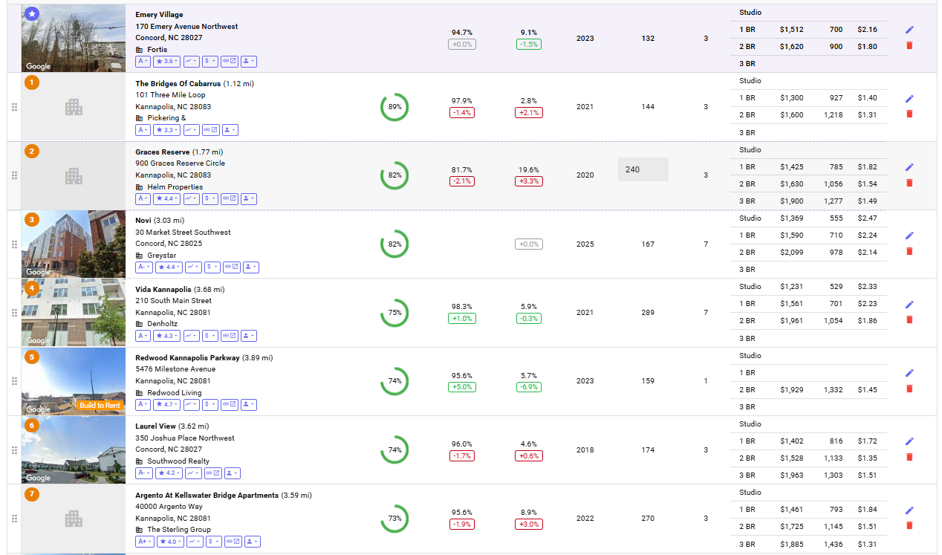
Property Id | Building Name | Address | Units | Yr Blt/Ren | Avg SF | mi Away | Rent/SF | Rent/Unit | 1 bed | 2 Beds | Occ % | Concess % | Neighborhood

 | Subject Property |  |  |  |  |  | Actual rents from Rent Roll
 | Emery Village Apartments | 170 Emery Ave, Concord, NC 28027 | 132 | 2023 |  |  | $1.81 | $1,545 | $1,512 | $1,612 | 91.7%

 | Comps
1 | The Bridges Of Cabarrus | 101 Three Mile Loop Kannapolis, NC 28083 | 144 | 2021 |  | 1.12 |  |  | $1,300 | $1,600 | 97.9%
2 | Graces Reserve | 900 Graces Reserve Circle Kannapolis, NC 28083 | 240 | 2020 |  | 1.77 |  |  | $1,425 | $1,630 | 81.7%
3 | Vida Kannapolis | 210 South Main Street Kannapolis, NC 28081 | 289 | 2021 |  | 3.68 |  |  | $1,561 | $1,961 | 98.3%
4 | Laurel View | 350 Joshua Place Northwest Concord, NC 28027 | 174 | 2018 |  | 3.62 |  |  | $1,402 | $1,528 | 96.0%
5 | Argento At Kellswater Bridge Apartments | 40000 Argento Way Kannapolis, NC 28081 | 270 | 2022 |  | 3.59 |  |  | $1,461 | $1,725 | 95.6%

Rent Comps
 | Avg Rent of Comps | Subject Prop Rent
Rent/Unit | - | 1,545
1 Bed | 1,430 | 1,512
2 Beds | 1,689 | 1,612
 |  |  |  |  |  |  |  | Rent/Unit | 1 Bed | 2 Beds
 |  |  |  |  | A. | Avg Rent of Comps |  | #DIV/0! | 1,430 | 1,689
 |  |  |  |  | B. | Subject Prop Rent |  | 1,545 | 1,512 | 1,612 | Actual rents from the RR.

 |  |  |  |  | C. | C=A-B |  | #DIV/0! | (82) | 76
 |  |  |  |  | *Source - Hello Data

