Rent Comp
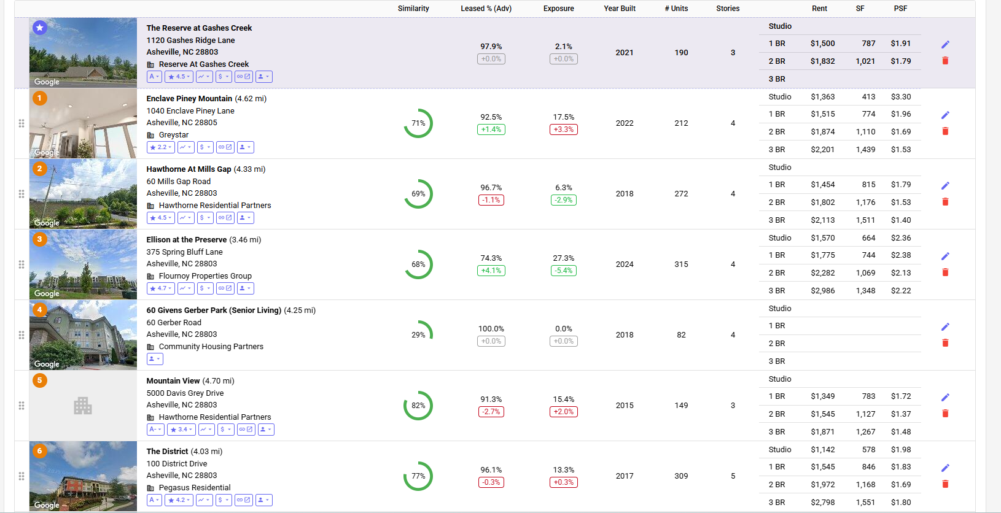
Property Id | Building Name | Address | Units | Yr Blt/Ren | Avg SF | mi Away | Rent/SF | Rent/Unit | 1 bed | SqFt | Rent psf | 2 Beds | SqFt | Rent psf | 3 beds | SqFt | Rent psf | Occ % | Concess % | Neighborhood

 | Subject Property |  |  |  |  |  | Actual rents from Rent Roll
 | Reserve at Gashes Creek | 1120 Gashes Ridge Lane Asheville, NC, 28803 | 190 | 2021/2022 |  |  | $1.76 | $1,800 | $1,500 |  |  | $1,773 |  |  | $1,999 |  |  | 93.7%

 | Comps
1 | Enclave Piney Mountain | 1040 Enclave Piney Lane Asheville, NC 28805 | 212 | 2022 |  | 4.62 |  |  | $1,515 | 774 | $1.96 | $1,874 | 1110 | $1.69 | $2,201 | 1439 | $1.53 | 92.5%
2 | Hawthorne At Mills Gap | 60 Mills Gap Road Asheville, NC 28803 | 272 | 2018 |  | 4.33 |  |  | $1,454 | 815 | $1.78 | $1,802 | 1176 | $1.53 | $2,113 | 1511 | $1.40 | 96.7%
3 | Ellison at the Preserve | 375 Spring Bluff Lane Asheville, NC 28803 | 315 | 2024 |  | 3.46 |  |  | $1,775 | 744 | $2.39 | $2,282 | 1069 | $2.13 | $2,986 | 1348 | $2.22 | 74.3%
4 | Mountain View | 5000 Davis Grey Drive Asheville, NC 28803 | 149 | 2015 |  | 4.70 |  |  | $1,349 | 783 | $1.72 | $1,545 | 1127 | $1.37 | $1,871 | 1267 | $1.48 | 91.3%
5 | The District | 100 District Drive Asheville, NC 28803 | 309 | 2017 |  | 4.03 |  |  | $1,545 | 846 | $1.83 | $1,972 | 1168 | $1.69 | $2,798 | 1551 | $1.80 | 96.1%

Rent Comps
 | Avg Rent of Comps | Subject Prop Rent
Rent/Unit | - | 1,800
1 Bed | 1,528 | 1,500
2 Beds | 1,895 | 1,773
3 Beds | 2,394 | 1,999
 |  | -
 |  |  |  |  |  |  |  | Rent/Unit | 1 Bed | 2 Beds | 3 Beds
 |  |  |  |  | A. | Avg Rent of Comps |  |  | 1,528 | 1,895 | 2,394
 |  |  |  |  | B. | Subject Prop Rent |  | 1,800 | 1,500 | 1,773 | 1,999 | Actual rents from the RR.

 |  |  |  |  | C. | C=A-B |  |  | 28 | 122 | 395
 |  |  |  |  | *Source - Hello Data

