CFS-Main Page
The Grove on Southlake | Address: | 7290 Southlake Parkway Morrow, GA, 30260
Cashflow Statement - Main Page | Units | 260
 | Year Built/Reno | 2001 |  | Scenario | 2 |  |  |  |  |  | Tax rate info. |  |  | County Link:
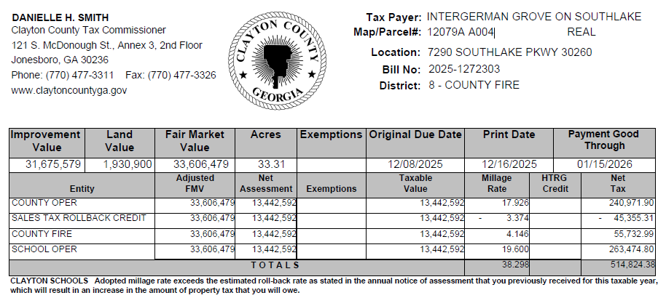
Analysis Start Date | May-26 |  |  |  | 10925000 |  |  |  |  |  | Districts | Jurisdictions |  |  | 2025 Rate
Investment Assumptions/Summary |  | Per Unit |  | Pro forma Assumptions |  |  | Key Metrics |  |  |  | Clayton County |  |  | Link | 3.8298
Purchase Price | $42,700,000 | $164,231 |  | Rent Increase (Y2 Onwards) |  | 3.00% | The Grove on Southlake | S1 | S2 | Broker's Numbers
NOI After Reserve | $2,133,450 | $8,206 |  | Other Income Increase (Y2) |  | 3.00% | Asking Price |  | $ 42.70 MM | $ 00.00 MM
All in Cost | $43,425,900 | $167,023 |  | Expense Increase (Year 2 Onwards) |  | 2.75% | Y1 NOI |  | $2,133,450 | $0
PP Cap Rate | 5.00% |  |  | Property Management Fee |  | 2.75% | Cap rate |  | 5.00% | 0.00%
Total Rentable Square Feet | $270,332 | $1,040 |  | Asset Management Fee |  | 0.00% | Levered COC |  | 4.3% | -
Cash on Cash Return | 3.82% |  |  | Cost of Exit (Brokerage) |  | 1.00% | Levered IRR |  | 4.96% | -
Exit Year | 5 |  |  | Replacement Reserve (Per Unit) |  | $0 | Y1 Yield on Cost |  | 4.91% | -
Exit Cap Rate | 6.00% |  |  | Assesment Ratio | 40.00% | $17,080,000 | Appraisal happens every year and reflects the sale price on the next year of sale in Georgia.
Exit NOI (After Reserve) | $2,610,263 | $10,039 |  | Y1 Tax Reassessed | 3.83% | $654,130
Exit Price | $43,069,339 | $165,651 |  | Tax growth (Y2 Onwards) |  | 3.00% | Direct tax in last tax bill was $0. |  |  |  |  | Millage Rate |  |  | 3.83%

Rental Assumptions |  | 2026-03-23 |  | T3 | T12 | Broker Numbers | Year 1 | Year 2 | Year 3 | Year 4 | Year 5 | Year 6
Loss to Lease |  | 1.95% |  | 2.22% | 1.31% | #DIV/0! | 1.95% | 1.00% | 1.00% | 1.00% | 1.00% | 1.00% | 1.00% | 1.00% | 1.00% | 1.00% | 1.00%
Vacancy |  | 8.08% |  | 7.63% | 6.53% | #DIV/0! | 5.00% | 5.00% | 5.00% | 5.00% | 5.00% | 5.00% | 5.00% | 5.00% | 5.00% | 5.00% | 5.00%
Concession/Discount |  |  |  | 1.84% | 1.14% | #DIV/0! | 1.00% | 1.00% | 1.00% | 1.00% | 1.00% | 1.00% | 1.00% | 1.00% | 1.00% | 1.00% | 1.00%
Bad Debt |  |  |  | 4.10% | 3.50% | #DIV/0! | 3.50% | 2.00% | 2.00% | 2.00% | 2.00% | 2.00% | 2.00% | 2.00% | 2.00% | 2.00% | 2.00%
Non Revenue Units |  |  |  | 0.53% | 0.62% | #DIV/0! | 0.62% | 0.62% | 0.62% | 0.62% | 0.62% | 0.62% | 0.62% | 0.62% | 0.62% | 0.62% | 0.62%
 |  | Current Occup. 92%
Average Rent (GRP) |  |  |  | 1,407 | 1,397 | 0 | 1,420 | 1,476 | 1,521 | 1,566 | 1,613 | 1,662
GRP Increases |  |  |  |  |  |  | 1.62% | 4.00% | 3.00% | 3.00% | 3.00% | 3.00%
Economic Occupancy |  |  |  | 85.99% | 88.21% | #DIV/0! | 89.88% | 91.38% | 91.38% | 91.38% | 91.38% | 91.38%
GEI Increases |  |  |  |  |  |  | 3.55% | 5.73% | 3.00% | 3.00% | 3.00% | 3.00%

Income |  | Per Unit (T12) | Per Unit Y1 | T3 | T12 | Broker's Numbers | Year 1 | Year 2 | Year 3 | Year 4 | Year 5 | Year 6
Market Rent Potential |  | 15,337 | 17,375 | 4,061,152 | 3,987,608 | - | 4,517,472 | 4,652,996 | 4,792,586 | 4,936,364 | 5,084,455 | 5,236,988
Renovation Premium |  | 1649 | 0 | 428760 | 428760 | 0 | 0 | 0 | 0 | 0 | 0 | 0
Total Market Rent Potential |  | 16,986 | 17,375 | 4,489,912 | 4,416,368 | - | 4,517,472 | 4,652,996 | 4,792,586 | 4,936,364 | 5,084,455 | 5,236,988
Loss to Lease |  | (222) | (339) | (99,855) | (57,759) | - | (88,076) | (46,530) | (47,926) | (49,364) | (50,845) | (52,370)
Scheduled Rental Income |  | 16,764 | 17,036 | 4,390,057 | 4,358,609 | - | 4,429,396 | 4,606,466 | 4,744,660 | 4,887,000 | 5,033,610 | 5,184,618
Vacancy |  | (1,095) | (852) | (332,706) | (284,692) | - | (221,470) | (230,323) | (237,233) | (244,350) | (251,680) | (259,231)
Concession/Discount |  | (192) | (170) | (80,204) | (49,857) | - | (44,294) | (46,065) | (47,447) | (48,870) | (50,336) | (51,846)
Bad Debt |  | (586) | (596) | (178,909) | (152,394) | - | (155,029) | (92,129) | (94,893) | (97,740) | (100,672) | (103,692)
Non Revenue Units |  | (103) | (105) | (23,107) | (26,889) | - | (27,325) | (28,418) | (29,270) | (30,148) | (31,053) | (31,984)
Gross Effective Income |  | 14,788 | 15,313 | 3,775,131 | 3,844,778 | - | 3,981,278 | 4,209,531 | 4,335,817 | 4,465,892 | 4,599,868 | 4,737,864
Utility Reimbursements |  | 661 | 660 | 178,772 | 171,918 | 0 | 171,600 | 176,319 | 181,168 | 186,150 | 191,269 | 196,529
Other Reimbursements |  | 386 | 390 | 106,409 | 100,364 | 0 | 101,400 | 104,189 | 107,054 | 109,998 | 113,023 | 116,131
Other Income |  | 766 | 770 | 240,180 | 199,078 | - | 200,200 | 206,206 | 212,392 | 218,764 | 225,327 | 232,087
Total Operating Revenue |  | 16,601 | 18,062 | 4,300,492 | 4,316,139 | 0 | 4,454,478 | 4,696,245 | 4,836,431 | 4,980,803 | 5,129,487 | 5,282,611

Operating Expenses |  | Per Unit (T12) | Per Unit Y1 | T3 | T12 | Broker's Numbers | Year 1 | Year 2 | Year 3 | Year 4 | Year 5 | Year 6
Repair & Maintenance |  | 409 | 410 | 121,924 | 106,218 | 0 | 106,600 | 109,532 | 112,544 | 115,639 | 118,819 | 122,086
Cleaning & Decorating |  | 262 | 260 | 47,325 | 68,079 | 0 | 67,600 | 69,459 | 71,369 | 73,332 | 75,348 | 77,420
Contract & Services |  | 1,249 | 1,355 | 344,527 | 324,766 | 0 | 352,300 | 361,988 | 371,943 | 382,171 | 392,681 | 403,480
Utility |  | 213 | 215 | 64,602 | 55,412 | 0 | 55,900 | 57,437 | 59,017 | 60,640 | 62,307 | 64,021
Utility- Water/Sewage |  | 602 | 600 | 177,613 | 156,413 | 0 | 156,000 | 160,290 | 164,698 | 169,227 | 173,881 | 178,663
Utility- Gas, Telephone & Others |  | 58 | 60 | 14,451 | 15,004 | 0 | 15,600 | 16,029 | 16,470 | 16,923 | 17,388 | 17,866
RE Taxes |  | 1,990 | 2,516 | 515,613 | 517,421 | 0 | 654,130 | 673,754 | 693,966 | 714,785 | 736,229 | 758,316
Property Mangement fees |  | 416 | 471 | 107,513 | 108,042 | 0 | 122,498 | 129,147 | 133,002 | 136,972 | 141,061 | 145,272
Marketing |  | 383 | 390 | 110,734 | 99,451 | 0 | 101,400 | 104,189 | 107,054 | 109,998 | 113,023 | 116,131
Payroll |  | 1,740 | 1,750 | 478,700 | 452,335 | 0 | 455,000 | 467,513 | 480,369 | 493,579 | 507,153 | 521,099
Insurance |  | 1,105 | 550 | 285,044 | 287,362 | 0 | 143,000 | 146,933 | 150,973 | 155,125 | 159,391 | 163,774
General & Administrative |  | 367 | 350 | 120,436 | 95,426 | 0 | 91,000 | 93,503 | 96,074 | 98,716 | 101,431 | 104,220
Other taxes/Permit license |  | 77 | 0 | 36,049 | 20,020 | 0 | 0 | 0 | 0 | 0 | 0 | 0
Total Operating Expenses |  | 8,869 | 8,927 | 2,424,530 | 2,305,949 | 0 | 2,321,028 | 2,389,771 | 2,457,478 | 2,527,106 | 2,598,711 | 2,672,348
Expense Ratio |  |  |  | 56% | 53% | #DIV/0! | 52% | 51% | 51% | 51% | 51% | 51%

Net Operating Income (NOI) before reserve |  |  |  | 1,875,962 | 2,010,190 | 0 | 2,133,450 | 2,306,473 | 2,378,953 | 2,453,697 | 2,530,776 | 2,610,263
% Increase in NOI |  |  |  |  |  |  | 6.13% | 8.11% | 3.14% | 3.14% | 3.14% | 3.14%
Replacement Reserves |  | 0 | 0 | 0 | 0 | 0 | 0 | 0 | 0 | 0 | 0 | 0
Net Operating Cash Flow |  |  |  |  | 2,010,190 | 0 | 2,133,450 | 2,306,473 | 2,378,953 | 2,453,697 | 2,530,776 | 2,610,263
Sale Proceed |  |  |  |  |  |  | - | - | - | - | 43,069,339 | -
Debt Service |  |  |  |  |  |  | (1,616,152) | (1,616,152) | (1,616,152) | (2,015,666) | (2,015,666) | - | - | - | - | - | - | -
DSCR |  |  |  |  |  |  | 1.32 | 1.43 | 1.47 | 1.22 | 1.47
Loan Payoff |  |  |  |  |  |  | - | - | - | - | (29,069,370) | - | - | - | - | - | - | -
Levered Cash Flow |  |  |  |  |  |  | 517,298 | 690,321 | 762,800 | 438,030 | 14,515,078 | - | - | - | - | - | - | -

Return Metrics |  |  |  |  | Avg return | Year 0 | Year 1 | Year 2 | Year 3 | Year 4 | Year 5
Cash on Cash Return (Unlevered) |  |  |  |  | 5.44% |  | 4.91% | 5.31% | 5.48% | 5.65% | 5.83%
Cash on Cash Return (levered) |  |  |  |  | 4.32% |  | 3.82% | 5.10% | 5.64% | 3.24% | 3.81%
IRR-Unlevered |  |  |  |  | 5.27%
IRR-levered |  |  |  |  | 4.96%
Cashflow -Unlevered |  |  |  |  |  | (43,425,900) | 2,133,450 | 2,306,473 | 2,378,953 | 2,453,697 | 45,600,114
Cashflow -levered |  |  |  |  |  | (13,535,900) | 517,298 | 690,321 | 762,800 | 438,030 | 14,515,078 | - | - | - | - | - | - | -
Equity Required |  |  |  |  |  | 13,535,900

Underwriting Notes & Assumptions

General Modeling Notes
1. We have used the Rent comps from Hello Data and added the screenshot for the rent comps as well.
2. We made a change on Rent page to choose from either of Comps or RR market rent in Col L. Also you can compare the rents of Classic vs renovated in the Rows F5 to O6.
3. We have added a switch for the Taxes in the Pro Forma Assumptions to choose between T12 taxes and taxes on Reassessed value.
4. Broker numbers are not added as there was no Broker OM available.
Our Assumptions
General Assumptions
1. General assumptions (including market rent growth, expense growth, tax growth, and property management fees) are consistent with those applied in the prior model.
2. For financing, we have a 3 year I/O period and all in rate of 5.41% (5 year Treasury Yield of 4.007% + 1.40% spread).
Asking Price and Exit Assumptions
1. The asking price is not provided on Landlinq or Broker OM. A valuation has been inferred using an assumed cap rate of approximately 5%.
2. Exit year has been assumed to be 5 years and exit cap rate to be 6%.
Expenses
1.We used the similar expenses per unit for our projections based on T12 & T3.
2. We have taken the 3 story assumption for Insurance.
Taxes
1. We have calculated Y1 Taxes keeping purchase price as the new FMV.

Questions to Brokers
1. Unit 711 has been given a deduction of $1382, is it an Employee unit?

Question to the team Catalyst

Rent Comp
Property Id | Building Name | Link to Website | Address | Units | Yr Blt/Ren | Avg SF | mi Away | Rent/SF | 1 bed | SqFt | Rent psf | 2 Beds | SqFt | Rent psf | 3 beds | SqFt | Rent psf | Occ %

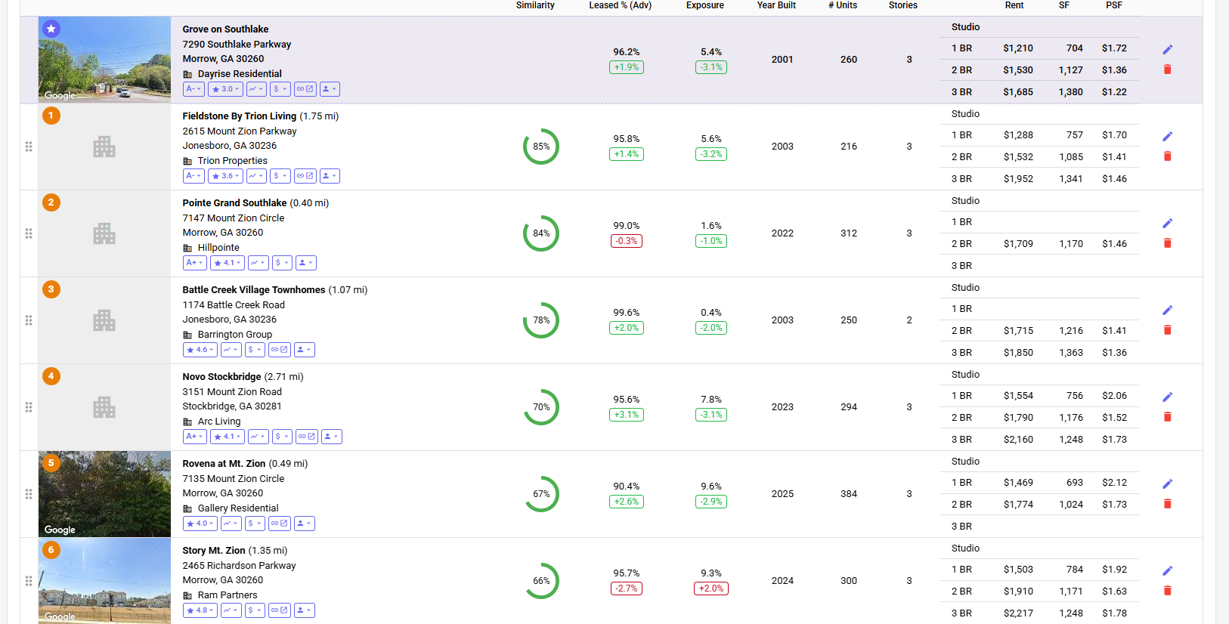

 | Subject Property |  |  |  |  |  |  | Actual rents from Rent Roll
 | The Grove on Southlake | Link | 7290 Southlake Parkway Morrow, GA, 30260 | 260 | 2001 |  |  | $1.39 | $1,292 | 981.5 | $1.32 | $1,488 | 825 | $1.80 | $1,644 | 1127 | $1.46 | 91.9%

 | Comps
1 | Fieldstone By Trion Living | Link | 2615 Mount Zion Parkway Jonesboro, GA 30236 | 216 | 2003 |  | 1.75 |  | $1,288 | 757 | $1.70 | $1,532 | 1085 | $1.41 | $1,952 | 1341 | $1.46 | 95.8%
2 | Battle Creek Village Townhomes | Link | 1174 Battle Creek Road Jonesboro, GA 30236 | 250 | 2003 |  | 1.07 |  |  |  |  | $1,715 | 1216 | $1.41 | $1,850 | 1363 | $1.36 | 99.6%
3 | Novo Stockbridge | Link | 3151 Mount Zion Road Stockbridge, GA 30281 | 294 | 2023 |  | 2.71 |  | $1,554 | 756 | $2.06 | $1,790 | 1176 | $1.52 | $2,160 | 1248 | $1.73 | 95.6%
4 | Rovena at Mt. Zion | Link | 7135 Mount Zion Circle Morrow, GA 30260 | 384 | 2025 |  | 0.49 |  | $1,469 | 693 | $2.12 | $1,774 | 1024 | $1.73 |  |  |  | 90.4%
5 | Story Mt. Zion | Link | 2465 Richardson Parkway Morrow, GA 30260 | 300 | 2024 |  | 1.35 |  | $1,503 | 784 | $1.92 | $1,910 | 1171 | $1.63 | $2,217 | 1248 | $1.78 | 95.7%

Rent Comps
 | Avg Rent of Comps | Subject Prop Rent
1 Beds | 1,454 | 1,292
Sqft | 748 | 982
 |  |  |  |  |  |  |  |  | 1 Beds | Sqft | PSF | 2 Beds | Sqft | PSF | 3 Beds | Sqft | PSF
 |  |  |  |  |  | A. | Avg Rent of Comps |  | $1,454 | 748 | $1.95 | $1,744 | 1,134 | $1.54 | $2,045 | 1,300 | $1.58
 |  |  |  |  |  | B. | Subject Prop Rent |  | $1,292 | 982 | $1.32 | $1,488 | 825 | $1.80 | $1,644 | 1,127 | $1.46

 |  |  |  |  |  | C. | C=A-B |  | $161 |  | $0.63 | $257 |  | -$0.26 | $401 |  | $0.12
 |  |  |  |  |  | *Source - Hello Data

