Rent Comp
Property Id | Building Name | Link to Website | Address | Units | Yr Blt/Ren | Avg SF | mi Away | Rent/SF | 3 Beds | SqFt | Rent psf | 4 beds | SqFt | Rent psf | Occ %

 | Subject Property |  |  |  |  |  |  | Actual rents from Rent Roll
 | Rock Crest |  | Genie Lane Smyrna, TN 37167 | 130 | 2026-27 |  |  | $1.57 | $2,550 | 1522 | $1.68 | $2,750 | 1811 | $1.52 | 100.0%

 | Comps
1 | Hart Branch Townhomes | Link | 461 Backlin Drive Smyrna, TN 37167 | 167 | 2024 |  |  |  | $2,367 | 1549 | $1.53 |  |  |  | 64.7%
2 | 1801 Townhomes | Link | 1801 Wilder Drive Antioch, TN 37013 | 128 | 2023 |  |  |  | $2,331 | 1618 | $1.44 |  |  |  | 93.0%
3 | 201 Residences | Link | 12452 Old Hickory Boulevard Antioch, TN 37013 | 53 | 2023 |  |  |  | $2,391 | 1636 | $1.46 |  |  |  | 94.3%
4 | Wood Pointe | Link | 5412 Maple Creek Drive Smyrna, TN 37167 | 45 | 2023 |  |  |  | $2,350 | 1895 | $1.24 | $2,521 | 2173 | $1.16 | 96.0%
5 | 1104 Residences | Link | 1104 Spring Path Ln Antioch, TN 37013 | 105 | 2023 |  |  |  | $2,608 | 1781 | $1.46 | $2,916 | 2043 | $1.43 | 93.0%

Rent Comps
 |  |  |  |  |  |  |  |  | 3 Beds | Sqft | PSF | 4 Beds | Sqft | PSF
 |  |  |  |  |  | A. | Avg Rent of Comps |  | $2,409 | 1,696 | $1.43 | $2,719 | 2,108 | $1.29
 |  |  |  |  |  | B. | Subject Prop Rent |  | $2,550 | 1,522 | $1.68 | $2,750 | 1,811 | $1.52 | *Subject property rent is higher than comps

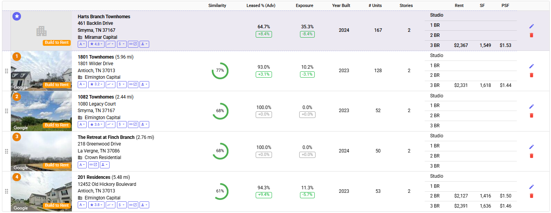
 |  |  |  |  |  | C. | C=A-B |  | -$141 |  | -$0.25 | -$32 |  | -$0.22
 |  |  |  |  |  | *Source - Hello Data

